FUSION1
Binary Classification | DE |  | 0 | 1 |  | Fusion Eval. |  | Building name: | DE Akademie
 |  |  | outdoor | indoor

 |  | Note: We interpolated all the datasets over data collection time interval, then fused them
 |  |  |  |  |  |  |  |  |  | Fusion Result: Light edges as ground truth

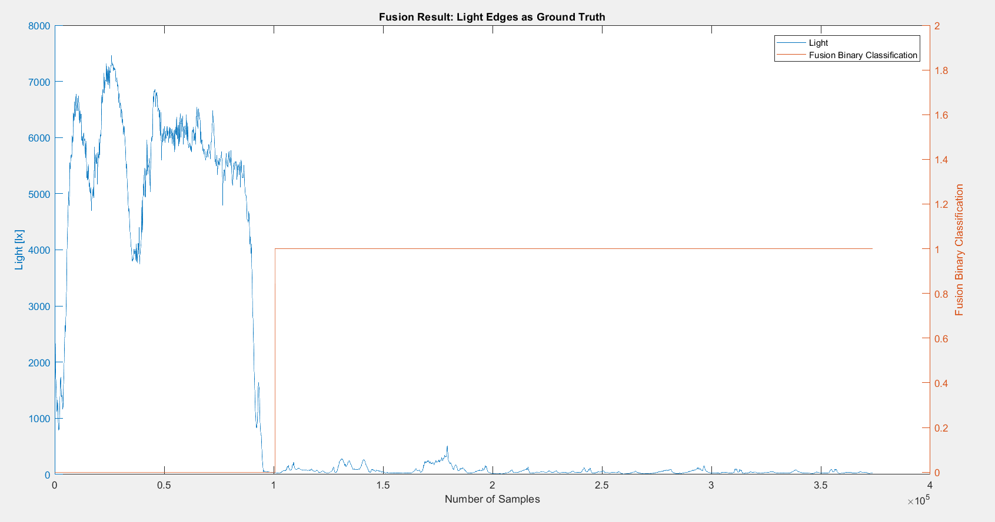

 |  | n= 373682 |  | indoor | outdoor | SUM
 |  |  |  | T | F
 |  | indoor | T | 272923 | 5423 | 278346 |  | sum | 373682
 |  | outdoor | F | 0 | 95336 | 95336
 |  | SUM |  | 272923 | 100759

 |  |  |  | sum | 373682

 |  | TP or (Recall) | 0.98051705431
 |  | TN | 1
 |  | Precision | 1 |  |  |  | Ground Truth
 |  | Accuracy | 0.98548766063 |  |  |  | 95336
 |  | F Score | 0.99016269734

 |  | Ground truth: | large edges of light or gps at entrances.

FUSION2
Binary Classification | DE |  | 0 | 1 |  | Fusion Eval. |  | Building name: | DE Akademie
 |  |  | outdoor | indoor

 |  | Note: We interpolated all the datasets over data collection time interval, then fused them
 |  |  |  |  |  |  |  |  |  | Fusion Result: Light edges as ground truth

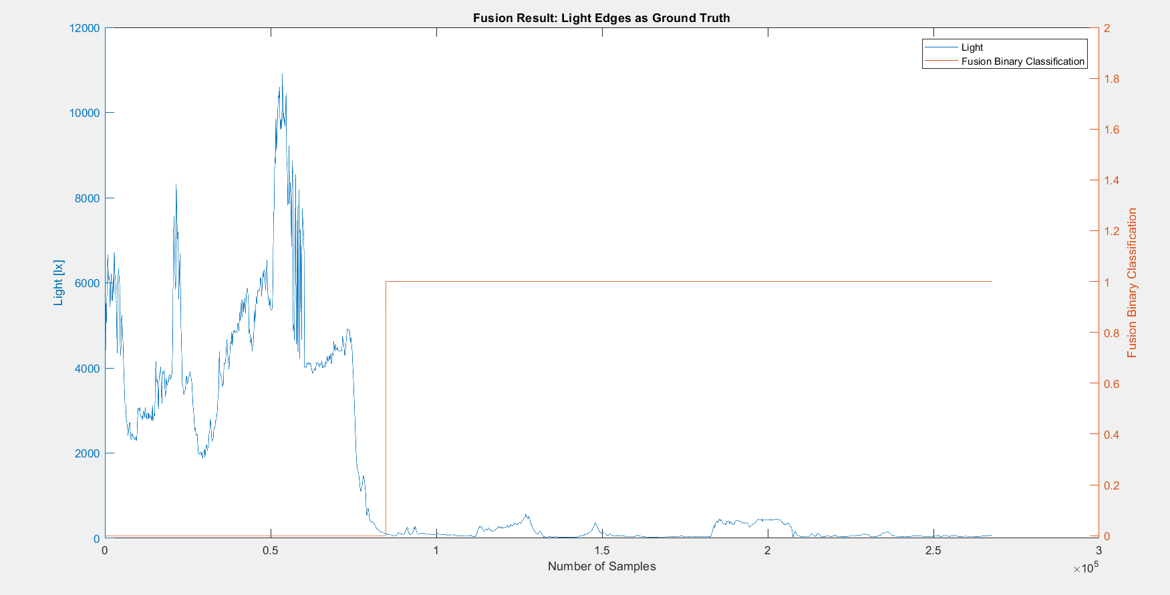
 |  | n=267662 |  | indoor | outdoor | SUM
 |  |  |  | T | F
 |  | indoor | T | 182920 | 0 | 182920 |  | sum | 267662
 |  | outdoor | F | 0 | 84742 | 84742
 |  | SUM |  | 182920 | 84742

 |  |  |  | sum | 267662

 |  | TP or (Recall) | 1
 |  | TN | 1
 |  | Precision | 1 |  |  |  | Ground Truth
 |  | Accuracy | 1 |  |  |  | 84742
 |  | F Score | 1

 |  | Ground truth: | large edges of light or gps at entrances.

FUSION3
Binary Classification | DE |  | 0 | 1 |  | Fusion Eval. |  | Building name: | DE Akademie
 |  |  | outdoor | indoor

 |  | Note: We interpolated all the datasets over data collection time interval, then fused them
 |  |  |  |  |  |  |  |  |  | Fusion Result: Light edges as ground truth

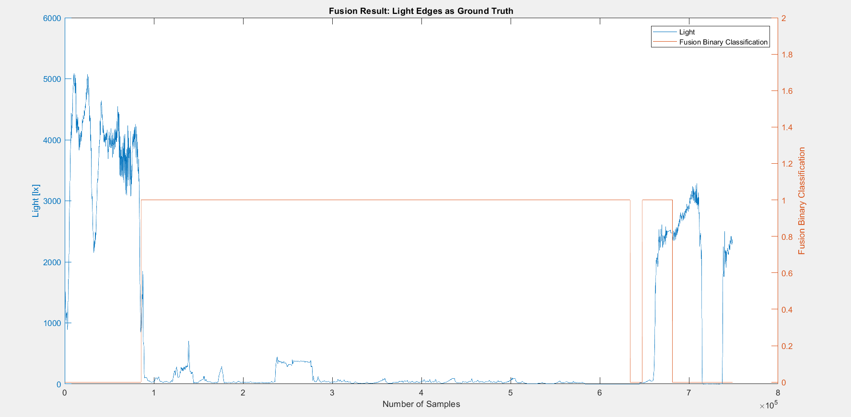
 |  | n=748911 |  | indoor | outdoor | SUM
 |  |  |  | T | F
 |  | indoor | T | 548485 | 13860 | 562345 |  | sum | 748911
 |  | outdoor | F | 33655 | 152911 | 186566
 |  | SUM |  | 582140 | 166771

 |  |  |  | sum | 748911

 |  | TP or (Recall) | 0.97535320844
 |  | TN | 0.81960807435
 |  | Precision | 0.94218744632 |  |  |  | Ground Truth
 |  | Accuracy | 0.93655454386 |  |  |  | 85501 | 647846
 |  | F Score | 0.95848351005

 |  | Ground truth: | large edges of light or gps at entrances.

FUSION4
Binary Classification | DE |  | 0 | 1 |  | Fusion Eval. |  | Building name: | DE Akademie
 |  |  | outdoor | indoor

 |  | Note: We interpolated all the datasets over data collection time interval, then fused them
 |  |  |  |  |  |  |  |  |  | Fusion Result: GPS edges as ground truth since light was from night and not reliable

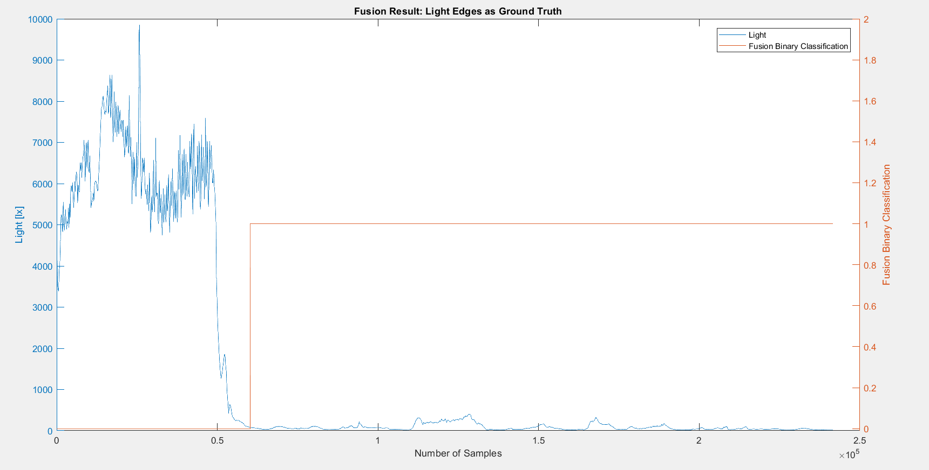
 |  | n=241669 |  | indoor | outdoor | SUM
 |  |  |  | T | F
 |  | indoor | T | 181397 | 0 | 181397 |  | sum | 241669
 |  | outdoor | F | 0 | 60272 | 60272
 |  | SUM |  | 181397 | 60272

 |  |  |  | sum | 241669

 |  | TP or (Recall) | 1
 |  | TN | 1
 |  | Precision | 1 |  |  |  | Ground Truth
 |  | Accuracy | 1 |  |  |  | 60272
 |  | F Score | 1

 |  | Ground truth: | large edges of light or gps at entrances.

