GPS1
Raw GPS | B6 | Mt__DE_ACADEMY_JUN28Geolocation.csv |  | 0 | 1 |  | GPS Eval. | Building name: | DeutschAkademie
7 | 0 |  |  | outdoor | indoor
7 | 0
24 | 0
32 | 0 |  | Raw | Magnetic
24 | 0 |  | flags | Binary classification result
24 | 0
8 | 0
8 | 0 |  | n= 147 |  | indoor | outdoor | SUM
12 | 0 |  |  |  | T | F
12 | 0 |  | indoor | T | 52 | 2 | 54 | sum | 147
12 | 0 |  | outdoor | F | 0 | 93 | 93
16 | 0 |  | SUM |  | 52 | 95
25.270000458 | 0
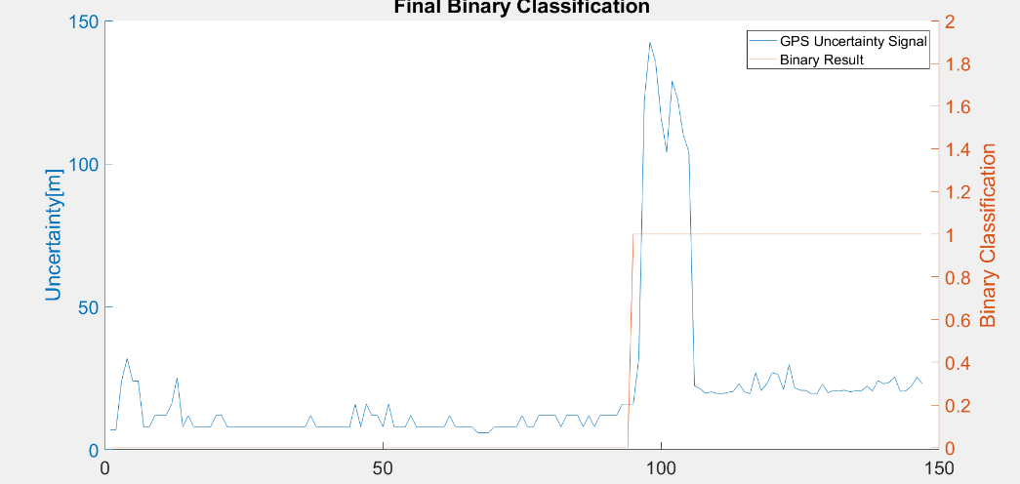
8 | 0 |  |  |  | sum | 147
12 | 0
8 | 0 |  | TP or (Recall) | 0.96296296296
8 | 0 |  | TN | 1
8 | 0 |  | Precision | 1 |  | Ground Truth
8 | 0 |  | Accuracy | 0.98639455782 |  | 93
12 | 0 |  | F Score | 0.98113207547
12 | 0
8 | 0
8 | 0 |  | Ground truth: | large edges of GPS or light signal at entrances
8 | 0
8 | 0
8 | 0
8 | 0
8 | 0
8 | 0
8 | 0
8 | 0
8 | 0
8 | 0
8 | 0
8 | 0
8 | 0
12 | 0
8 | 0
8 | 0
8 | 0
8 | 0
8 | 0
8 | 0
8 | 0
16 | 0
8 | 0
16 | 0
12 | 0
12 | 0
8 | 0
16 | 0
8 | 0
8 | 0
8 | 0
12 | 0
8 | 0
8 | 0
8 | 0
8 | 0
8 | 0
8 | 0
12 | 0
8 | 0
8 | 0
8 | 0
8 | 0
6 | 0
6 | 0
6 | 0
8 | 0
8 | 0
8 | 0
8 | 0
8 | 0
12 | 0
8 | 0
8 | 0
12 | 0
12 | 0
12 | 0
12 | 0
8 | 0
12 | 0
12 | 0
12 | 0
8 | 0
12 | 0
8 | 0
12 | 0
12 | 0
12 | 0
12 | 0
16 | 0
16 | 0
16 | 1
32 | 1
122.40000153 | 1
142.5 | 1
135.6000061 | 1
116.09999847 | 1
104.09999847 | 1
128.8999939 | 1
122.40000153 | 1
110 | 1
104.09999847 | 1
22.385000229 | 1
21.330999374 | 1
19.715000153 | 1
20.259000778 | 1
19.708000183 | 1
19.551000595 | 1
20.048999786 | 1
20.471000671 | 1
23.115999222 | 1
20.204999924 | 1
19.646999359 | 1
26.9810009 | 1
20.680999756 | 1
23.086000443 | 1
26.983999252 | 1
26.371999741 | 1
21.069999695 | 1
29.813999176 | 1
21.702999115 | 1
20.784999847 | 1
20.76099968 | 1
19.586999893 | 1
19.552000046 | 1
22.940000534 | 1
19.965000153 | 1
20.780000687 | 1
20.604999542 | 1
20.809999466 | 1
20.260000229 | 1
20.649000168 | 1
20.653999329 | 1
22.222000122 | 1
20.61000061 | 1
24.166999817 | 1
23.059999466 | 1
23.577999115 | 1
25.434999466 | 1
20.392000198 | 1
20.62899971 | 1
22.25799942 | 1
25.381000519 | 1
23.086000443 | 1

GPS2
Raw GPS | B6 | My__DE_ACADEM_JUN26Geolocation.csv |  | 0 | 1 |  | GPS Eval. | Building name: | DeutschAkademie
7 | 0 |  |  | outdoor | indoor
7 | 0
24 | 0
24 | 0 |  | Raw | Magnetic
24 | 0 |  | flags | Binary classification result
8 | 0
8 | 0
8 | 0 |  | n= 113 |  | indoor | outdoor | SUM
12 | 0 |  |  |  | T | F
6 | 0 |  | indoor | T | 33 | 2 | 35 | sum | 113
6 | 0 |  | outdoor | F | 0 | 78 | 78
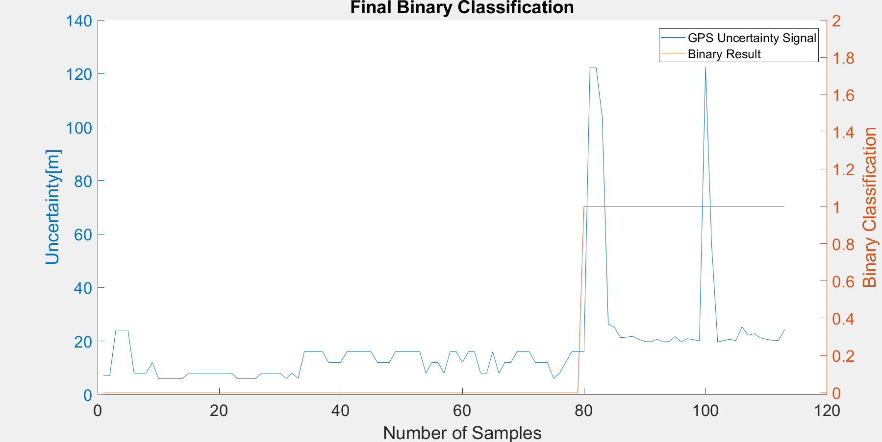
6 | 0 |  | SUM |  | 33 | 80
6 | 0
6 | 0 |  |  |  | sum | 113
8 | 0
8 | 0 |  | TP or (Recall) | 0.94285714286
8 | 0 |  | TN | 1
8 | 0 |  | Precision | 1 |  |  | Ground Truth
8 | 0 |  | Accuracy | 0.98230088496 |  |  | 78
8 | 0 |  | F Score | 0.97058823529
8 | 0
8 | 0
6 | 0 |  | Ground truth: | large edges of GPS or light signal at entrances
6 | 0
6 | 0
6 | 0
8 | 0
8 | 0
8 | 0
8 | 0
6 | 0
8 | 0
6 | 0
16 | 0
16 | 0
16 | 0
16 | 0
12 | 0
12 | 0
12 | 0
16 | 0
16 | 0
16 | 0
16 | 0
16 | 0
12 | 0
12 | 0
12 | 0
16 | 0
16 | 0
16 | 0
16 | 0
16 | 0
8 | 0
12 | 0
12 | 0
8 | 0
16 | 0
16 | 0
12 | 0
16 | 0
16 | 0
8 | 0
8 | 0 |  |  |  |  |  |  |  |  | 37
16 | 0
8 | 0
12 | 0
12 | 0
16 | 0
16 | 0
16 | 0
12 | 0
12 | 0
12 | 0
6 | 0
8 | 0
12 | 0
16 | 0
16 | 0
16 | 1
122.40000153 | 1
122.40000153 | 1
104.09999847 | 1
26.270000458 | 1
25.228000641 | 1
21.277999878 | 1
21.440000534 | 1
21.775999069 | 1
20.665000916 | 1
19.805000305 | 1
19.708999634 | 1
20.688999176 | 1
19.714000702 | 1
19.804000854 | 1
21.658000946 | 1
19.625999451 | 1
20.881999969 | 1
20.541999817 | 1
20.010000229 | 1
122.40000153 | 1
56.099998474 | 1
19.638000488 | 1
20.183000565 | 1
20.638999939 | 1
20.176000595 | 1
25.320999146 | 1
22.166999817 | 1
22.736999512 | 1
21.232999802 | 1
20.638000488 | 1
20.297000885 | 1
20.201000214 | 1
24.290000916 | 1

GPS3
Raw GPS | B6 | My_de_aca_jun22_2Geolocation.csv |  | 0 | 1 |  | GPS Eval. |  | Building name: | DeutschAkademie
7 | 0 |  |  | outdoor | indoor
7 | 0
16 | 0
16 | 0 |  | Raw | Magnetic
16 | 0 |  | flags | Binary classification result
8 | 0
8 | 0
12 | 0 |  | n= 272 |  | indoor | outdoor | SUM
8 | 0 |  |  |  | T | F
8 | 0 |  | indoor | T | 119 | 9 | 128 |  | sum | 272
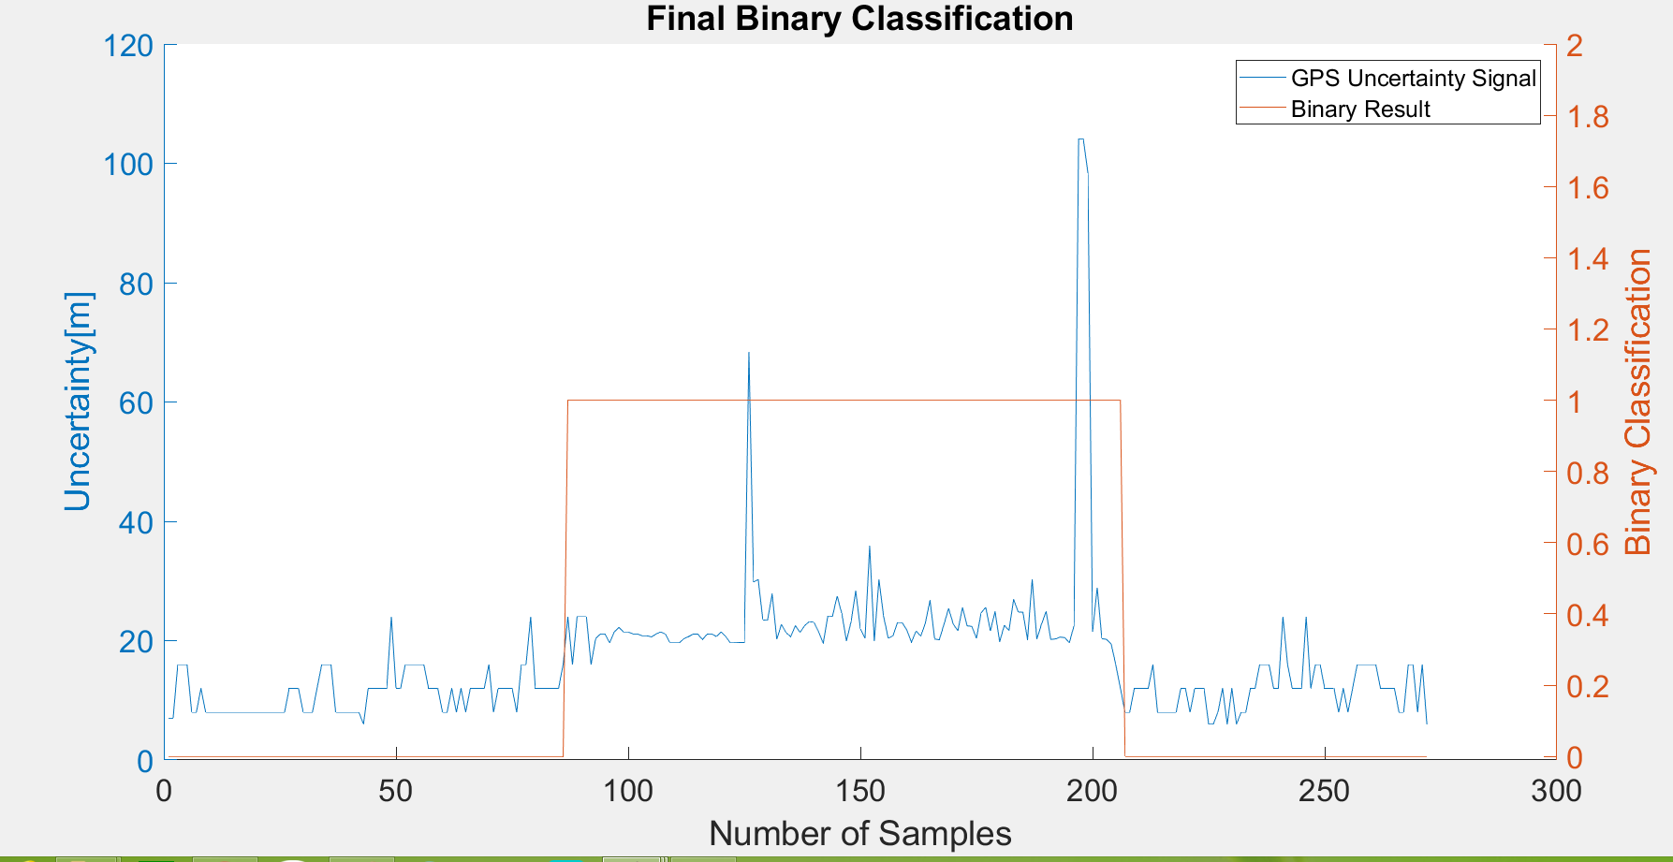
8 | 0 |  | outdoor | F | 0 | 144 | 144
8 | 0 |  | SUM |  | 119 | 153
8 | 0
8 | 0 |  |  |  | sum | 272
8 | 0
8 | 0 |  | TP or (Recall) | 0.9296875
8 | 0 |  | TN | 1 |  |  | Ground Truth
8 | 0 |  | Precision | 1 |  |  | 78 | 206
8 | 0 |  | Accuracy | 0.96691176471
8 | 0 |  | F Score | 0.96356275304
8 | 0
8 | 0
8 | 0 |  | Ground truth: | large edges of GPS or light signal at entrances
8 | 0
8 | 0
8 | 0
12 | 0
12 | 0
12 | 0
8 | 0
8 | 0
8 | 0
12 | 0
16 | 0
16 | 0
16 | 0
8 | 0
8 | 0
8 | 0
8 | 0
8 | 0
8 | 0
6 | 0
12 | 0
12 | 0
12 | 0
12 | 0
12 | 0
24 | 0
12 | 0
12 | 0
16 | 0
16 | 0
16 | 0
16 | 0
16 | 0
12 | 0
12 | 0
12 | 0
8 | 0
8 | 0
12 | 0
8 | 0
12 | 0 |  |  |  |  |  |  |  |  | 41 | 241
8 | 0
12 | 0
12 | 0
12 | 0
12 | 0
16 | 0
8 | 0
12 | 0
12 | 0
12 | 0
12 | 0
8 | 0
16 | 0
16 | 0
24 | 0
12 | 0
12 | 0
12 | 0
12 | 0
12 | 0
12 | 0
16 | 0
24 | 1
16 | 1
24 | 1
24 | 1
24 | 1
16 | 1
20.340999603 | 1
21.101999283 | 1
21.125999451 | 1
19.631000519 | 1
21.462999344 | 1
22.225999832 | 1
21.464000702 | 1
21.465000153 | 1
21.125 | 1
21.111999512 | 1
20.816999435 | 1
20.818000793 | 1
20.624000549 | 1
21.103000641 | 1
21.464000702 | 1
21.125 | 1
19.634000778 | 1
19.631999969 | 1
19.631999969 | 1
20.312999725 | 1
20.676000595 | 1
21.094999313 | 1
21.093999863 | 1
20.170000076 | 1
21.097999573 | 1
21.124000549 | 1
20.676000595 | 1
21.458999634 | 1
20.674999237 | 1
19.628000259 | 1
19.63999939 | 1
19.679000854 | 1
19.679000854 | 1
68.400001526 | 1
29.819000244 | 1
30.256999969 | 1
23.482000351 | 1
23.392000198 | 1
27.805999756 | 1
20.225999832 | 1
22.722000122 | 1
21.315999985 | 1
20.688999176 | 1
22.50799942 | 1
21.368999481 | 1
22.516000748 | 1
23.200000763 | 1
23.065999985 | 1
21.486000061 | 1
19.561000824 | 1
24.142000198 | 1
24.091999054 | 1
27.474000931 | 1
24.538000107 | 1
19.968999863 | 1
23.180000305 | 1
28.333999634 | 1
21.986000061 | 1
20.399999619 | 1
35.868999481 | 1
19.903999329 | 1
30.232999802 | 1
24.091999054 | 1
20.405000687 | 1
20.778999329 | 1
23.045000076 | 1
23.023000717 | 1
21.777999878 | 1
19.740999222 | 1
21.62100029 | 1
20.715999603 | 1
22.989999771 | 1
26.74600029 | 1
20.26199913 | 1
20.142999649 | 1
22.716999054 | 1
25.408000946 | 1
22.76099968 | 1
21.674999237 | 1
25.590999603 | 1
22.482999802 | 1
22.37899971 | 1
20.400999069 | 1
24.63299942 | 1
25.600999832 | 1
21.589000702 | 1
24.888999939 | 1
19.801000595 | 1
22.579999924 | 1
21.690999985 | 1
26.899000168 | 1
24.788000107 | 1
24.770000458 | 1
20.211000443 | 1
30.26099968 | 1
20.259000778 | 1
22.736999512 | 1
24.902000427 | 1
20.215000153 | 1
20.291000366 | 1
20.584999084 | 1
20.517000198 | 1
19.649999619 | 1
22.48900032 | 1
104.09999847 | 1
104.09999847 | 1
98.400001526 | 1
21.444999695 | 1
28.8939991 | 1
20.336999893 | 1
20.218999863 | 1
19.461000443 | 1
16 | 1
12 | 1
8 | 0
8 | 0
12 | 0
12 | 0
12 | 0
12 | 0
16 | 0
8 | 0
8 | 0
8 | 0
8 | 0
8 | 0
12 | 0
12 | 0
8 | 0
12 | 0
12 | 0
12 | 0
6 | 0
6 | 0
8 | 0
12 | 0
6 | 0
12 | 0
6 | 0
8 | 0
8 | 0
12 | 0
12 | 0
16 | 0
16 | 0
16 | 0
12 | 0
12 | 0
24 | 0
16 | 0
12 | 0
12 | 0
12 | 0
24 | 0
12 | 0
16 | 0
16 | 0
12 | 0
12 | 0
12 | 0
8 | 0
12 | 0
8 | 0
12 | 0
16 | 0
16 | 0
16 | 0
16 | 0
16 | 0
12 | 0
12 | 0
12 | 0
12 | 0
8 | 0
8 | 0
16 | 0
16 | 0
8 | 0
16 | 0
6 | 0

GPS4
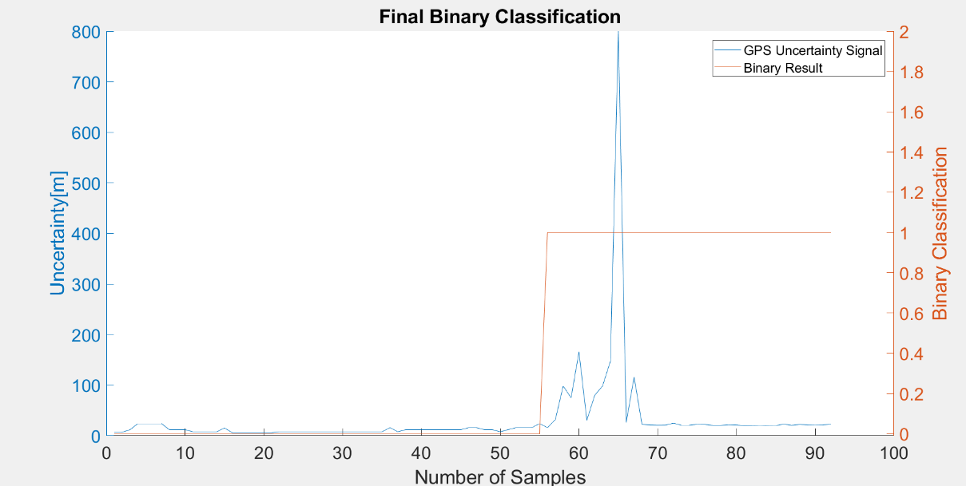
Raw GPS | B6 | My_DE_ACADEMY_JUN13_2Geolocation.csv |  | 0 | 1 |  | GPS Eval. |  | Building name: | DeutschAkademie
7 | 0 |  |  | outdoor | indoor
7 | 0
12 | 0
24 | 0 |  | Raw | Magnetic
24 | 0 |  | flags | Binary classification result
24 | 0
24 | 0
12 | 0 |  | n= 92 |  | indoor | outdoor | SUM
12 | 0 |  |  |  | T | F
12 | 0 |  | indoor | T | 36 | 4 | 40 |  | sum | 92
8 | 0 |  | outdoor | F | 0 | 52 | 52
8 | 0 |  | SUM |  | 36 | 56
8 | 0
8 | 0 |  |  |  | sum | 92 |  | Ground Truth
15.343999863 | 0 |  |  |  |  |  |  | 52
6 | 0 |  | TP or (Recall) | 0.9
6 | 0 |  | TN | 1
6 | 0 |  | Precision | 1
6 | 0 |  | Accuracy | 0.95652173913
6 | 0 |  | F Score | 0.94736842105
6 | 0
8 | 0
8 | 0 |  | Ground truth: | large edges of GPS or light signal at entrances
8 | 0
8 | 0
8 | 0
8 | 0
8 | 0
8 | 0
8 | 0
8 | 0
8 | 0
8 | 0
8 | 0
8 | 0
16 | 0
8 | 0
12 | 0
12 | 0
12 | 0
12 | 0
12 | 0
12 | 0
12 | 0
12 | 0
16 | 0
16 | 0
12 | 0
12 | 0
8 | 0
12 | 0
16 | 0
16 | 0
16 | 0
24 | 0
16 | 1
32 | 1
98.400001526 | 1
75.068000793 | 1
165.64300537 | 1
30.660999298 | 1
79.983001709 | 1
98.400001526 | 1 |  |  |  |  |  |  |  |  |  | 25
147.81300354 | 1
800 | 1
26.346000671 | 1
116.09999847 | 1
22.500999451 | 1
21.444999695 | 1
20.833999634 | 1
21.101999283 | 1
25.017000198 | 1
20.872999191 | 1
20.878000259 | 1
22.686000824 | 1
22.417999268 | 1
20.384000778 | 1
20.413999557 | 1
21.783000946 | 1
21.358999252 | 1
19.607999802 | 1
20.194000244 | 1
20.834999084 | 1
20.204999924 | 1
19.979999542 | 1
23.146999359 | 1
20.622999191 | 1
22.422000885 | 1
21.596000671 | 1
21.934999466 | 1
21.603000641 | 1
22.722999573 | 1

