FUSION1
Binary Classification | AO |  | 0 | 1 |  | Fusion Eval. |  | Building name: | AO
 |  |  | outdoor | indoor

 |  | Note: We interpolated all the datasets over data collection time interval, then fused them
 |  | Raw | Magnetic |  |  |  |  |  |  | Fusion Result: Light edges as ground truth
 |  | flags | Binary classification result

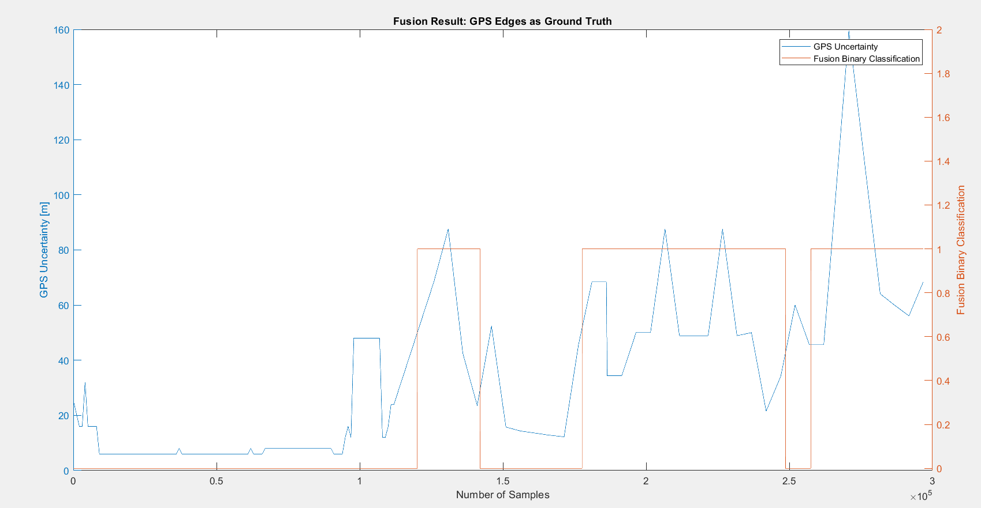
 |  | n= 296763 |  | indoor | outdoor | SUM
 |  |  |  | T | F
 |  | indoor | T | 132125 | 70762 | 202887 |  | sum | 296763
 |  | outdoor | F | 0 | 93876 | 93876
 |  | SUM |  | 132125 | 164638

 |  |  |  | sum | 296763

 |  | TP or (Recall) | 0.65122457328
 |  | TN | 1
 |  | Precision | 1 |  |  |  | Ground Truth
 |  | Accuracy | 0.76155383252 |  |  |  | 93876
 |  | F Score | 0.78877771543

 |  | Ground truth: | large edges of light or gps at entrances.

FUSION2
Binary Classification | AO |  | 0 | 1 |  | Fusion Eval. |  | Building name: | AO
 |  |  | outdoor | indoor

 |  | Note: We interpolated all the datasets over data collection time interval, then fused them
 |  | Raw | Magnetic |  |  |  |  |  |  | Fusion Result: Light edges as ground truth
 |  | flags | Binary classification result

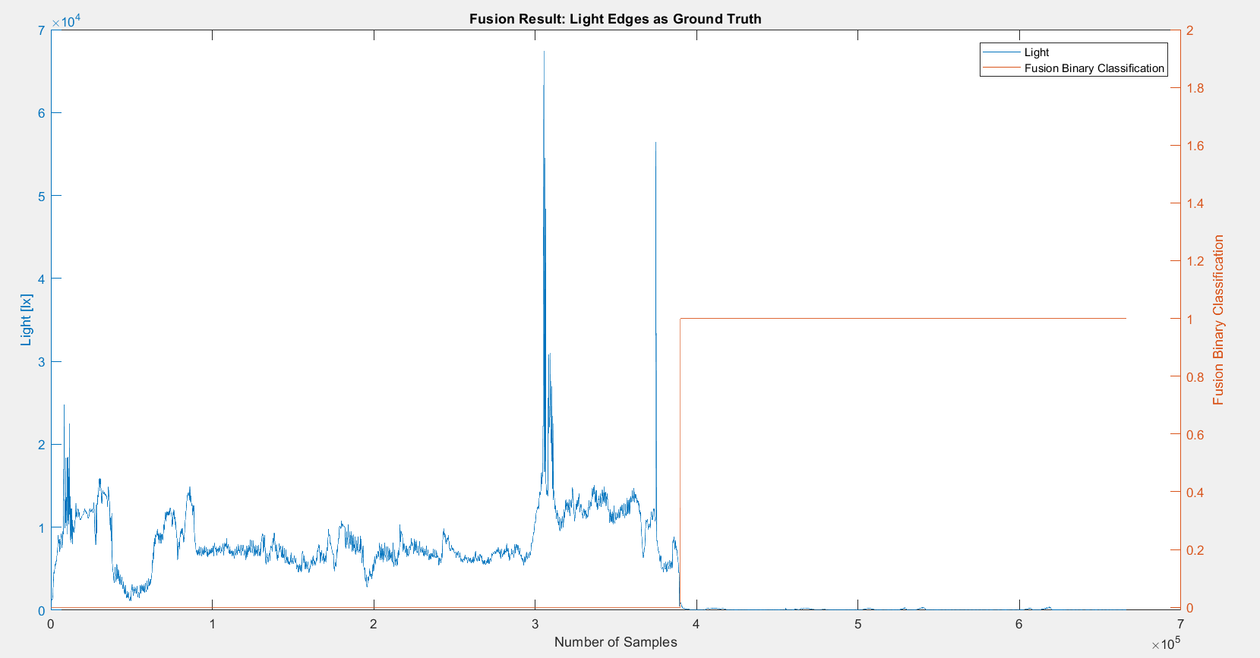
 |  | n=666520 |  | indoor | outdoor | SUM
 |  |  |  | T | F
 |  | indoor | T | 276566 | 0 | 276566 |  | sum | 666520
 |  | outdoor | F | 0 | 389954 | 389954
 |  | SUM |  | 276566 | 389954

 |  |  |  | sum | 666520

 |  | TP or (Recall) | 1
 |  | TN | 1
 |  | Precision | 1 |  |  |  | Ground Truth
 |  | Accuracy | 1 |  |  |  | 389954
 |  | F Score | 1

 |  | Ground truth: | large edges of light or gps at entrances.

FUSION3
Binary Classification | AO |  | 0 | 1 |  | Fusion Eval. |  | Building name: | AO
 |  |  | outdoor | indoor

 |  | Note: We interpolated all the datasets over data collection time interval, then fused them
 |  | Raw | Magnetic |  |  |  |  |  |  | Fusion Result: Light edges as ground truth
 |  | flags | Binary classification result

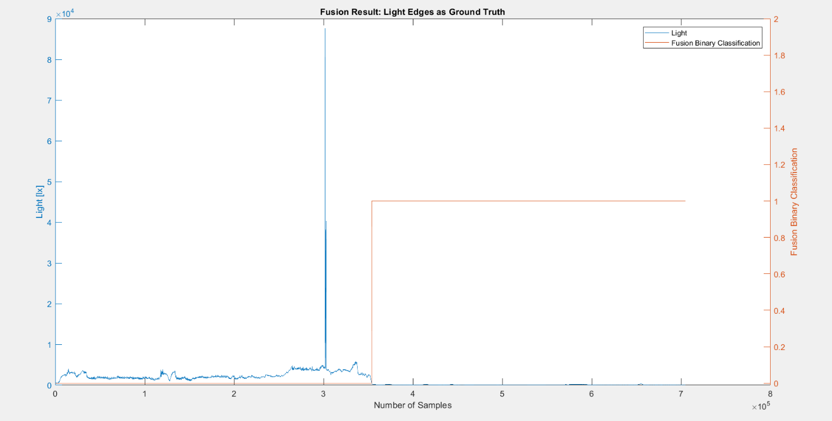
 |  | n=705048 |  | indoor | outdoor | SUM
 |  |  |  | T | F
 |  | indoor | T | 349808 | 0 | 349808 |  | sum | 705048
 |  | outdoor | F | 1225 | 354015 | 355240
 |  | SUM |  | 351033 | 354015

 |  |  |  | sum | 705048

 |  | TP or (Recall) | 1
 |  | TN | 0.99655162707
 |  | Precision | 0.9965102996 |  |  |  | Ground Truth
 |  | Accuracy | 0.99826252964 |  |  |  | 355240
 |  | F Score | 0.99825209998

 |  | Ground truth: | large edges of light or gps at entrances.

FUSION4
Binary Classification | AO |  | 0 | 1 |  | Fusion Eval. |  | Building name: | AO
 |  |  | outdoor | indoor

 |  | Note: We interpolated all the datasets over data collection time interval, then fused them
 |  | Raw | Magnetic |  |  |  |  |  |  | Fusion Result: GPS edges as ground truth since light was from night and not reliable
 |  | flags | Binary classification result
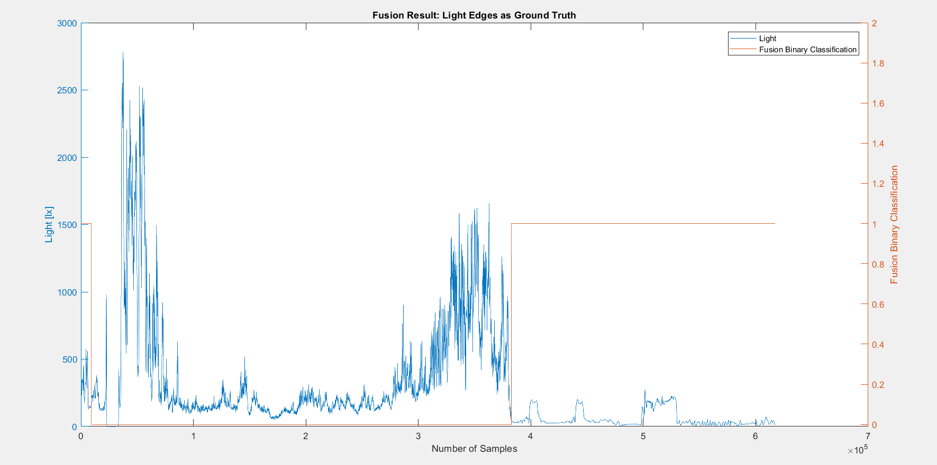

 |  | n=617356 |  | indoor | outdoor | SUM
 |  |  |  | T | F
 |  | indoor | T | 234557 | 0 | 234557 |  | sum | 617356
 |  | outdoor | F | 0 | 382799 | 382799
 |  | SUM |  | 234557 | 382799

 |  |  |  | sum | 617356

 |  | TP or (Recall) | 1
 |  | TN | 1
 |  | Precision | 1 |  |  |  | Ground Truth
 |  | Accuracy | 1 |  |  |  | 382799
 |  | F Score | 1

 |  | Ground truth: | large edges of light or gps at entrances.

