GPS1
RAW GPS | B6 | My_AO_JULY04Geolocation.csv |  | 0 | 1 |  | GPS Eval. | Building name: | AO
7 | 0 |  |  | outdoor | indoor
7 | 0
16 | 0
16 | 0 |  | Raw | Magnetic
32 | 0 |  | flags | Binary classification result
16 | 0
16 | 0
16 | 0 |  | n= 148 |  | indoor | outdoor | SUM
16 | 0 |  |  |  | T | F
6 | 0 |  | indoor | T | 51 | 2 | 53 | sum | 148
6 | 0 |  | outdoor | F | 0 | 95 | 95
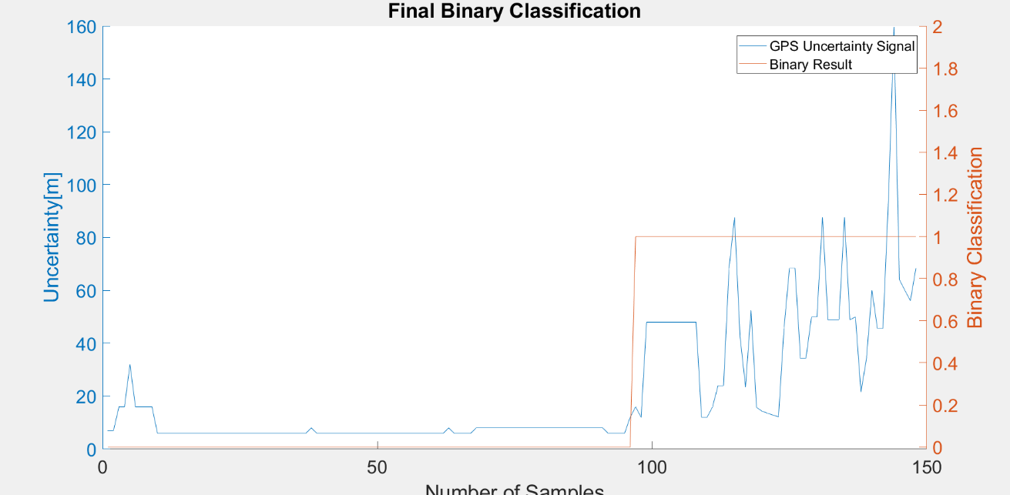
6 | 0 |  | SUM |  | 51 | 97
6 | 0
6 | 0 |  |  |  | sum | 148
6 | 0
6 | 0 |  | TP or (Recall) | 0.96226415094
6 | 0 |  | TN | 1
6 | 0 |  | Precision | 1
6 | 0 |  | Accuracy | 0.98648648649 |  |  | Ground Truth
6 | 0 |  | F Score | 0.98076923077 |  |  | 95
6 | 0
6 | 0
6 | 0 |  | Ground truth: | large edges of GPS or light signal at entrances
6 | 0
6 | 0
6 | 0
6 | 0
6 | 0
6 | 0
6 | 0
6 | 0
6 | 0
6 | 0
6 | 0
6 | 0
6 | 0
6 | 0
8 | 0
6 | 0
6 | 0
6 | 0
6 | 0
6 | 0
6 | 0
6 | 0
6 | 0
6 | 0
6 | 0
6 | 0
6 | 0
6 | 0
6 | 0
6 | 0
6 | 0
6 | 0
6 | 0
6 | 0
6 | 0
6 | 0
6 | 0
6 | 0
6 | 0
8 | 0
6 | 0
6 | 0
6 | 0
6 | 0
8 | 0
8 | 0
8 | 0
8 | 0
8 | 0
8 | 0
8 | 0
8 | 0
8 | 0
8 | 0
8 | 0
8 | 0
8 | 0
8 | 0
8 | 0
8 | 0
8 | 0
8 | 0
8 | 0
8 | 0
8 | 0
8 | 0
8 | 0
8 | 0
6 | 0
6 | 0
6 | 0
6 | 0
12 | 0
16 | 1
12 | 1
48 | 1
48 | 1
48 | 1
48 | 1
48 | 1
48 | 1
48 | 1
48 | 1
48 | 1
48 | 1
12 | 1
12 | 1
16 | 1
24 | 1
24 | 1
68.400001526 | 1
87.599998474 | 1
42.5 | 1
23.600000381 | 1
52.400001526 | 1
15.763999939 | 1
14.331000328 | 1
13.583999634 | 1
12.848999977 | 1
12.222000122 | 1
45.599998474 | 1
68.400001526 | 1
68.400001526 | 1
34.400001526 | 1
34.400001526 | 1
50 | 1
50 | 1
87.599998474 | 1
48.900001526 | 1
48.900001526 | 1
48.900001526 | 1
87.599998474 | 1
48.900001526 | 1
50 | 1
21.545000076 | 1
34.152000427 | 1
60 | 1
45.599998474 | 1
45.599998474 | 1
94.336997986 | 1
159.53100586 | 1
64.099998474 | 1
60 | 1
56.099998474 | 1
68.400001526 | 1

GPS2
Raw GPS | B6 | My_AO_JUN23Geolocation.csv |  | 0 | 1 |  | GPS Eval. |  | Building name: | AO
7 | 1 |  |  | outdoor | indoor
7 | 1
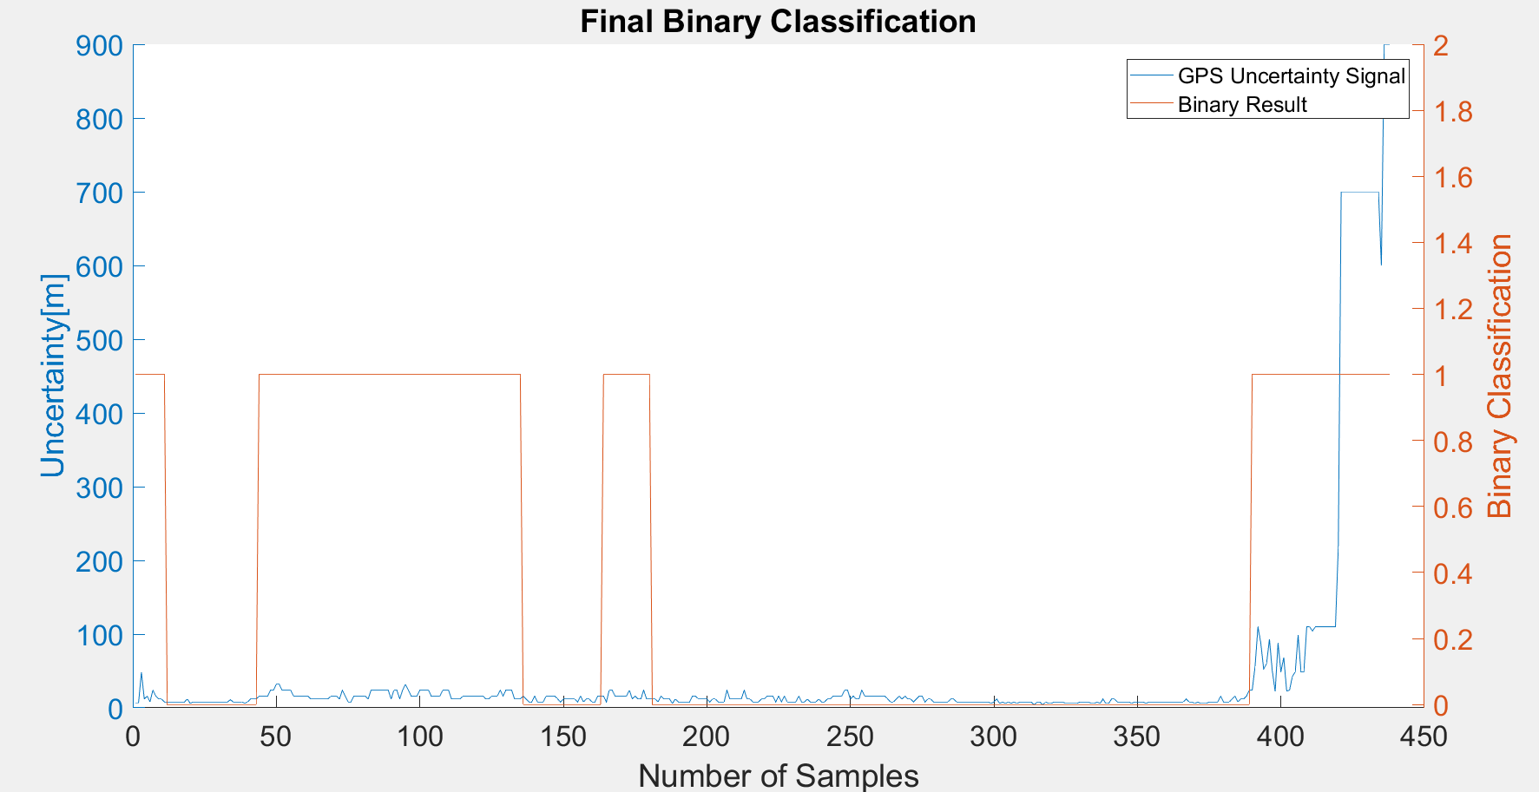
48 | 1
12 | 1 |  | Raw | Magnetic
16 | 1 |  | flags | Binary classification result
8 | 1
24 | 1
16 | 1 |  | n= 438 |  | indoor | outdoor | SUM
12 | 1 |  |  |  | T | F
12 | 1 |  | indoor | T | 48 | 7 | 55 |  | sum | 438
8 | 1 |  | outdoor | F | 118 | 265 | 383
8 | 0 |  | SUM |  | 166 | 272
8 | 0
8 | 0 |  |  |  | sum | 438
8 | 0 |  |  |  |  |  |  | Ground Truth
8 | 0 |  | TP or (Recall) | 0.87272727273 |  |  |  | 383
8 | 0 |  | TN | 0.69190600522
8 | 0 |  | Precision | 0.28915662651
12 | 0 |  | Accuracy | 0.71461187215
6 | 0 |  | F Score | 0.43438914027
8 | 0
8 | 0
8 | 0 |  | Ground truth: | large edges of GPS or light signal at entrances
8 | 0
8 | 0
8 | 0
8 | 0
8 | 0
8 | 0
8 | 0
8 | 0
8 | 0
8 | 0
10.951000214 | 0
8 | 0
8 | 0
8 | 0
8 | 0
6 | 0
8 | 0
12 | 0
12 | 0
12 | 0
16 | 1
16 | 1
16 | 1
16 | 1
24 | 1
24 | 1
32 | 1
32 | 1
24 | 1
24 | 1
24 | 1
24 | 1
16 | 1
16 | 1
16 | 1
16 | 1
16 | 1
16 | 1
12 | 1
12 | 1
12 | 1
12 | 1
12 | 1
12 | 1
12 | 1
16 | 1
16 | 1
16 | 1
12 | 1
24 | 1
16 | 1
8 | 1
8 | 1
16 | 1
16 | 1
16 | 1
16 | 1
16 | 1
12 | 1
24 | 1
24 | 1
24 | 1
24 | 1
24 | 1
24 | 1
24 | 1
12 | 1
24 | 1
24 | 1
12 | 1
24 | 1
32 | 1
24 | 1
16 | 1
16 | 1
16 | 1
24 | 1
24 | 1
24 | 1
24 | 1
16 | 1
16 | 1
16 | 1
16 | 1
24 | 1
24 | 1
24 | 1
12 | 1
12 | 1
12 | 1
12 | 1
16 | 1
16 | 1
16 | 1
16 | 1
16 | 1
16 | 1
16 | 1
16 | 1
12 | 1
12 | 1
16 | 1
16 | 1
16 | 1
24 | 1
16 | 1
24 | 1
24 | 1
24 | 1
12 | 1
12 | 1
12 | 1
16 | 0
12 | 0
8 | 0
8 | 0
16 | 0
8 | 0
8 | 0
8 | 0
16 | 0
16 | 0
16 | 0
16 | 0
12 | 0
8 | 0
12 | 0
12 | 0
12 | 0
12 | 0
12 | 0
8 | 0
16 | 0
8 | 0
12 | 0
12 | 0
8 | 0
8 | 0
16 | 0
16 | 0
16 | 1
8 | 1
24 | 1
24 | 1
16 | 1
16 | 1
16 | 1
16 | 1
16 | 1
24 | 1
12 | 1
16 | 1
12 | 1
12 | 1
24 | 1
12 | 1
12 | 1
12 | 0
12 | 0
8 | 0
16 | 0
12 | 0
12 | 0
12 | 0
6 | 0
12 | 0
8 | 0
8 | 0
8 | 0
8 | 0
8 | 0
16 | 0
16 | 0
12 | 0
12 | 0
12 | 0
12 | 0
8 | 0
12 | 0
12 | 0
8 | 0
8 | 0
8 | 0
24 | 0
12 | 0
12 | 0
12 | 0
12 | 0
12 | 0
24 | 0
12 | 0
12 | 0
8 | 0
8 | 0
8 | 0
12 | 0
12 | 0
16 | 0
16 | 0
16 | 0
8 | 0
16 | 0
8 | 0
16 | 0
8 | 0
8 | 0
8 | 0
8 | 0
16 | 0
8 | 0
8 | 0
12 | 0
8 | 0
8 | 0
8 | 0
12 | 0
8 | 0
8 | 0
12 | 0
12 | 0
16 | 0
16 | 0
16 | 0
16 | 0
24 | 0
24 | 0
12 | 0
16 | 0
12 | 0
12 | 0
24 | 0
16 | 0
16 | 0
16 | 0
16 | 0
16 | 0
16 | 0
16 | 0
16 | 0
12 | 0
8 | 0
8 | 0
12 | 0
16 | 0
12 | 0
16 | 0
12 | 0
12 | 0
8 | 0
12 | 0
16 | 0
16 | 0
8 | 0
12 | 0
12 | 0
8 | 0
8 | 0
8 | 0
8 | 0
8 | 0
8 | 0
12 | 0
12 | 0
8 | 0
8 | 0
8 | 0
8 | 0
8 | 0
8 | 0
8 | 0
8 | 0
8 | 0
8 | 0
8 | 0
8 | 0
6 | 0
8 | 0
12 | 0
6 | 0
8 | 0
6 | 0
8 | 0
6 | 0
8 | 0
6 | 0
8 | 0
8 | 0
8 | 0
8 | 0
8 | 0
4 | 0
8 | 0
8 | 0
4 | 0
8 | 0
6 | 0
6 | 0
8 | 0
8 | 0
8 | 0
8 | 0
6 | 0
6 | 0
6 | 0
6 | 0
6 | 0
8 | 0
8 | 0
8 | 0
8 | 0
6 | 0
6 | 0
8 | 0
6 | 0
12 | 0
6 | 0
6 | 0
12 | 0
12 | 0
8 | 0
8 | 0
8 | 0
8 | 0
8 | 0
6 | 0
8 | 0
8 | 0
8 | 0
8 | 0
6 | 0
8 | 0
8 | 0
8 | 0
8 | 0
8 | 0
8 | 0
8 | 0
8 | 0
8 | 0
8 | 0
8 | 0
8 | 0
8 | 0
12 | 0
8 | 0
8 | 0
6 | 0
8 | 0
6 | 0
6 | 0
6 | 0
8 | 0
8 | 0
8 | 0
8 | 0
16 | 0
8 | 0
8 | 0
8 | 0
12 | 0
16 | 0
8 | 0
12 | 0
12 | 0
16 | 0
24 | 0
24 | 1
56.099998474 | 1
110 | 1
87.599998474 | 1
52.400001526 | 1
60 | 1
92.900001526 | 1
50 | 1
22.297000885 | 1
87.599998474 | 1
48.900001526 | 1
68.400001526 | 1
22.881000519 | 1
23.931999207 | 1
42.5 | 1
48.900001526 | 1
98.400001526 | 1
48.900001526 | 1
48.900001526 | 1
110 | 1
110 | 1
104.09999847 | 1
110 | 1
110 | 1
110 | 1
110 | 1
110 | 1
110 | 1
110 | 1
110 | 1
218.70599365 | 1
699.99902344 | 1
699.99902344 | 1
699.99902344 | 1
699.99902344 | 1
699.99902344 | 1
699.99902344 | 1
699.99902344 | 1
699.99902344 | 1
699.99902344 | 1
699.99902344 | 1
699.99902344 | 1
699.99902344 | 1
699.99902344 | 1
699.99902344 | 1
600 | 1
899.99902344 | 1
899.99902344 | 1
899.99902344 | 1

GPS3
Raw GPS | B6 | My_AO_JUN26Geolocation.csv |  | 0 | 1 |  | GPS Eval. | Building name: | AO
7 | 1 |  |  | outdoor | indoor
7 | 1
48 | 1
24 | 1 |  | Raw | Magnetic
24 | 1 |  | flags | Binary classification result
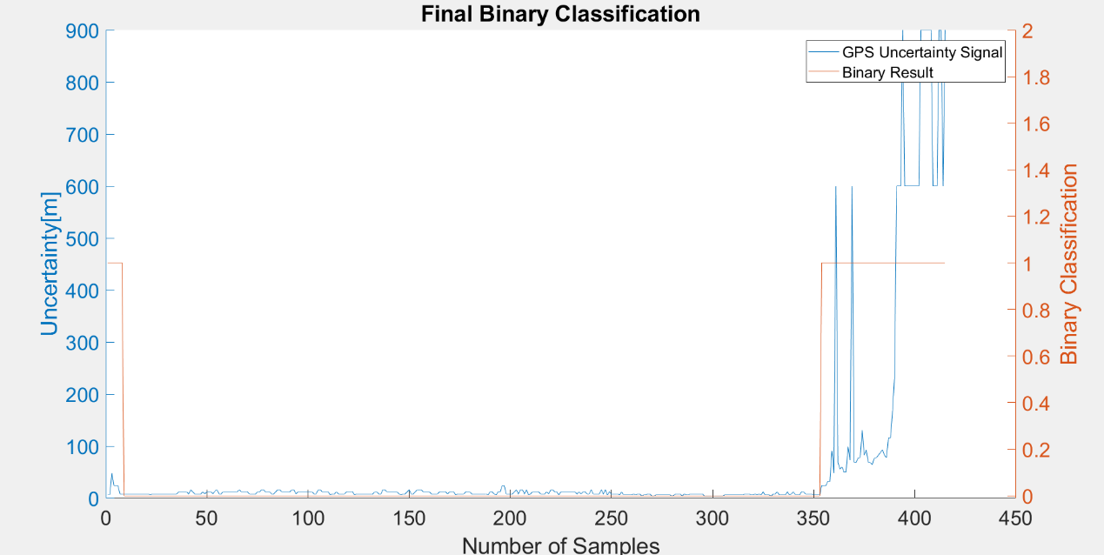
24 | 1
8 | 1
8 | 1 |  | n= 415 |  | indoor | outdoor | SUM
8 | 0 |  |  |  | T | F
8 | 0 |  | indoor | T | 61 | 0 | 61 | sum | 415
8 | 0 |  | outdoor | F | 8 | 346 | 354
8 | 0 |  | SUM |  | 69 | 346
8 | 0
8 | 0 |  |  |  | sum | 415 |  |  | Ground Truth
8 | 0 |  |  |  |  |  |  |  | 354
8 | 0 |  | TP or (Recall) | 1
8 | 0 |  | TN | 0.97740112994
8 | 0 |  | Precision | 0.88405797101
8 | 0 |  | Accuracy | 0.98072289157
8 | 0 |  | F Score | 0.93846153846
8 | 0
6 | 0
8 | 0 |  | Ground truth: | large edges of GPS or light signal at entrances
8 | 0
8 | 0
8 | 0
8 | 0
8 | 0
8 | 0
8 | 0
8 | 0
8 | 0
8 | 0
8 | 0
8 | 0
12 | 0
12 | 0
12 | 0
12 | 0
12 | 0
8 | 0
16 | 0
12 | 0
8 | 0
8 | 0
8 | 0
8 | 0
12 | 0
8 | 0
12 | 0
12 | 0
12 | 0
8 | 0
13.942000389 | 0
16 | 0
8 | 0
8 | 0
12 | 0
12 | 0
12 | 0
12 | 0
12 | 0
12 | 0
12 | 0
12 | 0
16 | 0
12 | 0
12 | 0
12 | 0
12 | 0
8 | 0
8 | 0
8 | 0
8 | 0
12 | 0
12 | 0
16 | 0
16 | 0
12 | 0
12 | 0
12 | 0
8 | 0
8 | 0
12 | 0
16 | 0
16 | 0
12 | 0
12 | 0
12 | 0
12 | 0
12 | 0
16 | 0
16 | 0
8 | 0
12 | 0
12 | 0
12 | 0
12 | 0
12 | 0
12 | 0
12 | 0
12 | 0
8 | 0
8 | 0
16 | 0
16 | 0
12 | 0
12 | 0
12 | 0
12 | 0
6 | 0
8 | 0
8 | 0
12 | 0
8 | 0
8 | 0
8 | 0
8 | 0
12 | 0
12 | 0
12 | 0
12 | 0
6 | 0
8 | 0
8 | 0
8 | 0
8 | 0
8 | 0
8 | 0
8 | 0
8 | 0
8 | 0
12 | 0
12 | 0
8 | 0
8 | 0
16 | 0
16 | 0
12 | 0
12 | 0
12 | 0
12 | 0
12 | 0
12 | 0
8 | 0
6 | 0
8 | 0
8 | 0
12 | 0
16 | 0
8 | 0
8 | 0
12 | 0
16 | 0
16 | 0
16 | 0
12 | 0
12 | 0
12 | 0
12 | 0
8 | 0
8 | 0
8 | 0
8 | 0
12 | 0
12 | 0
12 | 0
12 | 0
8 | 0
12 | 0
12 | 0
12 | 0
6 | 0
8 | 0
8 | 0
8 | 0
8 | 0
12 | 0
12 | 0
12 | 0
8 | 0
8 | 0
8 | 0
8 | 0
8 | 0
8 | 0
8 | 0
8 | 0
6 | 0
12 | 0
12 | 0
8 | 0
6 | 0
12 | 0
12 | 0
24 | 0
24 | 0
8 | 0
8 | 0
8 | 0
8 | 0
12 | 0
16 | 0
8 | 0
16 | 0
16 | 0
8 | 0
16 | 0
6 | 0
8 | 0
12 | 0
12 | 0
12 | 0
12 | 0
8 | 0
8 | 0
8 | 0
12 | 0
8 | 0
16 | 0
16 | 0
12 | 0
12 | 0
6 | 0
12 | 0
12 | 0
12 | 0
12 | 0
12 | 0
12 | 0
12 | 0
12 | 0
8 | 0
12 | 0
8 | 0
12 | 0
12 | 0
8 | 0
8 | 0
16 | 0
8 | 0
8 | 0
8 | 0
8 | 0
16 | 0
8 | 0
16 | 0
6 | 0
12 | 0
8 | 0
8 | 0
8 | 0
8 | 0
6 | 0
12 | 0
6 | 0
6 | 0
6 | 0
6 | 0
6 | 0
8 | 0
6 | 0
8 | 0
8 | 0
4 | 0
6 | 0
6 | 0
8 | 0
8 | 0
4 | 0
4 | 0
6 | 0
6 | 0
6 | 0
6 | 0
6 | 0
6 | 0
6 | 0
6 | 0
4 | 0
6 | 0
8 | 0
8 | 0
8 | 0
4 | 0
8 | 0
6 | 0
6 | 0
8 | 0
8 | 0
8 | 0
8 | 0
8 | 0
8 | 0
8 | 0
4 | 0
4 | 0
4 | 0
4 | 0
4 | 0
4 | 0
4 | 0
4 | 0
4 | 0
4 | 0
6 | 0
6 | 0
6 | 0
6 | 0
6 | 0
6 | 0
6 | 0
6 | 0
6 | 0
6 | 0
8 | 0
8 | 0
8 | 0
6 | 0
6 | 0
8 | 0
6 | 0
8 | 0
6 | 0
12 | 0
6 | 0
6 | 0
6 | 0
4 | 0
8 | 0
8 | 0
12 | 0
6 | 0
6 | 0
6 | 0
6 | 0
12 | 0
6 | 0
8 | 0
12 | 0
6 | 0
6 | 0
6 | 0
12 | 0
12 | 0
8 | 0
8 | 0
8 | 0
8 | 0
6 | 0
6 | 0
6 | 0
6 | 0
24 | 1
24 | 1
24 | 1
32 | 1
32 | 1
91.032997131 | 1
48.900001526 | 1
600 | 1
68.400001526 | 1
56.099998474 | 1
60 | 1
50 | 1
50 | 1
98.400001526 | 1
72.900001526 | 1
600 | 1
68.400001526 | 1
68.400001526 | 1
77.599998474 | 1
77.599998474 | 1
130.58700562 | 1
82.5 | 1
92.900001526 | 1
68.400001526 | 1
68.400001526 | 1
64.099998474 | 1
77.599998474 | 1
77.599998474 | 1
82.5 | 1
87.599998474 | 1
92.900001526 | 1
82.5 | 1
77.599998474 | 1
116.09999847 | 1
116.09999847 | 1
168.11300659 | 1
233.52799988 | 1
600 | 1
600 | 1
600 | 1
899.99902344 | 1
600 | 1
600 | 1
600 | 1
600 | 1
600 | 1
600 | 1
600 | 1
600 | 1
899.99902344 | 1
899.99902344 | 1
899.99902344 | 1
899.99902344 | 1
899.99902344 | 1
899.99902344 | 1
600 | 1
600 | 1
600 | 1
899.99902344 | 1
899.99902344 | 1
600 | 1
899.99902344 | 1

GPS4
Raw GPS | B6 | My_AO_JUN27Geolocation.csv |  | 0 | 1 |  | GPS Eval. |  | Building name: | AO
7 | 0 |  |  | outdoor | indoor
7 | 0
32 | 0
24 | 0 |  | Raw | Magnetic
16 | 0 |  | flags | Binary classification result
16 | 0
16 | 0
8 | 0 |  | n= 426 |  | indoor | outdoor | SUM
8 | 0 |  |  |  | T | F
8 | 0 |  | indoor | T | 44 | 8 | 52 |  | sum | 426
8 | 0 |  | outdoor | F | 0 | 374 | 374
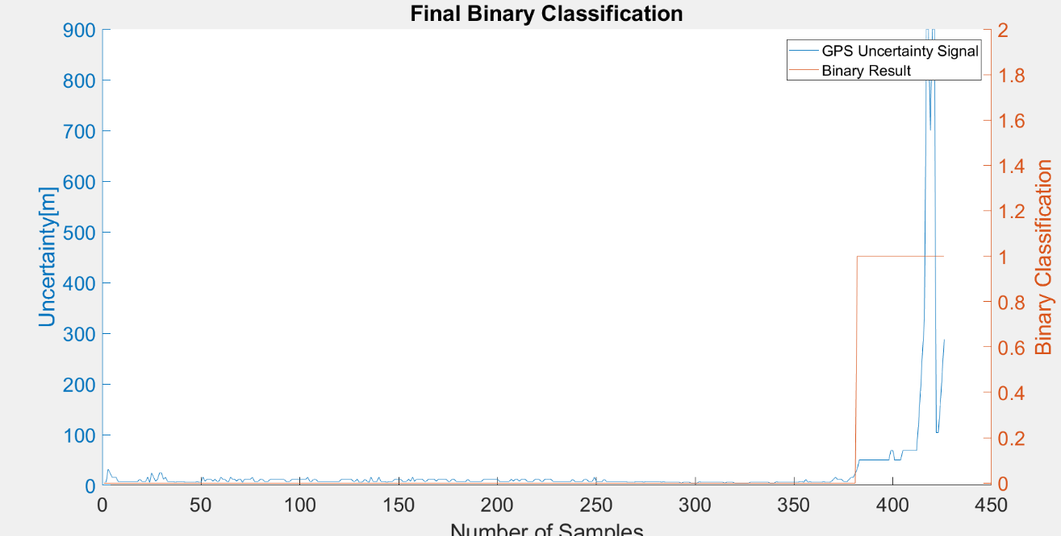
8 | 0 |  | SUM |  | 44 | 382
8 | 0
8 | 0 |  |  |  | sum | 426
8 | 0
8 | 0 |  | TP or (Recall) | 0.84615384615
8 | 0 |  | TN | 1 |  |  |  | Ground Truth
8 | 0 |  | Precision | 1 |  |  |  | 374
12 | 0 |  | Accuracy | 0.98122065728
8 | 0 |  | F Score | 0.91666666667
8 | 0
8 | 0
16 | 0 |  | Ground truth: | large edges of GPS or light signal at entrances
6 | 0
24 | 0
16 | 0
8 | 0
12 | 0
24 | 0
24 | 0
12 | 0
16 | 0
8 | 0
8 | 0
8 | 0
8 | 0
6 | 0
8 | 0
8 | 0
8 | 0
8 | 0
6 | 0
6 | 0
6 | 0
6 | 0
6 | 0
6 | 0
8 | 0
6 | 0
6 | 0
16 | 0
8 | 0
12 | 0
12 | 0
12 | 0
8 | 0
12 | 0
8 | 0
8 | 0 |  |  |  |  |  |  |  |  |  | 279
16 | 0
12 | 0
12 | 0
8 | 0
8 | 0
16 | 0
12 | 0
12 | 0
8 | 0
12 | 0
12 | 0
6 | 0
12 | 0
12 | 0
12 | 0
12 | 0
16 | 0
8 | 0
8 | 0
8 | 0
12 | 0
12 | 0
8 | 0
8 | 0
8 | 0
12 | 0
12 | 0
12 | 0
12 | 0
12 | 0
12 | 0
12 | 0
12 | 0
8 | 0
8 | 0
8 | 0
12 | 0
12 | 0
12 | 0
12 | 0
12 | 0
12 | 0
12 | 0
12 | 0
16 | 0
8 | 0
8 | 0
12 | 0
12 | 0
8 | 0
8 | 0
8 | 0
8 | 0
8 | 0
8 | 0
8 | 0
8 | 0
8 | 0
8 | 0
8 | 0
8 | 0
12 | 0
12 | 0
12 | 0
12 | 0
12 | 0
12 | 0
8 | 0
8 | 0
12 | 0
6 | 0
6 | 0
8 | 0
12 | 0
8 | 0
6 | 0
16 | 0
8 | 0
8 | 0
8 | 0
16 | 0
8 | 0
8 | 0
8 | 0
6 | 0
8 | 0
8 | 0
8 | 0
12 | 0
12 | 0
12 | 0
12 | 0
8 | 0
8 | 0
8 | 0
12 | 0
8 | 0
16 | 0
8 | 0
12 | 0
12 | 0
12 | 0
12 | 0
8 | 0
8 | 0
12 | 0
12 | 0
12 | 0
12 | 0
8 | 0
12 | 0
12 | 0
12 | 0
12 | 0
12 | 0
8 | 0
8 | 0
12 | 0
12 | 0
8 | 0
8 | 0
8 | 0
8 | 0
8 | 0
8 | 0
12 | 0
8 | 0
8 | 0
8 | 0
8 | 0
8 | 0
8 | 0
8 | 0
12 | 0
12 | 0
12 | 0
12 | 0
12 | 0
12 | 0
12 | 0
12 | 0
8 | 0
8 | 0
8 | 0
8 | 0
8 | 0
8 | 0
12 | 0
8 | 0
12 | 0
12 | 0
8 | 0
12 | 0
12 | 0
12 | 0
8 | 0
8 | 0
8 | 0
8 | 0
12 | 0
12 | 0
12 | 0
8 | 0
8 | 0
12 | 0
12 | 0
12 | 0
12 | 0
8 | 0
8 | 0
8 | 0
8 | 0
8 | 0
8 | 0
8 | 0
8 | 0
8 | 0
8 | 0
12 | 0
8 | 0
8 | 0
8 | 0
8 | 0
8 | 0
12 | 0
12 | 0
8 | 0
8 | 0
8 | 0
16 | 0
8 | 0
8 | 0
8 | 0
8 | 0
12 | 0
8 | 0
8 | 0
8 | 0
8 | 0
8 | 0
8 | 0
8 | 0
8 | 0
8 | 0
8 | 0
8 | 0
6 | 0
6 | 0
6 | 0
6 | 0
8 | 0
8 | 0
8 | 0
8 | 0
6 | 0
8 | 0
8 | 0
8 | 0
8 | 0
8 | 0
8 | 0
8 | 0
8 | 0
6 | 0
8 | 0
6 | 0
6 | 0
6 | 0
6 | 0
6 | 0
6 | 0
6 | 0
6 | 0
4 | 0
6 | 0
6 | 0
6 | 0
6 | 0
4 | 0
4 | 0
4 | 0
4 | 0
8 | 0
6 | 0
6 | 0
6 | 0
6 | 0
6 | 0
6 | 0
6 | 0
6 | 0
6 | 0
6 | 0
6 | 0
6 | 0
4 | 0
6 | 0
6 | 0
6 | 0
6 | 0
4 | 0
4 | 0
4 | 0
4 | 0
4 | 0
4 | 0
4 | 0
4 | 0
6 | 0
6 | 0
6 | 0
6 | 0
6 | 0
6 | 0
6 | 0
6 | 0
6 | 0
6 | 0
4 | 0
4 | 0
4 | 0
8 | 0
6 | 0
6 | 0
6 | 0
6 | 0
6 | 0
6 | 0
6 | 0
6 | 0
6 | 0
6 | 0
6 | 0
8 | 0
8 | 0
6 | 0
12 | 0
6 | 0
8 | 0
6 | 0
6 | 0
6 | 0
6 | 0
6 | 0
6 | 0
8 | 0
6 | 0
6 | 0
6 | 0
8 | 0
12 | 0
16 | 0
12 | 0
12 | 0
12 | 0
8 | 0
8 | 0
8 | 0
12 | 0
16 | 0
16 | 0
24 | 0
32 | 1
50 | 1
50 | 1
50 | 1
50 | 1
50 | 1
50 | 1
50 | 1
50 | 1
50 | 1
50 | 1
50 | 1
50 | 1
50 | 1
50 | 1
50 | 1
50 | 1
68.400001526 | 1
68.400001526 | 1
50 | 1
50 | 1
50 | 1
50 | 1
68.400001526 | 1
68.400001526 | 1
68.400001526 | 1
68.400001526 | 1
68.400001526 | 1
68.400001526 | 1
68.400001526 | 1
68.400001526 | 1
120.77600098 | 1
186.44000244 | 1
262.54199219 | 1
327.80200195 | 1
899.99902344 | 1
899.99902344 | 1
699.99902344 | 1
899.99902344 | 1
899.99902344 | 1
104.09999847 | 1
104.09999847 | 1
157.81500244 | 1
222.98399353 | 1
288.38800049 | 1

