GPS1
RAW GPS | B6 | Cafe_1Geolocation.csv |  | 0 | 1 |  | GPS Eval. | Building name: | Cafeteria TUM
7 | 0 |  |  | outdoor | indoor
7 | 0
12 | 0
16 | 0 |  | Raw | Magnetic
8 | 0 |  | flags | Binary classification result
16 | 0
48 | 0
12 | 0 |  | n= 580 |  | indoor | outdoor | SUM
12 | 0 |  |  |  | T | F
12 | 0 |  | indoor | T | 0 | 100 | 100 | sum | 580
12 | 0 |  | outdoor | F | 0 | 480 | 480
8 | 0 |  | SUM |  | 0 | 580
8 | 0
8 | 0 |  |  |  | sum | 580
8 | 0
6 | 0 |  | TP or (Recall) | 0
6 | 0 |  | TN | 1
6 | 0 |  | Precision | #DIV/0!
6 | 0 |  | Accuracy | 0.8275862069
4 | 0 |  | F Score | #DIV/0!
4 | 0
4 | 0
4 | 0 |  | Ground truth: | large edges of GPS or light signal at entrances
6 | 0
6 | 0
6 | 0
6 | 0
6 | 0
6 | 0
6 | 0
6 | 0
8 | 0
8 | 0
6 | 0
6 | 0
6 | 0
6 | 0
6 | 0
4 | 0
4 | 0
4 | 0
4 | 0
4 | 0
4 | 0
4 | 0
4 | 0
4 | 0
4 | 0
4 | 0
4 | 0
4 | 0
4 | 0
4 | 0
4 | 0
4 | 0
4 | 0
4 | 0
4 | 0
4 | 0 |  |  |  |  |  |  |  |  | 262 | 362
4 | 0
4 | 0
4 | 0
4 | 0
4 | 0
4 | 0
4 | 0
4 | 0
4 | 0
4 | 0
4 | 0
4 | 0
4 | 0
4 | 0
4 | 0
4 | 0
4 | 0
4 | 0
4 | 0
4 | 0
4 | 0
4 | 0
4 | 0
6 | 0
6 | 0
6 | 0
6 | 0
6 | 0
6 | 0
6 | 0
6 | 0
6 | 0
6 | 0
6 | 0
6 | 0
6 | 0
6 | 0
6 | 0
6 | 0
6 | 0
6 | 0
6 | 0
6 | 0
6 | 0
6 | 0
6 | 0
6 | 0
6 | 0
6 | 0
6 | 0
6 | 0
6 | 0
6 | 0
6 | 0
6 | 0
6 | 0
6 | 0
6 | 0
6 | 0
6 | 0
6 | 0
6 | 0
6 | 0
6 | 0
6 | 0
6 | 0
6 | 0
6 | 0
6 | 0
6 | 0
6 | 0
6 | 0
6 | 0
6 | 0
6 | 0
6 | 0
6 | 0
6 | 0
6 | 0
6 | 0
6 | 0
6 | 0
6 | 0
8 | 0
8 | 0
6 | 0
6 | 0
6 | 0
6 | 0
6 | 0
6 | 0
6 | 0
6 | 0
6 | 0
6 | 0
6 | 0
6 | 0
6 | 0
6 | 0
6 | 0
6 | 0
6 | 0
6 | 0
6 | 0
6 | 0
6 | 0
6 | 0
6 | 0
6 | 0
6 | 0
6 | 0
6 | 0
6 | 0
6 | 0
6 | 0
6 | 0
6 | 0
6 | 0
6 | 0
6 | 0
6 | 0
6 | 0
6 | 0
6 | 0
6 | 0
8 | 0
8 | 0
8 | 0
8 | 0
8 | 0
8 | 0
8 | 0
6 | 0
6 | 0
6 | 0
6 | 0
6 | 0
6 | 0
6 | 0
6 | 0
6 | 0
6 | 0
6 | 0
6 | 0
4 | 0
4 | 0
4 | 0
4 | 0
4 | 0
4 | 0
4 | 0
4 | 0
4 | 0
4 | 0
4 | 0
4 | 0
4 | 0
4 | 0
4 | 0
4.8759999275 | 0
4 | 0
4 | 0
4 | 0
4 | 0
4 | 0
4 | 0
4 | 0
4 | 0
4 | 0
4 | 0
4 | 0
4 | 0
4 | 0
4 | 0
4 | 0
4 | 0
4 | 0
4 | 0
4 | 0
6 | 0
6 | 0
8 | 0
8 | 0
8 | 0
8 | 0
6 | 0
6 | 0
6 | 0
6 | 0
6.5069999695 | 0
6 | 0
6 | 0
6 | 0
6 | 0
4 | 0
4 | 0
4 | 0
4 | 0
6 | 0
6 | 0
6 | 0
20.447999954 | 0
15.887000084 | 0
14.569999695 | 0
14.727999687 | 0
14.663000107 | 0
14.475000381 | 0
14.703000069 | 0
14.484000206 | 0
14.562000275 | 0
14.451000214 | 0
15.199000359 | 0
14.194999695 | 0
14.375 | 0
14.199999809 | 0
13.92800045 | 0
14.088999748 | 0
14.220000267 | 0
14.371999741 | 0
14.916000366 | 0
14.717000008 | 0
14.43599987 | 0
14.56000042 | 0
14.067000389 | 0
13.065999985 | 0
10.960000038 | 0
24 | 0
16 | 0
12 | 0
12 | 0
8 | 0
8 | 0
8 | 0
8 | 0
8 | 0
8 | 0
8 | 0
8 | 0
6 | 0
6 | 0
6 | 0
6 | 0
4 | 0
4 | 0
4 | 0
4 | 0
4 | 0
4 | 0
4 | 0
4 | 0
4 | 0
6 | 0
6 | 0
6 | 0
6 | 0
6 | 0
6 | 0
6 | 0
6 | 0
6 | 0
6 | 0
6 | 0
6 | 0
4 | 0
4 | 0
4 | 0
4 | 0
4 | 0
4 | 0
4 | 0
4 | 0
4 | 0
4 | 0
4 | 0
4 | 0
4 | 0
4 | 0
4 | 0
4 | 0
4 | 0
4 | 0
4 | 0
4 | 0
4 | 0
4 | 0
4 | 0
4 | 0
4 | 0
4 | 0
4 | 0
4 | 0
4 | 0
4 | 0
4 | 0
4 | 0
4 | 0
4 | 0
4 | 0
4 | 0
4 | 0
4 | 0
4 | 0
4 | 0
4 | 0
4 | 0
4 | 0
4 | 0
4 | 0
4 | 0
4 | 0
4 | 0
4 | 0
4 | 0
4 | 0
4 | 0
4 | 0
4 | 0
4 | 0
4 | 0
4 | 0
4 | 0
4 | 0
4 | 0
4 | 0
4 | 0
4 | 0
4 | 0
4 | 0
4 | 0
4 | 0
4 | 0
4 | 0
4 | 0
4 | 0
4 | 0
4 | 0
4 | 0
4 | 0
4 | 0
4 | 0
4 | 0
4 | 0
4 | 0
4 | 0
4 | 0
4 | 0
4 | 0
4 | 0
4 | 0
4 | 0
4 | 0
4 | 0
4 | 0
4 | 0
4 | 0
6 | 0
6 | 0
6 | 0
6 | 0
6 | 0
6 | 0
6 | 0
6 | 0
6 | 0
6 | 0
6 | 0
6 | 0
6 | 0
6 | 0
6 | 0
6 | 0
6 | 0
6 | 0
6 | 0
6 | 0
6 | 0
6 | 0
6 | 0
6 | 0
8 | 0
8 | 0
8 | 0
8 | 0
8 | 0
8 | 0
8 | 0
8 | 0
8 | 0
8 | 0
8 | 0
6 | 0
6 | 0
6 | 0
6 | 0
6 | 0
6 | 0
6 | 0
6 | 0
6 | 0
6 | 0
6 | 0
6 | 0
6.9759998322 | 0
6 | 0
6 | 0
6 | 0
6 | 0
6 | 0
6 | 0
6 | 0
6 | 0
6 | 0
6 | 0
6 | 0
6 | 0
6 | 0
6 | 0
6 | 0
6 | 0
6 | 0
6 | 0
6 | 0
6 | 0
4 | 0
4 | 0
4 | 0
4 | 0
6 | 0
6 | 0
6 | 0
6 | 0
4 | 0
4 | 0
4 | 0
4 | 0
4 | 0
4 | 0
4 | 0
4 | 0
6 | 0
6 | 0
6 | 0
6 | 0
6 | 0
6 | 0
6 | 0
6 | 0
6 | 0
6 | 0
6 | 0
6 | 0
6 | 0
6 | 0
6 | 0
6 | 0
6 | 0
6 | 0
6 | 0
6 | 0
6 | 0
6 | 0
6 | 0
6 | 0
6 | 0
6 | 0
6 | 0
6 | 0
6 | 0
6 | 0
6 | 0
6 | 0
6 | 0
6 | 0
6 | 0
6 | 0
6 | 0
6 | 0
6 | 0
6 | 0
6 | 0
6.3379998207 | 0
6 | 0
6 | 0
6 | 0
6 | 0
6 | 0
6 | 0
6 | 0
6 | 0
6 | 0
6 | 0
6 | 0
6 | 0
6 | 0
6 | 0
6 | 0
6 | 0
6 | 0
6 | 0
6 | 0
6 | 0
6 | 0
6 | 0
6 | 0
6 | 0
6 | 0
6 | 0
6 | 0
6 | 0
6 | 0
6 | 0
6 | 0
6 | 0
6 | 0
6 | 0
6 | 0
6 | 0
6.8319997787 | 0
6 | 0
6 | 0
6 | 0

GPS2
RAW GPS | B6 | Cafe_2Geolocation.csv |  | 0 | 1 |  | GPS Eval. | Building name: | Cafeteria TUM
7 | 0 |  |  | outdoor | indoor
7 | 0
4 | 0
4 | 0 |  | Raw | Magnetic
4 | 0 |  | flags | Binary classification result
4 | 0
4 | 0
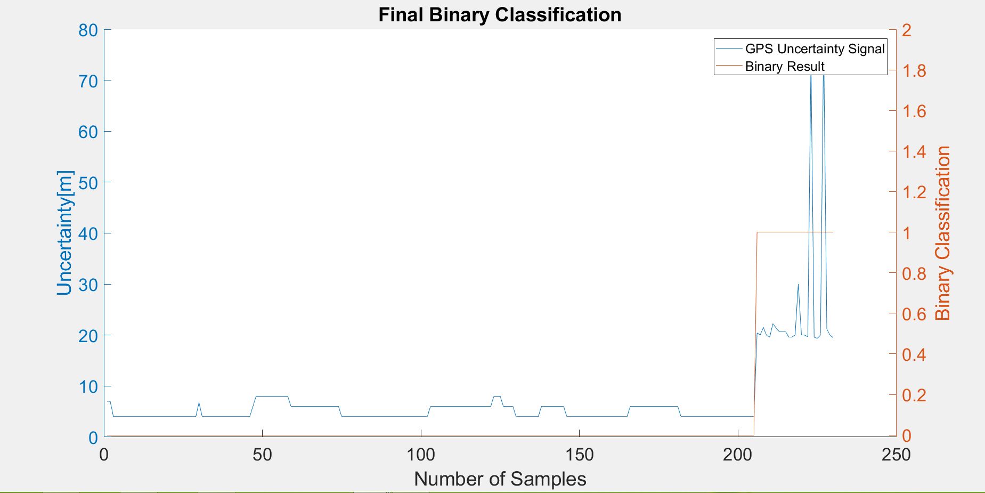
4 | 0 |  | n= 230 |  | indoor | outdoor | SUM
4 | 0 |  |  |  | T | F
4 | 0 |  | indoor | T | 25 | 0 | 25 | sum | 230
4 | 0 |  | outdoor | F | 0 | 205 | 205
4 | 0 |  | SUM |  | 25 | 205
4 | 0 |  |  |  |  |  |  | Ground truth
4 | 0 |  |  |  | sum | 230 |  | 205
4 | 0
4 | 0 |  | TP or (Recall) | 1
4 | 0 |  | TN | 1
4 | 0 |  | Precision | 1
4 | 0 |  | Accuracy | 1
4 | 0 |  | F Score | 1
4 | 0
4 | 0
4 | 0 |  | Ground truth: | large edges of GPS or light signal at entrances
4 | 0
4 | 0
4 | 0
4 | 0
4 | 0
4 | 0
6.7630000114 | 0
4 | 0
4 | 0
4 | 0
4 | 0
4 | 0
4 | 0
4 | 0
4 | 0
4 | 0
4 | 0
4 | 0
4 | 0
4 | 0
4 | 0
4 | 0
4 | 0
6 | 0
8 | 0
8 | 0
8 | 0
8 | 0
8 | 0
8 | 0
8 | 0
8 | 0
8 | 0
8 | 0
8 | 0
6 | 0
6 | 0
6 | 0
6 | 0
6 | 0
6 | 0
6 | 0
6 | 0
6 | 0
6 | 0
6 | 0
6 | 0
6 | 0
6 | 0
6 | 0
6 | 0
4 | 0
4 | 0
4 | 0
4 | 0
4 | 0
4 | 0
4 | 0
4 | 0
4 | 0
4 | 0
4 | 0
4 | 0
4 | 0
4 | 0
4 | 0
4 | 0
4 | 0
4 | 0
4 | 0
4 | 0
4 | 0
4 | 0
4 | 0
4 | 0
4 | 0
4 | 0
4 | 0
4 | 0
6 | 0
6 | 0
6 | 0
6 | 0
6 | 0
6 | 0
6 | 0
6 | 0
6 | 0
6 | 0
6 | 0
6 | 0
6 | 0
6 | 0
6 | 0
6 | 0
6 | 0
6 | 0
6 | 0
6 | 0
8 | 0
8 | 0
8 | 0
6 | 0
6 | 0
6 | 0
6 | 0
4 | 0
4 | 0
4 | 0
4 | 0
4 | 0
4 | 0
4 | 0
4 | 0
6 | 0
6 | 0
6 | 0
6 | 0
6 | 0
6 | 0
6 | 0
6 | 0
4 | 0
4 | 0
4 | 0
4 | 0
4 | 0
4 | 0
4 | 0
4 | 0
4 | 0
4 | 0
4 | 0
4 | 0
4 | 0
4 | 0
4 | 0
4 | 0
4 | 0
4 | 0
4 | 0
4 | 0
6 | 0
6 | 0
6 | 0
6 | 0
6 | 0
6 | 0
6 | 0
6 | 0
6 | 0
6 | 0
6 | 0
6 | 0
6 | 0
6 | 0
6 | 0
6 | 0
4 | 0
4 | 0
4 | 0
4 | 0
4 | 0
4 | 0
4 | 0
4 | 0
4 | 0
4 | 0
4 | 0
4 | 0
4 | 0
4 | 0
4 | 0
4 | 0
4 | 0
4 | 0
4 | 0
4 | 0
4 | 0
4 | 0
4 | 0
4 | 0
20.431999207 | 1
20.020999908 | 1
21.51199913 | 1
19.929000854 | 1
19.631999969 | 1
22.25 | 1
21.402999878 | 1
20.663000107 | 1
20.672000885 | 1
20.670999527 | 1
19.629999161 | 1
19.628000259 | 1
20.006999969 | 1
30 | 1
20 | 1
20 | 1
19.677000046 | 1
74.095001221 | 1
19.582000732 | 1
19.37899971 | 1
19.98800087 | 1
77.599998474 | 1
21.201000214 | 1
19.98500061 | 1
19.496999741 | 1

GPS3
RAW GPS | B6 | Cafe_3Geolocation.csv |  | 0 | 1 |  | GPS Eval. | Building name: | Cafeteria TUM
7 | 0 |  |  | outdoor | indoor
7 | 0
12 | 0
12 | 0 |  | Raw | Magnetic
12 | 0 |  | flags | Binary classification result
6 | 0
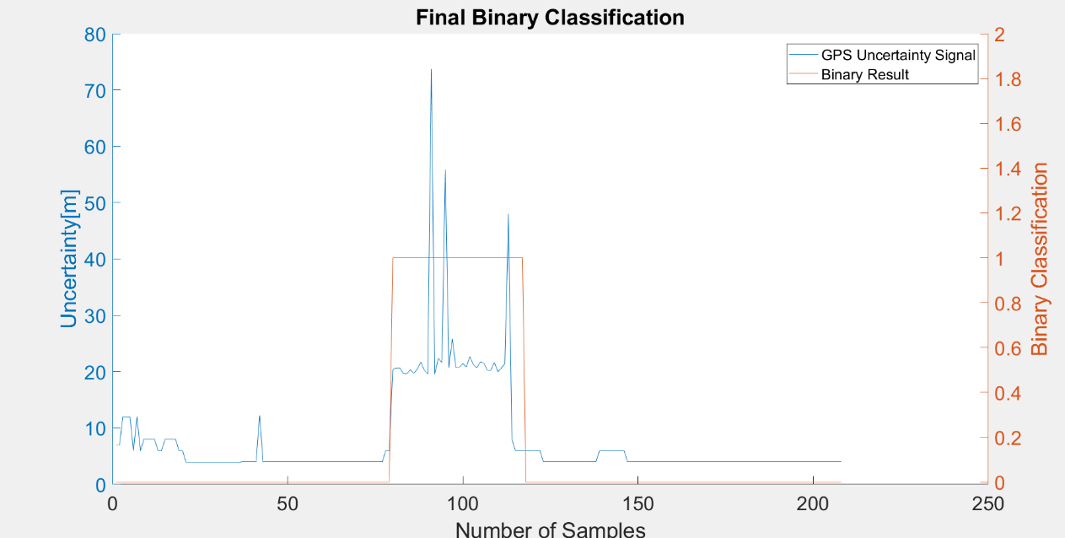
12 | 0
6 | 0 |  | n= 208 |  | indoor | outdoor | SUM
8 | 0 |  |  |  | T | F
8 | 0 |  | indoor | T | 37 | 9 | 46 | sum | 208
8 | 0 |  | outdoor | F | 0 | 162 | 162
8 | 0 |  | SUM |  | 37 | 171
6 | 0 |  |  |  |  |  |  | Ground Truth
6 | 0 |  |  |  | sum | 208 |  | 77 | 123
8 | 0
8 | 0 |  | TP or (Recall) | 0.80434782609
8 | 0 |  | TN | 1
8 | 0 |  | Precision | 1
6 | 0 |  | Accuracy | 0.95673076923
6 | 0 |  | F Score | 0.89156626506
3.9000000954 | 0
3.9000000954 | 0
3.9000000954 | 0 |  | Ground truth: | large edges of GPS or light signal at entrances
3.9000000954 | 0
3.9000000954 | 0
3.9000000954 | 0
3.9000000954 | 0
3.9000000954 | 0
3.9000000954 | 0
3.9000000954 | 0
3.9000000954 | 0
3.9000000954 | 0
3.9000000954 | 0
3.9000000954 | 0
3.9000000954 | 0
3.9000000954 | 0
4 | 0
4 | 0
4 | 0
4 | 0
4 | 0
12.253000259 | 0
4 | 0
4 | 0
4 | 0
4 | 0
4 | 0
4 | 0
4 | 0
4 | 0
4 | 0
4 | 0
4 | 0
4 | 0
4 | 0
4 | 0
4 | 0
4 | 0
4 | 0 |  |  |  |  |  |  |  |  | 80 | 151
4 | 0
4 | 0
4 | 0
4 | 0
4 | 0
4 | 0
4 | 0
4 | 0
4 | 0
4 | 0
4 | 0
4 | 0
4 | 0
4 | 0
4 | 0
4 | 0
4 | 0
4 | 0
6 | 0
6 | 0
20.326999664 | 1
20.674999237 | 1
20.662000656 | 1
19.697000504 | 1
19.62899971 | 1
20.333999634 | 1
19.729000092 | 1
20.447999954 | 1
21.697999954 | 1
20.267000198 | 1
19.624000549 | 1
73.70400238 | 1
19.649000168 | 1
22.36000061 | 1
21.648000717 | 1
55.798000336 | 1
20.767999649 | 1
25.75399971 | 1
20.790000916 | 1
20.792999268 | 1
21.429000854 | 1
20.833000183 | 1
22.674999237 | 1
21.247999191 | 1
20.687000275 | 1
21.777000427 | 1
21.49600029 | 1
20.267999649 | 1
20.259000778 | 1
21.638999939 | 1
19.993000031 | 1
20.663000107 | 1
21.441999435 | 1
48 | 1
8 | 1
6 | 1
6 | 1
6 | 1
6 | 0
6 | 0
6 | 0
6 | 0
6 | 0
4 | 0
4 | 0
4 | 0
4 | 0
4 | 0
4 | 0
4 | 0
4 | 0
4 | 0
4 | 0
4 | 0
4 | 0
4 | 0
4 | 0
4 | 0
4 | 0
6 | 0
6 | 0
6 | 0
6 | 0
6 | 0
6 | 0
6 | 0
6 | 0
4 | 0
4 | 0
4 | 0
4 | 0
4 | 0
4 | 0
4 | 0
4 | 0
4 | 0
4 | 0
4 | 0
4 | 0
4 | 0
4 | 0
4 | 0
4 | 0
4 | 0
4 | 0
4 | 0
4 | 0
4 | 0
4 | 0
4 | 0
4 | 0
4 | 0
4 | 0
4 | 0
4 | 0
4 | 0
4 | 0
4 | 0
4 | 0
4 | 0
4 | 0
4 | 0
4 | 0
4 | 0
4 | 0
4 | 0
4 | 0
4 | 0
4 | 0
4 | 0
4 | 0
4 | 0
4 | 0
4 | 0
4 | 0
4 | 0
4 | 0
4 | 0
4 | 0
4 | 0
4 | 0
4 | 0
4 | 0
4 | 0
4 | 0
4 | 0
4 | 0
4 | 0
4 | 0

GPS4
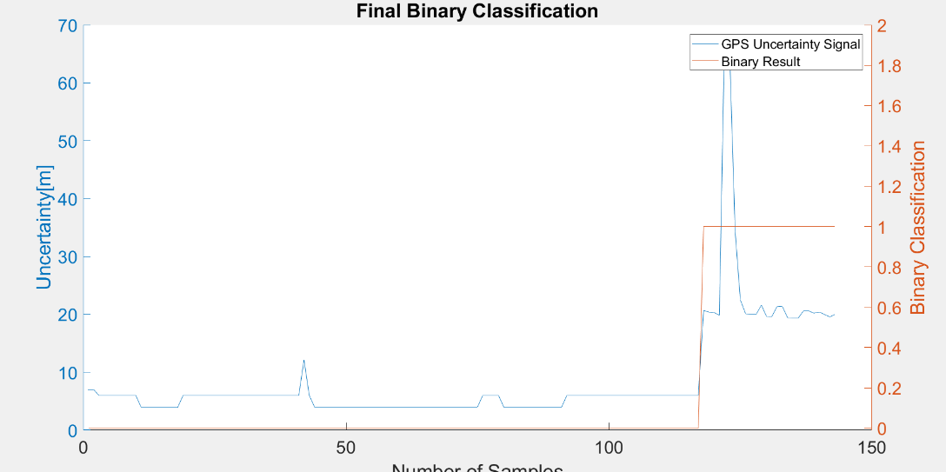
RAW GPS | B6 | Cafe_4Geolocation.csv |  | 0 | 1 |  | GPS Eval. | Building name: | Cafeteria TUM
7 | 0 |  |  | outdoor | indoor
7 | 0
6 | 0
6 | 0 |  | Raw | Magnetic
6 | 0 |  | flags | Binary classification result
6 | 0
6 | 0
6 | 0 |  | n= 143 |  | indoor | outdoor | SUM
6 | 0 |  |  |  | T | F
6 | 0 |  | indoor | T | 26 | 0 | 26 | sum | 143
4 | 0 |  | outdoor | F | 0 | 117 | 117
4 | 0 |  | SUM |  | 26 | 117
4 | 0
4 | 0 |  |  |  | sum | 143
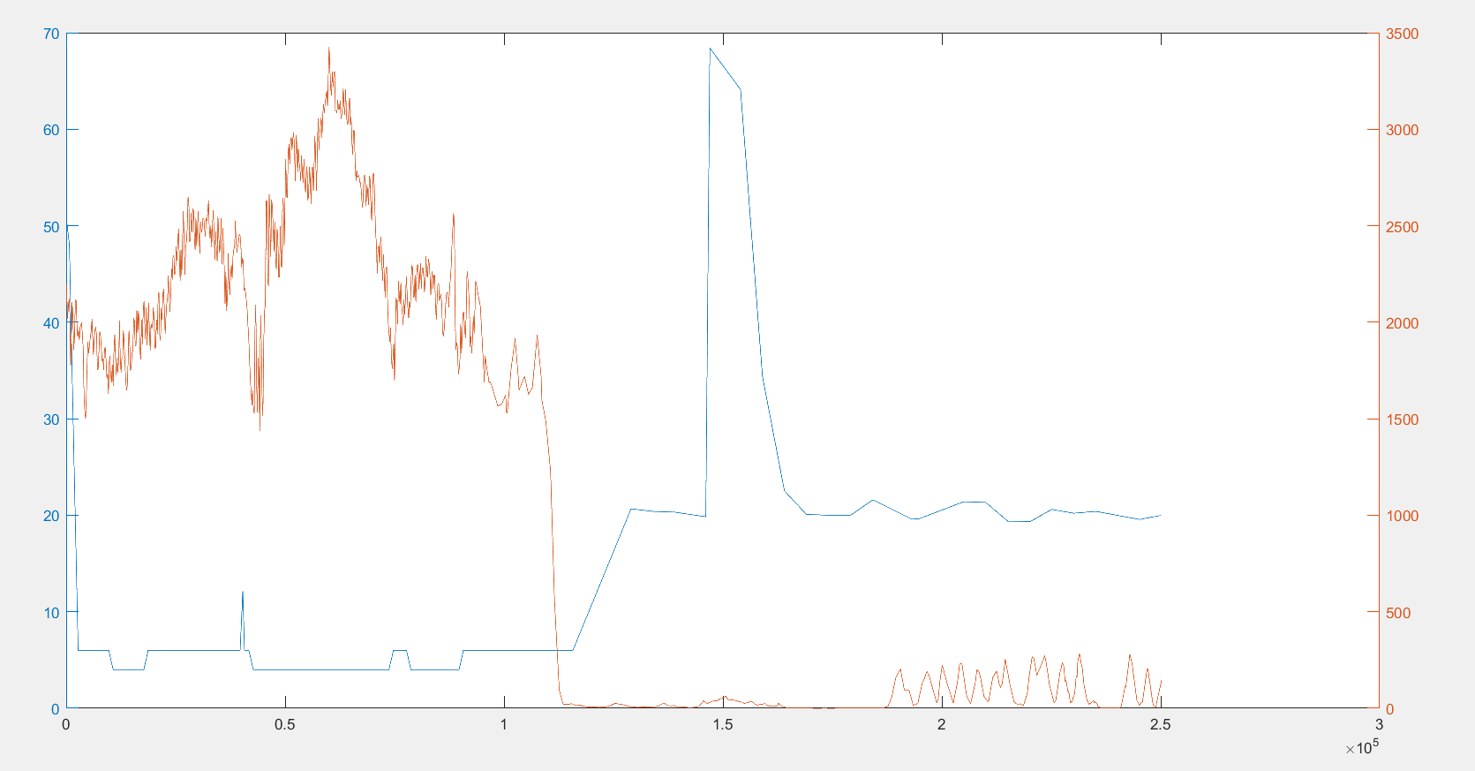
4 | 0
4 | 0 |  | TP or (Recall) | 1
4 | 0 |  | TN | 1
4 | 0 |  | Precision | 1
6 | 0 |  | Accuracy | 1
6 | 0 |  | F Score | 1
6 | 0
6 | 0
6 | 0 |  | Ground truth: | large edges of GPS or light signal at entrances
6 | 0
6 | 0
6 | 0 |  |  |  |  |  |  | Ground truth
6 | 0 |  |  |  |  |  |  | 117
6 | 0
6 | 0
6 | 0
6 | 0
6 | 0
6 | 0
6 | 0
6 | 0
6 | 0
6 | 0
6 | 0
6 | 0
6 | 0
6 | 0
12.130999565 | 0
6 | 0
4 | 0
4 | 0
4 | 0
4 | 0
4 | 0
4 | 0
4 | 0
4 | 0
4 | 0
4 | 0
4 | 0
4 | 0
4 | 0
4 | 0
4 | 0
4 | 0 |  |  |  |  |  |  |  |  | 108
4 | 0
4 | 0
4 | 0
4 | 0
4 | 0
4 | 0
4 | 0
4 | 0
4 | 0
4 | 0
4 | 0
4 | 0
4 | 0
4 | 0
4 | 0
4 | 0
6 | 0
6 | 0
6 | 0
6 | 0
4 | 0
4 | 0
4 | 0
4 | 0
4 | 0
4 | 0
4 | 0
4 | 0
4 | 0
4 | 0
4 | 0
4 | 0
6 | 0
6 | 0
6 | 0
6 | 0
6 | 0
6 | 0
6 | 0
6 | 0
6 | 0
6 | 0
6 | 0
6 | 0
6 | 0
6 | 0
6 | 0
6 | 0
6 | 0
6 | 0
6 | 0
6 | 0
6 | 0
6 | 0
6 | 0
6 | 0
6 | 0
6 | 0
20.666000366 | 1
20.405000687 | 1
20.316999435 | 1
19.849000931 | 1
68.400001526 | 1
64.099998474 | 1
34.400001526 | 1
22.5 | 1
20.100000381 | 1
20 | 1
20 | 1
21.600000381 | 1
19.591999054 | 1
19.6439991 | 1
21.403999329 | 1
21.333000183 | 1
19.392000198 | 1
19.350000381 | 1
19.350000381 | 1
20.600000381 | 1
20.600000381 | 1
20.207000732 | 1
20.402999878 | 1
19.98500061 | 1
19.562000275 | 1
20 | 1

