FUSION1
Binary Classification | Café |  | 0 | 1 |  | Fusion Eval. |  | Building name: | Cafeteria_TUM
 |  |  | outdoor | indoor

 |  | Note: We interpolated all the datasets over data collection time interval, then fused them
 |  |  |  |  |  |  |  |  |  | Fusion Result: Light edges as ground truth

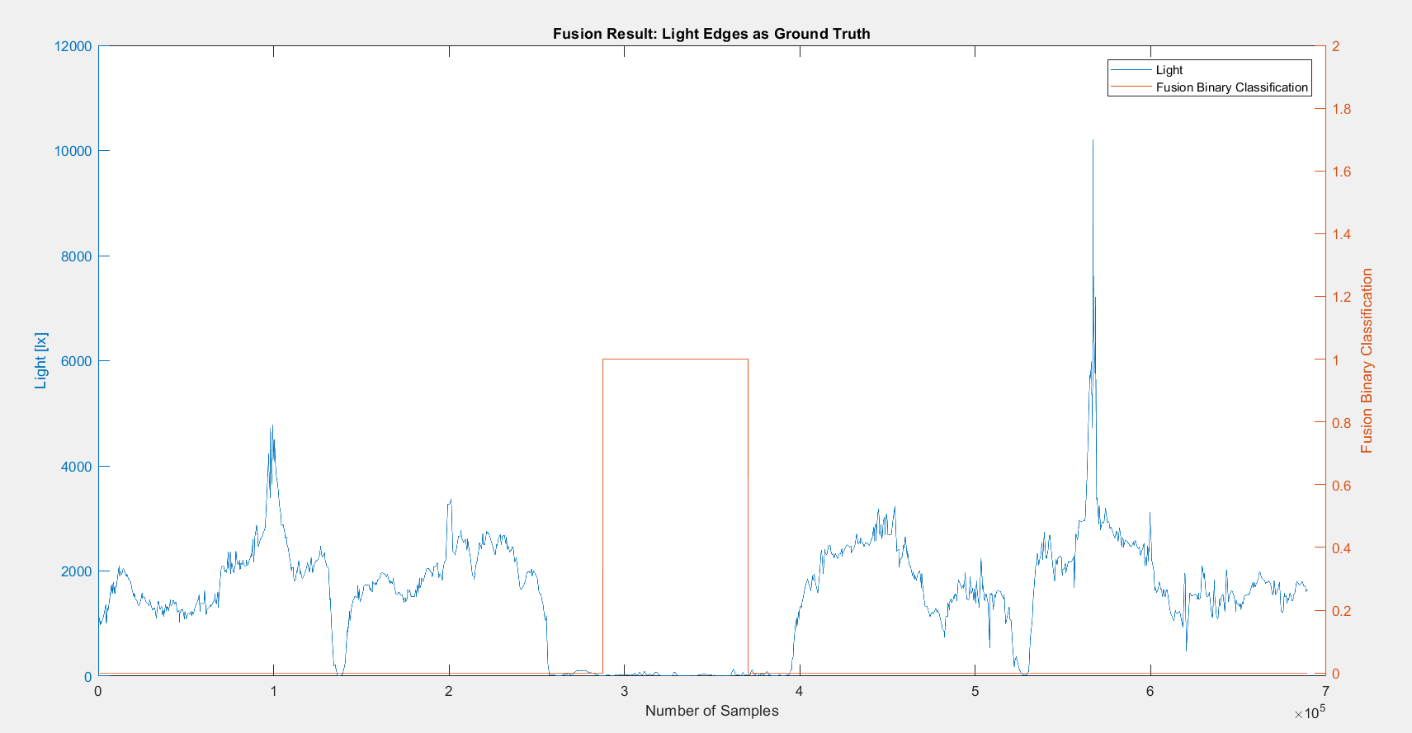
 |  | n= 689239 |  | indoor | outdoor | SUM
 |  |  |  | T | F
 |  | indoor | T | 82786 | 53399 | 136185 |  | sum | 689239
 |  | outdoor | F | 0 | 553054 | 553054
 |  | SUM |  | 82786 | 606453

 |  |  |  | sum | 689239

 |  | TP or (Recall) | 0.60789367405
 |  | TN | 1
 |  | Precision | 1 |  |  |  | Ground Truth
 |  | Accuracy | 0.92252469753 |  |  |  | 257520 | 393705
 |  | F Score | 0.75613665737

 |  | Ground truth: | large edges of light or gps at entrances.

FUSION2
Binary Classification | Café |  | 0 | 1 |  | Fusion Eval. |  | Building name: | Cafeteria_TUM
 |  |  | outdoor | indoor

 |  | Note: We interpolated all the datasets over data collection time interval, then fused them
 |  |  |  |  |  |  |  |  |  | Fusion Result: Light edges as ground truth

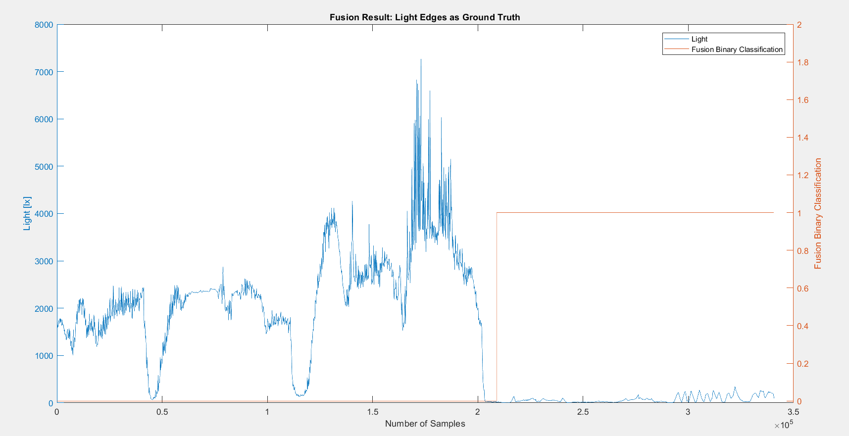
 |  | n=340803 |  | indoor | outdoor | SUM
 |  |  |  | T | F
 |  | indoor | T | 131920 | 0 | 131920 |  | sum | 340803
 |  | outdoor | F | 0 | 208883 | 208883
 |  | SUM |  | 131920 | 208883

 |  |  |  | sum | 340803

 |  | TP or (Recall) | 1
 |  | TN | 1
 |  | Precision | 1 |  |  |  | Ground Truth
 |  | Accuracy | 1 |  |  |  | 208883
 |  | F Score | 1

 |  | Ground truth: | large edges of light or gps at entrances.

FUSION3
Binary Classification | Café |  | 0 | 1 |  | Fusion Eval. |  | Building name: | Cafeteria_TUM
 |  |  | outdoor | indoor

 |  | Note: We interpolated all the datasets over data collection time interval, then fused them
 |  |  |  |  |  |  |  |  |  | Fusion Result: Light edges as ground truth

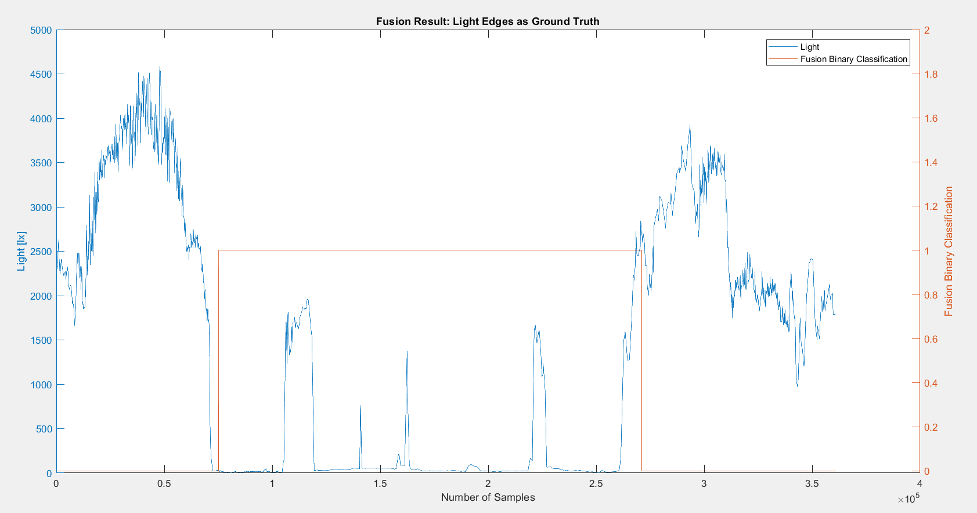

 |  | n=361160 |  | indoor | outdoor | SUM
 |  |  |  | T | F
 |  | indoor | T | 185655 | 0 | 185655 |  | sum | 361160
 |  | outdoor | F | 10267 | 165238 | 175505
 |  | SUM |  | 195922 | 165238

 |  |  |  | sum | 361160

 |  | TP or (Recall) | 1
 |  | TN | 0.94150024216
 |  | Precision | 0.94759649248 |  |  |  | Ground Truth
 |  | Accuracy | 0.97157215638 |  |  |  | 75189 | 260844
 |  | F Score | 0.97309324199

 |  | Ground truth: | large edges of light or gps at entrances.

FUSION4
Binary Classification | Café |  | 0 | 1 |  | Fusion Eval. |  | Building name: | Cafeteria_TUM
 |  |  | outdoor | indoor

 |  | Note: We interpolated all the datasets over data collection time interval, then fused them
 |  |  |  |  |  |  |  |  |  | Fusion Result: GPS edges as ground truth since light was from night and not reliable

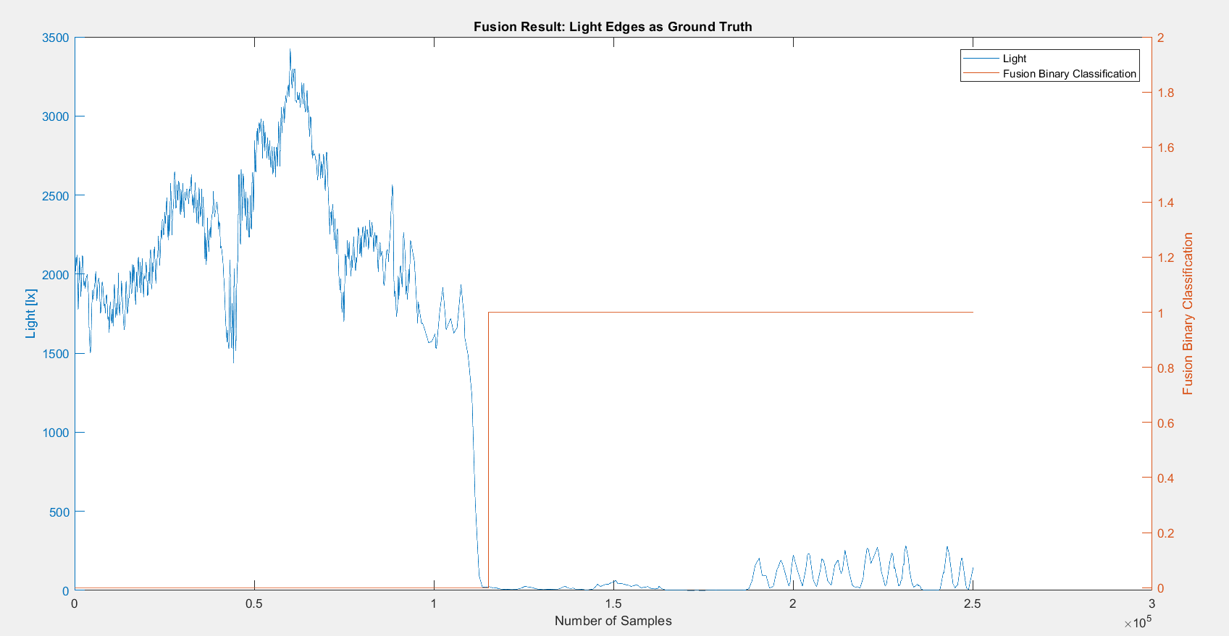
 |  | n=250187 |  | indoor | outdoor | SUM
 |  |  |  | T | F
 |  | indoor | T | 134963 | 0 | 134963 |  | sum | 250187
 |  | outdoor | F | 0 | 115224 | 115224
 |  | SUM |  | 134963 | 115224

 |  |  |  | sum | 250187

 |  | TP or (Recall) | 1
 |  | TN | 1
 |  | Precision | 1 |  |  |  | Ground Truth
 |  | Accuracy | 1 |  |  |  | 115224
 |  | F Score | 1

 |  | Ground truth: | large edges of light or gps at entrances.

