FUSION1
Binary Classification | N5 |  | 0 | 1 |  | Fusion Eval. |  | Building name: | N5_TUM
 |  |  | outdoor | indoor

 |  | Note: We interpolated all the datasets over data collection time interval, then fused them
 |  |  |  |  |  |  |  |  |  | Fusion Result: Light edges as ground truth

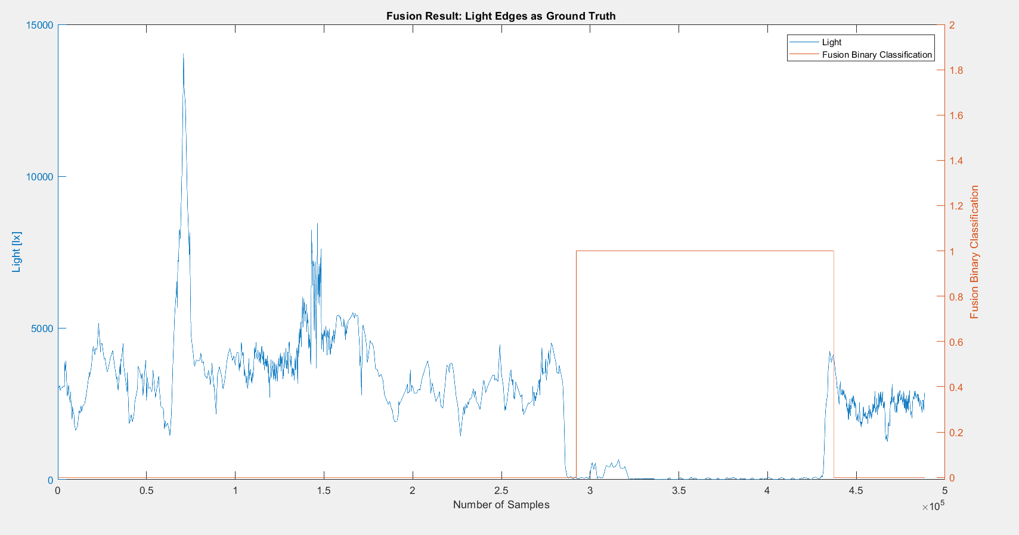
 |  | n= 488496 |  | indoor | outdoor | SUM
 |  |  |  | T | F
 |  | indoor | T | 138046 | 4813 | 142859 |  | sum | 488496
 |  | outdoor | F | 6954 | 338683 | 345637
 |  | SUM |  | 145000 | 343496

 |  |  |  | sum | 488496

 |  | TP or (Recall) | 0.96630943798
 |  | TN | 0.97988062621
 |  | Precision | 0.95204137931 |  |  |  | Ground Truth
 |  | Accuracy | 0.97591177819 |  |  |  | 287369 | 430228
 |  | F Score | 0.95912234809

 |  | Ground truth: | large edges of light or gps at entrances.

FUSION3
Binary Classification | N5 |  | 0 | 1 |  | Fusion Eval. |  | Building name: | N5_TUM
 |  |  | outdoor | indoor

 |  | Note: We interpolated all the datasets over data collection time interval, then fused them
 |  |  |  |  |  |  |  |  |  | Fusion Result: Light edges as ground truth

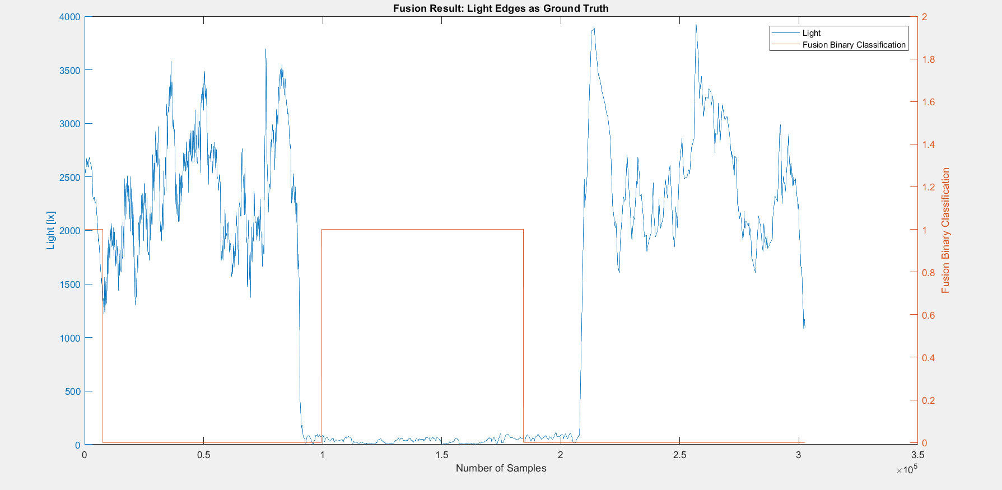

 |  | n=302519 |  | indoor | outdoor | SUM
 |  |  |  | T | F
 |  | indoor | T | 84740 | 31634 | 116374 |  | sum | 302519
 |  | outdoor | F | 7590 | 178555 | 186145
 |  | SUM |  | 92330 | 210189

 |  |  |  | sum | 302519

 |  | TP or (Recall) | 0.7281695224
 |  | TN | 0.95922533509
 |  | Precision | 0.91779486624 |  |  |  | Ground Truth
 |  | Accuracy | 0.8703420281 |  |  |  | 91535 | 207909
 |  | F Score | 0.8120591843

 |  | Ground truth: | large edges of light or gps at entrances.

FUSION4
Binary Classification | N5 |  | 0 | 1 |  | Fusion Eval. |  | Building name: | N5_TUM
 |  |  | outdoor | indoor

 |  | Note: We interpolated all the datasets over data collection time interval, then fused them
 |  |  |  |  |  |  |  |  |  | Fusion Result: GPS edges as ground truth since light was from night and not reliable

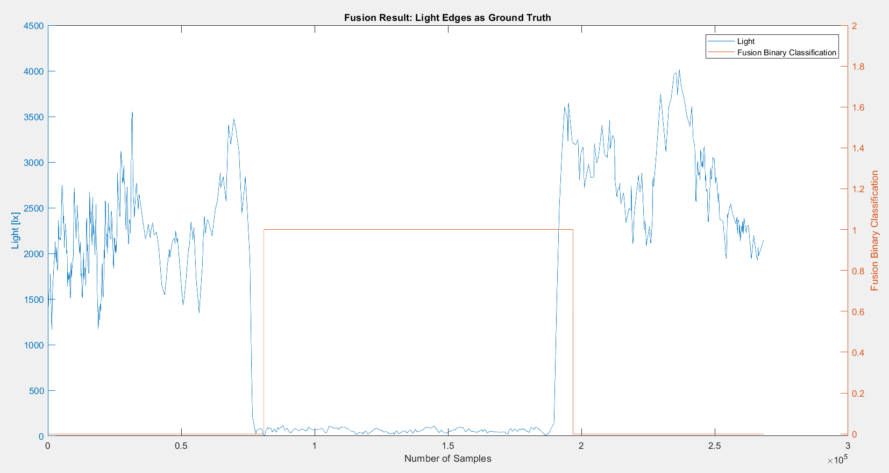

 |  | n=268354 |  | indoor | outdoor | SUM
 |  |  |  | T | F
 |  | indoor | T | 107318 | 2502 | 109820 |  | sum | 268354
 |  | outdoor | F | 8682 | 149852 | 158534
 |  | SUM |  | 116000 | 152354

 |  |  |  | sum | 268354

 |  | TP or (Recall) | 0.97721726461
 |  | TN | 0.94523572231
 |  | Precision | 0.92515517241 |  |  |  | Ground Truth
 |  | Accuracy | 0.95832370675 |  |  |  | 78352 | 188172
 |  | F Score | 0.95047382871

 |  | Ground truth: | large edges of light or gps at entrances.

