GPS1
RAW GPS | B6 | N5-1Geolocation.csv |  | 0 | 1 |  | GPS Eval. | Building name: | N5_TUM
7 | 0 |  |  | outdoor | indoor
7 | 0
16 | 0
16 | 0 |  | Raw | Magnetic
16 | 0 |  | flags | Binary classification result
12 | 0
16 | 0
12 | 0 |  | n= 373 |  | indoor | outdoor | SUM
12 | 0 |  |  |  | T | F
16 | 0 |  | indoor | T | 30 | 5 | 35 | sum | 373
16 | 0 |  | outdoor | F | 0 | 338 | 338
16 | 0 |  | SUM |  | 30 | 343
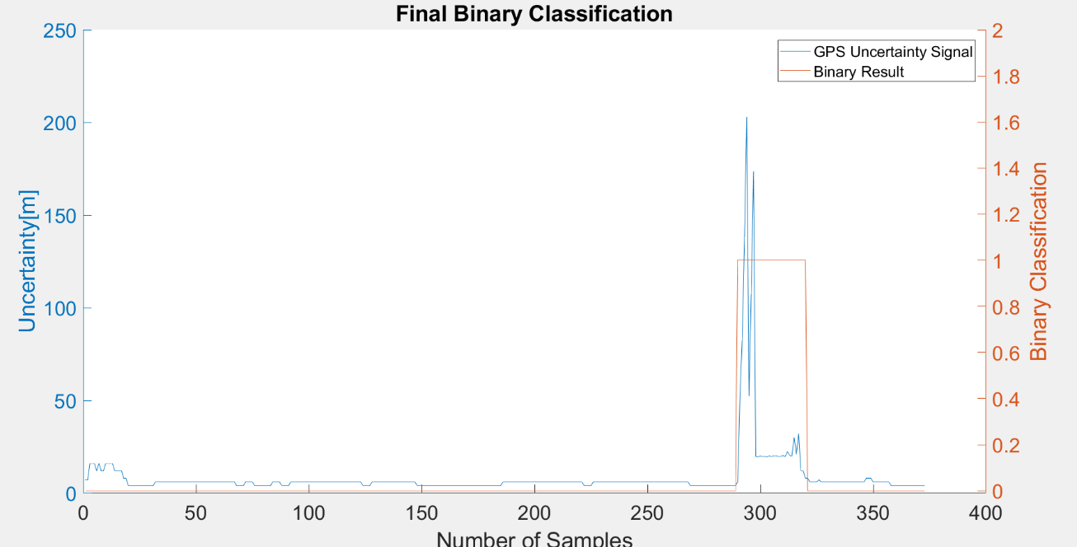
16 | 0
12 | 0 |  |  |  | sum | 373
12 | 0
12 | 0 |  | TP or (Recall) | 0.85714285714
12 | 0 |  | TN | 1 |  | Ground Truth
8 | 0 |  | Precision | 1 |  | 290 | 325
8 | 0 |  | Accuracy | 0.98659517426
4 | 0 |  | F Score | 0.92307692308
4 | 0
4 | 0
4 | 0 |  | Ground truth: | large edges of GPS or light signal at entrances
4 | 0
4 | 0
4 | 0
4 | 0
4 | 0
4 | 0
4 | 0
4 | 0
6 | 0
6 | 0
6 | 0
6 | 0
6 | 0
6 | 0
6 | 0
6 | 0
6 | 0
6 | 0
6 | 0
6 | 0
6 | 0
6 | 0
6 | 0
6 | 0
6 | 0
6 | 0
6 | 0
6 | 0
6 | 0
6 | 0
6 | 0
6 | 0
6 | 0
6 | 0
6 | 0
6 | 0
6 | 0
6 | 0
6 | 0
6 | 0
6 | 0
6 | 0
6 | 0
6 | 0
4 | 0
4 | 0
4 | 0
4 | 0
6 | 0
6 | 0
6 | 0
6 | 0
4 | 0
4 | 0
4 | 0
4 | 0
4 | 0
4 | 0
4 | 0
4 | 0
6 | 0
6 | 0
6 | 0
6 | 0
4 | 0
4 | 0
4 | 0
4 | 0
6 | 0
6 | 0
6 | 0
6 | 0
6 | 0
6 | 0
6 | 0
6 | 0
6 | 0
6 | 0
6 | 0
6 | 0
6 | 0
6 | 0
6 | 0
6 | 0
6 | 0
6 | 0
6 | 0
6 | 0
6 | 0
6 | 0
6 | 0
6 | 0
6 | 0
6 | 0
6 | 0
6 | 0
6 | 0
6 | 0
6 | 0
6 | 0
4 | 0
4 | 0
4 | 0
4 | 0
6 | 0
6 | 0
6 | 0
6 | 0
6 | 0
6 | 0
6 | 0
6 | 0
6 | 0
6 | 0
6 | 0
6 | 0
6 | 0
6 | 0
6 | 0
6 | 0
6 | 0
6 | 0
6 | 0
6 | 0
4 | 0
4 | 0
4 | 0
4 | 0
4 | 0
4 | 0
4 | 0
4 | 0
4 | 0
4 | 0
4 | 0
4 | 0
4 | 0
4 | 0
4 | 0
4 | 0
4 | 0
4 | 0
4 | 0
4 | 0
4 | 0
4 | 0
4 | 0
4 | 0
4 | 0
4 | 0
4 | 0
4 | 0
4 | 0
4 | 0
4 | 0
4 | 0
4 | 0
4 | 0
4 | 0
4 | 0
4 | 0
4 | 0
6 | 0
6 | 0
6 | 0
6 | 0
6 | 0
6 | 0
6 | 0
6 | 0
6 | 0
6 | 0
6 | 0
6 | 0
6 | 0
6 | 0
6 | 0
6 | 0
6 | 0
6 | 0
6 | 0
6 | 0
6 | 0
6 | 0
6 | 0
6 | 0
6 | 0
6 | 0
6 | 0
6 | 0
6 | 0
6 | 0
6 | 0
6 | 0
6 | 0
6 | 0
6 | 0
6 | 0
4 | 0
4 | 0
4 | 0
4 | 0
6 | 0
6 | 0
6 | 0
6 | 0
6 | 0
6 | 0
6 | 0
6 | 0
6 | 0
6 | 0
6 | 0
6 | 0
6 | 0
6 | 0
6 | 0
6 | 0
6 | 0
6 | 0
6 | 0
6 | 0
6 | 0
6 | 0
6 | 0
6 | 0
6 | 0
6 | 0
6 | 0
6 | 0
6 | 0
6 | 0
6 | 0
6 | 0
6 | 0
6 | 0
6 | 0
6 | 0
6 | 0
6 | 0
6 | 0
6 | 0
6 | 0
6 | 0
6 | 0
4 | 0
4 | 0
4 | 0
4 | 0
4 | 0
4 | 0
4 | 0
4 | 0
4 | 0
4 | 0
4 | 0
4 | 0
4 | 0
4 | 0
4 | 0
4 | 0
4 | 0
4 | 0
4 | 0
4 | 0
4 | 0
6 | 1
52.400001526 | 1
82.5 | 1
137.78900146 | 1
202.75 | 1
52.400001526 | 1
107.59799957 | 1
173.39100647 | 1
19.61400032 | 1
19.576999664 | 1
20.063999176 | 1
19.642999649 | 1
19.829000473 | 1
19.48500061 | 1
20.129999161 | 1
19.638000488 | 1
20.205999374 | 1
20.23900032 | 1
19.656999588 | 1
19.687000275 | 1
20.330999374 | 1
19.6439991 | 1
22.3560009 | 1
20.318000793 | 1
20.00399971 | 1
30 | 1
21.229000092 | 1
32 | 1
12 | 1
12 | 1
8 | 1
8 | 0
6 | 0
6 | 0
6 | 0
6 | 0
7.1479997635 | 0
6 | 0
6 | 0
6 | 0
6 | 0
6 | 0
6 | 0
6 | 0
6 | 0
6 | 0
6 | 0
6 | 0
6 | 0
6 | 0
6 | 0
6 | 0
6 | 0
6 | 0
6 | 0
6 | 0
6 | 0
8 | 0
8 | 0
8 | 0
6 | 0
6 | 0
6 | 0
6 | 0
6 | 0
6 | 0
6 | 0
6 | 0
4 | 0
4 | 0
4 | 0
4 | 0
4 | 0
4 | 0
4 | 0
4 | 0
4 | 0
4 | 0
4 | 0
4 | 0
4 | 0
4 | 0
4 | 0
4 | 0

GPS2
RAW GPS | B6 | N5-2Geolocation.csv |  | 0 | 1 |  | GPS Eval. | Building name: | N5_TUM
7 | 1 |  |  | outdoor | indoor
7 | 1
16 | 1
48 | 1 |  | Raw | Magnetic
48 | 1 |  | flags | Binary classification result
48 | 1
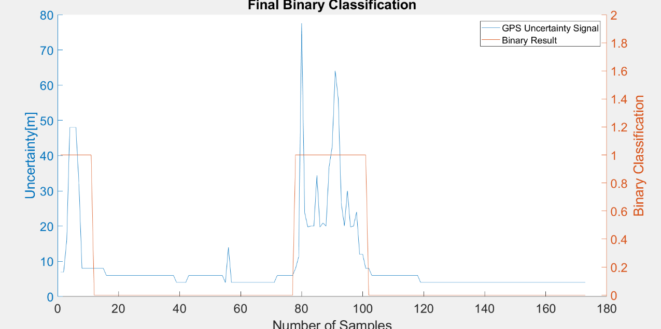
32 | 1
8 | 1 |  | n= 373 |  | indoor | outdoor | SUM
8 | 1 |  |  |  | T | F
8 | 1 |  | indoor | T | 24 | 0 | 24 | sum | 373
8 | 1 |  | outdoor | F | 11 | 338 | 349
8 | 0 |  | SUM |  | 35 | 338
8 | 0
8 | 0 |  |  |  | sum | 373
8 | 0
6 | 0 |  | TP or (Recall) | 1
6 | 0 |  | TN | 0.96848137536 |  | Ground Truth
6 | 0 |  | Precision | 0.68571428571 |  | 77 | 101
6 | 0 |  | Accuracy | 0.97050938338
6 | 0 |  | F Score | 0.81355932203
6 | 0
6 | 0
6 | 0 |  | Ground truth: | large edges of GPS or light signal at entrances
6 | 0
6 | 0
6 | 0
6 | 0
6 | 0
6 | 0
6 | 0
6 | 0
6 | 0
6 | 0
6 | 0
6 | 0
6 | 0
6 | 0
6 | 0
4 | 0
4 | 0
4 | 0
4 | 0
6 | 0
6 | 0
6 | 0
6 | 0
6 | 0
6 | 0
6 | 0
6 | 0
6 | 0
6 | 0
6 | 0
6 | 0
4 | 0
13.993000031 | 0
4 | 0
4 | 0
4 | 0
4 | 0
4 | 0
4 | 0
4 | 0
4 | 0
4 | 0
4 | 0
4 | 0
4 | 0
4 | 0
4 | 0
4 | 0
6 | 0
6 | 0
6 | 0
6 | 0
6 | 0
6 | 0
8 | 1
11.196000099 | 1
77.599998474 | 1
23.815999985 | 1
19.784999847 | 1
19.993999481 | 1
19.999000549 | 1
34.400001526 | 1
19.75799942 | 1
20.899999619 | 1
20 | 1
36.900001526 | 1
42.5 | 1
64.099998474 | 1
56.099998474 | 1
26.399999619 | 1
20.100000381 | 1
30 | 1
19.783000946 | 1
20.000999451 | 1
24 | 1
12 | 1
12 | 1
8 | 1
8 | 0
6 | 0
6 | 0
6 | 0
6 | 0
6 | 0
6 | 0
6 | 0
6 | 0
6 | 0
6 | 0
6 | 0
6 | 0
6 | 0
6 | 0
6 | 0
6 | 0
4 | 0
4 | 0
4 | 0
4 | 0
4 | 0
4 | 0
4 | 0
4 | 0
4 | 0
4 | 0
4 | 0
4 | 0
4 | 0
4 | 0
4 | 0
4 | 0
4 | 0
4 | 0
4 | 0
4 | 0
4 | 0
4 | 0
4 | 0
4 | 0
4 | 0
4 | 0
4 | 0
4 | 0
4 | 0
4 | 0
4 | 0
4 | 0
4 | 0
4 | 0
4 | 0
4 | 0
4 | 0
4 | 0
4 | 0
4 | 0
4 | 0
4 | 0
4 | 0
4 | 0
4 | 0
4 | 0
4 | 0
4 | 0
4 | 0
4 | 0
4 | 0
4 | 0
4 | 0
4 | 0
4 | 0

GPS3
RAW GPS | B6 | N5-3Geolocation.csv |  | 0 | 1 |  | GPS Eval. | Building name: | N5_TUM
7 | 1 |  |  | outdoor | indoor
7 | 1
32 | 1
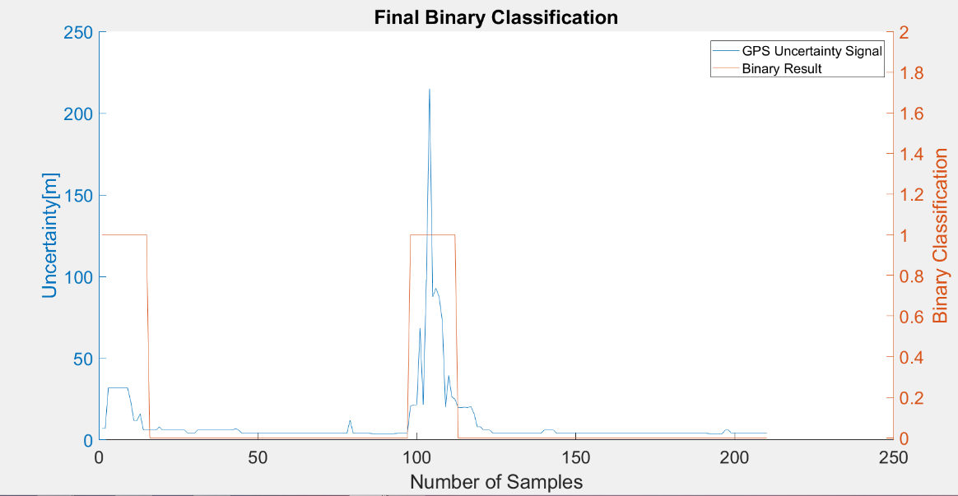
32 | 1 |  | Raw | Magnetic
32 | 1 |  | flags | Binary classification result
32 | 1
32 | 1
32 | 1 |  | n= 210 |  | indoor | outdoor | SUM
32 | 1 |  |  |  | T | F
24 | 1 |  | indoor | T | 14 | 7 | 21 | sum | 210
12 | 1 |  | outdoor | F | 15 | 174 | 189
12 | 1 |  | SUM |  | 29 | 181
16 | 1
6 | 1 |  |  |  | sum | 210
6 | 1
6 | 0 |  | TP or (Recall) | 0.66666666667
6 | 0 |  | TN | 0.92063492063 |  | Ground Truth
6 | 0 |  | Precision | 0.48275862069 |  | 98 | 119
8 | 0 |  | Accuracy | 0.89523809524
6 | 0 |  | F Score | 0.56
6 | 0
6 | 0
6 | 0 |  | Ground truth: | large edges of GPS or light signal at entrances
6 | 0
6 | 0
6 | 0
6 | 0
4 | 0
4 | 0
4 | 0
6 | 0
6 | 0
6 | 0
6 | 0
6 | 0
6 | 0
6 | 0
6 | 0
6 | 0
6 | 0
6 | 0
6 | 0
6.9689998627 | 0
6 | 0
4 | 0
4 | 0
4 | 0
4 | 0
4 | 0
4 | 0
4 | 0
4 | 0
4 | 0
4 | 0
4 | 0
4 | 0
4 | 0
4 | 0
4 | 0
4 | 0
4 | 0
4 | 0
4 | 0
4 | 0
4 | 0
4 | 0
4 | 0
4 | 0
4 | 0
4 | 0
4 | 0
4 | 0
4 | 0
4 | 0
4 | 0
4 | 0
4 | 0
4 | 0
12.170000076 | 0
4 | 0
4 | 0
4 | 0
4 | 0
4 | 0
4 | 0
3.9000000954 | 0
3.9000000954 | 0
3.9000000954 | 0
3.9000000954 | 0
3.9000000954 | 0
3.9000000954 | 0
3.9000000954 | 0
3.9000000954 | 0
4 | 0
4 | 0
4 | 0
4 | 0
20.677999496 | 1
21.559999466 | 1
21.563999176 | 1
68.400001526 | 1
21.465999603 | 1
98.400001526 | 1
215.08799744 | 1
87.599998474 | 1
92.900001526 | 1
87.599998474 | 1
72.900001526 | 1
20.006000519 | 1
39.599998474 | 1
26.399999619 | 1
24.899999619 | 1
19.688999176 | 0
19.771999359 | 0
20 | 0
19.787000656 | 0
20.516000748 | 0
16 | 0
8 | 0
8 | 0
6 | 0
6 | 0
6 | 0
4 | 0
4 | 0
4 | 0
4 | 0
4 | 0
4 | 0
4 | 0
4 | 0
4 | 0
4 | 0
4 | 0
4 | 0
4 | 0
4 | 0
4 | 0
4 | 0
6 | 0
6 | 0
6 | 0
6 | 0
4 | 0
4 | 0
4 | 0
4 | 0
4 | 0
4 | 0
4 | 0
4 | 0
4 | 0
4 | 0
4 | 0
4 | 0
4 | 0
4 | 0
4 | 0
4 | 0
4 | 0
4 | 0
4 | 0
4 | 0
4 | 0
4 | 0
4 | 0
4 | 0
4 | 0
4 | 0
4 | 0
4 | 0
4 | 0
4 | 0
4 | 0
4 | 0
4 | 0
4 | 0
4 | 0
4 | 0
4 | 0
4 | 0
4 | 0
4 | 0
4 | 0
4 | 0
4 | 0
4 | 0
4 | 0
4 | 0
4 | 0
4 | 0
3.9000000954 | 0
3.9000000954 | 0
3.9000000954 | 0
3.9000000954 | 0
3.9000000954 | 0
6 | 0
6 | 0
4 | 0
4 | 0
4 | 0
4 | 0
4 | 0
4 | 0
4 | 0
4 | 0
4 | 0
4 | 0
4 | 0
4 | 0

GPS4
RAW GPS | B6 | N5-4Geolocation.csv |  | 0 | 1 |  | GPS Eval. | Building name: | N5_TUM
 |  |  |  | outdoor | indoor

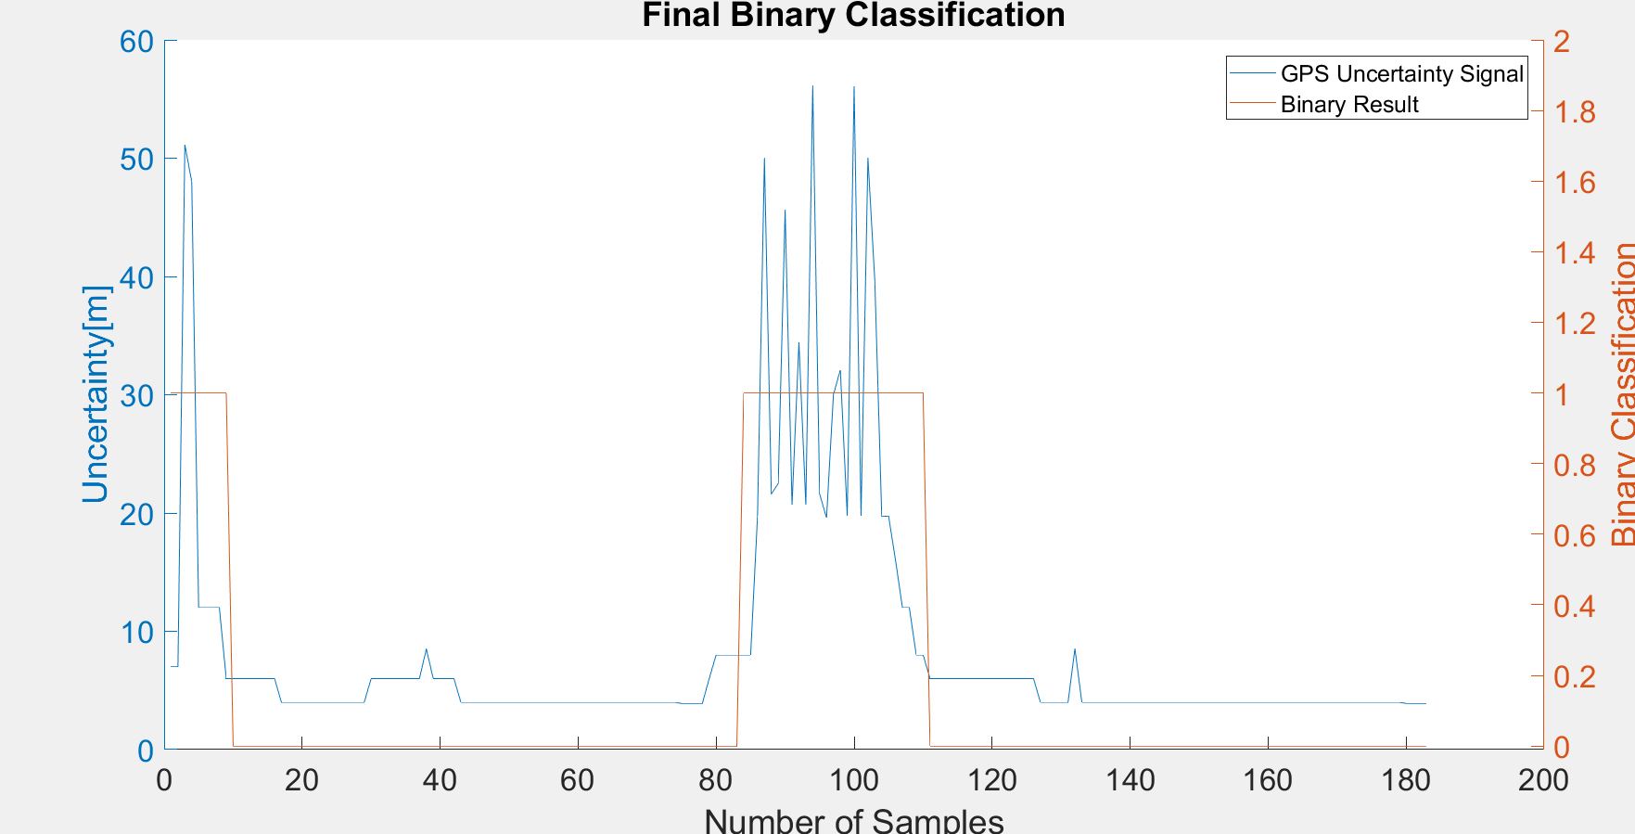
 |  |  | Raw | Magnetic
 |  |  | flags | Binary classification result

 |  |  | n= 210 |  | indoor | outdoor | SUM
 |  |  |  |  | T | F
 |  |  | indoor | T | 26 | 0 | 26 | sum | 210
 |  |  | outdoor | F | 9 | 175 | 184
 |  |  | SUM |  | 35 | 175

 |  |  |  |  | sum | 210

 |  |  | TP or (Recall) | 1
 |  |  | TN | 0.95108695652 |  | Ground Truth
 |  |  | Precision | 0.74285714286 |  | 85 | 109
 |  |  | Accuracy | 0.95714285714
 |  |  | F Score | 0.85245901639

 |  |  | Ground truth: | large edges of GPS or light signal at entrances

