Venue_Analysis
Venue Analysis

Sr.no | Stadium | Matches | Avg Score | Highest Score | Total Runs | Studium | Highest Score
1 | Arun Jaitley Stadium | 5 | 284.8 | 428 | 2848 | Arun Jaitley Stadium | 428
2 | BRSABV Ekana Cricket Stadium | 5 | 215.5 | 311 | 2155 | BRSABV Ekana Cricket Stadium | 311
3 | Eden Gardens | 5 | 219.7 | 337 | 2197 | Eden Gardens | 337
4 | HPCA Stadium | 5 | 267.5 | 388 | 2675 | HPCA Stadium | 388
5 | M. A. Chidambaram Stadium | 5 | 242.9 | 288 | 2429 | M. A. Chidambaram Stadium | 288
6 | M. Chinnaswamy Stadium | 5 | 259.2 | 410 | 2592 | M. Chinnaswamy Stadium | 410
7 | Maharashtra Cricket Association Stadium | 5 | 265.5 | 357 | 2655 | Maharashtra Cricket Association Stadium | 357
8 | Narendra Modi Stadium | 5 | 246.4 | 286 | 2218 | Narendra Modi Stadium | 286
9 | Rajiv Gandhi International Stadium | 3 | 287.5 | 345 | 1725 | Rajiv Gandhi International Stadium | 345
10 | Wankhede Stadium | 5 | 290.4 | 399 | 2904 | Wankhede Stadium | 399

City summary

Sr.no | City | Matches
1 | Pune | 5
2 | Mumbai | 5
3 | Ahmedabad | 5
4 | Bangalore | 5
5 | Chennai | 5
6 | Delhi | 5
7 | Dharamshala | 5
8 | Hyderabad | 3
9 | Kolkata | 5
10 | Lucknow | 5

Highest Score
5 │ VENUE ANALYSIS
Matches by City
Match by Stadium

Analysis
Analysis – summary tables

1 │ TEAM PERFORMANCE
Matches Won by Team
Team | Win |  |  | # | Team | Wins
Afghanistan | 4 |  |  | 1 | India | 10
Australia | 9 |  |  | 2 | Australia | 9
Bangladesh | 2 |  |  | 3 | South Africa | 7
England | 3 |  |  | 4 | New Zealand | 5
India | 10 |  |  | 5 | Afghanistan | 4
Netherlands | 2 |  |  | 6 | Pakistan | 4
New Zealand | 5 |  |  | 7 | England | 3
Pakistan | 4 |  |  | 8 | Bangladesh | 2
South Africa | 7 |  |  | 9 | Netherlands | 2
Sri Lanka | 2 |  |  | 10 | Sri Lanka | 2

Win Percentage by Team
Win % by Team
Team | Win | Match Played | Win % | # | Team | Wins
Afghanistan | 4 | 9 | 44.44% | 1 | Afghanistan | 44.44%
Australia | 9 | 11 | 81.82% | 2 | Australia | 81.82%
Bangladesh | 2 | 9 | 22.22% | 3 | Bangladesh | 22.22%
England | 3 | 9 | 33.33% | 4 | England | 33.33%
India | 10 | 11 | 90.91% | 5 | India | 90.91%
Netherlands | 2 | 9 | 22.22% | 6 | Netherlands | 22.22%
New Zealand | 5 | 10 | 50.00% | 7 | New Zealand | 50.00%
Pakistan | 4 | 9 | 44.44% | 8 | Pakistan | 44.44%
South Africa | 7 | 10 | 70.00% | 9 | South Africa | 70.00%
Sri Lanka | 2 | 9 | 22.22% | 10 | Sri Lanka | 22.22%

 |  |  |  |  |  |  | `

Matches Played by Team
Total Match Plyaed by Team
Team | Played |  |  | # | Team | Played
Afghanistan | 9 |  |  | 1 | Australia | 11
Australia | 11 |  |  | 2 | India | 11
Bangladesh | 9 |  |  | 3 | New Zealand | 10
England | 9 |  |  | 4 | South Africa | 10
India | 11 |  |  | 5 | Afghanistan | 9
Netherlands | 9 |  |  | 6 | Bangladesh | 9
New Zealand | 10 |  |  | 7 | England | 9
Pakistan | 9 |  |  | 8 | Netherlands | 9
South Africa | 10 |  |  | 9 | Pakistan | 9
Sri Lanka | 9 |  |  | 10 | Sri Lanka | 9

Highest Score
2 │ BATTING ANALYSIS
Highest Team Score
Team | Highest Score |  |  | # | Team | Highest Score
Afghanistan | 291 |  |  | 1 | South Africa | 428
Australia | 399 |  |  | 2 | India | 410
Bangladesh | 307 |  |  | 3 | New Zealand | 401
England | 364 |  |  | 4 | Australia | 399
India | 410 |  |  | 5 | England | 364
Netherlands | 339 |  |  | 6 | Pakistan | 345
New Zealand | 401 |  |  | 7 | Sri Lanka | 344
Pakistan | 345 |  |  | 8 | Netherlands | 339
South Africa | 428 |  |  | 9 | Bangladesh | 307
Sri Lanka | 344 |  |  | 10 | Afghanistan | 291

Average Score by Team
Average Score by Team
Team | Avg Score |  |  | # | Team | Avg Score
Afghanistan | 232.56 |  |  | 1 | South Africa | 289.70
Australia | 280.55 |  |  | 2 | India | 287.27
Bangladesh | 238.00 |  |  | 3 | New Zealand | 286.30
England | 221.33 |  |  | 4 | Australia | 280.55
India | 287.27 |  |  | 5 | Pakistan | 268.89
Netherlands | 215.22 |  |  | 6 | Bangladesh | 238.00
New Zealand | 286.30 |  |  | 7 | Afghanistan | 232.56
Pakistan | 268.89 |  |  | 8 | Sri Lanka | 227.67
South Africa | 289.70 |  |  | 9 | England | 221.33
Sri Lanka | 227.67 |  |  | 10 | Netherlands | 215.22

4s vs 6s by Team
4s vs 6s by Team
Team | 4s | 6s |  | # | Team | 4s | 6s
Afghanistan | 178 | 42 |  | 1 | Australia | 287 | 97
Australia | 287 | 97 |  | 2 | India | 277 | 92
Bangladesh | 188 | 43 |  | 3 | New Zealand | 266 | 82
England | 208 | 49 |  | 4 | South Africa | 242 | 99
India | 277 | 92 |  | 5 | Pakistan | 228 | 62
Netherlands | 164 | 33 |  | 6 | England | 208 | 49
New Zealand | 266 | 82 |  | 7 | Sri Lanka | 203 | 45
Pakistan | 228 | 62 |  | 8 | Bangladesh | 188 | 43
South Africa | 242 | 99 |  | 9 | Afghanistan | 178 | 42
Sri Lanka | 203 | 45 |  | 10 | Netherlands | 164 | 33

Run Rate by Team (runs per over)

Run Rate by Team
Team | Run Rate |  |  | # | Team | Run Rate
Afghanistan | 5.0 |  |  | 1 | India | 6.4
Australia | 6.0 |  |  | 2 | New Zealand | 6.2
Bangladesh | 5.4 |  |  | 3 | South Africa | 6.0
England | 5.7 |  |  | 4 | Australia | 6.0
India | 6.4 |  |  | 5 | Pakistan | 5.9
Netherlands | 5.1 |  |  | 6 | Sri Lanka | 5.7
New Zealand | 6.2 |  |  | 7 | England | 5.7
Pakistan | 5.9 |  |  | 8 | Bangladesh | 5.4
South Africa | 6.0 |  |  | 9 | Netherlands | 5.1
Sri Lanka | 5.7 |  |  | 10 | Afghanistan | 5.0

Wickets Taken by Team

3 │ BOWLING ANALYSIS
Wickets Taken by Team
Team | Wickets taken |  |  | # | Item | Wicket
Afghanistan | 54 |  |  | 1 | India | 100
Australia | 87 |  |  | 2 | South Africa | 90
Bangladesh | 67 |  |  | 3 | Australia | 87
England | 67 |  |  | 4 | Netherlands | 74
India | 100 |  |  | 5 | New Zealand | 68
Netherlands | 74 |  |  | 6 | Bangladesh | 67
New Zealand | 68 |  |  | 7 | England | 67
Pakistan | 61 |  |  | 8 | Sri Lanka | 62
South Africa | 90 |  |  | 9 | Pakistan | 61
Sri Lanka | 62 |  |  | 10 | Afghanistan | 54

Average Lost Wickets per Match

Wickets Lost by Team
Team | Wickets Lost |  |  | # | Item | Wicket Llost
Afghanistan | 68 |  |  | 1 | Australia | 88.00
Australia | 88 |  |  | 2 | England | 88.00
Bangladesh | 63 |  |  | 3 | Netherlands | 80.00
England | 88 |  |  | 4 | South Africa | 72.00
India | 58 |  |  | 5 | New Zealand | 71.00
Netherlands | 80 |  |  | 6 | Pakistan | 71.00
New Zealand | 71 |  |  | 7 | Sri Lanka | 71.00
Pakistan | 71 |  |  | 8 | Afghanistan | 68.00
South Africa | 72 |  |  | 9 | Bangladesh | 63.00
Sri Lanka | 71 |  |  | 10 | India | 58.00

Maiden Overs Bowled by Team

Maiden Overs Bowled by Team |  |  |  | # | Item | Maidens
Team | Maiden Overs |  |  | 1 | India | 26
Afghanistan | 13 |  |  | 2 | South Africa | 20
Australia | 13 |  |  | 3 | New Zealand | 17
Bangladesh | 13 |  |  | 4 | England | 15
England | 15 |  |  | 5 | Afghanistan | 13
India | 26 |  |  | 6 | Australia | 13
Netherlands | 11 |  |  | 7 | Bangladesh | 13
New Zealand | 17 |  |  | 8 | Sri Lanka | 12
Pakistan | 7 |  |  | 9 | Netherlands | 11
South Africa | 20 |  |  | 10 | Pakistan | 7
Sri Lanka | 12
Toss Decision: Bat vs Field

4 │ TOSS ANALYSIS
Toss Decision: Bat vs Field
Toss Decision: Bat vs Field | Toss Decision
Bat | 22
Field | 26

Toss Winner vs Match Winner

Toss Winner vs Match Winner
Team | Toss Win | Toss & Match Win
Afghanistan | 5 | 1
Australia | 5 | 3
Bangladesh | 5 | 2
England | 7 | 2
India | 5 | 5
Netherlands | 5 | 1
New Zealand | 5 | 3
Pakistan | 4 | 1
South Africa | 3 | 1
Sri Lanka | 4 | 0

Toss Success Rate by Team
Team | Toss Won & Match Won | Toss Won | Match Win % | # | Item | Maidens
Afghanistan | 1 | 5 | 20.0% | 1 | Afghanistan | 20.0%
Australia | 3 | 5 | 60.0% | 2 | Australia | 60.0%
Bangladesh | 2 | 5 | 40.0% | 3 | Bangladesh | 40.0%
England | 2 | 7 | 28.6% | 4 | England | 28.6%
India | 5 | 5 | 100.0% | 5 | India | 100.0%
Netherlands | 1 | 5 | 20.0% | 6 | Netherlands | 20.0%
New Zealand | 3 | 5 | 60.0% | 7 | New Zealand | 60.0%
Pakistan | 1 | 4 | 25.0% | 8 | Pakistan | 25.0%
South Africa | 1 | 3 | 33.3% | 9 | South Africa | 33.3%
Sri Lanka | 0 | 4 | 0.0% | 10 | Sri Lanka | 0.0%

Wins by Team: Runs vs Wickets
 | Runs | Runs (DLS) Method | Wickets
Afghanistan | 1 |  | 3
Australia | 4 |  | 5
Bangladesh | 0 |  | 2
England | 3 |  | 0
India | 5 |  | 5
Netherlands | 2 |  | 0
New Zealand | 2 | 0 | 3
Pakistan | 1 | 1 | 2
South Africa | 5 |  | 2
Sri Lanka | 0 |  | 2
6 │ MATCH RESULT ANALYSIS
Wins by Team: Runs vs Wickets
Runs vs Wicket
Team | Runs | Runs (DLS) Method | Wickets
Afghanistan | 1 |  | 3
Australia | 4 |  | 5
Bangladesh | 0 |  | 2
England | 3 |  | 0
India | 5 |  | 5
Netherlands | 2 |  | 0
New Zealand | 2 | 0 | 3
Pakistan | 1 | 1 | 2
South Africa | 5 |  | 2
Sri Lanka | 0 |  | 2

Winning Margin Distribution -Runs
Winning Margin Distribution -Runs
Winning Runs Range | Match
1-50 | 3
51-100 | 8
101-150 | 5
151-200 | 3
201+ | 4

Wins by Wickets – Margin Distribution
Wins by Wickets – Margin Distribution
Winning Wickets Range | Match
1-3 | 4
4-6 | 9
7-10 | 11

Dashboard

 |  | 🏏ODI WORLD CUP 2023 CRICKET PERFORMANCE & MATCH ANALYSIS DASHBOARD

 |  | Team Performance • Batting • Bowling • Venue • Toss

Total Matches |  |  | Total Teams | Total Runs | Total Wickets | Highest Team Score |  | Average Team Score | Total 4s | Total 6s

48 |  |  | 10 | 24639 | 730 | 428 |  | 256.7 | 2241 | 644

FILTERS – Use the slicers below to explore team, venue, city and toss insights. All visuals update automatically.

1 │ TEAM PERFORMANCE

Matches Won by Team
India | 10
Australia | 9
South Africa | 7
New Zealand | 5
Afghanistan | 4
Pakistan | 4
England | 3
Bangladesh | 2
Netherlands | 2
Sri Lanka | 2
Win Percentage by Team
 | Wins
Afghanistan | 44.44%
Australia | 81.82%
Bangladesh | 22.22%
England | 33.33%
India | 90.91%
Netherlands | 22.22%
New Zealand | 50.00%
Pakistan | 44.44%
South Africa | 70.00%
Sri Lanka | 22.22%
Matches Played by Team
 | Played
Australia | 11
India | 11
New Zealand | 10
South Africa | 10
Afghanistan | 9
Bangladesh | 9
England | 9
Netherlands | 9
Pakistan | 9
Sri Lanka | 9

 |  |  |  |  |  |  | h

2 │ BATTING ANALYSIS

Highest Score
 | Highest Score
South Africa | 428
India | 410
New Zealand | 401
Australia | 399
England | 364
Pakistan | 345
Sri Lanka | 344
Netherlands | 339
Bangladesh | 307
Afghanistan | 291
Average Score by Team
 | Avg Score
South Africa | 289.70
India | 287.27
New Zealand | 286.30
Australia | 280.55
Pakistan | 268.89
Bangladesh | 238.00
Afghanistan | 232.56
Sri Lanka | 227.67
England | 221.33
Netherlands | 215.22
4s vs 6s by Team
 | 4s | 6s
Australia | 287 | 97
India | 277 | 92
New Zealand | 266 | 82
South Africa | 242 | 99
Pakistan | 228 | 62
England | 208 | 49
Sri Lanka | 203 | 45
Bangladesh | 188 | 43
Afghanistan | 178 | 42
Netherlands | 164 | 33
Run Rate (runs per over)
India | 6.4
New Zealand | 6.2
South Africa | 6.0
Australia | 6.0
Pakistan | 5.9
Sri Lanka | 5.7
England | 5.7
Bangladesh | 5.4
Netherlands | 5.1
Afghanistan | 5.0

3 │ BOWLING ANALYSIS

Wickets Taken by Team
India | 100
South Africa | 90
Australia | 87
Netherlands | 74
New Zealand | 68
Bangladesh | 67
England | 67
Sri Lanka | 62
Pakistan | 61
Afghanistan | 54
Wickets Lost by Team
Australia | 88.00
England | 88.00
Netherlands | 80.00
South Africa | 72.00
New Zealand | 71.00
Pakistan | 71.00
Sri Lanka | 71.00
Afghanistan | 68.00
Bangladesh | 63.00
India | 58.00
Maiden Overs Bowled by Team
India | 26
South Africa | 20
New Zealand | 17
England | 15
Afghanistan | 13
Australia | 13
Bangladesh | 13
Sri Lanka | 12
Netherlands | 11
Pakistan | 7

4 │ TOSS ANALYSIS

Toss Decision: Bat vs Field
 | Total
Bat | 22
Field | 26
Toss Winner vs Match Winner
 | Toss Win | Toss & Match Win
Afghanistan | 5 | 1
Australia | 5 | 3
Bangladesh | 5 | 2
England | 7 | 2
India | 5 | 5
Netherlands | 5 | 1
New Zealand | 5 | 3
Pakistan | 4 | 1
South Africa | 3 | 1
Sri Lanka | 4 | 0
Toss Success Rate by Team
Afghanistan | 20.0%
Australia | 60.0%
Bangladesh | 40.0%
England | 28.6%
India | 100.0%
Netherlands | 20.0%
New Zealand | 60.0%
Pakistan | 25.0%
South Africa | 33.3%
Sri Lanka | 0.0%

5 │ VENUE ANALYSIS

Matches by City
 | Total
Pune | 5
Mumbai | 5
Ahmedabad | 5
Bangalore | 5
Chennai | 5
Delhi | 5
Dharamshala | 5
Hyderabad | 3
Kolkata | 5
Lucknow | 5
Match by Stadium
 | Total
Arun Jaitley Stadium | 5
BRSABV Ekana Cricket Stadium | 5
Eden Gardens | 5
HPCA Stadium | 5
M. A. Chidambaram Stadium | 5
M. Chinnaswamy Stadium | 5
Maharashtra Cricket Association Stadium | 5
Narendra Modi Stadium | 5
Rajiv Gandhi International Stadium | 3
Wankhede Stadium | 5
Highest Score
 | Total
Arun Jaitley Stadium | 428
BRSABV Ekana Cricket Stadium | 311
Eden Gardens | 337
HPCA Stadium | 388
M. A. Chidambaram Stadium | 288
M. Chinnaswamy Stadium | 410
Maharashtra Cricket Association Stadium | 357
Narendra Modi Stadium | 286
Rajiv Gandhi International Stadium | 345
Wankhede Stadium | 399

6 │ MATCH RESULT ANALYSIS

Wins by Team: Runs vs Wickets
 | Runs | Runs (DLS) Method | Wickets
Afghanistan | 1 |  | 3
Australia | 4 |  | 5
Bangladesh | 0 |  | 2
England | 3 |  | 0
India | 5 |  | 5
Netherlands | 2 |  | 0
New Zealand | 2 | 0 | 3
Pakistan | 1 | 1 | 2
South Africa | 5 |  | 2
Sri Lanka | 0 |  | 2
Winning Margin Distribution -Runs
 | Total
1-50 | 3
51-100 | 8
101-150 | 5
151-200 | 3
201+ | 4
Wins by Wickets – Margin Distribution
 | Total
1-3 | 4
4-6 | 9
7-10 | 11

 | Notes: • This dashboard provides insights into team performance, match results, toss decisions, and venue statistics for CWC 2023.
 | • Use the interactive slicers to filter data and compare teams, scores, and match outcomes.
 | • All KPIs and visualizations help identify key trends and performance patterns throughout the tournament.
 | • Gold bar / cell = best value.

🏆 TOURNAMENT HIGHLIGHTS
ICC CRICKET WORLD CUP 2023 – 🏆 TOURNAMENT HIGHLIGHTS
Champions • Top batting performance • Top bowling performance • Memorable innings

Category | Achievement | Player / Team | Performance | Photo / Visual | Photo Source
🏆 Winning Team | World Cup Champions | Australia | Defeated India by 6 wickets in the Final | 🏆 Team celebration photo | 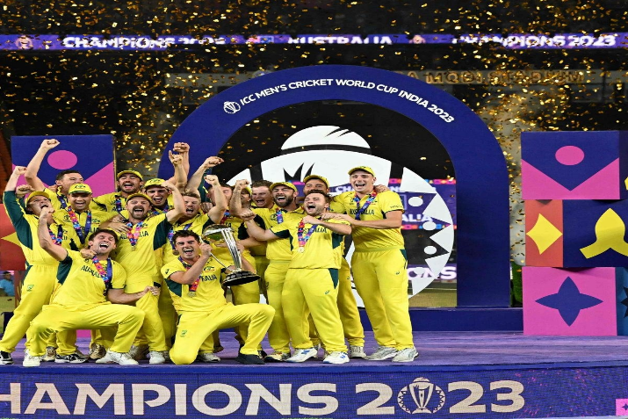
🏏 Best Batsman | Most Runs in Tournament | Virat Kohli | 765 runs | 🏏 Player photo | 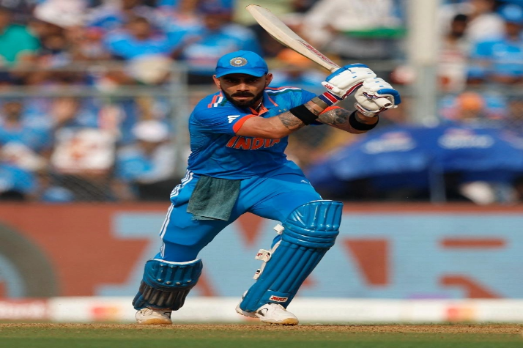
🎯 Best Bowler | Most Wickets in Tournament | Mohammed Shami | 24 wickets | 🎯 Player photo | 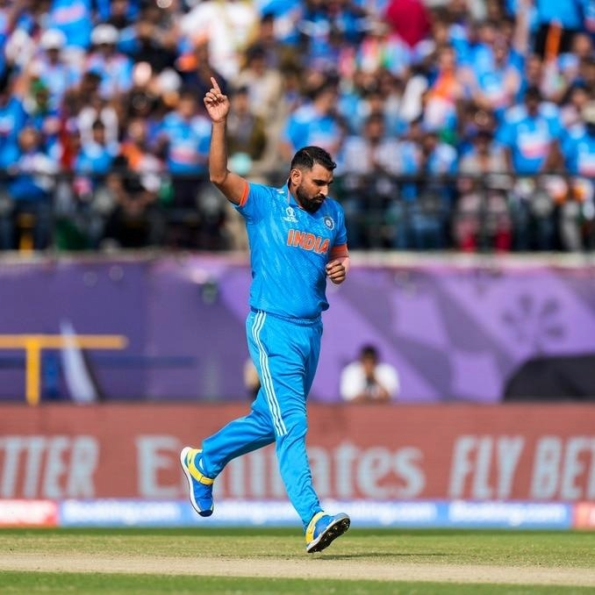
💯 Best Individual Innings | Highest Individual Score | Glenn Maxwell | 201* vs Afghanistan | 💯 Player photo | 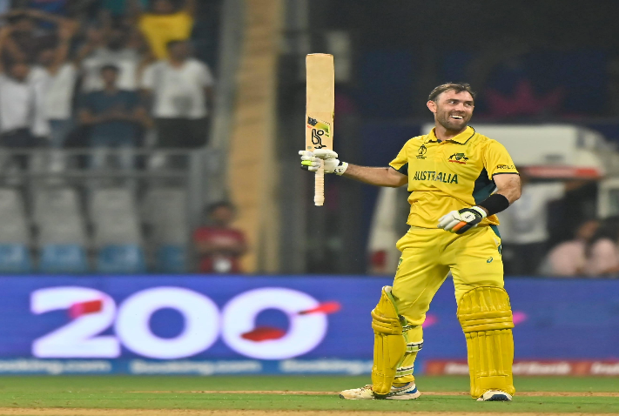
🇮🇳 Group Stage Performance | Best League-Stage Record | India | Won all 9 league-stage matches | 🇮🇳 Team photo | 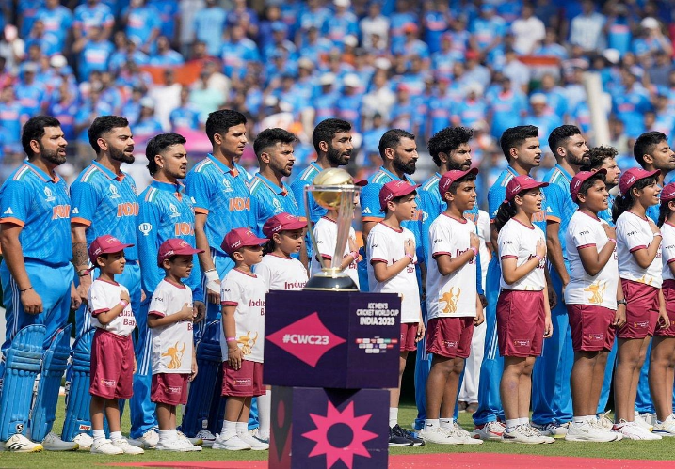

Tournament facts are fixed overall highlights and do not change with dashboard slicers.

