Dashboard
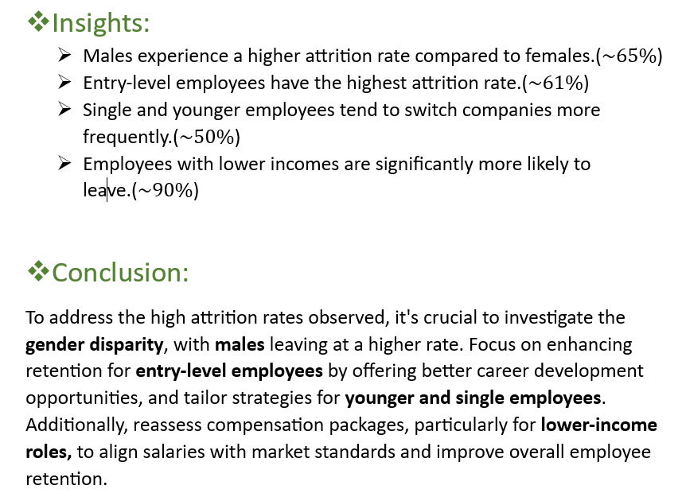
Employee Attrition Dashboard
Total Employee
Attrition %
Active Employee
Job Satisfaction

1470
16.12%
1233
2.73

Attrition Rate By Age Group
 | Total
Early Career | 100
Mid Career | 85
Professionals | 34
Senior Professionals | 18
Attrition Rate By Gender
 | Total
Female | 87
Male | 150
Attrition % By Income Group
 | Total
Below 20k | 2.11%
Below 15k | 8.44%
Below 10k | 89.45%

Department wise Attrition
 | Total
HR | 5%
Sales | 39%
R & D | 56%
Job Level Based Attrition
 | Total
Executive-Level | 5
Senior-Level | 5
Mid-Level | 32
Junior-Level | 52
Entry-Level | 143
Attrition By Martial Status
 | Total
Single | 50.63%
Married | 35.44%
Divorced | 13.92%

AgeGroup
Attrition Rate By Age Group
Attrition | Yes

Row Labels | Count of Attrition
Early Career | 100
Mid Career | 85
Professionals | 34
Senior Professionals | 18

Gender
Attrition | Yes

Row Labels | Count of Attrition
Female | 87
Male | 150

Attrition Rate By Gender

Income
Attrition | Yes

Row Labels | Count of Attrition
Below 20k | 2.11%
Below 15k | 8.44%
Below 10k | 89.45%
Attrition % By Income Group

Dept
Attrition | Yes

Row Labels | Count of Attrition
HR | 5%
Sales | 39%
Department wise Attrition
R & D | 56%

Job Level
Attrition | Yes

Row Labels | Count of Attrition
Executive-Level | 5
Senior-Level | 5
Mid-Level | 32
Job Level Based Attrition
Junior-Level | 52
Entry-Level | 143

Martial Status
Attrition | Yes

Row Labels | Count of Attrition
Single | 50.63%
Married | 35.44%
Divorced | 13.92%
Attrition By Martial Status

