PIVOT TABLE
Which crime type occurs most frequently? |  |  |  | Which district has the highest number of crimes? |  |  |  | When does crime activity peak? |  |  |  |  | Which crime types cause the highest property loss? |  | Which areas have the highest crime severity? |  |  | What percentage of cases are resolved? |  | Which areas require more police attention?

Row Labels | Count of incident_id |  |  | Row Labels | Count of incident_id |  |  | Count of incident_id | Column Labels |  |  |  | Row Labels | Sum of property_loss_usd |  | Row Labels | Count of severity | Row Labels | Count of case_status | Row Labels | Count of incident_id
Drug Offence | 221 |  |  | Central | 316 |  |  | Row Labels | Afternoon | Evening | Morning | Night | Drug Offence | $4,807,187 |  | Centerville | 388 | Drug Offence | 11.60% | Central | 316
Theft | 212 |  |  | East | 273 |  |  | 0 |  |  |  | 220 | Drunk Driving | $4,580,116 |  | Fairview | 340 | Theft | 11.13% | East | 273
Arson | 210 |  |  | Midtown | 294 |  |  | 2 |  |  |  | 159 | Arson | $4,321,063 |  | Hillcrest | 346 | Arson | 11.02% | Midtown | 294
Homicide | 200 |  |  | North | 416 |  |  | 3 |  |  |  | 120 | Theft | $4,169,014 |  | Lakewood | 383 | Homicide | 10.50% | North | 416
Sexual Assault | 198 |  |  | Northeast | 232 |  |  | 4 |  |  |  | 131 | Sexual Assault | $4,063,558 |  | Maplewood | 361 | Sexual Assault | 10.39% | Northeast | 232
Drunk Driving | 195 |  |  | Northwest | 244 |  |  | 6 |  |  | 137 |  | Homicide | $4,051,066 |  | Oakdale | 366 | Drunk Driving | 10.24% | Northwest | 244
Trespassing | 178 |  |  | South | 414 |  |  | 7 |  |  | 141 |  | Kidnapping | $3,746,399 |  | Riverside | 427 | Trespassing | 9.34% | South | 414
Domestic Violence | 175 |  |  | Southeast | 227 |  |  | 8 |  |  | 127 |  | Trespassing | $3,683,069 |  | Springfield | 355 | Domestic Violence | 9.19% | Southeast | 227
Kidnapping | 160 |  |  | Southwest | 242 |  |  | 9 |  |  | 146 |  | Domestic Violence | $3,680,073 |  | Grand Total | 2966 | Kidnapping | 8.40% | Southwest | 242
Robbery | 156 |  |  | West | 308 |  |  | 14 | 120 |  |  |  | Robbery | $3,534,254 |  |  |  | Robbery | 8.19% | West | 308
Grand Total | 1905 |  |  | Grand Total | 2966 |  |  | 17 | 128 |  |  |  | Burglary | $2,962,411 |  |  |  | Grand Total | 100.00% | Grand Total | 2966
Crime type occurs most frequently
District has the highest number of crimes
 |  |  |  |  |  |  |  |  |  |  |  |  | Cyber Crime | $2,568,239
 |  |  |  |  |  |  |  |  |  |  |  |  | Assault | $2,563,031
Highest crime severity
Cases are resolved
Areas require more police attention
 |  |  |  |  |  |  |  | Row Labels | Afternoon | Evening | Morning | Night | Vandalism | $2,561,666
 |  |  |  |  |  |  |  | 0 |  |  |  | 220 | Fraud | $1,966,232
 |  |  |  |  |  |  |  | 2 |  |  |  | 159 | Assault & Battery | $1,286,619
 |  |  |  |  |  |  |  | 3 |  |  |  | 120 | Breaking & Entering | $1,148,432
 |  |  |  |  |  |  |  | 4 |  |  |  | 131 | Hacking | $1,140,636
 |  |  |  |  |  |  |  | 6 |  |  | 137 |  | Abduction | $941,448
 |  |  |  |  |  |  |  | 7 |  |  | 141 |  | Fraudulent Activity | $896,758
 |  |  |  |  |  |  |  | 8 |  |  | 127 |  | Graffiti | $874,699
 |  |  |  |  |  |  |  | 9 |  |  | 146 |  | Deception | $866,875
 |  |  |  |  |  |  |  | 14 | 120 |  |  |  | Online Fraud | $853,580
 |  |  |  |  |  |  |  | 17 | 128 |  |  |  | Scam | $532,192
 |  |  |  |  |  |  |  |  |  |  |  |  | Property Damage | $529,937
 | Afternoon | Morning | Night
 |  |  | 220
 |  |  | 159
 |  |  | 120
 |  |  | 131
 |  | 137
 |  | 141
 |  | 127
 |  | 146
 | 120
 | 128
 |  |  |  |  |  |  |  |  |  |  |  |  | Armed Robbery | $472,191
 |  |  |  |  |  |  |  |  |  |  |  |  | Grand Total | $62,800,745

Crime types cause the highest property loss

Count of incident_id |  | Sum of property_loss_usd |  |  |  | Row Labels | Count of incident_id | Critical | 799
2966 |  | $62,800,745 | TOTAL PROPERTY LOSS |  |  | Critical | 799 | Critical | 799
 | TOTAL INCIDENTS |  | $62,800,745.36 |  |  | High | 585
 | 2966 |  |  |  |  | Low | 592 | Row Labels | Count of incident_id |  | HIGH & CRITICAL CASES
 |  |  |  |  |  | Medium | 804 | Critical | 799 |  | 1384
 |  |  |  |  |  | Unknown | 186 | High | 585
 |  |  |  |  |  | Grand Total | 2966 | Low | 592
CASES RESOLVED |  | Resolved | 221 |  |  |  |  | Medium | 804
Row Labels | Count of incident_id |  |  |  |  |  |  | Unknown | 186
Closed | 646 |  | Sum of num_arrests | TOTAL ARRESTS
Open | 665 |  | 6632 | 6632
Pending | 425
Resolved | 221
Under Investigation | 612
Unknown | 397
Grand Total | 2966

Dashboard
CRIME INTELLIGENCE & ANALYTICS

TOTAL INCIDENTS
2966
TOTAL PROPERTY LOSS
$6,28,00,745.36
CASES RESOLVED
221
HIGH & CRITICAL CASES
1384
TOTAL ARRESTS
6632

Most Frequent Crime Types
 | Total
Drug Offence | 221
Theft | 212
Arson | 210
Homicide | 200
Sexual Assault | 198
Drunk Driving | 195
Trespassing | 178
Domestic Violence | 175
Kidnapping | 160
Robbery | 156
Crime Severity Distribution
 | Total
Centerville | 388
Fairview | 340
Hillcrest | 346
Lakewood | 383
Maplewood | 361
Oakdale | 366
Riverside | 427
Springfield | 355
Crime Activity by Time
 | Afternoon | Morning | Night
 |  |  | 220
 |  |  | 159
 |  |  | 120
 |  |  | 131
 |  | 137
 |  | 141
 |  | 127
 |  | 146
 | 120
 | 128

Incidents by District
 | Total
Central | 316
East | 273
Midtown | 294
North | 416
Northeast | 232
Northwest | 244
South | 414
Southeast | 227
Southwest | 242
West | 308
Case Resolution Status
 | Total
Drug Offence | 11.60%
Theft | 11.13%
Arson | 11.02%
Homicide | 10.50%
Sexual Assault | 10.39%
Drunk Driving | 10.24%
Trespassing | 9.34%
Domestic Violence | 9.19%
Kidnapping | 8.40%
Robbery | 8.19%
Police Attention Required
 | Total
Central | 316
East | 273
Midtown | 294
North | 416
Northeast | 232
Northwest | 244
South | 414
Southeast | 227
Southwest | 242
West | 308
Property Loss by Crime Type
 | Total
Drug Offence | $4,807,187
Drunk Driving | $4,580,116
Arson | $4,321,063
Theft | $4,169,014
Sexual Assault | $4,063,558
Homicide | $4,051,066
Kidnapping | $3,746,399
Trespassing | $3,683,069
Domestic Violence | $3,680,073
Robbery | $3,534,254
Burglary | $2,962,411
Cyber Crime | $2,568,239
Assault | $2,563,031
Vandalism | $2,561,666
Fraud | $1,966,232
Assault & Battery | $1,286,619
Breaking & Entering | $1,148,432
Hacking | $1,140,636
Abduction | $941,448
Fraudulent Activity | $896,758
Graffiti | $874,699
Deception | $866,875
Online Fraud | $853,580
Scam | $532,192
Property Damage | $529,937
Armed Robbery | $472,191

 | +

Summary Points — Key Business I
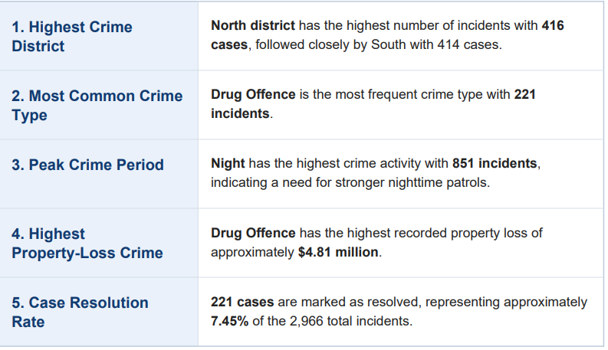
Summary Points — Key Business Insights

