BUG Report
Defect Tracking LOG
TRON DEMO Plotting

BUG |  |  |  |  |  | BUG DETAILS |  |  | BUG TRACKING |  |  |  | FIX |  | NOTES
BUG ID | Module Name | REPORTED BY | DATE REPORTED | SUMMARY | SCREENSHOT | STEPS TO REPRODUCE | EXPECTED RESULT | ACTUAL RESULT | DEFECT SEVERITY | DEFECT PRIORITY | ASSIGNED TO | STATUS | RESOLUTION | DATE OF FIX | NOTES
TDP_001 | Plot_ManageMent | Avinash | 2024-09-27 | Verify That in Add Plot Details Total Cost Amount Should not be Editable it Will be Calculation of "Plot Area X Sq.ft Rate" | 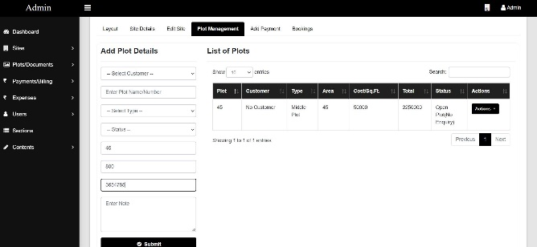 | 1.Login 2.Click on Sites 3.click_on View Site 4.click on View Button 5.Click on Plot Management 6.Enter Details in Add plot Details Form | "Total Cost" text box should not be editable | Total Cost is editable | Major | Medium | Krushna | Open
TDP_002 | Plot_ManageMent | Avinash | 2024-09-27 | Verify that in Add Plot Details for "Status" Validation should be compulsory |  | 1.Login 2.Click on Sites 3.click_on View Site 4.click on View Button 5.Click on Plot Management 6.Enter Details in Add plot Details Form 7.add Blank Status | if Status is Empty Error message Should be displayed | Plot Details added Successfully with Empty Status | Minor | Medium | Krushna | Open
TDP_003 | Add Payment | Avinash | 2024-09-27 | Transaction id / Receipt no Should not be same for Different Payemnts | 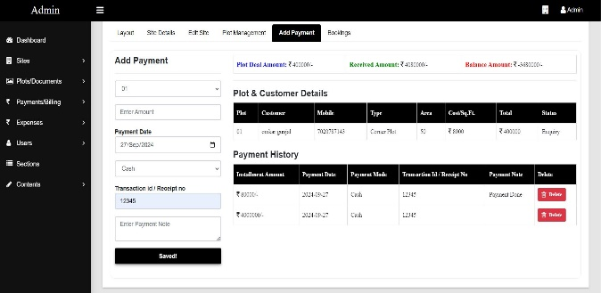 | 1.Login 2.Click on Sites 3.click_on View Site 4.click on View Button 5.Add Payments 6.Enter Details in Add Payment Form | if Transaction id / Receipt number is same "Error message Should be Displayed" | Payment added Successfully with same Transaction id / Receipt number | Major | Medium | Krushna | Open
TDP_004 | Add Payment | Avinash | 2024-09-27 | Recived Amount Should not be greater Than Plot Deal Amount | 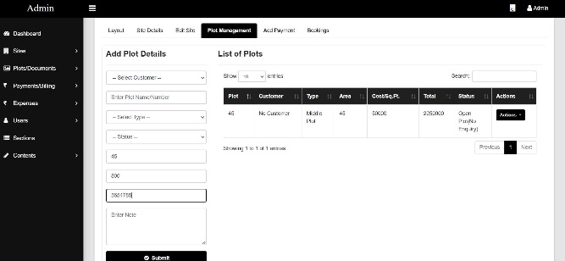 | 1.Login 2.Click on Sites 3.click_on View Site 4.click on View Button 5.Add Payments 6.Enter Details in Add Payment Form | if recived amount is greater than Plot Deal Amount "Error Message Should be displayed " | it Accept amount and Balance Amount showing in minus value | Major | Medium | Krushna | Open
TDP_005 | Add Payment | Avinash | 2024-09-27 | View uploaded documents functionality should be present | 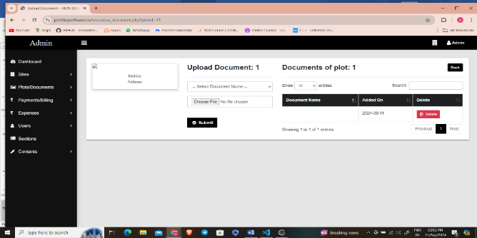 | 1.Login 2.click on Plot Documents 3.click on Upload 4.Select Document Type 5.Click on Upload image 6..click on Submit | View button should be Present for Uploaded Image | Image getting Upload Successfully but View Button is not present | Major | High | Krushna | Open
TDP_006 | Add Expense | Avinash | 2024-09-27 | Verify that point valus for amount should be added | 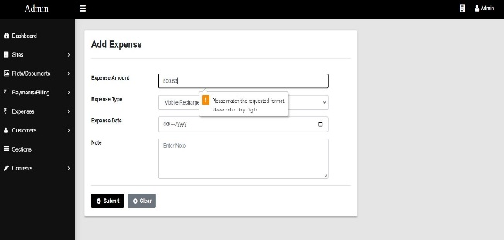 | 1. Login 2.Click on add Expenses 3.Enter Expense Amount in Point Value 4.Click on Submit | in Expense Amount point Values Should be Added | Point Valuse not added in expense amount | Minor | Low | Krushna | Open
TDP_007
TDP_008
TDP_009
TDP_010
TDP_011
TDP_012
TDP_013
TDP_014
TDP_015
TDP_016
TDP_017
TDP_018

