Catalogue Preview
Page | SKU | Name | MRP / Price | HSN | GST | Color / Shade | Sizes | Image
2 | P02 | Monte Carlo Biker Jacket Navy with Blue | Rs. 2299.00 | 61059090 |  |  | S/36, M/38, L/40, XL/42, XXL/44 & 3XL/46 | P02.jpg
3 | P03 | Monte Carlo Biker Jacket Black with Red | Rs. 2299.00 | 61059090 |  |  | S/36, M/38, L/40, XL/42, XXL/44 & 3XL/46 | P03.jpg
4 | P04 | Monte Carlo Biker Jacket Black with Reflector | Rs. 2299.00 | 61059090 |  |  | S/36, M/38, L/40, XL/42, XXL/44 & 3XL/46 | P04.jpg
5 | P05 | Monte Carlo Biker Hoody Jacket Navy with Blue | Rs. 2399.00 |  |  |  | S/36, M/38, L/40, XL/42, XXL/44 & 3XL/46 | P05.jpg
6 | P06 | Monte Carlo Biker Hoody Jacket Olive Green with Black | Rs. 2499.00 |  |  |  | S/36, M/38, L/40, XL/42, XXL/44 & 3XL/46 | P06.jpg
7 | P07 | Monte Carlo Fleece Jackets | Rs. 3599.00 | 61099090 |  | Black | S, M, L, XL, XXL & 3XL | P07.jpg
8 | P08 | Monte Carlo Fleece Jackets | Rs. 3599.00 | 61099090 |  | Grey | S, M, L, XL, XXL & 3XL | P08.jpg
9 | P09 | Monte Carlo Fleece Jackets | Rs. 3599.00 | 61099090 |  | Navy Blue | S, M, L, XL, XXL & 3XL | P09.jpg
10 | P10 | Monte Carlo Fleece Winter Hoody Jacket | Rs. 3899.00 | 61059090 |  | Black / Dark Navy / Grey | S, M, L, XL, XXL & 3XL | P10.jpg
11 | P11 | Monte Carlo Quilted Bomber Jacket | Rs. 4299 | 61059090 |  | Black | S, M, L, XL, XXL & 3XL | P11.jpg
12 | P12 | Monte Carlo Sweater | Rs. 1999.00 | 61101120 |  | Navy | S, M, L, XL, XXL & 3XL | P12.jpg
13 | P13 | Monte Carlo Sweater | Rs. 1999.00 | 61101120 |  | Beige / Camel | S, M, L, XL, XXL & 3XL | P13.jpg
14 | P14 | Monte Carlo Sweater | Rs. 1999.00 | 61101120 |  | Grey | S, M, L, XL, XXL & 3XL | P14.jpg
15 | P15 | MONTE CARLO T shirt | Rs. 1699.00 | 61099090 | 5% | 48 (Mustred) | S/36, M/38, L/40, XL/42, XXL/44, 3XL/46 | P15.jpg
16 | P16 | MONTE CARLO T shirt | Rs. 1699.00 | 61099090 | 5% | 21 (Cyan / Green) | S/36, M/38, L/40, XL/42, XXL/44, 3XL/46 | P16.jpg
17 | P17 | MONTE CARLO T shirt | Rs. 1699.00 | 61099090 | 5% | 44 (Babypink) | S/36, M/38, L/40, XL/42, XXL/44, 3XL/46 | P17.jpg
18 | P18 | MONTE CARLO T shirt | Rs. 1699.00 | 61099090 | 5% | 3 (Blue) | S/36, M/38, L/40, XL/42, XXL/44, 3XL/46 | P18.jpg
19 | P19 | MONTE CARLO T shirt | Rs. 1699.00 | 61099090 | 5% | 19 (Black) | S/36, M/38, L/40, XL/42, XXL/44, 3XL/46 | P19.jpg
20 | P20 | MONTE CARLO T shirt | Rs. 1699.00 | 61099090 | 5% | 8 (White) | S/36, M/38, L/40, XL/42, XXL/44, 3XL/46 | P20.jpg
21 | P21 | MONTE CARLO T shirt | Rs. 1699.00 | 61099090 | 5% | 43 (Sky) | S/36, M/38, L/40, XL/42, XXL/44, 3XL/46 | P21.jpg
22 | P22 | Monte Carlo Poly Cotton Tipping Tshirt | Rs. 1299.00 | 61099090 | 5% | White Color | S/36, M/38, L/40, XL/42, XXL/44 & 3XL/46 | P22.jpg
23 | P23 | Monte Carlo Poly Cotton Tipping Tshirt | Rs. 1299.00 | 61099090 | 5% | Navy Blue Color | S/36, M/38, L/40, XL/42, XXL/44 & 3XL/46 | P23.jpg
24 | P24 | Monte Carlo Poly Cotton Tipping Tshirt | Rs. 1299.00 | 61099090 | 5% | Indigo Blue Color | S/36, M/38, L/40, XL/42, XXL/44 & 3XL/46 | P24.jpg
25 | P25 | Monte Carlo Poly Cotton Tipping Tshirt | Rs. 1299.00 | 61099090 | 5% | Green Color | S/36, M/38, L/40, XL/42, XXL/44 & 3XL/46 | P25.jpg
26 | P26 | Monte Carlo Poly Cotton Tipping Tshirt | Rs. 1299.00 | 61099090 | 5% | Black Color | S/36, M/38, L/40, XL/42, XXL/44 & 3XL/46 | P26.jpg
27 | P27 | Monte Carlo Poly Cotton Tipping Tshirt | Rs. 1299.00 | 61099090 | 5% | Sky Blue | S/36, M/38, L/40, XL/42, XXL/44 & 3XL/46 | P27.jpg
28 | P28 | Monte Carlo Dryfit shirt with placket & Tipping | Rs. 1099.00 | 61099090 | 5% | Wine | S/36, M/38, L/40, XL/42, XXL/44 & 3XL/46 | P28.jpg
29 | P29 | Monte Carlo Dryfit shirt with placket & Tipping | Rs. 1099.00 | 61099090 | 5% | Black | S/36, M/38, L/40, XL/42, XXL/44 & 3XL/46 | P29.jpg
30 | P30 | Monte Carlo Dryfit shirt with placket & Tipping | Rs. 1099.00 | 61099090 | 5% | Royal Blue | S/36, M/38, L/40, XL/42, XXL/44 & 3XL/46 | P30.jpg
31 | P31 | Monte Carlo Dryfit shirt with placket & Tipping | Rs. 1099.00 | 61099090 | 5% | Dark Navy | S/36, M/38, L/40, XL/42, XXL/44 & 3XL/46 | P31.jpg
32 | P32 | Monte Carlo Dryfit shirt with placket & Tipping | Rs. 1099.00 | 61099090 | 5% | Bottle Green | S/36, M/38, L/40, XL/42, XXL/44 & 3XL/46 | P32.jpg
33 | P33 | Monte Carlo 100% ?ila ?ill Cotton Shirt | Rs. 2299.00 | 62059090 |  | Dark Blue Shade - 1 | S/36, M/38, L/40, XL/42, XXL/44, XXXL/46 | P33.jpg
34 | P34 | Monte Carlo 100% ?ila ?ill Cotton Shirt | Rs. 2299.00 | 62059090 |  | Sky Blue Shade - 2 | S/36, M/38, L/40, XL/42, XXL/44, XXXL/46 | P34.jpg
35 | P35 | Monte Carlo 100% ?ila ?ill Cotton Shirt | Rs. 2299.00 | 62059090 |  | Grey Shade - 3 | S/36, M/38, L/40, XL/42, XXL/44, XXXL/46 | P35.jpg
36 | P36 | Monte Carlo 100% ?ila ?ill Cotton Shirt | Rs. 2299.00 | 62059090 |  | Pink Shade - 4 | S/36, M/38, L/40, XL/42, XXL/44, XXXL/46 | P36.jpg
37 | P37 | Monte Carlo 100% ?ila ?ill Cotton Shirt | Rs. 2299.00 | 62059090 |  | Yellow Shade - 5 | S/36, M/38, L/40, XL/42, XXL/44, XXXL/46 | P37.jpg
38 | P38 | Monte Carlo 100% Cotton Oxford Shirt | Rs. 2699.00 | 62059090 |  | White Shade - 6 | S/36, M/38, L/40, XL/42, XXL/44, XXXL/46 | P38.jpg
39 | P39 | Monte Carlo 100% Cotton Oxford Shirt | Rs. 2699.00 | 62059090 |  | Pista Shade - 7 | S/36, M/38, L/40, XL/42, XXL/44, XXXL/46 | P39.jpg
40 | P40 | Monte Carlo Track Suit | Rs. 2299.00 | 61071990 / 61059090 | 12% | Black | S/36, M/38, L/40, XL/42, XXL/44 & 3XL/46 | 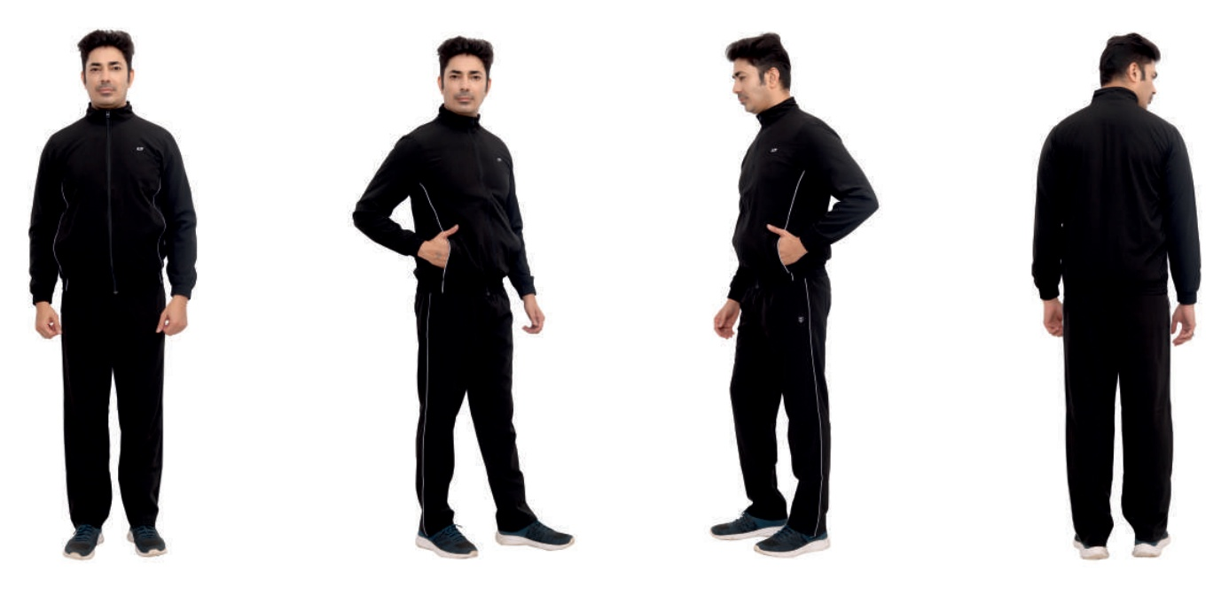 P40.jpg
41 | P41 | Monte Carlo Track Suit | Rs. 2299.00 | 61071990 / 61059090 | 12% | Blue | S/36, M/38, L/40, XL/42, XXL/44 & 3XL/46 | 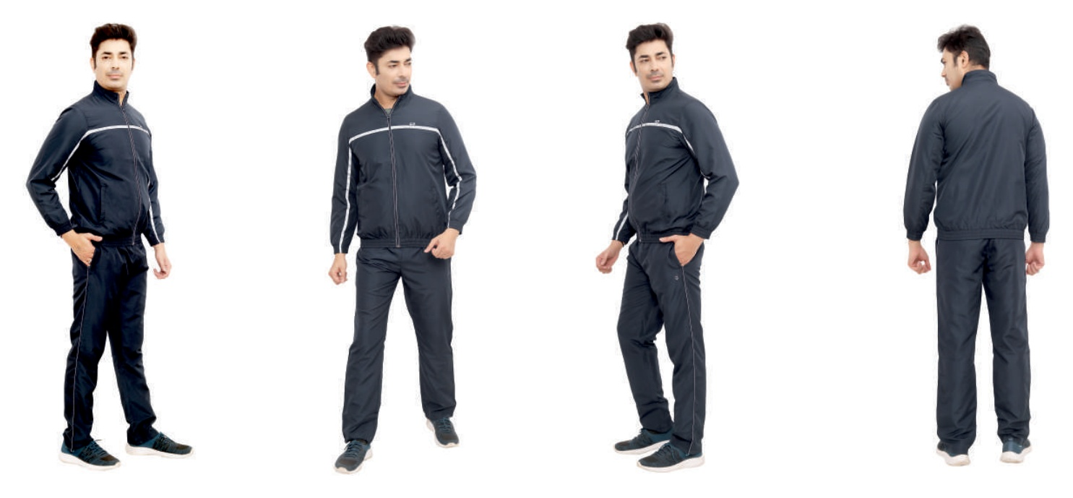 P41.jpg

