visualizationormalization
 |  |  | Assumptions | all sub crop-types are assumed to have phases of same length
 |  | 74.872169 | 5.0027
Soybean Years | Type | maxyieldincellaftercleanup | minyieldincellaftercleanup |  | 50 | 30 | 20
2003 | soybeans | 45.065783 | 5.0027 |  | AT-68/PETtotal-12.20/RainfallTotal-3.67 | AT-71/PETtotal-9.49/RainfallTotal-0.17 | AT-52/PETtotal-3.44/RainfallTotal-0.50
2004 | soybeans90b51 | 32.4981 | 5.5524 |  | AT-64/PETtotal-11.34/RainfallTotal-6.39 | AT-61/PETtotal-5.34/RainfallTotal-1.87 | AT-58/PETtotal-3.05/RainfallTotal-2.40 | growthperiod | ve | vc | v1 | vn | r1 | r2 | r3 | r4 | r5 | r6 | r7 | r8
2006 | soybeans | 62.85695 | 33.66485 | 74.872169 | AT-71/PETtotal-15.83/RainfallTotal-1.23 | AT-64/PETtotal-5.94/RainfallTotal-2.65 | AT-54/PETtotal-3.03/RainfallTotal-1.70 | 100 | 10 | 10 | 10 | 20 | 5 | 5 | 5 | 5 | 5 | 5 | 5 | 15 | 100
2012 | soy12R01/Soy Int 78070 | 74.872169 | 8.818733 |  | AT-72/PETtotal-13.49/RainfallTotal-2.91 | AT-65/PETtotal-7.54/RainfallTotal-0.28 | AT-56/PETtotal-5.34/RainfallTotal-0.01 |  | vegetative | vegetative | vegetative | vegetative | reproductive | reproductive | reproductive | reproductive | reproductive | reproductive | maturity | maturity
2014 | soybeans | 56.9255 | 5.8899 |  | AT-67/PETtotal-11.03/RainfallTotal-2.11 | AT-64/PETtotal-4.58/RainfallTotal-3.74 | AT-57/PETtotal-2.90/RainfallTotal-0.38 |  |  | vegetative | r | m
2017 | soybeans | 51.098944 | 13.600067 | 9/30/ | AT-67/PETtotal-13.44/RainfallTotal-4.27 | AT-64/PETtotal-5.93/RainfallTotal-1.20 | AT-56/PETtotal-2.72/RainfallTotal-2.01 |  |  | 50 | 30 | 20
2006 is not allowing 0.2 as first class upperbound
 |  |  |  |  |  |  |  |  |  |  |  | 2019-09-30 |  | vegetative | reproductive | maturity
 | this helps for normalization in model across years for a certain croptype and also to import the intervals of year with longest range to visualize areas yield across years

 |  | 272.467569 | 50.47355
Corn Years | Type | maxyieldincellaftercleanup | minyieldincellaftercleanup |  | 70 | 30 | 10
2010 | Corn INT6285 | 204.5113 | 56.9187 | 147.5926 | AT-68/PETtotal-16.25/RainfallTotal-8.92 | AT-53/PETtotal-4.20/RainfallTotal-4.19 | AT-58/PETtotal-1.94/RainfallTotal-0.01 | growthperiod | emergence | v1 | v3 | v6 | v9 | vt | r1 | r6
2013 | corn cp 229 | 198.22135 | 50.47355 | 147.7478 | AT-69/PETtotal-17.04/RainfallTotal-0.99 | AT-60/PETtotal-4.53/RainfallTotal-4.88 | AT-49/PETtotal-1.00/RainfallTotal-3.61 | 110 | 10 | 10 | 20 | 15 | 15 | 15 | 15 | 10 |  | corn is more sensitive to temperature
2016 | corn | 261.357826 | 56.9493 | 204.408526 | AT-68/PETtotal-15.53/RainfallTotal-13.09 | AT-57/PETtotal-4.50/RainfallTotal-1.42 | AT-41/PETtotal-1.22/RainfallTotal-0.00 |  | vegetative | vegetative | vegetative | vegetative | vegetative | reproductive | reproductive | maturity
2018 | corn | 272.467569 | 74.2781 | 198.189469 | AT-67/PETtotal-15.17/RainfallTotal-8.86 | AT-52/PETtotal-3.60/RainfallTotal-1.99 | AT-33/PETtotal-0.59/RainfallTotal-1.07 |  |  | vegetative | r | m
 |  |  |  | 2018-10-15 |  |  |  |  |  | 70 | 30 | 10
 |  | 99.89212 | 5.1697
wheat | Type | maxyieldincellaftercleanup | minyieldincellaftercleanup |  | 70 | 15 | 15 | growth period | tillering | stemming | heading | ripening
2005 | HRSW Norpro | 45.16015 | 5.1697 |  | AT-63/PETtotal-14.83/RainfallTotal-13.23 | AT-69/PETtotal-4.00/RainfallTotal-1.21 | AT-68/PETtotal-3.45/RainfallTotal-1.13 | 100 | 40 | 30 | 15 | 15
2008 | HRSW 08 Glenn | 99.89212 | 36.1065 |  | AT-60/PETtotal-18.64/RainfallTotal-7.61 | AT-69/PETtotal-3.77/RainfallTotal-1.69 | AT-68/PETtotal-3.10/RainfallTotal-1.39 |  | vegetative | vegetative | reproductive | maturity
 |  |  |  | 2005-08-15
 |  |  |  |  |  |  |  |  |  | v | r | m
peas/pintobeans |  | is same as soybeans when it comes to vrm stages |  |  | 50 | 30 | 20 |  |  | 70 | 15 | 15
2009 |  | 51.7968 | 5.0301 |  | AT-63/PETtotal-12.61/RainfallTotal-1.81 | AT-67/PETtotal-7.70/RainfallTotal-0.64 | AT-64/PETtotal-4.37/RainfallTotal-0.37
 |  |  |  | 9/10/

croptypes
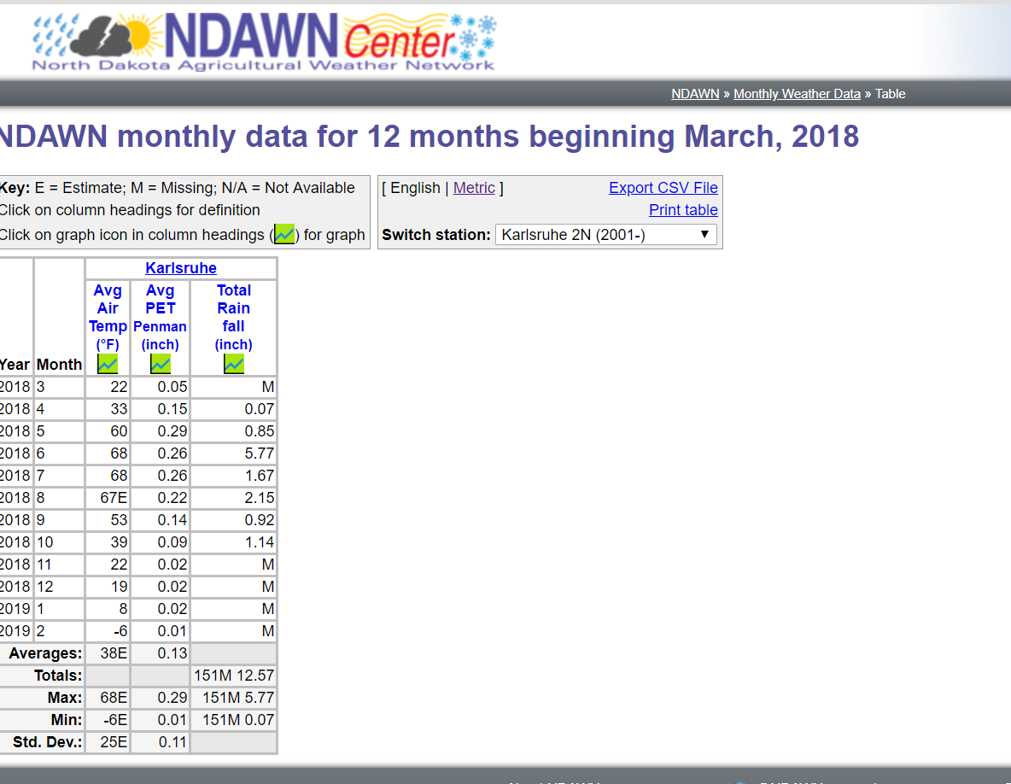

corn
corn cp 229
Corn INT6285
CowpeaRedRip
HRSW 08 Glenn
HRSW Norpro
Pinto Maverick
Soy 12R10
Soy Int 78070
soybeans
soybeans 90b51

11

