Setup Page
EMPLOYEE

1. When we click on confirm import after validating any bulk import file - there is no way we can track the progress, we don't really know if the uploading is working or not
2. Accidentaly we clicked the upload button multiple times, assuming something was wrong, the same data was uploaded again and again - no data unique logic is in place currently - same data is getting uploaded again but with different employee id generated
3. Wherever there is bulk delete option, it is just allowingto select 20 rows at a time
4. when validation is highlighting the erro - it is not telling what exactly the error is and how to fix it - before editable table - if we can get the summary of type of errors and how to fix it, then that will be helpful in debugging
5. do we have pattern filter logic enables in search box?

CUSTOMERS

1. When we click on confirm import after validating any bulk import file - there is no way we can track the progress, we don't really know if the uploading is working or not
2. Accidentaly we clicked the upload button multiple times, assuming something was wrong, the same data was uploaded again and again - no data unique logic is in place currently - same data is getting uploaded again but with different employee id generated
3. Wherever there is bulk delete option, it is just allowingto select 20 rows at a time
4. Template is not same on setup page and customer bulk upload option
5. when validation is highlighting the erro - it is not telling what exactly the error is and how to fix it - before editable table - if we can get the summary of type of errors and how to fix it, then that will be helpful in debugging
6. do we have pattern filter logic enables in search box?
7. customers in setup and custoer tab should always be in sync

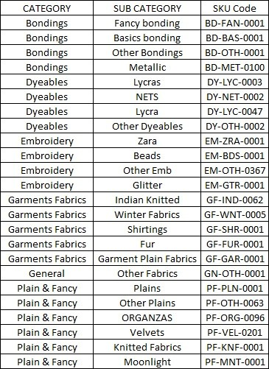
END PRODUCT

1. When we click on confirm import after validating any bulk import file - there is no way we can track the progress, we don't really know if the uploading is working or not
2. Accidentaly we clicked the upload button multiple times, assuming something was wrong, the same data was uploaded again and again - no data unique logic is in place currently - same data is getting uploaded again but with different employee id generated
3. Wherever there is bulk delete option, it is just allowingto select 20 rows at a time
4. Template is not same on setup page and catalog bulk upload option - we do not need initial qty and department name here - that is the task of bulk upload for stock, not here - challenge if you think otherwise
5. when validation is highlighting the erro - it is not telling what exactly the error is and how to fix it - before editable table - if we can get the summary of type of errors and how to fix it, then that will be helpful in debugging
6. do we have pattern filter logic enables in search box?
7. end products in catalog and setup tab should always be in sync
8. If the SKU code is available in the input file, then fine else on the bulk upload or single entry upload - SKU code should be generated automatically and should be in sync with what already available

VENDORS AND RAW MATERIAL

1. When we click on confirm import after validating any bulk import file - there is no way we can track the progress, we don't really know if the uploading is working or not
2. Accidentaly we clicked the upload button multiple times, assuming something was wrong, the same data was uploaded again and again - no data unique logic is in place currently - same data is getting uploaded again but with different employee id generated
3. Wherever there is bulk delete option, it is just allowingto select 20 rows at a time
4. Raw material and vendors upload should talk to each other - we can't have raw material not delievred by one of our vendors - we need vendor column and the value of that should always be subset of vendors present in system

FLOWS

PRICING AND MARGIN

NOTIFICATIONS

Currently notification is set up by MSG91 and single number was doing all the triggers and messages. Moving forward, we have made following chnages:
1. Asked our clients to use there own WABA number
2. further we have shifted our focus from MSG91 to Gupshup Plaftorm. MCP/Exact link attched for reference

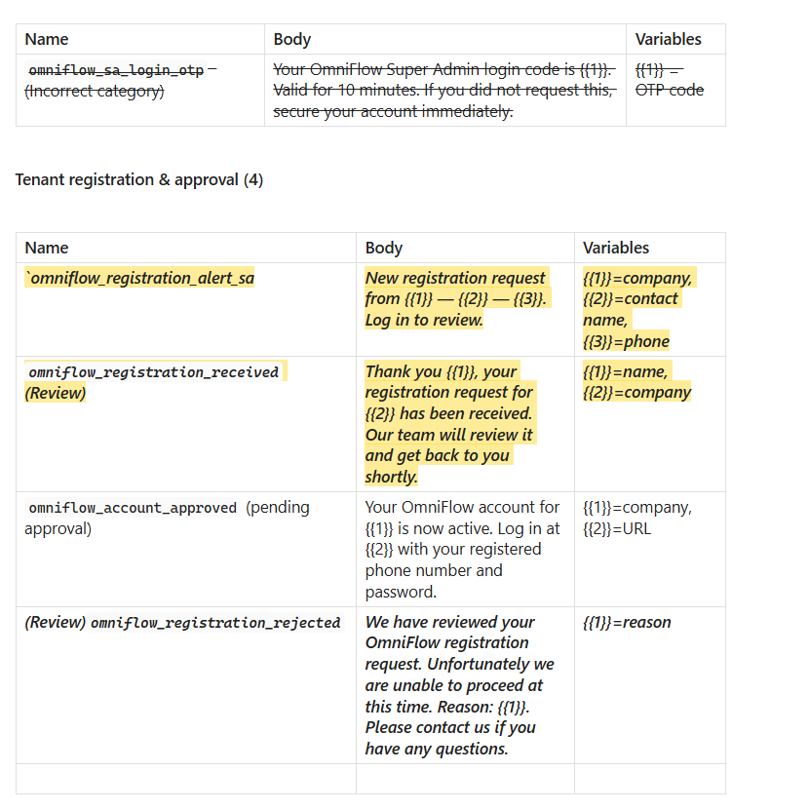
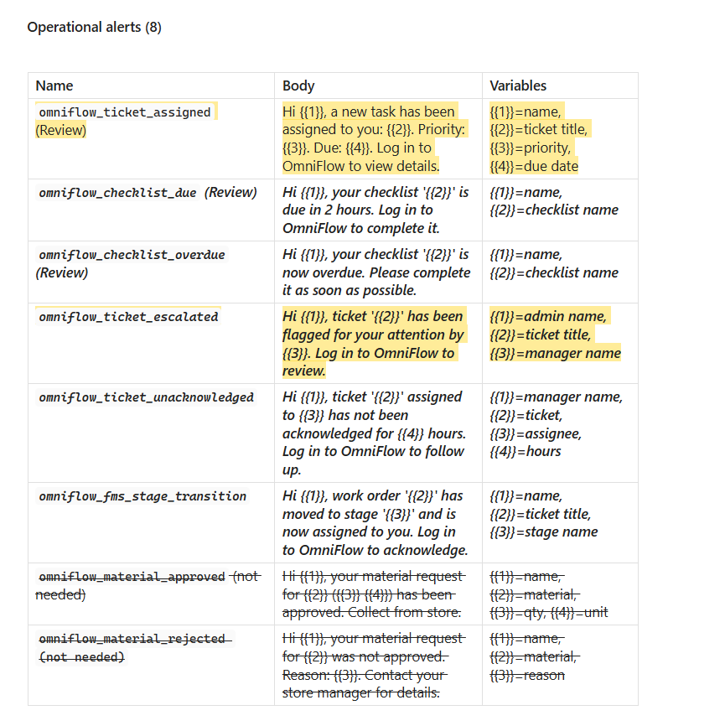
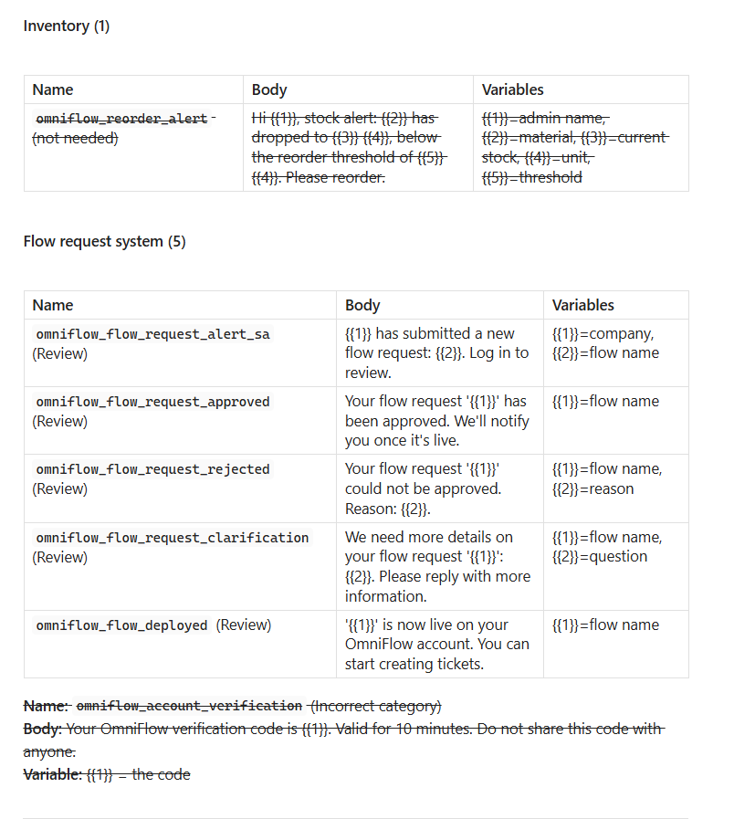
Changes that we need to do:
1. Separate trigger msg from everyone personal number
2. OPT IN Functionality for everyone + Save number
3. Run in phases - nothing should go in systems in one go - grow slowly
4. Validate the templates according to notification panel
5. Mix of SMS and Whatsapp is needed

Other
1. Remove business number from whatsapp API and start phone whatsapp
2. Buy whatsapp numbers for api
3. Validate if all the notifications are triggered based on notification panel
4. Due date and due time everywhere are assigned based on working hours
5. Add how notification delievered section to include whatsapp and SMS

PERFORMANCE

Looks goood

PRICING AND MARGIN

Yet to finalize

