dashboard
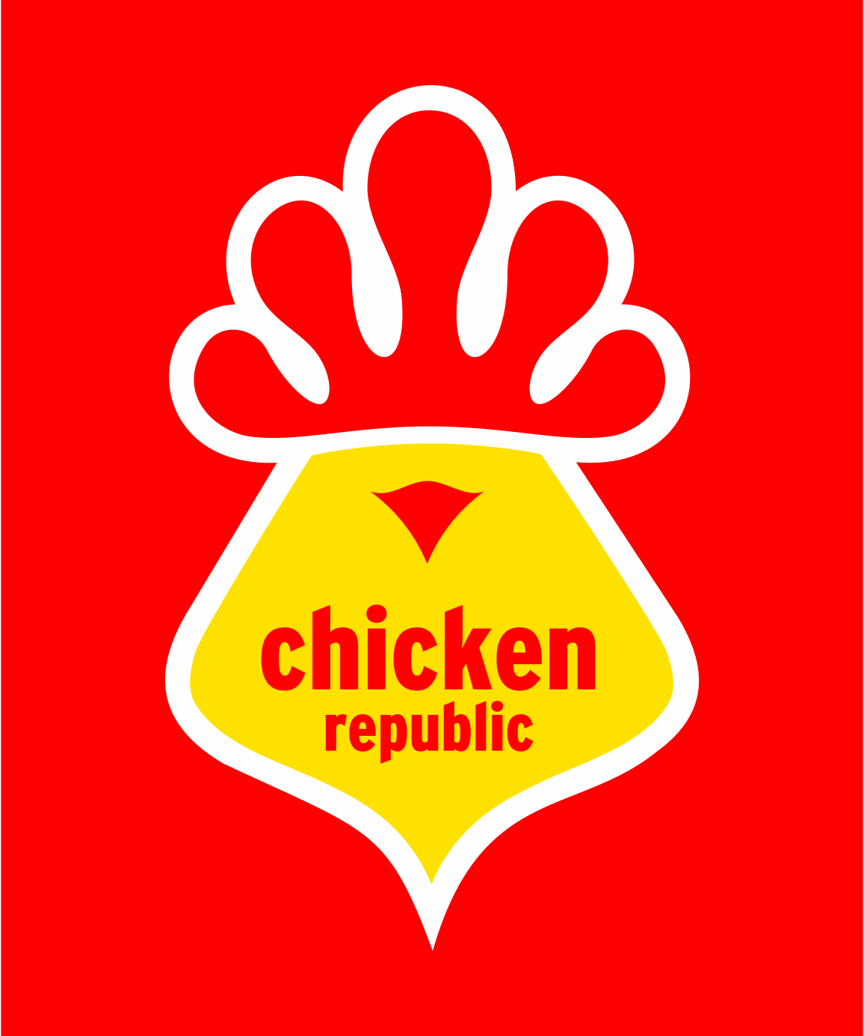
Chicken Republic Lagos Sales Optimization.

₦3,946,444
₦685,697
2703
17%
Victoria Island
Total Revenue
Total Profit
Units Sold
Avg Profit Margin%
Top Location

Monthly Sales Trend (Jan – Jun 2024)
 | Total
Jan | ₦602,899
Feb | ₦655,518
Mar | ₦696,985
Apr | ₦836,013
May | ₦719,357
Jun | ₦435,673
Top Items by Quantity
 | Total
Ice Cream | 351
Cake Slice | 328
Sausage Roll | 255
Refuel Regular | 215
Spicy Rice & Chicken | 208
Chicken Pie | 206
Jollof Rice Combo | 184
Juice | 180
Meat Pie | 177
Water | 169
Coke | 165
Fanta | 160
Refuel Max | 105

Total Profit by Branch
 | Total
Victoria Island | ₦137,071
Ikeja | ₦123,297
Surulere | ₦119,393
Lekki | ₦114,782
Ajah | ₦101,777
Yaba | ₦89,378

Sales Share by Category
 | Total
Desserts | ₦1,018,045
Meals | ₦1,005,458
Snacks | ₦986,924
Drinks | ₦936,017

