Instructions
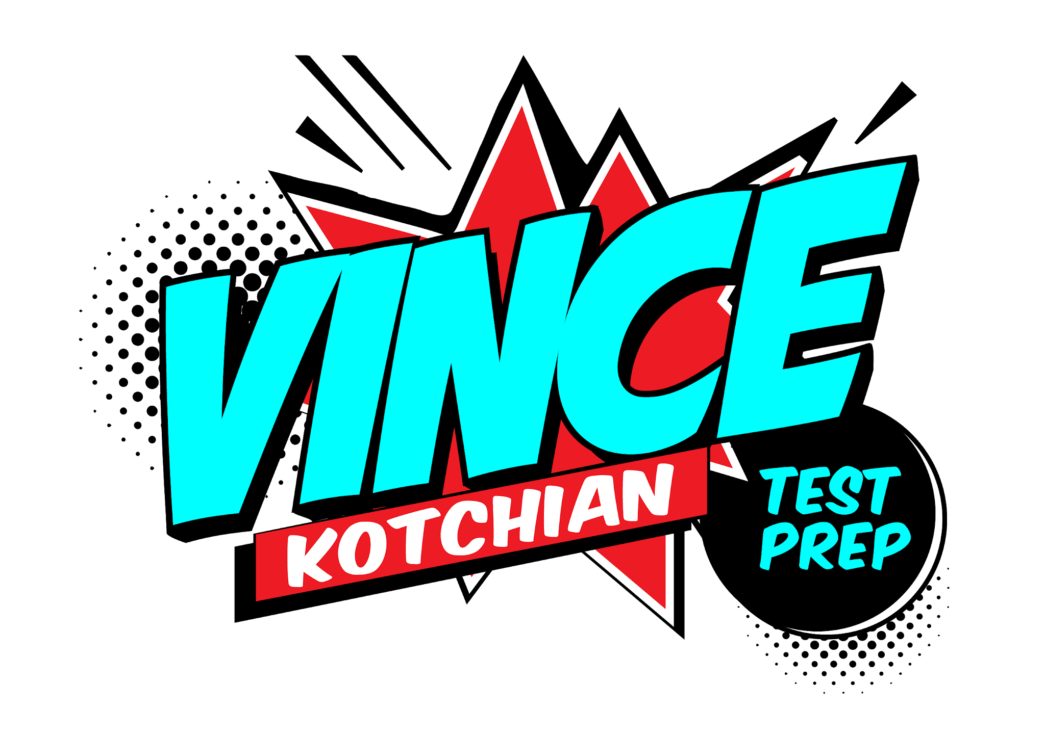

Welcome! Below is the color key. Words are in "The Words" tab. Directions for spaced repetition in the third tab.

What do the colors on the sheet mean?

Yellow means it's a word common to at least one other list
White means it's a word unique to that list
Pink means probably won't be tested

Tip: use m-w.com to look up words. It's a real dictionary with more robust, and accurate, definitions than Google.

Vince's website

