RC Clamp Design
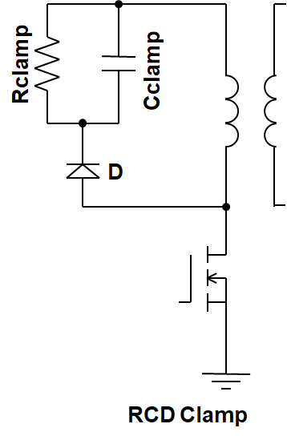
Biricha Flyback Converter RCD Clamp Design Tool*
* See C. Basso “Switch-Mode Power Supplies Spice Simulations and Practical Designs” for full proofs of equations

Input values in dark yellow cells
Results are shown in light red
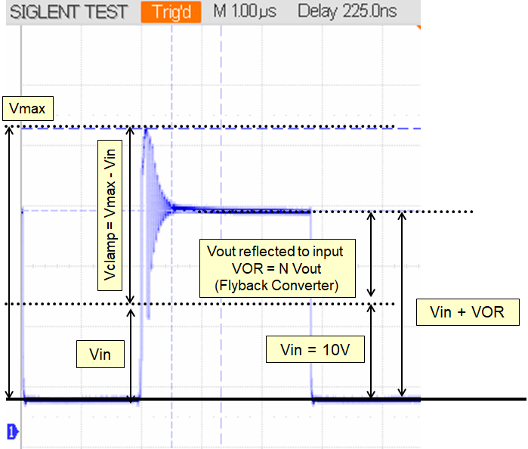

Type in the Necessary Parameters
Step 1: Input the maximum voltage allowed on the switch, Vmax |  |  | 80.00 | V
Step 2: Input the PSU input voltage, Vin |  |  | 40.00 | V
Step 3: Input Flyback transformer primary to secondary turn ratio, N |  |  | 1.00 | n:1
Step 4: Input PSU switching frequency, Fs |  |  | 100000 | Hz
Step 5: Input PSU output voltage Vout |  |  | 12.00 | V
Step 6: Input total leakage as seen on primary |  |  | 2.5e-07 | H
Step 7: Input peak primary current Ipeak (from Biricha WDS design tool ) |  |  | 15.00 | A

Calculated Component Values
Rclamp (ohms) | Cclamp (F) | Power Loss in Clamp (W)
398.2222222222 | 6.28e-08 | 4.0178571429

