Booking_Form
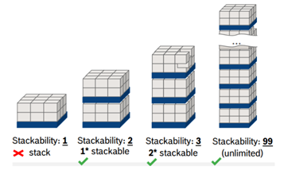
Company Name or Logo |  | Booking Information
Consignor Name
Contact Person
Pick up Address Details

Consignee Name
Delivery Address

Your Loading (order) Nr
Consignee Order Nr
Required Loading Date & Time |  |  |  |  | Documents accompany the goods |  | Original | Copy | Note
Required Unloading Date & Time |  |  |  |  | EX-1, MRN, ABD |  |  |  | Please specify documents have been given to driver or send via cargo ?
Full/Partial |  |  |  |  | ATR (or EURO 1)
ADR / UN Nr |  |  |  |  | Invoice
Currency & Value |  |  |  |  | Packing List
Incoterms |  |  |  |  | Other (please specify)
Goods Description & HS Code

Packaging Details |  |  |  |  |  |  |  | if the order nr will be given linebased please enter here
Quantity | Type [pallet/box/carton etc.] | Gross wieght [kg] | Required Loading Meter | Length | Width | Height | Stackability factor [1,2,3,99 etc..] | Order Nr
 |  |  |  | cm

