Instructions
XXXX | XXXX | [ Version LUMP SUM II - ERASMUS - v4.4_001, of 04/10/2023 10:55 ] |  |  | XXXX | XXXX | XXXX
 |  | ANNEX 1 to Part B Detailed Estimation of Costs for Lump Sums

 | Instructions

 | 1 | This workbook for Lump Sum calculation must be uploaded in the Submission system as a mandatory document in annex to the application. Please note that if you do not upload the fully completed Excel workbook as an annex, the application cannot be submitted (the system will not allow you to submit).
 | 2 | According to the Lump sum scheme, the lump sum for a Work Package (WP) will normally be paid only when the entire Work Package has been completed. Please take this into consideration while structuring your proposal. Work Packages should be designed in a way that enables the evaluator to clearly identify whether the action has been completed.
 | 3 | We recommend using Excel 2010 or more recent.
 | 4 | The only currency used in this worksheet is EURO.
 | 5 | The first thing you need to do is to set the relevant Maximum Grant Amount (in row 34 of this sheet), and the maximum co-financing rate (in row 35, both in column E) applicable for the call. This data can be found on the Portal under Topic Conditions and in the Call document.
 | 6 | You then have to fill in only the following sheets: ‘Beneficiaries List' – ‘Work Package list’ – ‘BE XXX’ (one sheet per Participating Organisation) – ‘Depreciation costs’ (if your budget includes the purchase of equipment). The final tab "Any comments" must be used to provide key information required for a full evaluation of your detailed budget (see point 18 below).
 | 7 | You first need to start filling in the sheet 'Beneficiaries list' where you are asked to enter all participants in the project including any Affiliated Entities. To add beneficiaries, please double-click on 'Add a Beneficiary'; to add an affiliated entity, please, double-click on 'Add an Affiliated Entity'. NOTE: the costs of Associated Partners cannot appear in any part of this budget.
 | 8 | Then you can fill in the sheet 'Work Packages list', where you are asked to enter all the Work Packages. To add a work package, please double-click on 'Add a Work Package'.
 | 9 | Once you have completed the ‘Beneficiaries List' and ‘Work Package list’ sheets, or each time you add or remove a beneficiary or a work-package, you must double-click on one of the “Apply changes” buttons to generate the related sheets in the Excel workbook. At this stage your spreadsheet is ready to be edited Beneficiary by Beneficiary (BE XXX) for all the workpackages concerned. You are requested to enter for each Beneficiary Spreadsheet, all the related costs of each WorkPackage.
 | 10 | You have to complete a ‘BE XXX’ sheet per Beneficiary. This sheet includes separate sections for the various costs categories for each Work Package of the project. Complete only the number of units and the cost per unit for each cost category. The total cost per cost category will be automatically calculated. If the Beneficiary does not contribute to a specific WP or cost category, then leave it blank.
 | 11 | You have to estimate the eligible costs of your proposal using the same methodology as if these costs were declared under an actual cost-based grant agreement. Make sure the budget table is consistent with the work packages described in application form part B. For additional information, please refer to the Annotated Model Grant Agreement.
 |  | Annotaded Grant Agreement in Reference-documents section of Erasmus
 | 12 | In each ‘BE XXX’ sheet, for section “A. DIRECT PERSONNEL COSTS”, you have to encode your costs using the following unit: 1 unit is 1 person-month You can customize the categories of Employees that correspond to your organisation in rows 45 to 49 below.
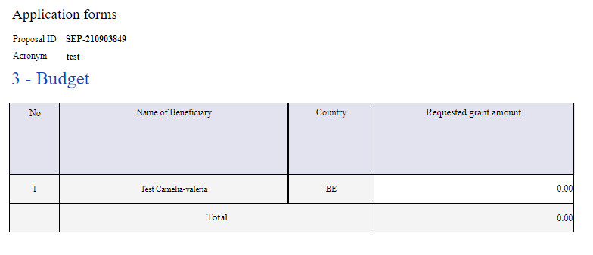
 | 13 | In each ‘BE XXX’ sheet, for section 'C2. Equipment', use the ‘Depreciation costs’ sheet as a tool to calculate the depreciation costs to be charged for the whole duration of the project. This amount is NOT automatically transferred to the respective ‘BE XXX’ sheet. You have to add manually the depreciation costs in the dedicated section of the ‘BE XXX’ sheet. If you have several items in the ‘Depreciation costs’ sheet for one single section (same Beneficiary, same Work Package and same “Resource type”), you must add only the total of these items to the relevant cell in the ‘BE XXX’ sheet.
 | 14 | Indirect costs will be calculated automatically in each 'BE XXX' sheet.
 | 15 | The summary tables ‘BE-WP Overview’, 'Estim costs of the project’, ‘Proposal Budget’, and ‘BE-WP Person Months' will be produced automatically.

 | 16 | The amount calculated in the 'BE-WP Overview' sheet of this Excel workbook under the heading 'Max TOTAL EU Contribution' must be copied exactly into the Requested Grant Amount in the “Section 3 - Budget”, of the application form.
 | 17 | The ‘Estim costs of the project’, Proposal Budget' and ‘BE-WP person months' sheets are there for your information and will be used during evaluation of your application.
 | 18 | If you have any comment, you can use the ‘Any comments’ sheet. If you use the category 'other' in sections ‘A.1 Staff costs’ and / or 'C.3 Other goods, works and services', you should specify the breakdown of the cost, in the 'Any comments' sheet.
 | 19 | The format of this Excel workbook is .xlsm because it uses macros. Make sure you do not disable them when filling in the different sections. However, this format cannot be uploaded to the submission system for security reasons. Only XLSX format is allowed. Therefore, please save a copy as an .xlsx document to upload it to the proposal submission tool. To save this workbook as .xlsx document: - double-click on the button 'Create XLSX Document' in cell E37 of this Instructions sheet. OR - in Excel, click on “File” and then “Save as”; in the “Save as” dialog box, choose “.xlsx” from the “Save as type” dropdown list.
 |  |  |  | XXXXXXXXXXXXXXXXXXXXXXXXXXX

 |  |  | FILL IN THE VALUES BELOW BEFORE STARTING:
 |  | Insert the name of your call | :
 |  | Insert the acronym of your project | :
 |  | Maximum grant amount as stipulated in the call | : | TYPE HERE THE MAXIMUM GRANT AMOUNT
 |  | Maximum co-financing rate as stipulated in the call | : | TYPE HERE THE MAXIMUM CO-FINANCING RATE

 | X X X | The document which will be created with format .XLSX will be saved in the same folder where this workbook .XLSM is currently placed. |  | Create XLSX document
 |  |  |  | Double-Click to activate

You can customize here the categories of Employees that correspond to your organisation (example: Senior Staff, Junior Staff, …). Please, note that this definition is common to all Work Packages for all Beneficiaries. |  |  | X X X
A. DIRECT PERSONNEL COSTS
 | A1. Employees (or equivalent) person months (you can change the types based on your structure)
 |  | Type 1
 |  | Type 2
 |  | Type 3
 |  | Type 4
 |  | Type 5

