Plast_not
 | PP, PE, PS, HIPS (& ABS, PVC) |  |  |  |  |  |  |  | ABS |  |  |  |  |  | PVC
 | C | C I | H | H | H2 | C2 | C2(0,0) | C2 | N | N | N | CN(0,0) | CN | Br | Cl | Cl | O | O | F | F
 | 247.86 | 833.52 | 388.47 | 656.28 | 422.74 | 512.9 | 516.48 | 563.5 | 399.50 | 746.87 | 868.03 | 388.31 | 421.6 | 827.24 | 725.66 | 837.59 | 777.41 | 844.64 | 685.6 | 739.87
 |  |  |  | X | (x) | (x) | X |  |  | X |  |  |  |  |  |  | (x)
 |  |  |  | -0.24 |  | -0.7 | -0.68 |  |  | -0.07

 | Ti | Ti II | Ca II | Ca II | Ca II | Ca II | Ca I | Zn | Mg II | K | K | K | K | Na | Al | Cd | Cr | Cr | Hg | Pb | Sb | Sn | N II | N I | N I | N I
 | 337.28 | 334.94 | 315.89 | 317.93 | 393.97 | 396.85 | 422.67 | 213.86 | 279.55 | 400.41 | 404.72 | 766.49 | 769.9 | 589.06 | 308.21 | 228.8 | 425.43 | 359.35 | 253.65 | 405.78 | 259.8 | 284 | 399.50 | 742.36 | 744.23 | 746.83
 |  |  |  |  |  |  |  |  |  | svagare | svagare | (x)

 |  |  |  |  |  |  |  |  |  |  | -0.56

 | Sorterat efter våglängd
 | Zn | Cd | C | Hg | Sb | Mg II | Sn | Al | Ca II | Ca II | Ti II | Ti | Cr | CN(0,0) | H | Ca II | Ca II | N | Pb | CN | H2 | Cr
 | 213.86 | 228.8 | 247.86 | 253.65 | 259.8 | 279.55 | 284 | 308.21 | 315.89 | 317.93 | 334.94 | 337.28 | 359.35 | 388.31 | 388.47 | 393.97 | 396.85 | 399.50 | 405.78 | 421.6 | 422.74 | 425.43

 | C2 | C2(0,0) | C2 | Na | H | F | Cl | F | N | K | O | Br | C I | Cl | O | N
 | 512.9 | 516.48 | 563.5 | 589.06 | 656.28 | 685.6 | 725.66 | 739.87 | 746.87 | 766.49 | 777.41 | 827.24 | 833.52 | 837.59 | 844.64 | 868.03

 |  |  |  |  |  |  |  |  |  |  |  |  |  |  | Raman

 |  |  |  |  |  |  |  |  |  |  |  |  |  |  |  |  |  |  |  | Raman spectral data for three brominated flame retardants, displayed together on the left and right
 | IR |  |  |  |  |  |  |  |  |  |  |  |  |  |  |  |  |  |  | http://www.azom.com/article.aspx?ArticleID=10279
 | Bindning | Vågtal (cm-1) | Intensitet
CH
 | N=C | 2220-2260 | Medium |  |  |  |  |  |  |  |  |  |  |  |  |  |  |  |  | B&W TEK
 | C=C | 2100-2260 | Medium |  |  |  |  |  |  |  |  |  |  |  |  |  |  |  |  | Raman - Lab Grade to Field Portable, a Full Range of Raman Solutions
 | C=C | 1600-1680 | Medium |  |  |  |  |  |  |  |  |  |  |  |  |  |  |  |  | http://bwtek.com/technology/handheld-raman/
 | Benzene | ~1230 och ~1500 |  | Stark
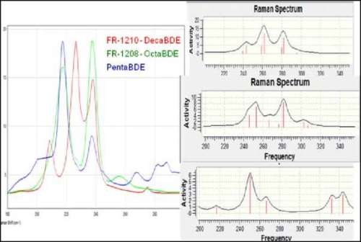
 | C=0 | 1650-1780 | Strong
CH
 | C-0 | 1050-1250 | Strong
 | C-N | 1020-1230 | Medium
alkohol | O-H (acid) | 3200-3650 | Strong, broad
CH
acid | O-H (acid) | 2500-3300 | Strong, very broad
 | N-H | 3300-3500 | Medium, broad
 | C-H | 2700-3300 | Medium

http://www.westminster.edu/about/community/sim/documents/SsortingplasticsbyIR.pdf
C-H | -CH2- | 1465
 | -CH3- | 1375, 1400
 | Benzene | 3050-3150
 |  | 700-1000
C=C | Benzene | 1400-1600
C=O | Ester | 1730-1750
C-O | Ester | 1000-1300
Chloride | C-Cl | 600-800

 |  |  |  | Rpump | 532 | nm
 |  |  |  | shift | 6400 | cm-1
 |  |  |  | Rprobe | 806.6 | nm

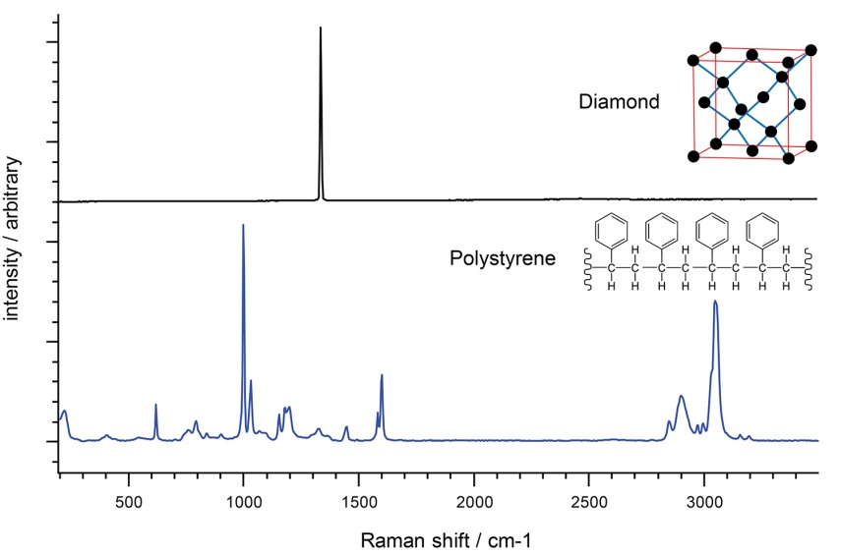
Rpump | 532 | nm
inc. | 20 | cm-1
R-shift | 440 | 460 | 480 | 500 | 520 | 540 | 560 | 580 | 600 | 620 | 640 | 660 | 680
Rprobe | 544.8 | 545.3 | 545.9 | 546.5 | 547.1 | 547.7 | 548.3 | 548.9 | 549.5 | 550.1 | 550.8 | 551.4 | 552.0

R-shift | 700 | 720 | 740 | 760 | 780 | 800 | 820 | 840 | 860 | 880 | 900 | 920 | 940
Rprobe | 552.6 | 553.2 | 553.8 | 554.4 | 555.0 | 555.6 | 556.3 | 556.9 | 557.5 | 558.1 | 558.8 | 559.4 | 560.0

R-shift | 960 | 980 | 1000 | 1020 | 1040 | 1060 | 1080 | 1100 | 1120 | 1140 | 1160 | 1180 | 1200
Rprobe | 560.6 | 561.3 | 561.9 | 562.5 | 563.2 | 563.8 | 564.4 | 565.1 | 565.7 | 566.3 | 567.0 | 567.6 | 568.3

R-shift | 1220 | 1240 | 1260 | 1280 | 1300 | 1320 | 1340 | 1360 | 1380 | 1400 | 1420 | 1440 | 1460
Rprobe | 568.9 | 569.6 | 570.2 | 570.9 | 571.5 | 572.2 | 572.8 | 573.5 | 574.2 | 574.8 | 575.5 | 576.1 | 576.8

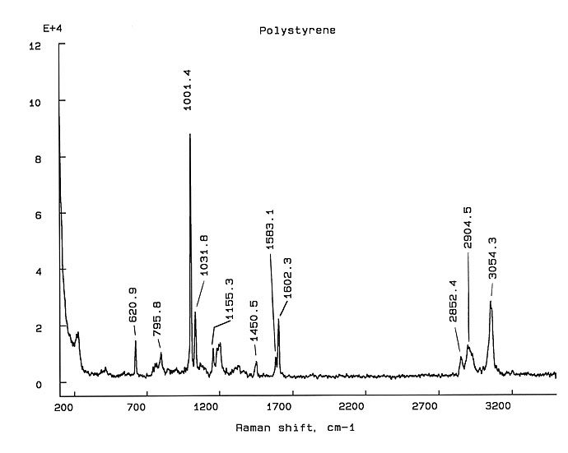
R-shift | 1480 | 1500 | 1520 | 1540 | 1560 | 1580 | 1600 | 1620 | 1640 | 1660 | 1680 | 1700 | 1720
Rprobe | 577.5 | 578.1 | 578.8 | 579.5 | 580.1 | 580.8 | 581.5 | 582.2 | 582.9 | 583.5 | 584.2 | 584.9 | 585.6

R-shift | 1740 | 1760 | 1780 | 1800 | 1820 | 1840 | 1860 | 1880 | 1900 | 1920 | 1940 | 1960 | 1980
Rprobe | 586.3 | 587.0 | 587.6 | 588.3 | 589.0 | 589.7 | 590.4 | 591.1 | 591.8 | 592.5 | 593.2 | 593.9 | 594.6

R-shift | 2000 | 2020 | 2040 | 2060 | 2080 | 2100 | 2120 | 2140 | 2160 | 2180 | 2200 | 2220 | 2240
Rprobe | 595.3 | 596.1 | 596.8 | 597.5 | 598.2 | 598.9 | 599.6 | 600.3 | 601.1 | 601.8 | 602.5 | 603.2 | 604.0

R-shift | 2260 | 2280 | 2300 | 2320 | 2340 | 2360 | 2380 | 2400 | 2420 | 2440 | 2460 | 2480 | 2500
Rprobe | 604.7 | 605.4 | 606.2 | 606.9 | 607.6 | 608.4 | 609.1 | 609.9 | 610.6 | 611.4 | 612.1 | 612.9 | 613.6

R-shift | 2520 | 2540 | 2560 | 2580 | 2600 | 2620 | 2640 | 2660 | 2680 | 2700 | 2720 | 2740 | 2760
Rprobe | 614.4 | 615.1 | 615.9 | 616.6 | 617.4 | 618.2 | 618.9 | 619.7 | 620.5 | 621.2 | 622.0 | 622.8 | 623.6

R-shift | 2780 | 2800 | 2820 | 2840 | 2860 | 2880 | 2900 | 2920 | 2940 | 2960 | 2980 | 3000 | 3020
Rprobe | 624.3 | 625.1 | 625.9 | 626.7 | 627.5 | 628.3 | 629.0 | 629.8 | 630.6 | 631.4 | 632.2 | 633.0 | 633.8

R-shift | 3040 | 3060 | 3080 | 3100 | 3120 | 3140 | 3160 | 3180 | 3200 | 3220 | 3240 | 3260 | 3280
Rprobe | 634.6 | 635.4 | 636.3 | 637.1 | 637.9 | 638.7 | 639.5 | 640.3 | 641.1 | 642.0 | 642.8 | 643.6 | 644.5

