AngularJS
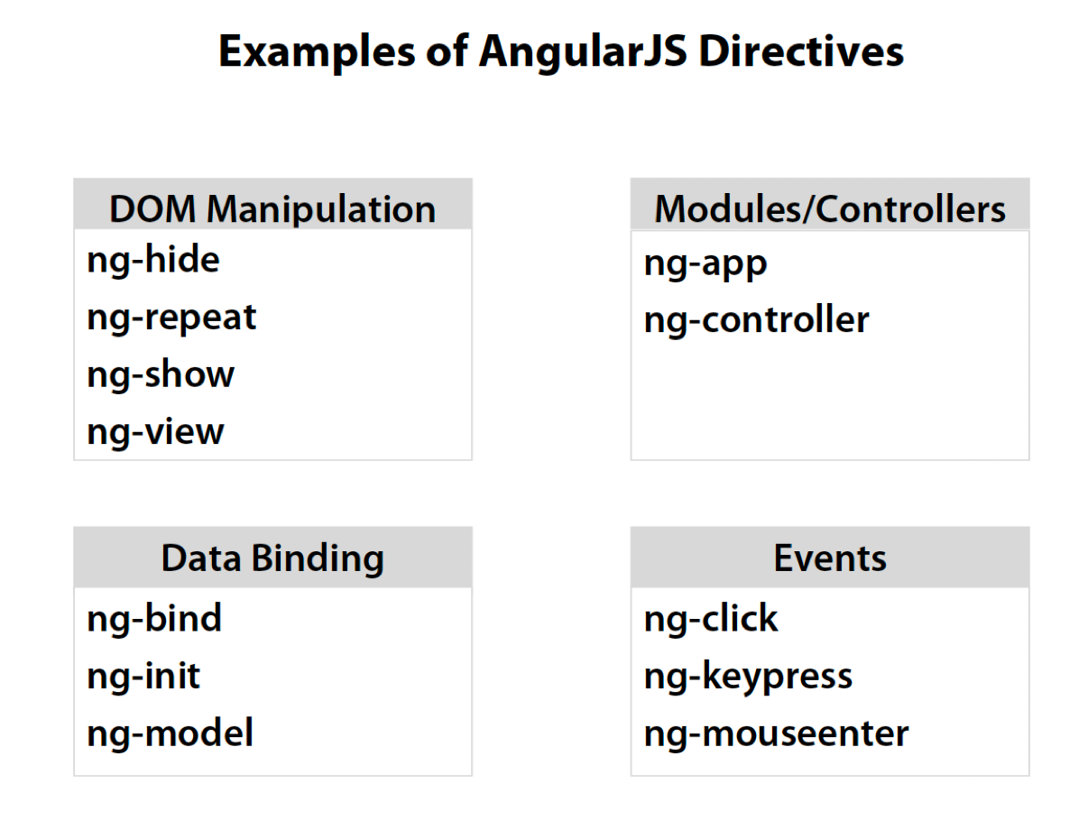
Difference between AngularJS and Jquery | Basically, jQuery is a great tool for you to manipulate and control DOM elements. If you only focus on DOM elements and no Data CRUD( create, read, update,and delete ), like building a website not web application, jQuery is the one of the top tools. (You can use AngularJS for this pur pose as well.) In jQuery, you design a page, and then you make it dynamic. But in AngularJS, you must start from the ground up with your architecture in mind. Instead of starting by thinking "I have this piece of the DOM and I want to make it do X", you have to start with what you want to accomplish, then go about designing your application, and then finally go about designing your view. Always think in terms of architecture First know that single-page applications are applications. They're not webpages. So we need to think like a server-side developer in addition to thinking like a client-side developer. We have to think about how to divide our application into individual, extensible, testable Distinct model layer In jQuery, the DOM is kind of like the model. But in AngularJS, we have a separate model layer that we can manage in any way we want, completely independently from the view. This helps for the data binding, maintains separation of concerns, and introduces far greater testability.
Concept and Description | Concept Description Template HTML with additional markup Directives extend HTML with custom attributes and elements Model the data shown to the user in the view and with which the user interacts Scope context where the model is stored so that controllers, directives and expressions can access it Expressions access variables and functions from the scope Compiler parses the template and instantiates directives and expressions Filter formats the value of an expression for display to the user View what the user sees (the DOM) Data Binding sync data between the model and the view Data binding is the process that establishes a connection between the application UI and business logic. when the data changes its value, the elements that are bound to the data reflect changes automatically. Controller the business logic behind views as a "brain" for a view: interact with view using the $scope; defines property and method; knows how to retrieve data from factory or service. Injection Creates and wires objects and functions. The component can have the dependency passed to it where it is needed. DI is a pattern which is often used in infrastructure components and which ensures that one component does not directly create references to other components. Instead of direct instantiation, every component will receive references to required other components like helpers, services, etc .as parameters to their constructor. Injector dependency injection container module a container for the different parts of an app including controllers, services, filters, directives which configures the Injector. Modules provide an excellent mechanism for cleanly dividing up our code into functional areas. Service reusable business logic independent of views
buid-in directives
$scope, comm between View and Controller | Every controller has an associated $scope object. A controller (constructor) function is responsible for setting model properties and functions. This can be done only through $scope. Whatever function or model you apply in View (html file), that is accessed in controller using scope. Only methods defined on this $scope object are accessible from the HTML/view. Example - from ng-click, filters, etc.
Route | define the route associate controller with view, load different views to our angularjs application shell page. Route configured using $routeProvider. For example, if we have a route named /customers, then we might want load "customerscontroller",the view might be load customers.html.
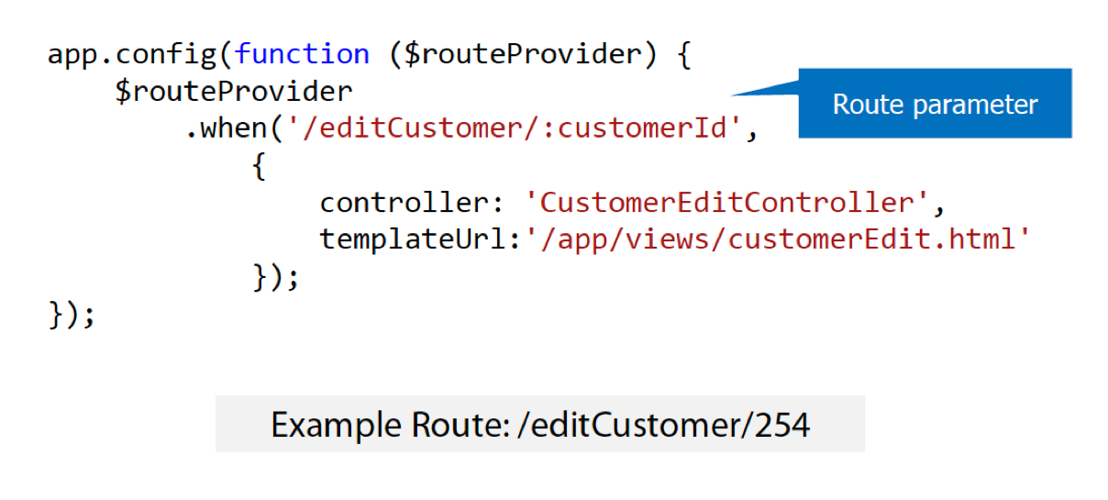
Controller | as a "brain" for a view: interact with view using the $scope; defines property and method; knows how to retrieve data from factory or service. Because the view is just a projection of the model, the controller is completely separated from the view and unaware of it. This makes testing a snap because it is easy to test your controller in isolation without the view and the related DOM/browser dependency. Use controllers to: • Set up the initial state of the $scope object. • Add behavior to the $scope object. Do not use controllers to: • Manipulate DOM — Controllers should contain only business logic. Putting any presentation logic into Controllers significantly affects its testability. Angular has databinding for most cases and directives to encapsulate manual DOM manipulation. • Format input — Use angular form controls instead. • Filter output — Use angular filters instead. • Share code or state across controllers — Use angular services instead. • Manage the life-cycle of other components (for example, to create service instances).
Service vs. provider vs. factory | Services Syntax: module.service( 'serviceName', function ); Result: When declaring serviceName as an injectable argument you will be provided with an instance of the function. In other words new FunctionYouPassedToService(). Factories Syntax: module.factory( 'factoryName', function ); Result: When declaring factoryName as an injectable argument you will be provided with the value that is returned by invoking the function reference passed to module.factory. Providers Syntax: module.provider( 'providerName', function ); Result: When declaring providerName as an injectable argument you will be provided with (new ProviderFunction()).$get(). The constructor function is instantiated before the $get method is called - ProviderFunction is the function reference passed to module.provider. Providers have the advantage that they can be configured during the module configuration phase.
Value and Constant | constant and value provide a way to give more basic type of setting not specific to factory, services or other types of components in your app. such as title or version of your app.
$http | The $http service is a function which takes a single argument — a configuration object — that is used to generate an HTTP request and returns a promise with two $http specific methods: success and error.
$watch(watchExpression, listener, [objectEquality]); | $watches can be used to watch any value, and trigger a function call when that value changes. A $watch can be set up from any $scope by calling $scope.$watch() as shown below. The listener callback to be executed whenever the watchExpression changes. The watchExpression is called on every call to $digest() and should return the value that will be watched, the watch listener may change the model, after a watcher is registered with the scope, the listener fn is called asynchronously (via $evalAsync) to initialize the watcher. In rare cases, this is undesirable binfiniteecause the listener is called when the result of watchExpression didn't change. To detect this scenario within the listener fn, you can compare the newVal and oldVal. If these two values are identical (===) then the listener was called due to initialization.
$digest(); | loop through all of the watchers of the current scope and its children. Because a watcher's listener can change the model, the $digest()keeps calling the watchers until no more listeners are firing. This means that it is possible to get into an infinite loop. This function will throw 'Maximum iteration limit exceeded.' if the number of iterations exceeds 10. Usually, you don't call $digest() directly in controllers or in directives. Instead, you should call $apply() (typically from within a directive), which will force a $digest(). If you want to be notified whenever $digest() is called, you can register a watchExpression function with $watch() with no listener. In unit tests, you may need to call $digest() to simulate the scope life cycle.
$apply([exp]); | it is used to propagate any model changes through the system into the view from outside of the angular framework. (For example from browser DOM events, setTimeout, XHR or third party libraries). it's a wrapper around $rootScope.$digest that evaluates any expression passed to it ,then calling $digest().
Rootscope | Each Angular application has exactly one root scope, but may have several child scopes. evaluation of {{department}}prototypically inherits from root scope, as it is the only place where the department property is defined.
Custom directives to access the DOM | In Angular, the only place where an application should access the DOM is within directives. This is important because artifacts that access the DOM are hard to test. If you need to access the DOM directly you should write a custom directive for this. angular.module('moduleName') .directive('myDirective', function () { return { restrict: 'EA', //E = element, A = attribute, C = class, M = comment scope: { //@ reads the attribute value, = provides two-way binding, & works with functions title: '@' }, template: '<div>{{ myVal }}</div>', templateUrl: 'mytemplate.html', controller: controllerFunction, //Embed a custom controller in the directive link: function ($scope, element, attrs) { } //DOM manipulation } }); restrict: Determines where a directive can be used (as an element, attribute, CSS class, or comment). scope: Used to create a new child scope or an isolate scope. template: Defines the content that should be output from the directive. Can include HTML, data binding expressions, and even other directives. templateUrl: Provides the path to the template that should be used by the directive. It can optionally contain a DOM element id when templates are defined in <script> tags. controller: Used to define the controller that will be associated with the directive template. link: Function used for DOM manipulation tasks.
The compile() and link() functions: | If you need to do something more advanced inside your directive, something that you cannot do with an HTML template, you can use the compile() and link() functions instead. The compile() and link() functions define how the directive is to modify the HTML that matched the directive. When the directive is first compiled by AngularJS (first found in the HTML), the compile() function is called. The compile() function can then do any one-time configuration of the element needed. The compile() function finishes by returning the link() function. The link() function is called every time the element is to be bound to data in the $scope object. As mentioned, you add the compile() function to the directive definition object, and the compile() function has to return the link() function when executed. Here is how that looks: <div ng-controller="MyController" > <userinfo >This will be replaced</userinfo> </div> <script> myapp = angular.module("myapp", []); myapp.directive('userinfo', function() { var directive = {}; directive.restrict = 'E'; /* restrict this directive to elements */ directive.compile = function(element, attributes) { element.css("border", "1px solid #cccccc"); var linkFunction = function($scope, element, attributes) { element.html("This is the new content: " + $scope.firstName); element.css("background-color", "#ffff00"); } return linkFunction; } return directive; }) myapp.controller("MyController", function($scope, $http) { $scope.cssClass = "notificationDiv"; $scope.firstName = "Jakob"; $scope.doClick = function() { console.log("doClick() called"); } }); </script>
Custom directive include 3 kinds of scope: | 1.shared scope Shared scope simply means that the directive works with the same scope that is already available for the DOM node where the directive appears without creating a new one 2.inherited scope A new scope is created for our directive, but it inherits all the properties of the parent scope through JavaScript's prototypal inheritance; if a value is assigned to a property on the new directive's scope and the same property already exists in the parent, accessing the property value directly in the new scope will in fact override the parent's property value and any change to the property in the parent will not be propagated anymore to the child scope. 3.isolated scope: sometimes when we create our own custom directive, we can only use it once within a given scope. We'd need to create a different controller each time in order to re-use such a directive, it is kind of waste of time and inefficiency, so what we want to be able to do is separate the scope inside a directive from the scope outside, and then map the outer scope to a directive's inner scope. We can do this by creating what we call an isolate scope this type is requested when scope is an object {} in the definition object. The object of the scope property (called scope option) can be empty or can have some properties specified in the following ways: One Way binding (read-only access):'@' Two Way binding (read/write access):'=' Method binding:'&'
3 kinds of Dependency Injection | Inline Array Annotation(preferred) someModule.controller('MyController', ['$scope', 'greeter', function($scope, greeter) { // ... }]); $inject Property Annotation var MyController = function($scope, greeter) { // ... } MyController.$inject = ['$scope', 'greeter']; someModule.controller('MyController', MyController); Implicit Annotation someModule.controller('MyController', function($scope, greeter) { // ... }); Difference: First two allow the minifiers to rename the function parameters and still be able to inject the right services. Be careful when you use Implicit Annotation. If you plan to minify your code, your service names will get renamed and break your app. Solution: ng-annotate let you use implicit dependency annotations in your app and automatically add inline array annotations prior to minifying. If you decide to take this approach, you probably want to use ng-strict-di. Ng-strict-di: <html ng-app="myApp" ng-strict-di> Strict mode throws an error whenever a service tries to use implicit annotations.
3 ways to access Custom directive

