BugNo.1
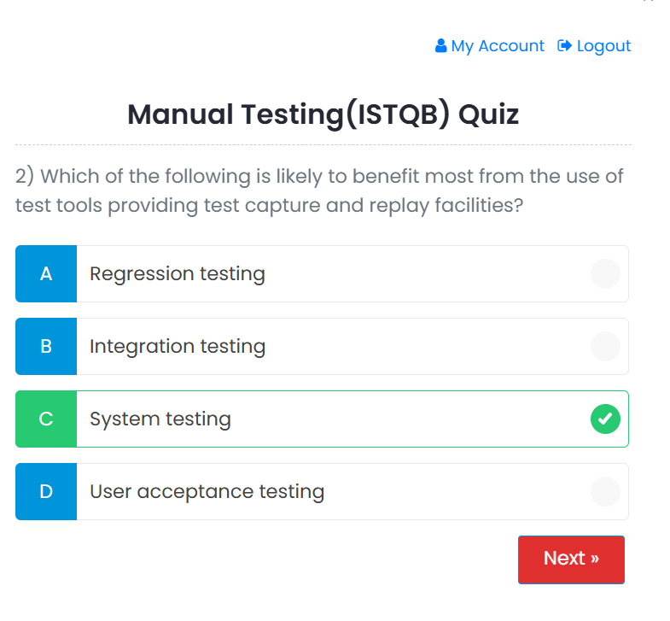
 | Bug Reporting Form

1 | Bug ID:- qajbktest.com_001
2 | Title of Bug:- Quiz functionality not working properly.
3 | Bug Description:- When we take quiz at that time we not select the any answer of Question and click on next button then next question is arrieved on pop up.
4 | Steps To Reproduce:- 1-Click on "Testing" tab. 2-Click on "Manual Testing" tab. 3- Select radio button of question number. 4-Click on "Next" button. 5-Enter Valid Mobile number in textbox. 6-Click on "Login" button. 7- Do not click on any option of question. 8-Click on "Next" button.
5 | Test Case ID:- TC_030
6 | Severity:- High
7 | Priority of Bug:- High
8 | Staus of Bug:- New
9 | Reproducibility:-Always
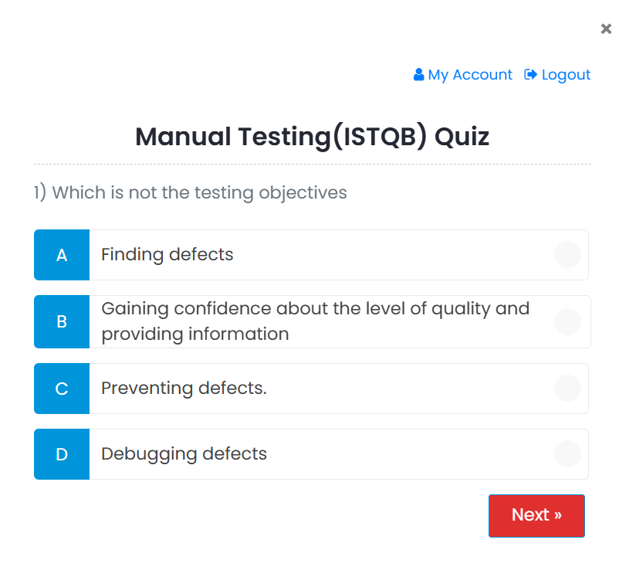
10 | Screenshot:-

BugNo.2
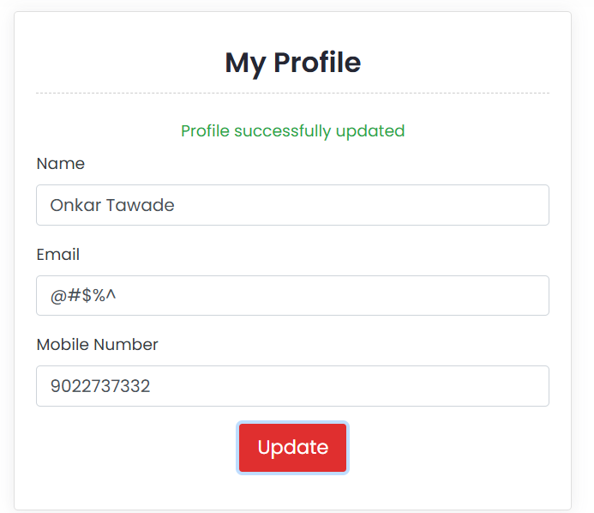
 | Bug Reporting Form

1 | Bug ID:- qajbktest.com_002
2 | Title of Bug:- Profile update not working properly.
3 | Bug Description:- When we open qajbktest.com and try to update profile information so system will take any alphanumeric character in email id textbox so by requirements should not take any invalid input in email id textbox.
4 | Steps To Reproduce:- 1-Open qajbktest.com . 2-Click on "Manual Testing" tab. 3- Select radio button of question number. 4-Click on "Next" button. 5-Enter Valid Mobile number in textbox. 6-Click on "Login" button. 7- Click on My account button. 8-Click on Profile button. 9-click on "Email" Textbox. 10.Enter any email id(gh$#%*&) 11.Click on update button
5 | Test Case ID:- TC_042
6 | Severity:- Medium
7 | Priority of Bug:- High
8 | Staus of Bug:- New
9 | Reproducibility:-Always
10 | Screenshot:-

BugNo.3
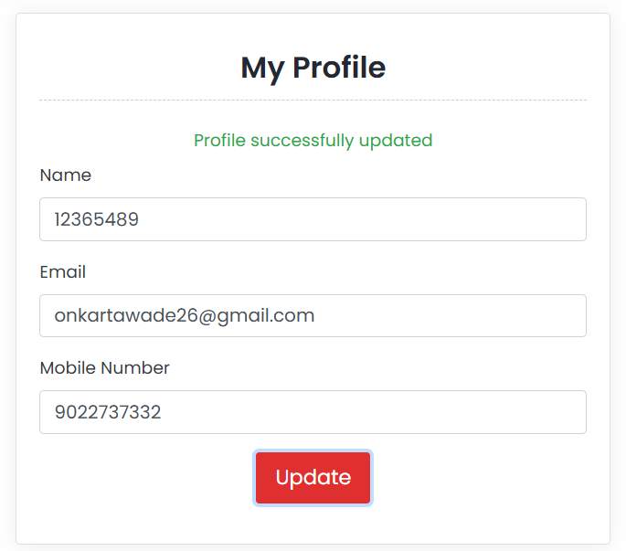
 | Bug Reporting Form

1 | Bug ID:- qajbktest.com_002
2 | Title of Bug:- Profile update not working properly.
3 | Bug Description:- When we open qajbktest.com and try to update profile information so system will also take Numeric value in Name textbox so by requirements should not take any invalid input in Name textbox.
4 | Steps To Reproduce:- 1-Open qajbktest.com . 2-Click on "Manual Testing" tab. 3- Select radio button of question number. 4-Click on "Next" button. 5-Enter Valid Mobile number in textbox. 6-Click on "Login" button. 7- Click on My account button. 8-Click on Profile button. 9-click on "Name" Textbox. 10.Enter any Numeric value (123654789). 11.Click on update button
5 | Test Case ID:- TC_041
6 | Severity:- Medium
7 | Priority of Bug:- High
8 | Staus of Bug:- New
9 | Reproducibility:-Always
10 | Screenshot:-

BugNo.4
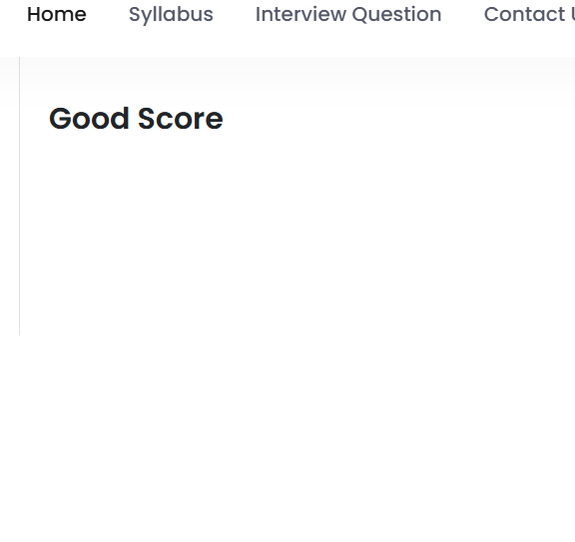
 | Bug Reporting Form

1 | Bug ID:- qajbktest.com_002
2 | Title of Bug:- In Dashboard functionality "Your Good Score" not working.
3 | Bug Description:- When we open qa.jbktest.com and go to "Dashboard" functionality and click on "Your Good Score" so its totally blank not showing any results.
4 | Steps To Reproduce:- 1-Open qajbktest.com . 2-Click on "Manual Testing" tab. 3- Select radio button of question number. 4-Click on "Next" button. 5-Enter Valid Mobile number in textbox. 6-Click on "Login" button. 7- Click on My account button. 8-Click on "Your Good Score" button.
5 | Test Case ID:- TC_033
6 | Severity:- Medium
7 | Priority of Bug:- High
8 | Staus of Bug:- New
9 | Reproducibility:-Always
10 | Screenshot:-

