DALLAS GAMES
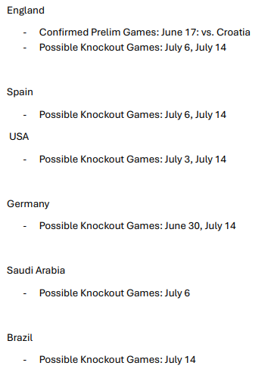
DALLAS COPART CLIENT ENTERTAINMENT - PROBABILITY ANALYSIS

Note - Dynamically showing what 2E could be with probability/chance -- NEXT STEPS
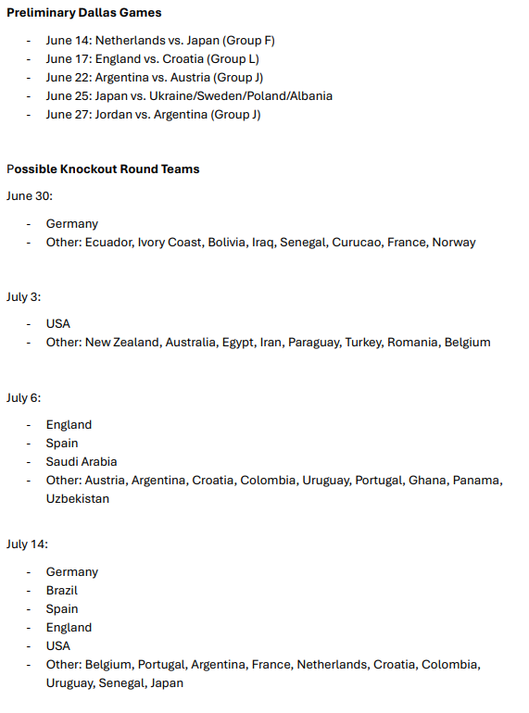
RECOMMENDED CLIENT INVITE STRATEGY
Priority | Date | Match | Teams | Clients | Notes
P0 - BOOK NOW | Jun 14 | M11 (Group F) | Netherlands vs Japan
P0 - BOOK NOW | Jun 17 | M21 (Group L) | England vs Croatia |  | Premium European matchup (2018 semifinals)
P0 - BOOK NOW | Jun 22 | M43 (Group J) | Argentina vs Austria |  | Defending champs
P0 - BOOK NOW | Jun 27 | M70 (Group J) | Argentina vs Jordan
P1 - MONITOR | Jun 30 | M78 (R32) | 2E vs 2I |  | Germany/France possible
P1 - MONITOR | Jul 3 | M88 (R32) | 2D vs 2G |  | USA/Belgium possible
P2 - TENTATIVE | Jul 6 | M93 (R16) | W83 vs W84 |  | Top teams
P0 - BOOK NOW | Jul 14 | M101 (SF) | W97 vs W98 |  | SEMIFINAL - Premium

