Products
Product Name | Description | Category | Sub Category | Inner Category | Image | Is Active | Variant Size | Variant MRP | Variant Stock | Variant Unit
Rose Water Toner | 100% Pure steam-distilled rose water. | Beauty | SkinCare | Face Wash | 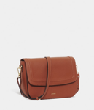 | TRUE | 100 | 299 | 50 | ml
Rose Water Toner |  |  |  |  |  | TRUE | 250 | 599 | 120 | ml
Sandalwood Soap | Handmade natural bathing bar. | Beauty | SkinCare | Body Lotions | 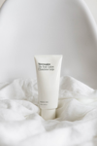 | TRUE | 125 | 150 | 200 | gm
Sandalwood Soap |  |  |  |  |  | TRUE | 200 | 220 | 85 | gm
Vitamin C Serum | Brightening face serum. | Beauty | SkinCare | Face Wash | 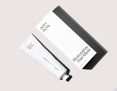 | TRUE | 30 | 899 | 40 | ml

