Sheet1
 |  |  |  |  |  |  |  |  |  |  |  |  |  |  |  |  |  |  |  | Employee |  |  |  |  |  |  |  | Alliance 1st | Alliance 2nd
EMP_ID | Name | Bank Name | Bank Acct No | Passed Probation? | Basic | Petrol Allowance | Incentive | Dishwash Incentive | Penalty Food Quality | Unpaid Day | Working Day | Leave Day | Wage / Day | Total Deductions | Gross Salary | holiday extra | OT hour | OT rate | OT pay | PCB | EPF | SOCSO | EIS | EPF | SOCSO | EIS | Net Emp Salary | Net Overtime | Total Employee EPF | Total Employer EPF | Salary with OT | Basic+ OT before EPF | Salary After EPF | Total Salary Paid | Checked
ON00010 | cheong fong cheng | Cimb | 7000986177 | Y | 5000 |  |  |  |  |  |  |  |  |  | 5000 |  |  |  | 0 | 109.45 | 550 | 24.75 | 9.9 | 650 | 86.65 | 9.9 | 4305.9 | 0 | 584.65 | 746.55 | 4305.9 | 5000 |  | 5746.55
ON00028 | Tan Kui Thean | Maybank | 164061854800 | Y | 3200 |  | 0 |  |  |  |  |  |  |  | 3200 |  |  | 15 | 200 |  | 352 | 15.75 | 6.3 | 416 | 55.15 | 6.3 | 2825.95 | 200 | 374.05 | 477.45 | 3025.95 | 3400 |  | 3877.45
ON00022 | Mohd Aminludin Bin Yahya | Maybank | 164061840677 | N | 2400 |  | 200 |  |  |  |  |  |  |  | 2600 |  | 37 | 15 | 555 |  |  |  |  |  |  |  | 2600 | 555 |  |  | 3155
ON00030 | HOU CHING | Public Bank | 5102691912 | N |  |  |  |  |  |  |  |  |  |  |  |  | 12.5 | 8 | 100 |  |  |  |  |  |  |  |  | 100 |  |  | 100 |  |  | 100
ON00042 | Ong Peir Ann | Public Bank | 5097798113 | N |  |  |  |  |  |  |  |  |  |  |  |  | 19 | 8 | 152 |  |  |  |  |  |  |  |  | 152 |  |  | 152 |  |  | 152
ON00012 | mohd hafizal bin azahar | Public Bank | 4798247316 | N | 3000 |  |  |  |  |  | 21 |  | 115.38461538 |  | 2423.08 |  | 28.6 | 15 | 429 |  |  |  |  |  |  |  | 2423.0769231 | 429 |  | 0 | 2852.0769231 | 2852.0769231 |  | 2852.0769231
ON00047 | Soh Jia Man | Public Bank | 5089470408 |  |  |  |  |  |  |  |  |  |  |  |  |  | 31.5 | 8 | 252.00 |  |  |  |  |  |  |  |  | 252 |  |  | 252
ON00048 | Thulasi raj Murugan | Cimb bank | 7651498174 |  |  |  |  |  |  |  |  |  |  |  |  |  | 69 | 8 | 552.00 |  |  |  |  |  |  |  |  | 552 |  |  | 552 |  |  | Total Salary for May
ON00050 | Chen prng ling | Chen peng ling | 5047776827 |  |  |  |  |  |  |  |  |  |  |  |  |  | 117 | 8 | 936.00 |  |  |  |  |  |  |  |  | 936 |  |  | 936 |  |  | 9876
 | Tay Jun Xi |  |  |  |  |  |  |  |  |  |  |  |  |  |  |  | 57 | 8 | 456.00 |  |  |  |  |  |  |  |  | 456 |  |  | 456
ON00055 | Nay Lin zaw | Merchantrade | 500001618970 |  |  |  |  |  |  |  | 8 |  | 88.461538462 |  | 707.69230769 |  |  |  |  |  |  |  |  |  |  |  | 0 | 707.69 |  |  | 707.69230769
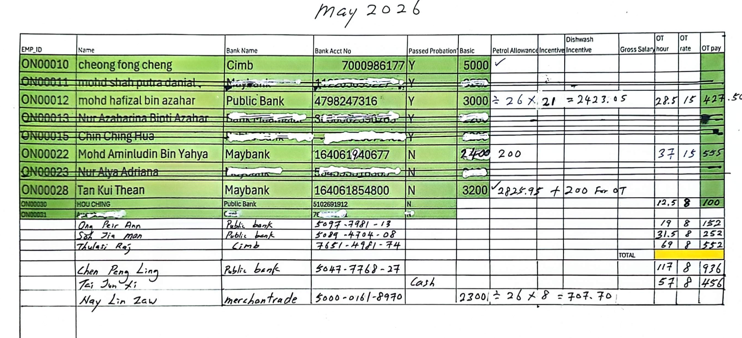
 |  |  |  |  |  |  |  |  |  |  |  |  |  |  |  |  |  |  |  |  |  |  |  |  |  |  |  | Pay 1 June |  |  | Total Salary
 |  |  |  |  |  |  |  |  |  |  |  |  |  |  |  |  |  |  |  |  |  |  |  |  |  |  |  | 16494.619231 |  |  | 18677.319231

