Output Requirements
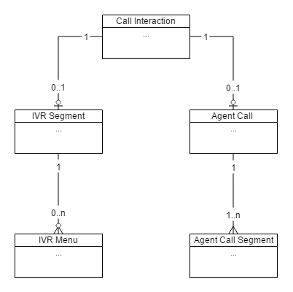
Step 1 | IVR Segment | USE ORIGINAL "IVR SEGMENTS" DATA AS INPUT AND REMOVE ALL RECORDS OF TYPE = DUP
 | start_time | pass through from input (event_timestamp)
 | end_time | start_time + sum(values in field menuDuration). Use start_time if field menuDuration is empty
 | duration | calculated field: end_time - start_time (in seconds)
 | acct_id | pass through from input
 | call_id | pass through from input
 | numberDialed | pass through from input
 | menu_count | count of elements in field menuId (e.g., 40406147~40406501~80200519 = 3)

Step 2 | IVR Menus | USE ORIGINAL "IVR SEGMENTS" DATA, ITERATE OVER ITEMS IN MENU ID FIELD (IGNORING RECORDS OF TYPE = DUP) TO CREATE ONE RECORD FOR EACH ELEMENT
 | start_time | ivr_segment.event_timestamp + sum(values in field menuDuration matching up to previous menuId). Example: ivr_segment.start_time = 14:45:17 menuId: 123~456~789 menuDuration: 10~5~4 menuInput: X~1~X Expected Output: 14:45:17, 14:45:27, 10, [...], [...], 123,X 14:45:27, 14:45:32, 5, [...], [...], 456,1 14:45:32, 14:45:36, 4, [...], [...], 789,X
 | end_time | ivr_segment.event_timestamp + sum(values in field menuDuration matching up to current menuId). See example above
 | duration | calculated field: end_time - start_time (in seconds)
 | acct_id | pass through from input/parent
 | call_id | pass through from input/parent
 | menuId | value of current menuId (see example above)
 | menuInput | value of current menuInput (see example above)

Step 3 | Agent Call Segment | USE ORIGINAL "AGENT CALL SEGMENTS" DATA AS INPUT
 | start_time | pass through from input (event_timestamp)
 | end_time | pass through from input (end_time_timestamp)
 | duration | calculated field: end_time - start_time (in seconds)
 | acct_id | pass through from input
 | call_id | pass through from input
 | answer_time_timestamp | pass through from input
 | hangup_time_timestamp | pass through from input
 | sequence_no | pass through from input
 | trans_to | pass through from input
 | prim_agent | pass through from input
 | agentID | pass through from input
 | agentSkillId | pass through from input
 | agentGroupId | pass through from input
 | CallType | pass through from input
 | CallDisposition | pass through from input
 | NetworkTime | pass through from input
 | RingTime | pass through from input
 | DelayTime | pass through from input
 | TimeToAband | pass through from input
 | HoldTime | pass through from input
 | TalkTime | pass through from input
 | WorkTime | pass through from input
 | LocalQTime | pass through from input
 | ConferenceTime | pass through from input
 | callReason | pass through from input
 | productType | pass through from input

Step 4 | Agent Call Interaction | CREATE ONE RECORD FOR EACH CALL_ID THAT EXISTS IN AGENT CALL SEGMENTS TABLE
 | start_time | min(agent_call_segment.start_time)
 | end_time | max(agent_call_segment.end_time)
 | duration | calculated field: end_time - start_time (in seconds)
 | acct_id | Use acct_id from first agent call segment
 | call_id | Use call_id from first agent call segment
 | primaryAgentCount | calculated field: count of agent call segments where primary_agent = YES
 | totalAgentCount | calculated field: count of total agent call segments

Step 5 | Call Interaction | CREATE ONE RECORD FOR EACH CALL_ID THAT EXISTS IN IVR_SEGMENT AND/OR AGENT_CALL TABLE
 | start_time | min(ivr_segment.start_time, agent_call.start_time)
 | end_time | max(ivr_segment.end_time, agent_call.end_time)
 | duration | calculated field: end_time - start_time (in seconds)
 | acct_id | If call has IVR Segment, use ivr_segment.acct_id. Else use agent_call.acct_id
 | call_id | If call has IVR Segment, use ivr_segment.call_id. Else use agent_call.call_id
 | type | Indicate if call interaction has an IVR Segment, an Agent Call Interaction or both (values: ivr_only, agent_only, ivr_and_agent)

