COPYRIGHT NOTICE
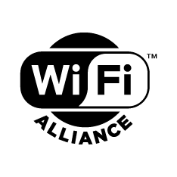
AFC System (SUT) Compliance Test Vectors
© 2023 Wi-Fi Alliance. All Rights Reserved. WI-FI ALLIANCE PROPRIETARY – SUBJECT TO CHANGE WITHOUT NOTICE This document may be used with the permission of Wi-Fi Alliance under the terms set forth herein. By your use of the document, you are agreeing to these terms. Unless this document is clearly designated as an approved specification, this document is a work in process and is not an approved Wi-Fi Alliance specification. This document is subject to revision or removal at any time without notice. Information contained in this document may be used at your sole risk. Wi-Fi Alliance assumes no responsibility for errors or omissions in this document. This copyright permission does not constitute an endorsement of the products or services. Wi-Fi Alliance trademarks and certification marks may not be used unless specifically allowed by Wi-Fi Alliance. Wi-Fi Alliance has not conducted an independent intellectual property rights ("IPR") review of this document and the information contained herein, and makes no representations or warranties regarding IPR, including without limitation patents, copyrights or trade secret rights. This document may contain inventions for which you must obtain licenses from third parties before making, using or selling the inventions. Wi-Fi Alliance owns the copyright in this document and reserves all rights therein. A user of this document may duplicate and distribute copies of the document in connection with the authorized uses described herein, provided any duplication in whole or in part includes the copyright notice and the disclaimer text set forth herein. Unless prior written permission has been received from Wi-Fi Alliance, any other use of this document and all other duplication and distribution of this document are prohibited. Unauthorized use, duplication, or distribution is an infringement of Wi-Fi Alliance’s copyright. NO REPRESENTATIONS OR WARRANTIES (WHETHER EXPRESS OR IMPLIED) ARE MADE BY WI-FI ALLIANCE AND WI-F

