Read Me
About This File
This file is a supplement to the "Electrification Futures Study: Scenarios of Electric Technology Adoption and Power Consumption for the United States" report. The file contains the data from the figures in the main body of the report and selct figures from the appendices and text boxes. Each tab in this file corresponds with the same figure number in the report. Tabs for figures in the text boxes are labeled using "TB" preceding the text box number. Data for the figure in Appendix F is included in tab "F.1".
The EFS can be found here: https://www.nrel.gov/docs/fy18osti/71500.pdf
Additional information and detail about the data is provided in the figure caption, figure notes, and text in the report. The additional information includes data source, scope, definition, units, and numerical adjustments.

1.1
Figure 1.1. Primary energy consumption shares in 2015

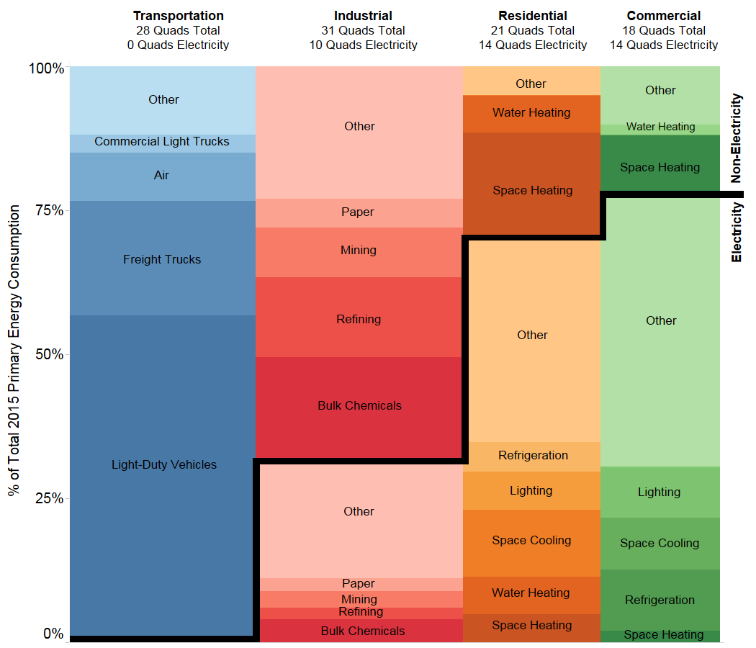
 | [Quads]
 |  | Electricity | Non-Electricity
Transportation | Light-Duty Vehicles | 0 | 15.8
 | Freight Trucks | 0 | 5.5
 | Air | 0 | 2.4
 | Commercial Light Trucks | 0 | 0.9
 | Other | 0.1 | 3.3
Industrial | Bulk Chemicals | 1.3 | 5.6
 | Refining | 0.6 | 4.3
 | Mining | 0.9 | 2.7
 | Paper | 0.7 | 1.6
 | Other | 6.4 | 7.2
Residential | Space Heating | 1 | 3.8
 | Water Heating | 1.4 | 1.3
 | Space Cooling | 2.4 | 0
 | Lighting | 1.3 | 0
 | Refrigeration | 1.1 | 0
 | Other | 7.2 | 1
Commercial | Space Heating | 0.4 | 1.9
 | Refrigeration | 1.9 | 0
 | Space Cooling | 1.6 | 0
 | Lighting | 1.6 | 0
 | Water Heating | 0.1 | 0.3
 | Other | 8.4 | 1.8

