Optimization Model
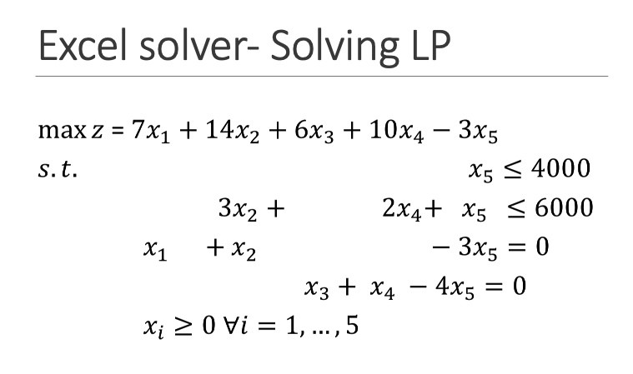
objective (max)
 | value | 172666.66667
 | coefficients | 7 | 14 | 6 | 10 | -3
variables
 | x | 11333.333333 | 666.66666667 | 16000 | 0 | 4000 |  | type: non-negative

constraints |  |  |  |  |  |  | sumproduct |  | RHS | slack/surplus
 | constraint 1 |  |  |  |  | 1 | 4000 | <= | 4000 | 0
 | constraint 2 |  | 3 |  | 2 | 1 | 6000 | <= | 6000 | 0
 | constraint 3 | 1 | 1 |  |  | -3 | 0 | = | 0 | 0
 | constraint 4 |  |  | 1 | 1 | -4 | 0 | = | 0 | 0

