BIL OF MATERIALS
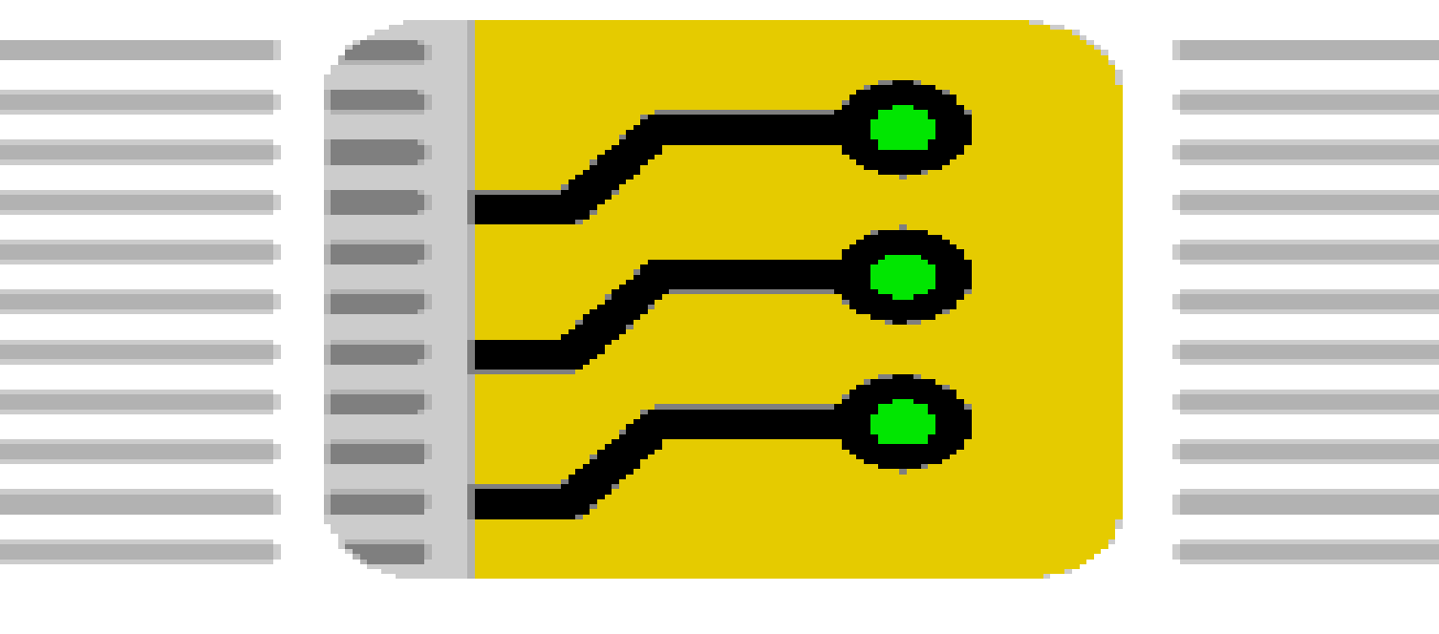

 |  |  | Kunde: | Mirko Häberlin - open-things
 |  |  | Projektname: | Openthing 1 - ESP-CM3
 |  |  | Menge: | 20, 100

 | KRÜGER & GOTHE GMBH
 | electronic products and services

 | Atzendorfer Str. 19 • 39418 Staßfurt
 | www.kug-ems.de

Pos. | CPN interne Kundenartikelnummer costumer part number | Beschreibung Artikelparameter describtion | Referenzen credentials | T/B | Menge Quantity | MPN Herstellerteilenummer manufacturer part number | Hersteller Manufacturer | MPN Alternative 1 | Hersteller Alternative 1 | MPN Alternative 2 | Hersteller Alternative 2 | Bemerkung
0001 |  | Capacitor 1µF 0603 | C1, C2, C7, C8 | T | 4 | 1uF
0002 |  | Capacitor 0.1µF 0603 | C3, C4, C6 | T | 3 | 0.1uF
0003 |  | Capacitor 10µF 0603 | C5 | T | 1 | 10uF
0004 |  | LED Rot 0603 | D1 | T | 1 | LED RED
0005 |  | 603 | D2 | T | 1 | LED GREEN TX
0006 |  | 603 | D3 | T | 1 | LED GREEN RX
0007 |  | SCHOTTKY Diode SOD-123 | D4, D5 | T | 2 | 1N5819HW-7-F
0008 |  | DDR2-SO-DIMM-Sockel | J1 | T | 1 | 1612618-4 | TE Connectivity
0009 |  | PinHeader_1x06_P2.54mm_Vertical | J12, J2 | T | 2 | Conn_01x06_Pin
0010 |  | PinHeader_1x04_P2.54mm_Vertical | J3, J4, J9 | T | 3 | Conn_01x04_Pin
0011 |  | GCT_USB4105-GF-A | J6, J7 | T | 2 | USB4105-GF-A | Global Connector Technology (GCT) | TYPE-C-31-M-12 | Korean Hroparts Elec
0012 |  | PinHeader_2x16_P2.54mm_Vertical | J8 | T | 1 | Conn_02x16_Odd_Even
0013 |  | NPN+NPN-Digitaltransistor SOT-363_SC-70-6 | Q1 | T | 1 | UMH3N | ROHM Semiconductor
0014 |  | Widerstand 1k 0603 | R1, R10, R11, R12 | T | 4 | 1k
0015 |  | Widerstand 0R 0603 | R13, R14 | T | 2 | 0R
0016 |  | Widerstand 5.1k 0603 | R2, R4, R5, R7 | T | 4 | 5k1
0017 |  | Widerstand 10k 0603 | R3, R6 | T | 2 | 10k
0018 |  | Widerstand 22.1k 0603 | R8 | T | 1 | 22.1k
0019 |  | Widerstand 47.5k 0603 | R9 | T | 1 | 47.5k
0020 |  | Sensorschalter 3.9x2.9x2.0mm 160gf SKRKAEE020 | SW1, SW2 | T | 2 | SKRKAEE020 | Alps Alpine
0021 |  | LDO Spannungs-Regulator 600mA CMOS LDO 50mA 3.3V 250mV SOT-23-5 | U1 | T | 1 | AP2112K-3.3 | Diodes Incorporated
0022 |  | ESD-Entstörer/TVS-Dioden High Speed Interface Protection Low Cap SOT-666 | U2, U3 | T | 2 | USBLC6-2P6 | STMicroelectronics
0023 |  | USB-IC-Schnittstelle USBXpress - USB to UART Bridge QFN-28-1EP_5x5mm_P0.5mm_EP3.35x3.35mm | U4 | T | 1 | CP2102N-Axx-xQFN28 | Silicon Labs
0024
0025

