Sheet1
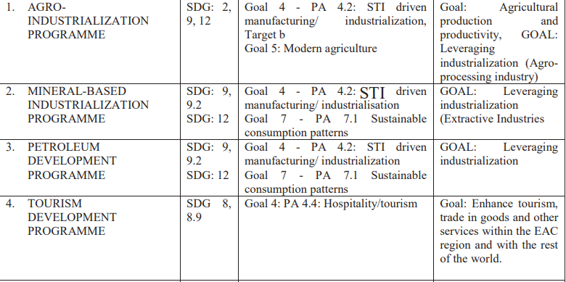
1

2

3

4

5

6

7

8

9

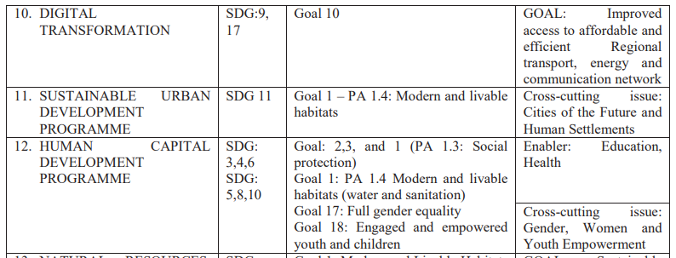
10

11

12

13

14

15

16

17

Goal

18

