BOM
Item | Part Number | Thumbnail | BOM Structure | Unit QTY | QTY | Stock Number | Description | REV | Vendor | Web Link | Estimated Cost | Company
1 | 60_Planktoscope_Base_half1_MIR | 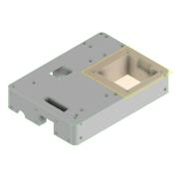 | Normal | Each | 1 |  |  |  | openUC2
2 | 60_Planktoscope_Sampleholder | 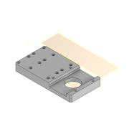 | Normal | Each | 1 |  |  |  | openUC2
3 | 00_NEMA11 | 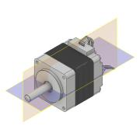 | Normal | Each | 1 |  | STEP AP203 |  | Reichelt
4 | 60_Planktoscope_Base_half_wormdrive_1 | 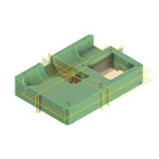 | Normal | Each | 2 |  |  |  | openUC2
5 | Schnecke | 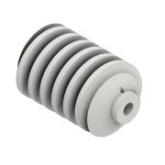 | Normal | Each | 1 |  |  |  | openUC2
6 | Schneckenrad | 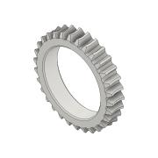 | Normal | Each | 1 |  |  |  | openUC2
7 | 00_10x_Objective_ViewSolutions_bm05073332 | 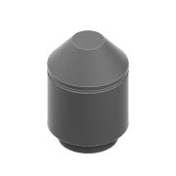 | Normal | Each | 1 |  |  |  | ViewSolutions
8 | 00_CCTV_Lens_Hikvision_50mm_2.8 | 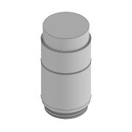 | Normal | Each | 1 |  |  |  | GetCameras
9 | MV-CA003-21UMUC | 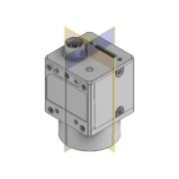 | Normal | Each | 1 |  |  | 1LAST_VERSION | @Haoran
10 | 00_NEMA_17 | 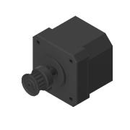 | Normal | Each | 1 |  | STEP AP203 |  | Reichelt
11 | 00_NEMA17_Perestalticpump_Adapter | 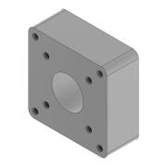 | Normal | Each | 1 |  |  |  | Amazon
12 | 00_Microscope_Slide |  | Normal | Each | 1 |  |  |  | Amazon | https://www.amazon.de/Vorbereitete-Objekttr%C3%A4ger-grundlegende-Wissenschaft-verschiedenen/dp/B08V1JPZ9H/ref=asc_df_B08V1JQ9MK/?tag=googshopde-21&linkCode=df0&hvadid=546530394918&hvpos=&hvnetw=g&hvrand=3236314921295371279&hvpone=&hvptwo=&hvqmt=&hvdev=c&hvdvcmdl=&hvlocint=&hvlocphy=9042960&hvtargid=pla-1393852052399&th=1 | $0.50
13 | 60_Planktoscope_Sampleholder_2 | 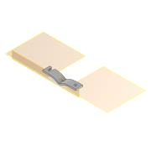 | Normal | Each | 1 |  |  |  | openUC2
14 | 60_Planktoscope_MicroscopeHolder_Bottom_v0 | 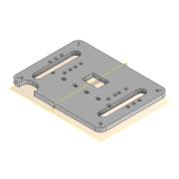 | Normal | Each | 1 |  |  |  | openUC2
15 | 00_UC2_ESP32-cnc_v3 | 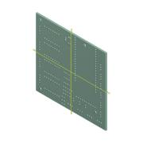 | Normal | Each | 1 |  | KiCad electronic assembly |  | openUC2 |  |  | Kicad
16 | 60_Planktoscope_Electronicsholder | 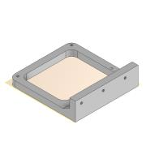 | Normal | Each | 1 |  |  |  | openUC2
17 | 60_Planktoscope_Illuminationsource | 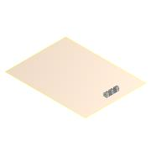 | Normal | Each | 1 |  |  |  | openUC2
18 | 60_Planktoscope_Sampleholder_spacer | 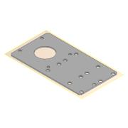 | Normal | Each | 1 |  |  |  | openUC2
19 | RECAMERA-3535_ASM_ASM | 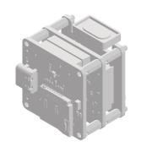 | Normal | Each | 1 |  |  | 1LAST_VERSION
20 | BoxCotout |  | Normal | Each | 1
21 | 60_Planktoscope_VentilationHole | 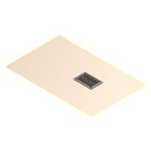 | Normal | Each | 1 |  |  |  | openUC2
22 | 60_Planktoscope_Cabletie | 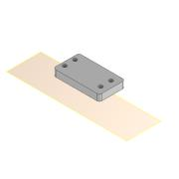 | Normal | Each | 1 |  |  |  | openUC2
23 | 60_Planktoscope_Illuminationsource_2 | 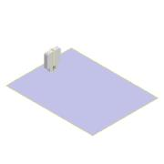 | Normal | Each | 1
24 | 60_Planktoscope_CornerPillars | 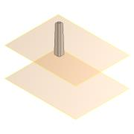 | Normal | Each | 4 |  |  |  | openUC2
25 | GST60A24 | 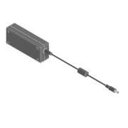 | Normal | Each | 1 |  | STEP AP214 | ANY | Amazon
26 | 00_USB3_Cable_camera | 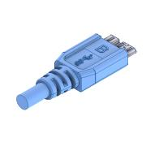 | Normal | Each | 1 |  |  |  | Amazon
27 | 00_OutdoorCase_Type2000_base | 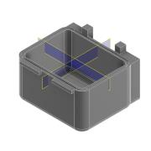 | Normal | Each | 1 |  |  |  | Stier
28 | 00_OutdoorCase_Type2000_toplid | 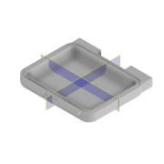 | Normal | Each | 1 |  |  |  | Stier
29 | 00_Tube_Silicon_DI3mm_DO5mm |  | Normal | Each | 1 |  |  |  | Amazon
30 | 00_USBMicro_Cable | 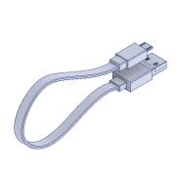 | Normal | Each | 1 |  |  |  | Amazon
31 | 00_Micro_Stepper_15mm_Gearbox | 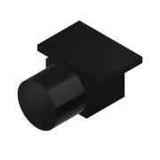 | Normal | Each | 1
32 | 00_Micro_Stepper_15mm_Gearbox_NEMA17Adapter | 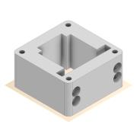 | Normal | Each | 1
33 | 00_Micro_Stepper_15mm_Gearbox_counterbearing | 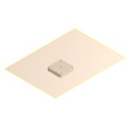 | Normal | Each | 1

