mstruct
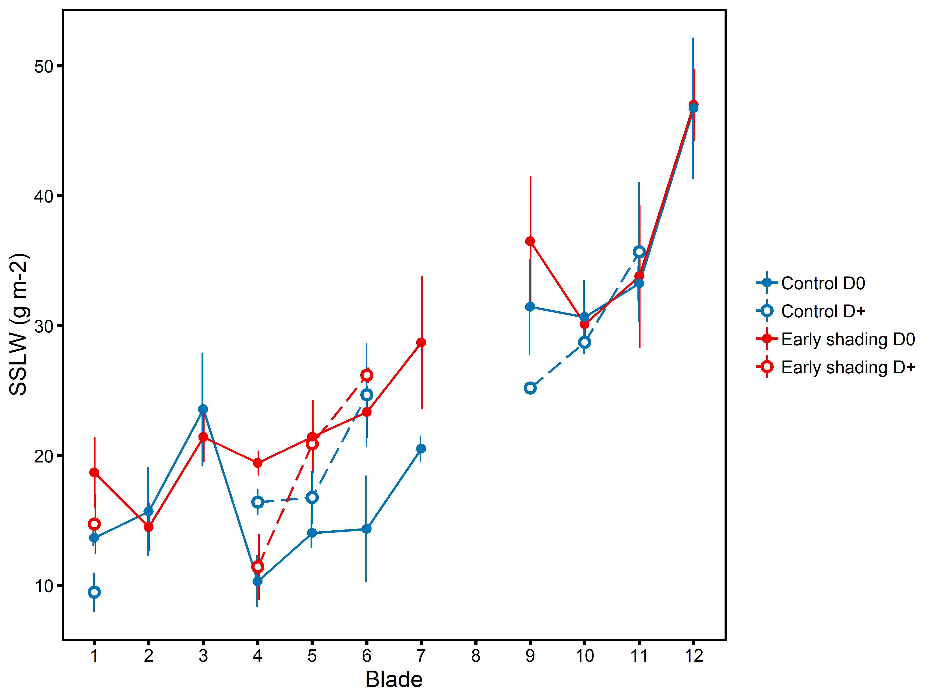
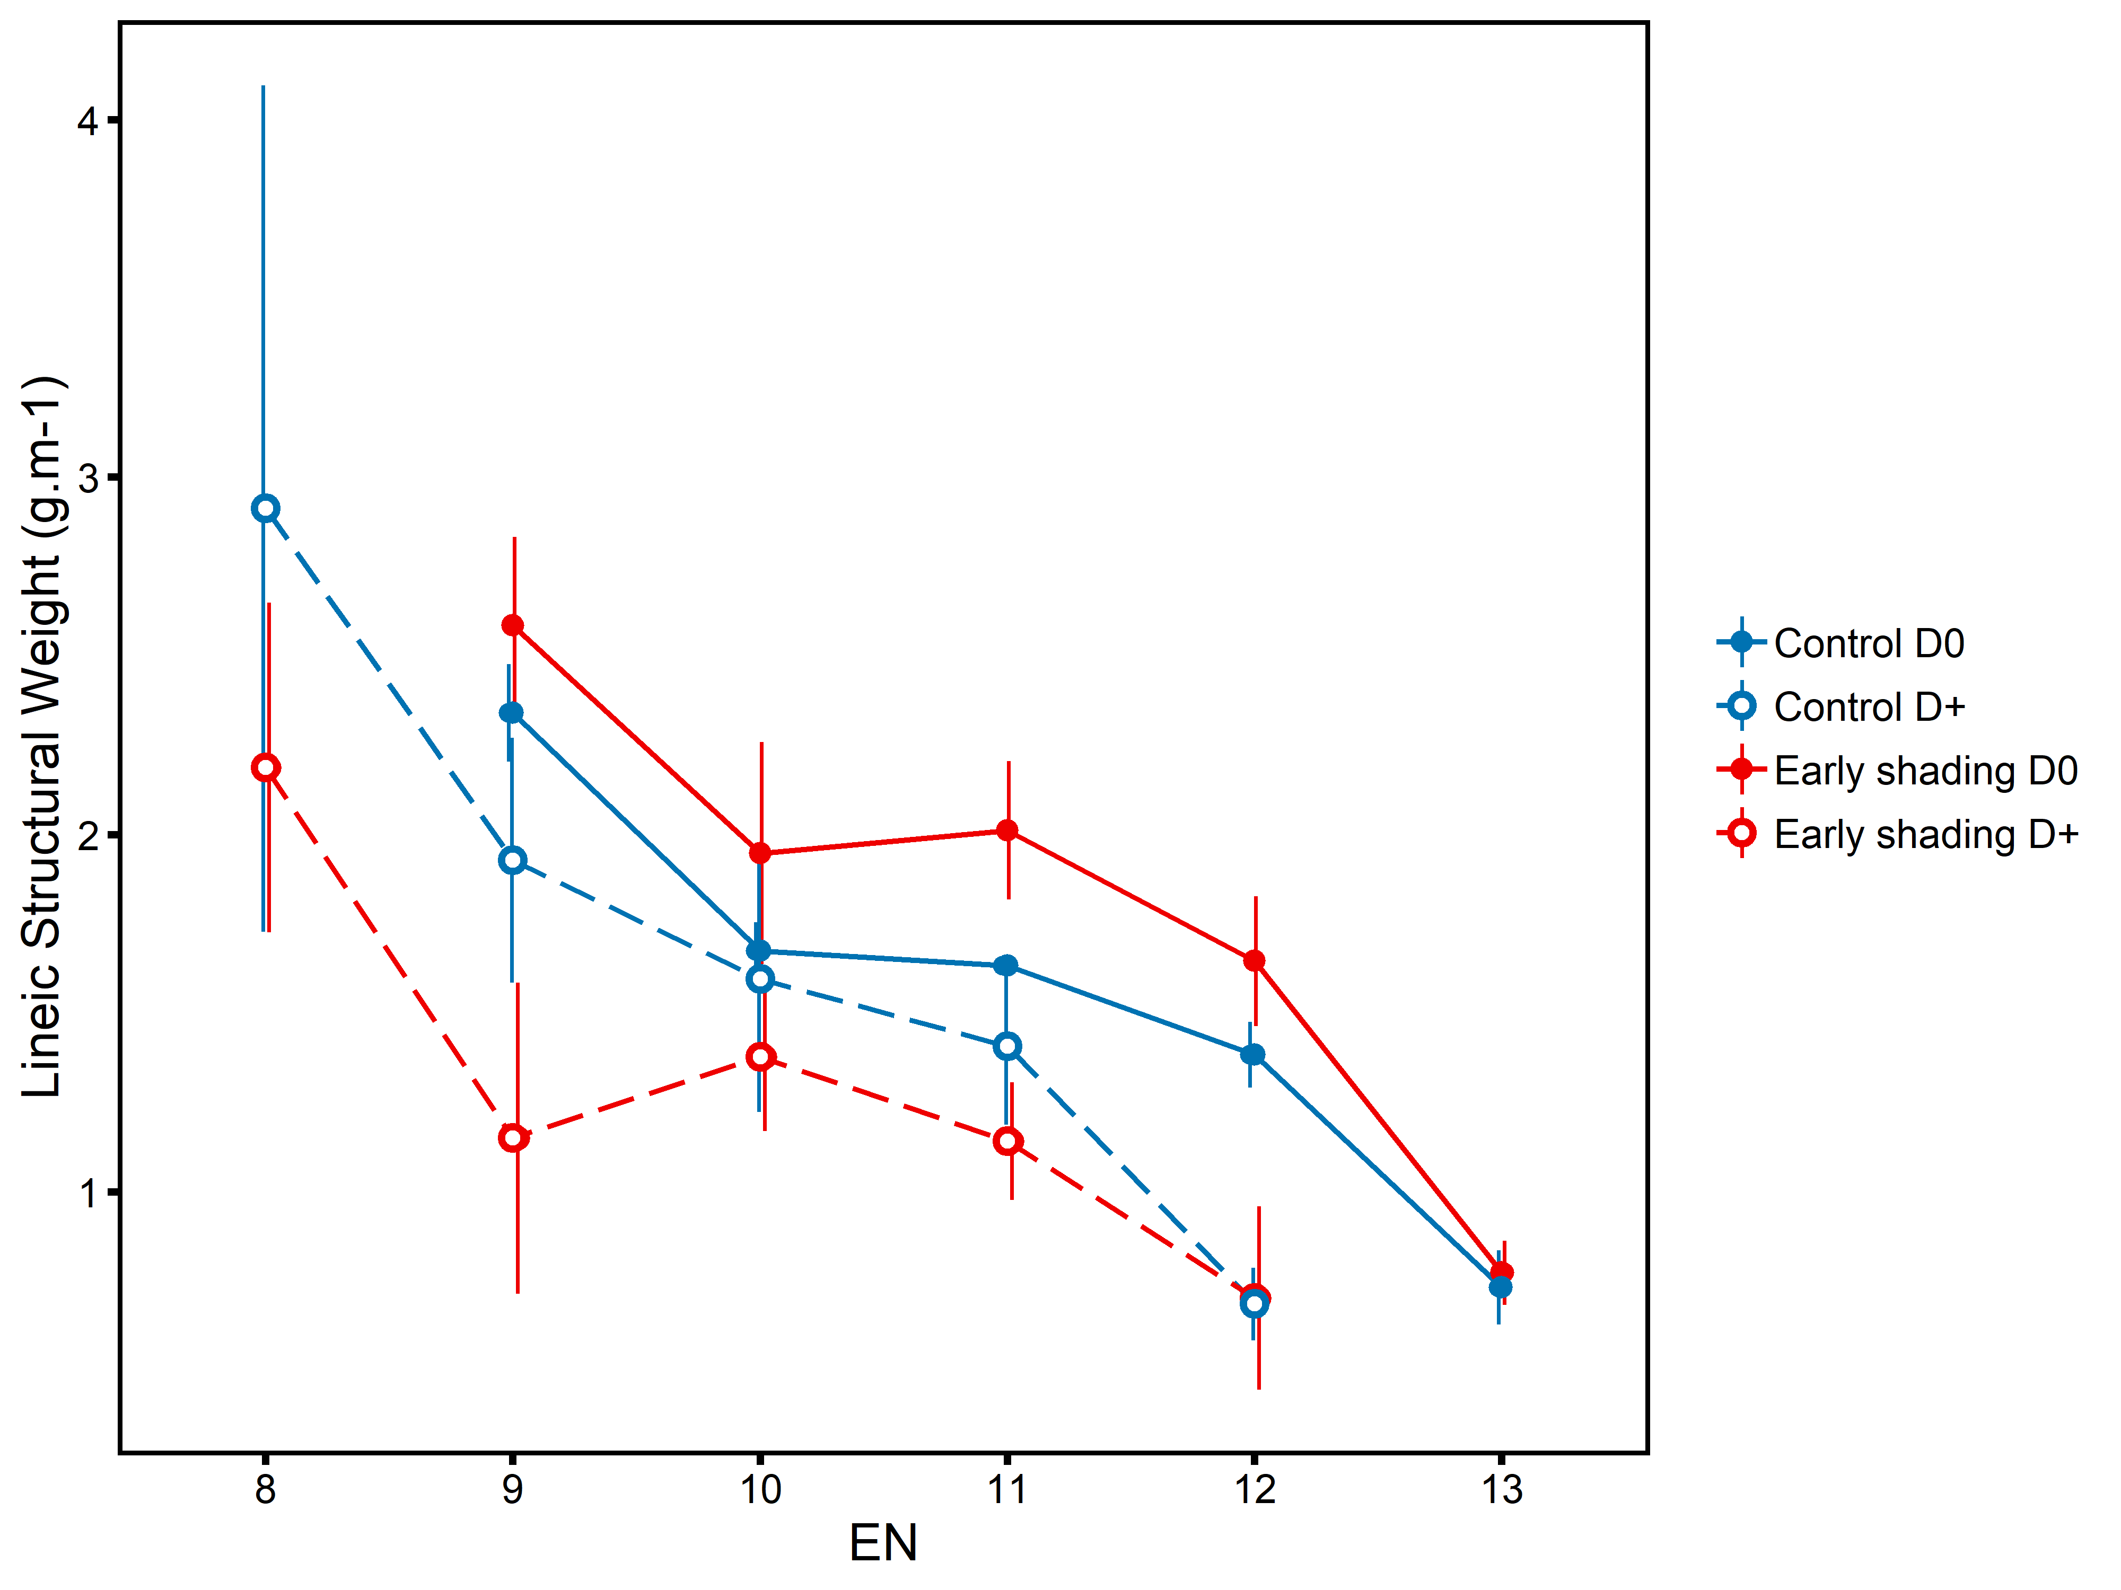
Manip MG 17/18

Valeur | Trait | Phytomer | g.m-2 / g.m-1 | sd | N
SSLW Limbe | T2 | 1 | 13.661408 | 0.5536122 | 3
SSLW Limbe | T2 | 2 | 15.703867 | 3.0027059 | 3
SSLW Limbe | T2 | 3 | 23.569088 | 3.8565361 | 3
SSLW Limbe | T2 | 4 | 10.329269 | 1.7538964 | 3
SSLW Limbe | T2 | 5 | 14.054313 | 1.0468746 | 3
SSLW Limbe | T2 | 6 | 14.351168 | 3.6362709 | 3
SSLW Limbe | T2 | 7 | 20.538434 | 0.8847255 | 3
SSLW Limbe | T2 | 8 | NaN | NA | 0
SSLW Limbe | T2 | 9 | 31.447316 | 3.2428233 | 3
SSLW Limbe | T2 | 10 | 30.662106 | 2.5088934 | 3
SSLW Limbe | T2 | 11 | 33.272496 | 1.1868879 | 3
SSLW Limbe | T2 | 12 | 46.751079 | 4.8028669 | 3
LSW EN | T2 | 9 | 2.34002484 | 0.120784364 | 3
LSW EN | T2 | 10 | 1.67434362 | 0.071089587 | 3
LSW EN | T2 | 11 | 1.63348765 | 0.01198648 | 3
LSW EN | T2 | 12 | 1.38397547 | 0.081071996 | 3
LSW EN | T2 | 13 | 0.7318641 | 0.091536523 | 3
LSW Gaine | T2 | 1 | 0.06050139 | 0.014103849 | 3
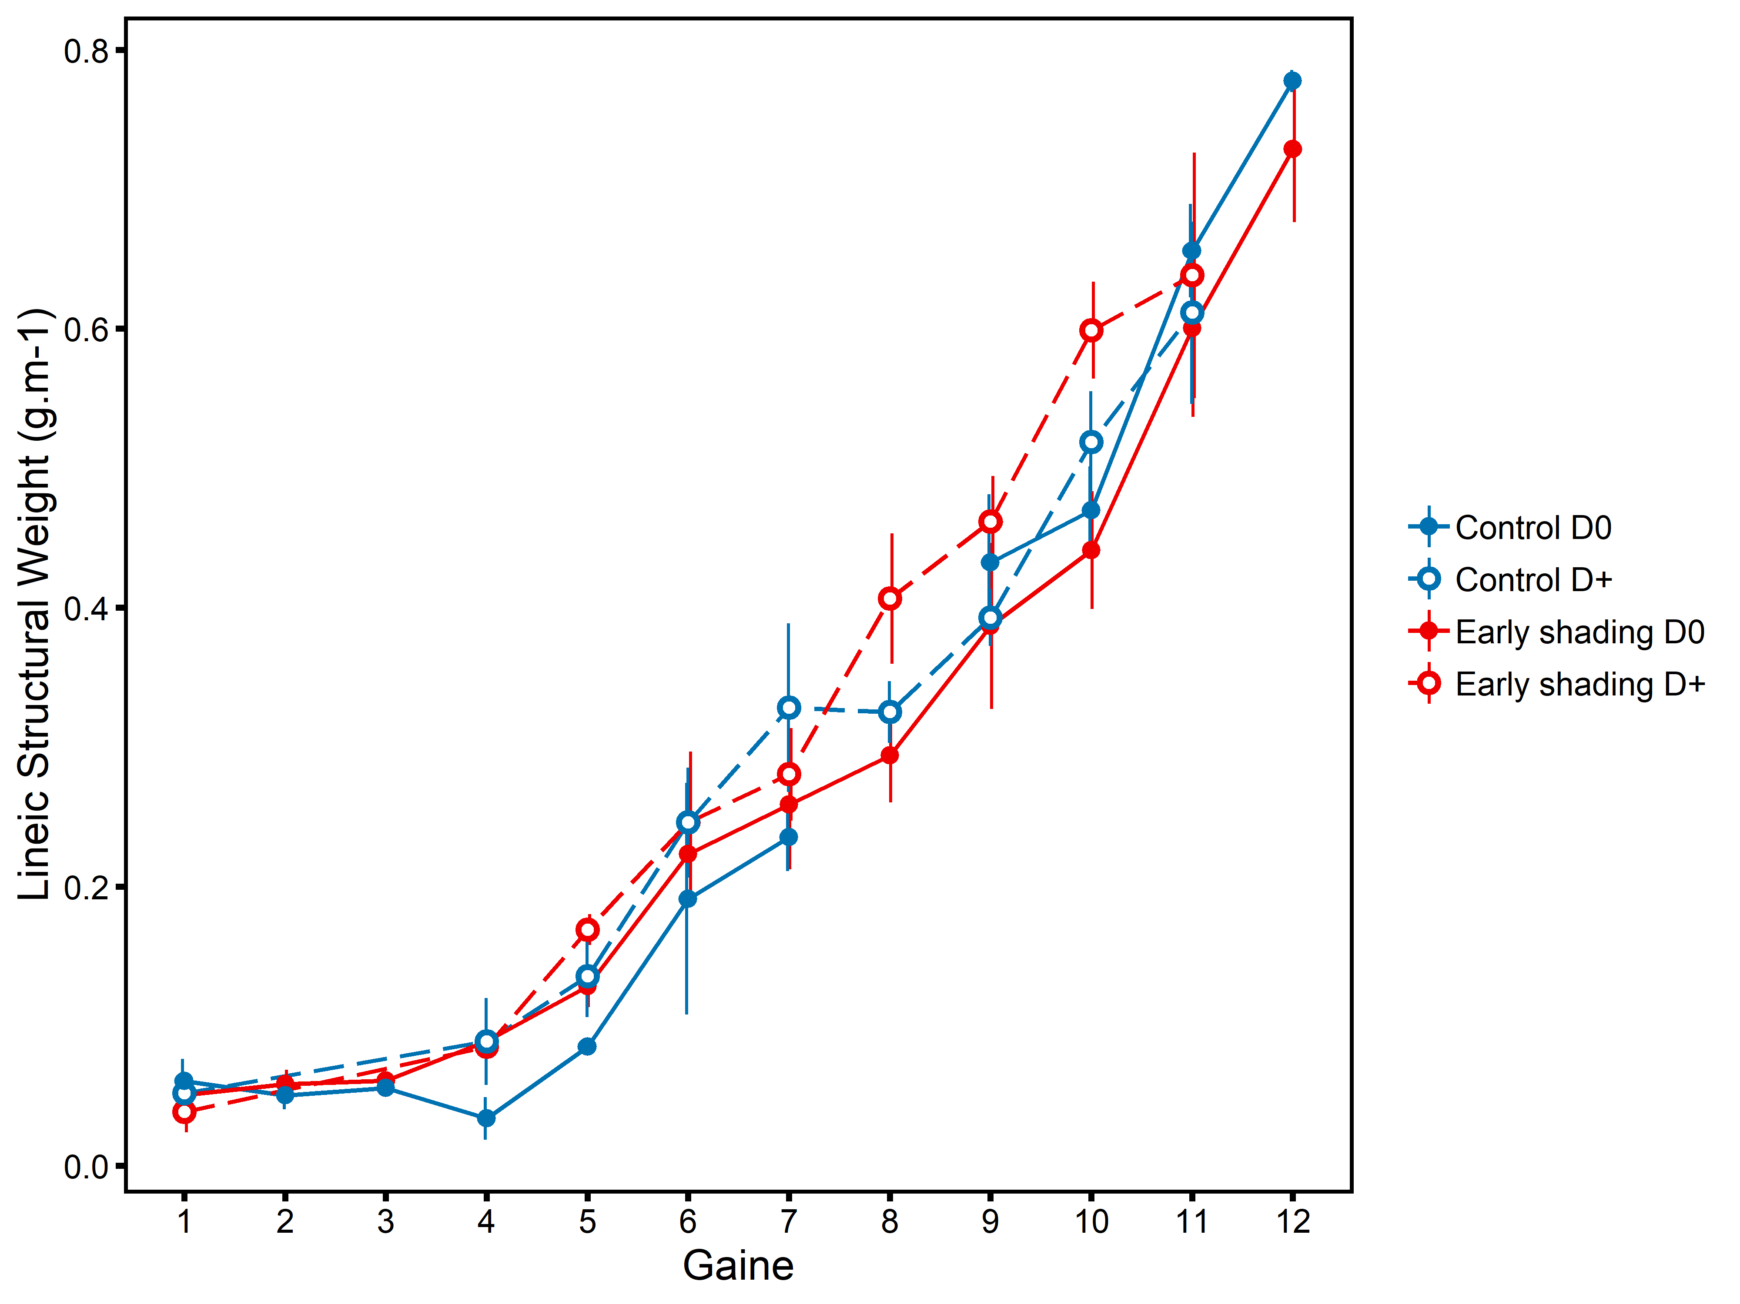
LSW Gaine | T2 | 2 | 0.05029054 | 0.008791397 | 3
LSW Gaine | T2 | 3 | 0.05556674 | 0.004009318 | 3
LSW Gaine | T2 | 4 | 0.03387931 | 0.013544911 | 3
LSW Gaine | T2 | 5 | 0.08531379 | 0.004614387 | 3
LSW Gaine | T2 | 6 | 0.19132694 | 0.073463764 | 3
LSW Gaine | T2 | 7 | 0.23562635 | 0.021642937 | 3
LSW Gaine | T2 | 8 | NaN | NA | 0
LSW Gaine | T2 | 9 | 0.4323179 | 0.043397941 | 3
LSW Gaine | T2 | 10 | 0.46986854 | 0.02789848 | 3
LSW Gaine | T2 | 11 | 0.65604546 | 0.029542822 | 3
LSW Gaine | T2 | 12 | 0.7777218 | 0.007029014 | 3

Manip NEMA 05/06
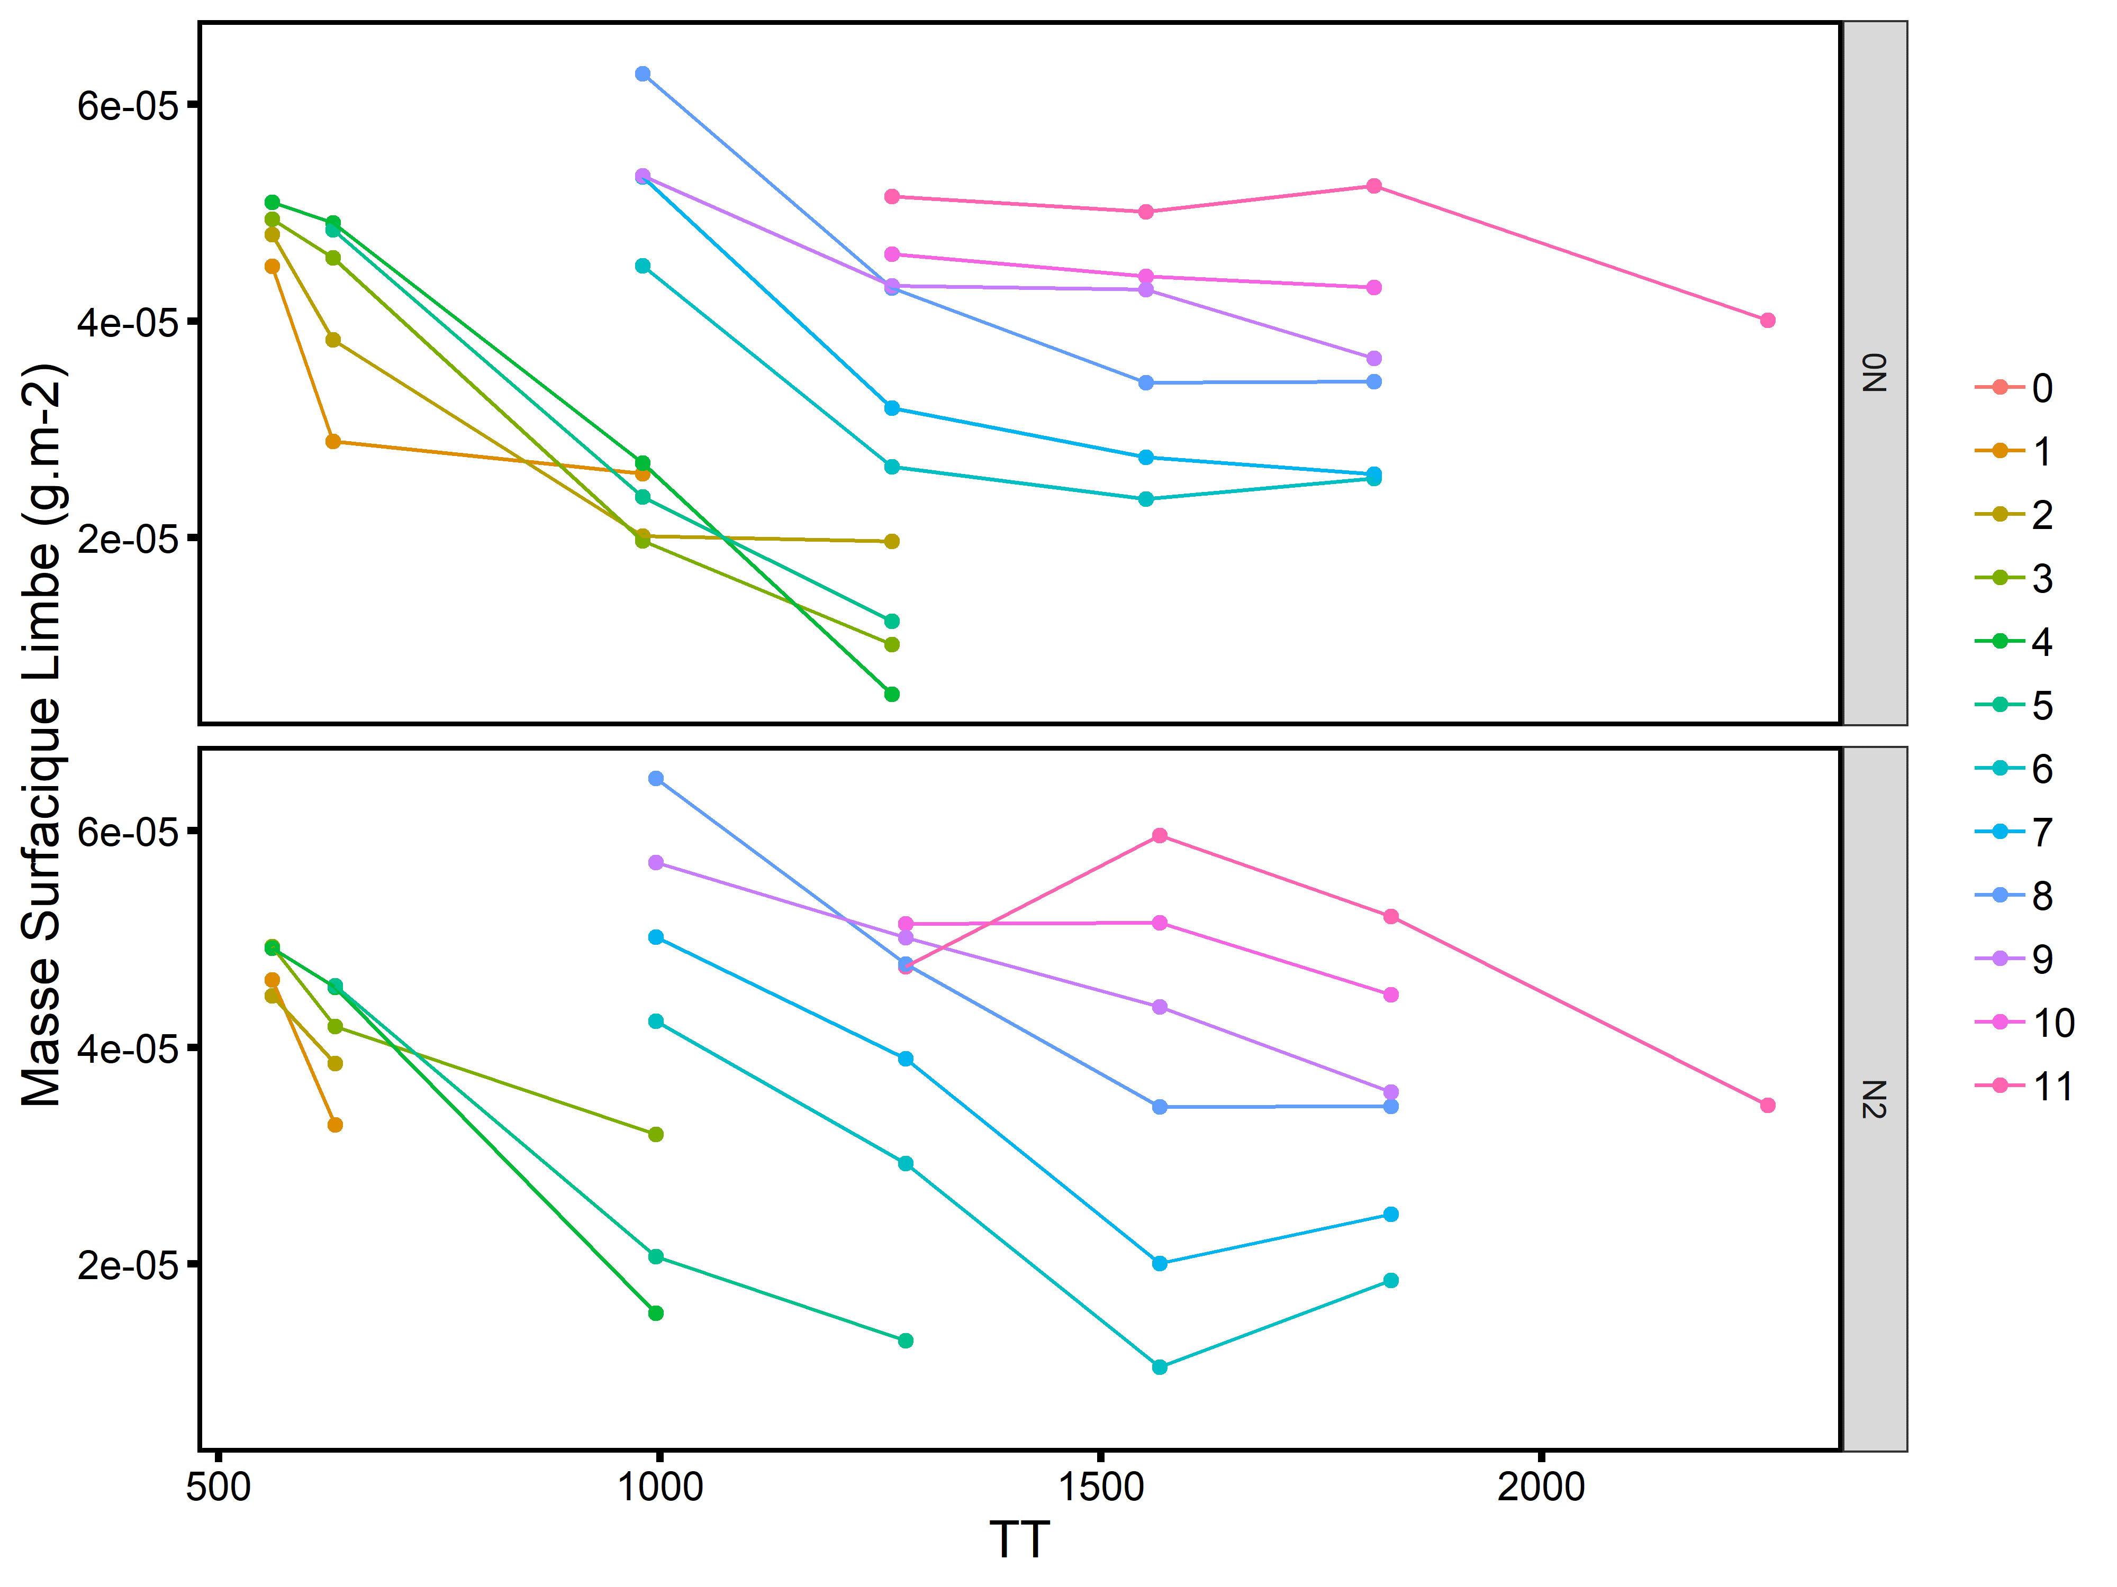
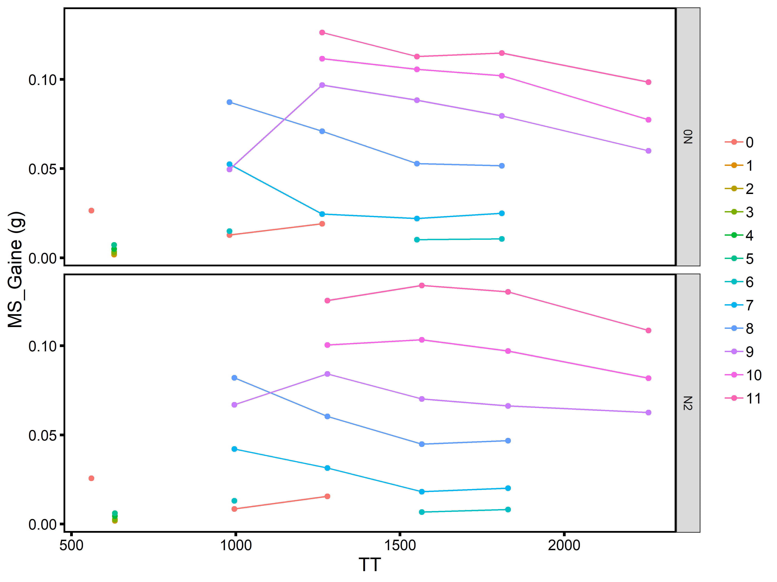
 |  |  |  |  |  | Estimation dernière mesure
Manip | Variete | Fertilisation | Phytomer | date | SumTemp | SSLW (g.m-2)
DistribN | Soissons | 0N | 1 | 2006-04-25 | 980.7 | 25.902634
DistribN | Soissons | 0N | 2 | 2006-05-16 | 1263 | 19.653083
DistribN | Soissons | 0N | 3 | 2006-05-16 | 1263 | 10.145932
DistribN | Soissons | 0N | 4 | 2006-05-16 | 1263 | 5.573655
DistribN | Soissons | 0N | 5 | 2006-05-16 | 1263 | 12.28243
DistribN | Soissons | 0N | 6 | 2006-06-19 | 1809.8 | 25.457221
DistribN | Soissons | 0N | 7 | 2006-06-19 | 1809.8 | 25.894082
DistribN | Soissons | 0N | 8 | 2006-06-19 | 1809.8 | 34.441035
DistribN | Soissons | 0N | 9 | 2006-06-19 | 1809.8 | 36.585643
DistribN | Soissons | 0N | 10 | 2006-06-19 | 1809.8 | 43.08679
Estimation dernière mesure
MS_Nmin | Soissons | 0N | 11 | 2006-07-11 | 2256 | 40.07594
DistribN | Soissons | N2 | 1 | 2006-03-22 | 631.9 | 32.853205
DistribN | Soissons | N2 | 2 | 2006-03-22 | 631.9 | 38.507724
DistribN | Soissons | N2 | 3 | 2006-04-26 | 995.7 | 31.95862
DistribN | Soissons | N2 | 4 | 2006-04-26 | 995.7 | 15.481076
DistribN | Soissons | N2 | 5 | 2006-05-17 | 1278.8 | 12.910653
DistribN | Soissons | N2 | 6 | 2006-06-20 | 1828.5 | 18.499384
DistribN | Soissons | N2 | 7 | 2006-06-20 | 1828.5 | 24.58687
DistribN | Soissons | N2 | 8 | 2006-06-20 | 1828.5 | 34.563093
DistribN | Soissons | N2 | 9 | 2006-06-20 | 1828.5 | 35.882379
DistribN | Soissons | N2 | 10 | 2006-06-20 | 1828.5 | 44.848154
MS_Nmin | Soissons | N2 | 11 | 2006-07-11 | 2256 | 34.64451

 |  |  |  |  | Estimation dernière mesure
Manip | Variete | Fertilisation | Phytomer | date | mstruct_Gaines (g) |  |  |  |  |  |  |  | Estimation dernière mesure
DistribN | Soissons | 0N | 1 | 2006-03-21 | 0.001834 |  |  | Manip | Variete | Fertilisation | Phytomer | date | mstruct_EN (g)
DistribN | Soissons | 0N | 2 | 2006-03-21 | 0.002349333 |  |  | DistribN | Soissons | 0N | 7 | 2006-06-19 | 0.0310525
DistribN | Soissons | 0N | 3 | 2006-03-21 | 0.003196 |  |  | MS_Nmin | Soissons | 0N | 8 | 2006-07-11 | 0.06398
DistribN | Soissons | 0N | 4 | 2006-03-21 | 0.004998 |  |  | MS_Nmin | Soissons | 0N | 9 | 2006-07-11 | 0.09772667
DistribN | Soissons | 0N | 5 | 2006-03-21 | 0.007255333 |  |  | MS_Nmin | Soissons | 0N | 10 | 2006-07-11 | 0.13648 | Lg Ljutovac (m) | LINW (g.m-1)
DistribN | Soissons | 0N | 6 | 2006-06-19 | 0.010602667 |  |  | MS_Nmin | Soissons | 0N | 11 | 2006-07-11 | 0.16841333 | 0.00100671141
DistribN | Soissons | 0N | 7 | 2006-06-19 | 0.024993333 |  |  | DistribN | Soissons | N2 | 7 | 2006-06-20 | 0.007315 | 0.01912751678 | 0.3824333333
DistribN | Soissons | 0N | 8 | 2006-06-19 | 0.051586667 |  |  | MS_Nmin | Soissons | N2 | 8 | 2006-07-11 | 0.06117333 | 0.06090604027 | 1.0043885587
MS_Nmin | Soissons | 0N | 9 | 2006-07-11 | 0.060006667 |  |  | MS_Nmin | Soissons | N2 | 9 | 2006-07-11 | 0.08553333 | 0.09714765101 | 0.88044671292
MS_Nmin | Soissons | 0N | 10 | 2006-07-11 | 0.07746 |  |  | MS_Nmin | Soissons | N2 | 10 | 2006-07-11 | 0.1188 | 0.144966443 | 0.81949999973
MS_Nmin | Soissons | 0N | 11 | 2006-07-11 | 0.098566667 | Lg Ljutovac (m) | LSW (g.m-1) | MS_Nmin | Soissons | N2 | 11 | 2006-07-11 | 0.15591333 | 0.1701342282 | 0.91641365556
DistribN | Soissons | N2 | 1 | 2006-03-22 | 0.001842 | 0.028531 | 0.064561354316
Estimation LINW
DistribN | Soissons | N2 | 2 | 2006-03-22 | 0.002162 | 0.028731 | 0.075249730257
DistribN | Soissons | N2 | 3 | 2006-03-22 | 0.002682667 | 0.028646 | 0.093648921315
DistribN | Soissons | N2 | 4 | 2006-03-22 | 0.004552 | 0.033267 | 0.13683229627
Estimation LSW
DistribN | Soissons | N2 | 5 | 2006-03-22 | 0.006121333 | 0.040774 | 0.15012834159
DistribN | Soissons | N2 | 6 | 2006-06-20 | 0.008180667 | 0.063255 | 0.12932838511
DistribN | Soissons | N2 | 7 | 2006-06-20 | 0.020174167 | 0.090708 | 0.22240780306
DistribN | Soissons | N2 | 8 | 2006-06-20 | 0.046786667 | 0.121511 | 0.38504058892
MS_Nmin | Soissons | N2 | 9 | 2006-07-11 | 0.062586667 | 0.140561 | 0.44526338743
MS_Nmin | Soissons | N2 | 10 | 2006-07-11 | 0.0819 | 0.173111 | 0.47310685052
MS_Nmin | Soissons | N2 | 11 | 2006-07-11 | 0.108633333 | 0.187624 | 0.57899486739

>

Nstruct
Manip MG 17/18
 |  |  |  | Nstruct (%)
 | Trait | Organe | Phytomer | mn | sd | N_obs
 | T2 | Balle | 0 | 0.5433333 | 0.037859389 | 3
 | T2 | EN | 9 | 0.2166667 | 0.02081666 | 3
 | T2 | EN | 10 | 0.21 | 0.01 | 3
 | T2 | EN | 11 | 0.2566667 | 0.035118846 | 3
 | T2 | EN | 12 | 0.2533333 | 0.032145503 | 3
 | T2 | EN | 13 | 0.2833333 | 0.058594653 | 3
 | T2 | Gaine | 1 | NaN | NA | 0
 | T2 | Gaine | 2 | NaN | NA | 0
 | T2 | Gaine | 3 | NaN | NA | 0
 | T2 | Gaine | 4 | 0.69 | 0.084852814 | 2
 | T2 | Gaine | 5 | 0.7166667 | 0.132790562 | 3
 | T2 | Gaine | 6 | 0.7033333 | 0.265392791 | 3
 | T2 | Gaine | 7 | 0.73 | 0.305122926 | 3
 | T2 | Gaine | 8 | 0.5433333 | 0.197568554 | 3
 | T2 | Gaine | 9 | 0.3433333 | 0.130511813 | 3
 | T2 | Gaine | 10 | 0.2466667 | 0.023094011 | 3
 | T2 | Gaine | 11 | 0.3366667 | 0.184752086 | 3
 | T2 | Gaine | 12 | 0.2066667 | 0.005773503 | 3
 | T2 | Limbe | 1 | NaN | NA | 0
 | T2 | Limbe | 2 | NaN | NA | 0
 | T2 | Limbe | 3 | 1.6711 | NA | 1
 | T2 | Limbe | 4 | 1.23 | 0.22627417 | 2
 | T2 | Limbe | 5 | 1.2033333 | 0.090737717 | 3
 | T2 | Limbe | 6 | 1.1866667 | 0.220075745 | 3
 | T2 | Limbe | 7 | 0.8433333 | 0.149777613 | 3 |  |  | 2
 | T2 | Limbe | 8 | NaN | NA | 0 |  |  | 53
 | T2 | Limbe | 9 | 0.4566667 | 0.110151411 | 3
 | T2 | Limbe | 10 | 0.52 | 0.177763888 | 3
 | T2 | Limbe | 11 | 0.45 | 0.196723156 | 3
 | T2 | Limbe | 12 | 0.5 | 0.078102497 | 3
 | T2 | Racines | 0 | 0.5366667 | 0.04163332 | 3

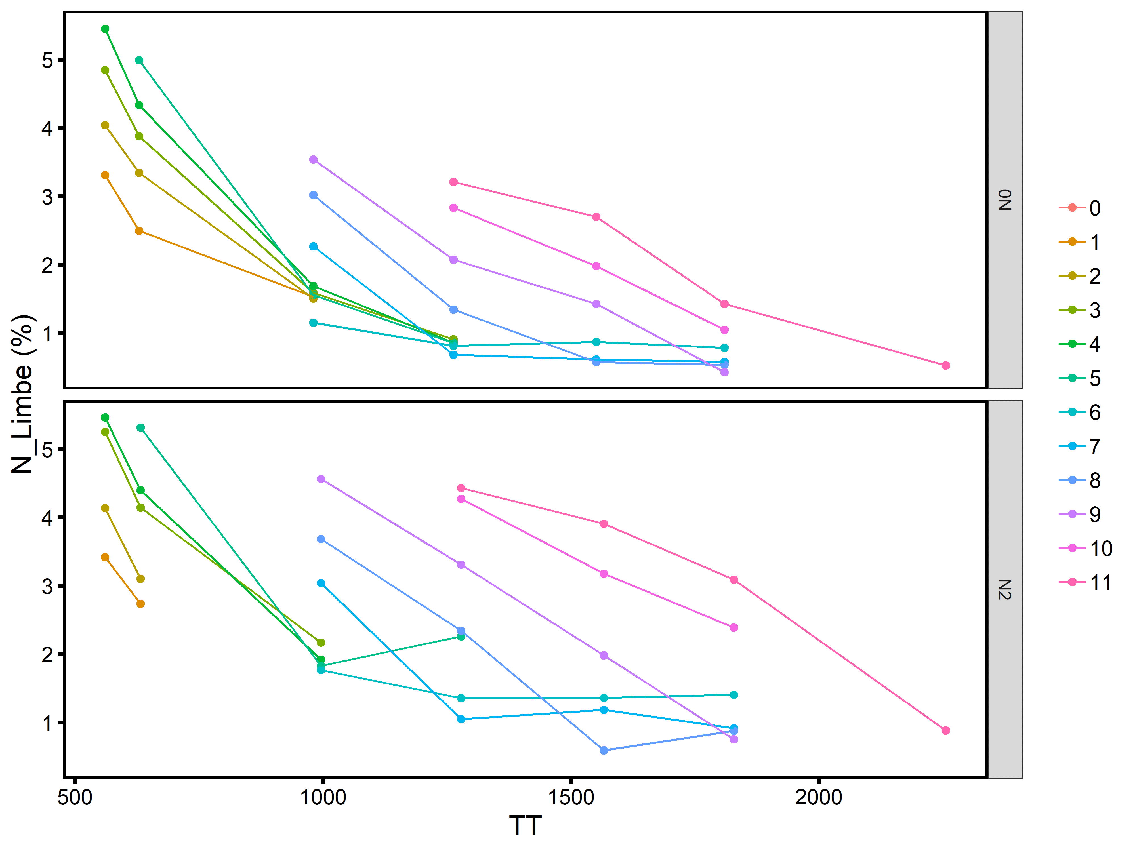
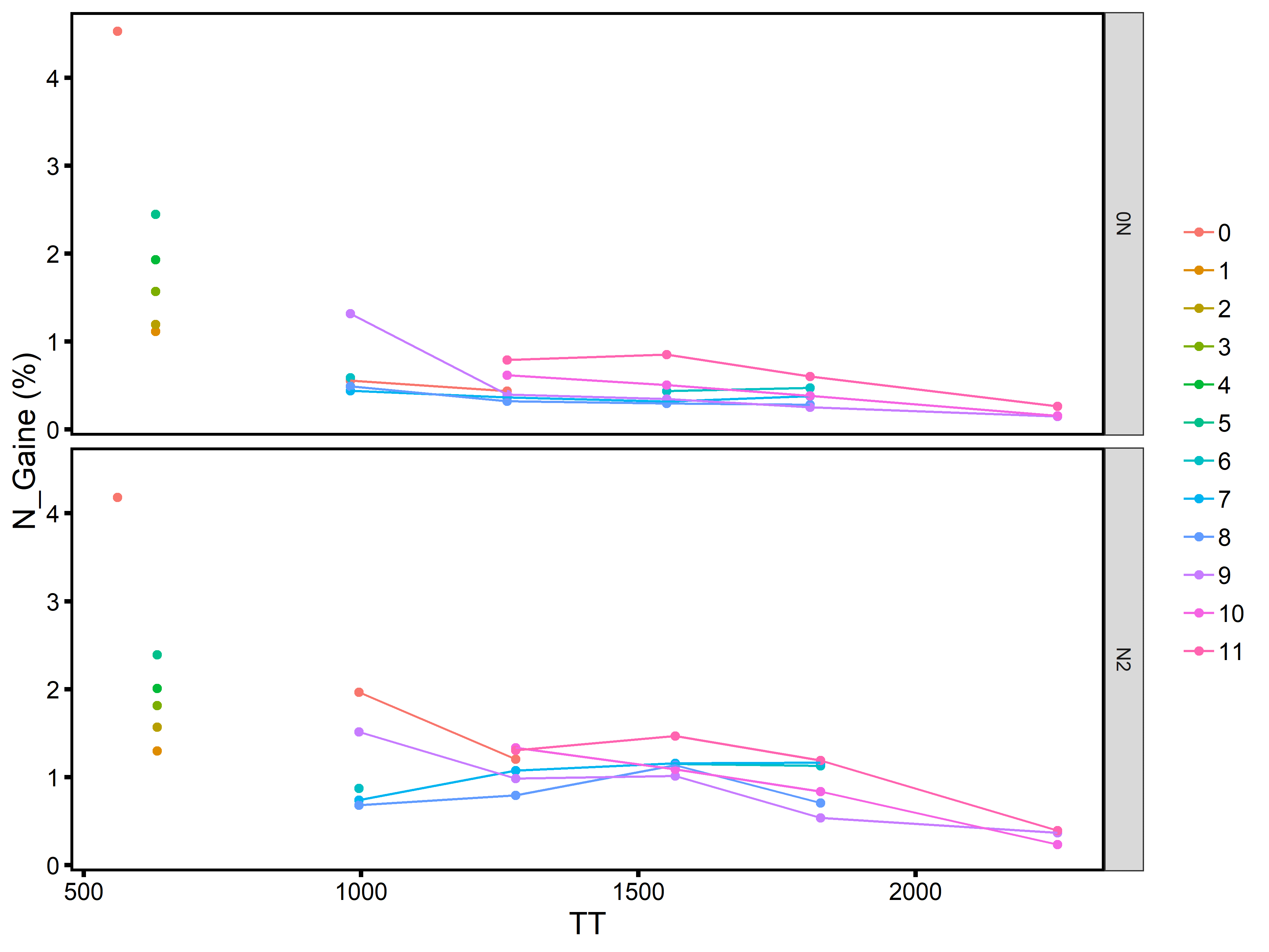
Manip NEMA 05/06
 |  |  |  |  | Dernière valeur
Manip | Variete | Fertilisation | Axe | Phytomer | date | SumTemp | %N Limbe | %N Gaine
DistribN | Soissons | 0N | BM | 1 | 2006-04-25 | 980.7 | 1.5292577
DistribN | Soissons | 0N | BM | 2 | 2006-05-16 | 1263
DistribN | Soissons | 0N | BM | 3 | 2006-05-16 | 1263 | 0.91
DistribN | Soissons | 0N | BM | 4 | 2006-05-16 | 1263 | 0.86
DistribN | Soissons | 0N | BM | 5 | 2006-05-16 | 1263 | 0.8566667
DistribN | Soissons | 0N | BM | 6 | 2006-06-19 | 1809.8 | 0.7851958 | 0.4735
DistribN | Soissons | 0N | BM | 7 | 2006-06-19 | 1809.8 | 0.5828177 | 0.3811027
DistribN | Soissons | 0N | BM | 8 | 2006-06-19 | 1809.8 | 0.5341558 | 0.2806263
DistribN | Soissons | 0N | BM | 9 | 2006-06-19 | 1809.8 | 0.4289719 | 0.2551016
DistribN | Soissons | 0N | BM | 10 | 2006-06-19 | 1809.8 | 1.0490631 | 0.382821
MS_Nmin | Soissons | 0N | BM | 11 | 2006-07-11 | 2256 | 0.5289075 | 0.2642524
DistribN | Soissons | N2 | BM | 1 | 2006-03-22 | 631.9 | 2.7367072 | 1.297948
DistribN | Soissons | N2 | BM | 2 | 2006-03-22 | 631.9 | 3.1049134 | 1.5684458
DistribN | Soissons | N2 | BM | 3 | 2006-04-26 | 995.7 | 2.1681663
DistribN | Soissons | N2 | BM | 4 | 2006-04-26 | 995.7 | 1.9220142
DistribN | Soissons | N2 | BM | 5 | 2006-05-17 | 1278.8 | 2.26
DistribN | Soissons | N2 | BM | 6 | 2006-06-20 | 1828.5 | 1.4061823 | 1.1280139
DistribN | Soissons | N2 | BM | 7 | 2006-06-20 | 1828.5 | 0.9156684 | 1.1648199
DistribN | Soissons | N2 | BM | 8 | 2006-06-20 | 1828.5 | 0.8793898 | 0.7060947
DistribN | Soissons | N2 | BM | 9 | 2006-06-20 | 1828.5 | 0.7532985 | 0.5389943
DistribN | Soissons | N2 | BM | 10 | 2006-06-20 | 1828.5 | 2.3893679 | 0.8370311
Dernière valeur
 | 0N | N2
1 | 1.5292577 | 2.7367072
2 |  | 3.1049134
3 | 0.91 | 2.1681663
4 | 0.86 | 1.9220142
5 | 0.8566667 | 2.26
6 | 0.7851958 | 1.4061823
7 | 0.5828177 | 0.9156684
8 | 0.5341558 | 0.8793898
9 | 0.4289719 | 0.7532985
10 | 1.0490631 | 2.3893679
11 | 0.5289075 | 0.8830098
MS_Nmin | Soissons | N2 | BM | 11 | 2006-07-11 | 2256 | 0.8830098 | 0.393528

N content
Données Jessica Bertheloot
semaine | date | SumTemp | Manip | Variete | Fertilisation | Train | Brin | Phytomere | Masse limbes | Masse gaines | Masse entrenoeuds | Surface limbes | Surface gaines | Surface entrenoeuds | %N limbes | %N gaines | %N entrenoeuds | SLN limbes | SLN gaines | SLN entrenoeuds
9 | 2006-03-02 | 560.5 | DistribN | Soissons | N+ | 13 | BM | 0 |  | 0.1222 |  |  | 1048.3494685 |  |  | 4.5149959062 |  |  | 5.2628681209
9 | 2006-03-02 | 560.5 | DistribN | Soissons | N+ | 13 | BM | 1 | 0.02924 |  |  | 711.5686 |  |  | 3.4486828506 |  |  | 1.4171435692
9 | 2006-03-02 | 560.5 | DistribN | Soissons | N+ | 13 | BM | 2 | 0.04703 |  |  | 971.88424 |  |  | 3.8437093539 |  |  | 1.8599915862
9 | 2006-03-02 | 560.5 | DistribN | Soissons | N+ | 13 | BM | 3 | 0.064 |  |  | 1284.3417
9 | 2006-03-02 | 560.5 | DistribN | Soissons | N+ | 13 | BM | 4 | 0.0721 |  |  | 1413.0789 |  |  | 5.2033840646 |  |  | 2.6549401527
9 | 2006-03-02 | 560.5 | DistribN | Soissons | N+ | 15 | BM | 0 |  | 0.1335 |  |  | 1048.3494685 |  |  | 3.8042527968 |  |  | 4.8444508594
9 | 2006-03-02 | 560.5 | DistribN | Soissons | N+ | 15 | BM | 1 | 0.03949 |  |  | 886.3997 |  |  | 3.2939067465 |  |  | 1.4674686535
9 | 2006-03-02 | 560.5 | DistribN | Soissons | N+ | 15 | BM | 2 | 0.05913 |  |  | 1308.4568 |  |  | 4.0880429117 |  |  | 1.8474127489
9 | 2006-03-02 | 560.5 | DistribN | Soissons | N+ | 15 | BM | 3 | 0.07275 |  |  | 1424.84327
9 | 2006-03-02 | 560.5 | DistribN | Soissons | N+ | 15 | BM | 4 | 0.0692 |  |  | 1375.0717 |  |  | 5.4102365363 |  |  | 2.7226825213
9 | 2006-03-02 | 560.5 | DistribN | Soissons | N+ | 18 | BM | 0 |  | 0.1295 |  |  | 1048.3494685 |  |  | 4.228122278 |  |  | 5.2228941918
9 | 2006-03-02 | 560.5 | DistribN | Soissons | N+ | 18 | BM | 1 | 0.02817 |  |  | 707.21 |  |  | 3.5123305469 |  |  | 1.3990519295
9 | 2006-03-02 | 560.5 | DistribN | Soissons | N+ | 18 | BM | 2 | 0.04643 |  |  | 1180.74256 |  |  | 4.4818314972 |  |  | 1.7623777059
9 | 2006-03-02 | 560.5 | DistribN | Soissons | N+ | 18 | BM | 3 | 0.0626 |  |  | 1391.5812 |  |  | 5.2541094002 |  |  | 2.3635505313
9 | 2006-03-02 | 560.5 | DistribN | Soissons | N+ | 18 | BM | 4 | 0.0714 |  |  | 1523.9176 |  |  | 5.7779741075 |  |  | 2.7071499881

 |  |  |  |  |  |  |  | MS Shoot g | 1.04674
 |  |  |  |  |  |  |  | N Shoot % | 3.877366225

Devienne 1994

Blé 500°CJ après repiquage. |  |  | Cultivé en hydroponie avec différentes concentrations en NO3-
=> +/- 5 feuilles ligulées |  |  | Résultats ici pour NO3- max (plateau)

 | MS Shoot g | 0.4 |  | shoot/roots
 | MS Roots g | 0.18 |  | 2.2222222222
 | N Shoot % | 4
 | N Roots % | 3

Justes 1994 INN

Sortie hiver, plein tallage

 | MS Shoot | 1 | t/ha | 0.4 | g
 | N Shoot % | 4.4 |  | Proposé pour les faibles shoot DM

Mais Fig 8 montre avec autres donées que N% peut être de l'ordre de 5.2 % pour les fabiles DM

Lawlor 1988
Manip en chambre de culture, blé de printemps
valeurs pour les triangles pleins : Température fraiches et N+ à 250 °C J après semis

 | MS Shoot g | 0.05 | (peu précis)
 | MS Roots g | 0.04 |  | shoot/root | 1.25
 | N Shoot % | 5
 | N Roots % | 2.8

A 500 °Cj après semis

 | MS Shoot g | 0.8 | 16
 | MS Roots g | 0.25 | 6.25 | shoot/root | 3.2
 | N Shoot % | 3
 | N Roots % | 1.5

Wilhelm 2002 : %N par phytomère et par organe, pour tous les axes
Pas de gradient net pour les limbes matures à HS 5
Limbes non matures ont %N plus élevé. Mais je ne sais pas quel est leur stade de développement, ni les parties du limbes qui sont considérées.

Manip PostDoc Romain : dosage N précoce 14/15
Date | HS |  |  |  | Densité semis | Variete
2014-12-09 | 2.9 | 2 feuilles ligulees + 2 en croissance |  |  | 170 pl.m-2 | Soissons
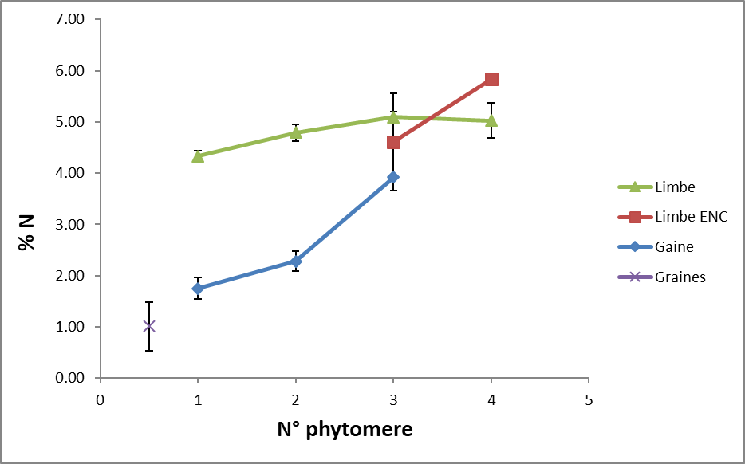
Étiquettes de lignes | Moyenne de N [%] | Écartype de N [%]
Gaine | 2.2870125 | 0.7309330445
0 | 2.2870125 | 0.7309330445
1 | 1.75 | 0.2095232684
2 | 2.281525 | 0.20010489541
3 | 3.92 | #DIV/0!
Graines | 1.009125 | 0.47786590431
0 | 1.009125 | 0.47786590431
0 | 1.009125 | 0.47786590431
Limbe | 4.8106111111 | 0.51639141549
ENC | 4.914775 | 0.98298377869
3 | 4.6097666667 | 0.94403663241
4 | 5.8298 | #DIV/0!
EXP | 4.78085 | 0.34847466247
1 | 4.334725 | 0.098384801502
2 | 4.790375 | 0.16446041824
3 | 5.095375 | 0.11109150508
4 | 5.025 | 0.34648232278

Roots | 1.1827218812 | 0.11366340366

shoot roots
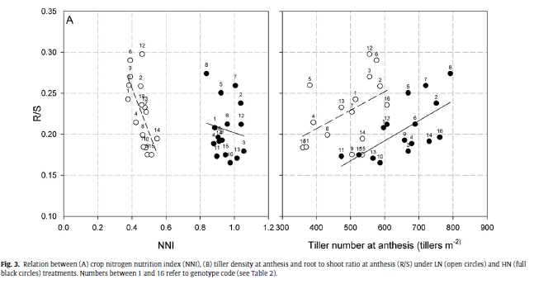
Allard 2012

R/S | 0.25 | 0.18 | 0.3
Shoot/roots | 4 | 5.5555555556 | 3.3333333333

blé d'hiver
à floraison
au champ
racines à 30cm de profondeur

Katterer 1993

blé d'hiver
au champ
racines à 50cm profondeur
 |  | I = daily irrigation |  |  |  |  |  | IF = daily irrigation and fertilization |  |  |  |  | C = control |  |  |  |  |  | D = drought
 | Biomass g.m-2 | Sh | S = stem in soil | R | T = total | R/T | Shoot/roots | Sh | S | R | T | R/T | Sh | S | R | T | R/T | Shoot/roots | Sh | S | R | T | R/T
Zadock 21 | April | 27 | 8 | 32 | 67 | 0.48 | 1.09375 | 27 | 8 | 32 | 67 | 0.48 | 27 | 8 | 32 | 67 | 0.48 | 0.84375 | 27 | 8 | 32 | 67 | 0.48
Z30 | May | 175 | 20 | 66 | 261 | 0.25 | 2.9545454545 | 149 | 20 | 75 | 244 | 0.31 | 186 | 20 | 65 | 271 | 0.24 | 2.8615384615 | - | 20 | 60 | - | -
Z39 | June | 732 | 48 | 90 | 870 | 0.1 | 8.6666666667 | 636 | 48 | 104 | 788 | 0.13 | 670 | 48 | 83 | 801 | 0.1 | 8.0722891566 | 467 | 48 | 77 | 592 | 0.13
Z59 | June | 1179 | 72 | 105 | 1356 | 0.08 | 11.914285714 | 1026 | 72 | 102 | 1200 | 0.09 | 899 | 72 | 92 | 1063 | 0.09 | 9.7717391304 | - | -
Z93 | Aug | 1989 | 54 | 76 | 2119 | 0.04 | 26.881578947 |  |  |  |  |  | 1577 | 54 | 71 | 1702 | 0.04 | 22.211267606

Siddique 1990
blé de printemps
au champ

Variety | Days after sowing |  | DM in g/m2
 | 34 |  |  | 62 |  |  | 90 |  |  | Anthesis |  |  | 132
 | Root | Shoot | S/R | Root | Shoot | S/R | Root | Shoot | S/R | Root | Shoot | S/R | Root | Shoot
Purple Straw | 26.6 | 18.1 | 0.68045112782 | 117.9 | 78.2 | 0.66327396098 | 317.8 | 270.3 | 0.85053492763 | 397.2 | 622.4 | 1.5669687815 | - | -
Gamenya | 16.4 | 12.3 | 0.75 | 149 | 82.5 | 0.55369127517 | 338 | 353.2 | 1.0449704142 | 368.6 | 606.1 | 1.6443298969 | - | -
Kulin | 22.3 | 12.4 | 0.55605381166 | 74.7 | 68.8 | 0.92101740295 | 222.9 | 301 | 1.3503813369 | 280 | 509 | 1.8178571429 | 294.9 | 669.7
KCD0 | 26.9 | 14.8 | 0.55018587361 | 158.6 | 90.4 | 0.56998738966 | 257.7 | 360 | 1.3969732247 | 276 | 532.8 | 1.9304347826 | - | -
KCD1 | 16.6 | 8.5 | 0.51204819277 | 102.8 | 63.8 | 0.62062256809 | 245.8 | 292.2 | 1.1887713588 | 261.2 | 491.9 | 1.8832312404 | - | -
O'Connor | 29.4 | 18.5 | 0.62925170068 | 164.5 | 98.9 | 0.60121580547 | 245.8 | 367.3 | 1.4943043124 | 283.1 | 536.2 | 1.894030378 | - | -

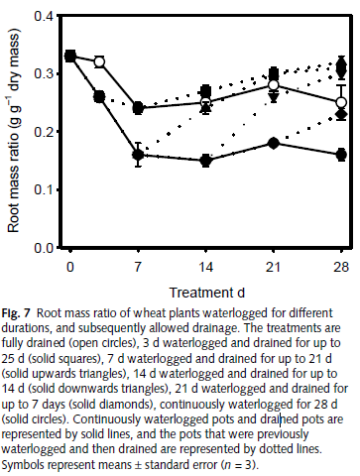
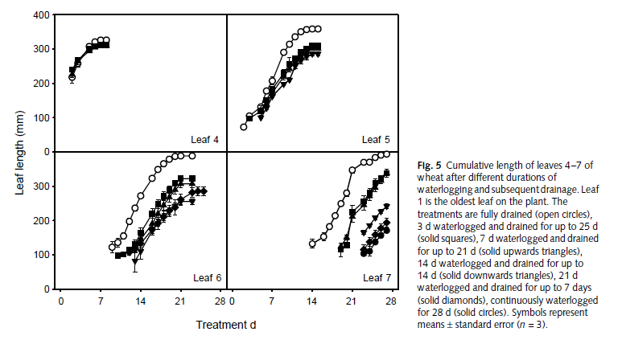
Malik 2002
blé de printemps
en pot

ronds blancs

à d = 0, HS environ 3.8

Shoot/Roots | 1.9411764706

Manip PostDoc Romain : dosage N précoce 14/15
Date | HS |  |  |  | Densité semis | Variete
2014-12-09 | 2.9 | 2 feuilles ligulees + 2 en croissance |  |  | 170 pl.m-2 | Soissons

Replicat | Roots | Shoot | S/R | => Très élevé ! Pas prélèvement toutes les racines ?
1 | 16.166666667 | 50.216666667 | 3.106185567
2 | 13.65 | 59 | 4.3223443223
3 | 16.233333333 | 48.733333333 | 3.0020533881
4 | 12.1 | 45.033333333 | 3.7217630854

Manip MG 17/18

Stade | Traitement | Density | Shade | Couleurs3 | SumTemp | mn | sd | N
F4 pointante | O1 | High_Density | Early_Shading | Early shading D+ | 439.2203 | 0.9781129 | 0.06527805 | 3
F5 pointante | O1 | High_Density | Early_Shading | Early shading D+ | 551.5923 | 0.9327382 | 0.24966201 | 3
F6 pointante | O1 | High_Density | Early_Shading | Early shading D+ | 630.6891 | 1.1803619 | 0.47002528 | 3
F7 pointante | O1 | High_Density | Early_Shading | Early shading D+ | 718.8066 | 1.7632925 | 0.29994669 | 3
F8 pointante | O1 | High_Density | Early_Shading | Early shading D+ | 824.5454 | 1.5115176 | 0.19074742 | 3
F4 pointante | O2 | Low_Density | Early_Shading | Early shading D0 | 285.634 | 0.9924089 | 0.04673654 | 3
F5 pointante | O2 | Low_Density | Early_Shading | Early shading D0 | 448.8765 | 1.2161194 | 0.16322489 | 3
F6 pointante | O2 | Low_Density | Early_Shading | Early shading D0 | 553.9006 | 1.2772282 | 0.47990516 | 3
F7 pointante | O2 | Low_Density | Early_Shading | Early shading D0 | 596.0826 | 1.5076002 | 0.12518211 | 3
F9 pointante | O2 | Low_Density | Early_Shading | Early shading D0 | 806.2265 | 1.08618 | 0.31230882 | 3
Floraison | O2 | Low_Density | Early_Shading | Early shading D0 | 1582.5463 | 3.31192 | 0.37623271 | 3
F4 pointante | T1 | High_Density | Control | Control D+ | 395.9718 | 0.8714965 | 0.09299016 | 3
F5 pointante | T1 | High_Density | Control | Control D+ | 512.0943 | 0.824994 | 0.16728707 | 3
F6 pointante | T1 | High_Density | Control | Control D+ | 577.3523 | 0.9232217 | 0.20769445 | 3
F7 pointante | T1 | High_Density | Control | Control D+ | 681.5098 | 1.3596058 | 0.41767099 | 3
F8 pointante | T1 | High_Density | Control | Control D+ | 739.2049 | 1.418873 | 0.19792298 | 3
Floraison | T1 | High_Density | Control | Control D+ | 1565.6069 | 6.0878495 | 2.05939804 | 3
F4 pointante | T2 | Low_Density | Control | Control D0 | 281.8099 | 0.8086177 | 0.11161214 | 3
F5 pointante | T2 | Low_Density | Control | Control D0 | 444.9765 | 0.7570312 | 0.112196 | 3
F6 pointante | T2 | Low_Density | Control | Control D0 | 532.363 | 0.89752 | 0.38160631 | 3
F7 pointante | T2 | Low_Density | Control | Control D0 | 599.2246 | 1.1000589 | 0.54027435 | 3
F9 pointante | T2 | Low_Density | Control | Control D0 | 773.4117 | 1.2347719 | 0.49762642 | 3
Floraison | T2 | Low_Density | Control | Control D0 | 1530.9282 | 4.6283381 | 0.06955887 | 2

allocation C roots
Synthèse Frédéric Rees

 | Plante | Blé
 | Origine des données | 14C | 14C | 14C | 14C | 14C
 | Durée (jours) | 21 | 21 | 21 | 28 | Fin de culture
 | Références | Barber et Martins (1976) | Whipps et Lynch (1983) | Whipps (1984) | Merckx et al. (1985) | Kuzyakov (2000,2006)
 | Parties aériennes | 62% | 53% | 41% | 56% | 71%
 | Biomasse racinaire | 22% | 18% | 19% | 22% | 13%
 | Rhizodépôts | 6% | 12% | 17% | 5% | 13%
 | Respiration racinaire | 10% | 17% | 23% | 17% | 4%

Asseng 1997
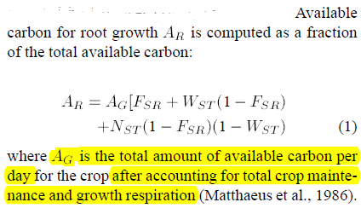
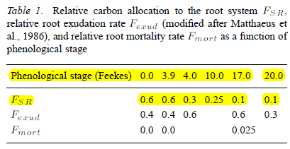
Model
calibré sur des données au champ |  |  |  |  |  |  | Exudates are withdrawn from the amount of carbon
 |  |  |  |  |  |  | for root growthRA according to the phenological stage
 |  |  |  |  |  |  | of the crop

Keith 1986
- suivi répartition C dans blé + sol sur un cycle complet.
- A 8 reprises: pulse C14 et mesures 1 jour après |  |  |  |  |  |  |  | Synthèse biblio de l'auteur :
- 1er pulse à fin tallage

Pourcentage de la photosynthèse - respiration aérienne

Swinnen 1995

Barber et Martins (1976)

Pourcentage de la photosynthèse - respiration aérienne

Conc Shoot
Shoot

Lawlor 1988
Sucres
Spring wheat
En pots
Photoperiod 16h avec PAR = 600 µmol.m-2.s-1 (bcp!)

Allwood 2015
En pots |  |  |  |  |  |  |  |  |  |  |  |  |  |  |  | MW glucose
Photoperiod 16h avec PAR = 232 and 348 µmol m 2 s 1 |  |  |  |  |  |  |  |  |  |  |  |  |  |  |  | 180
20°C/10°C |  |  |  |  |  |  |  |  |  |  |  | Pour cell age = 100h |  |  |  | MW sucrose
 |  |  |  |  |  |  |  |  |  |  |  |  |  |  |  | 340
concentrations par g de FW dans cellules matures de limbes 1 de blé |  |  |  |  |  | MW N |  |  |  | 1 | FW |  | mg.g-1 FW | mg.g-1 DM | µmol C g-1 mstruct (si tt sucrose) | MW C
 |  |  |  |  |  | 14 |  |  |  | 0.1 | DM | Proteines | 70 | 700 |  | 12
 |  |  | En µmol N | µmol N / g mstruct |  |  |  |  |  | 0.08 | mstruct | WSC | 7 | 70 | 3088 | Nb C sucrose
Solubles Prot | 70 | mg | 755 | 9437 |  | MW moyenne des AA du phloème |  |  |  |  |  | WIC | 4 | 40 |  | 12
AA | 40 | µmol | 50 | 625 |  | 129.75 | g/mol

 |  | Ratio AA/Prot | 0.066225165563 |  |  | Nb moyen de mole de N par mole de AA
 |  |  |  |  |  | 1.25
Attention teneur en N totale très élevée si on la recalcule…
%N |  |  |  |  |  | Penning De Vries
17.57 |  |  |  |  |  | Proteines (specifically in enzymes and membranes) : 0.151 g N.g-1
 |  |  |  |  |  | 0.151
 | mg g-1 FM | mg.g-1 mstruct | µmol C.g-1 mstruct
Total WSC | 10 | 125 | 4412
 | 10 | % DM

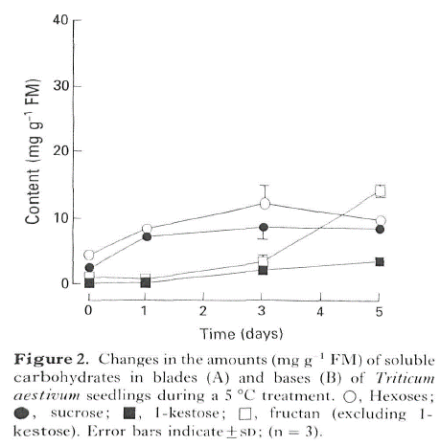
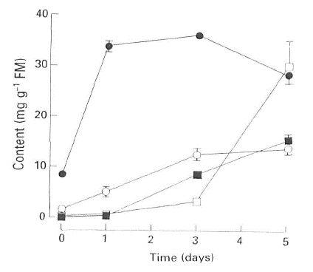
Bancal 1989
Winter wheat
20°C/15°C
Photoperiod 16h PFD = 0.5 mmol.m-2.s-1

Premier point = F2 ligulée

D = 0 | Blades |  |  |  | Base
 | mg. g-1 FW | mg.g-1 mstruct | µmol C.g-1 mstruct |  |  | mg. g-1 FW | mg.g-1 mstruct | µmol C.g-1 mstruct | % DM
Hexoses | 2 | 25 | 833.33333333 |  | Hexoses | 5 | 62.5 | 2083.3333333
Sucroses | 9 | 112.5 | 3970.5882353 |  | Sucroses | 4 | 50 | 1764.7058824
Sucroses + Hexoses | 11 | 137.5 | 4803.9215686 |  | Sucroses + Hexoses | 9 | 112.5 | 3848.0392157
 |  | 11 | % DM |  | Fructane | 3 | 37.5 | 1324 | 3
 |  |  |  |  |  |  | 12 | % DM
D = 3 | Blades
 | mg. g-1 FW | mg.g-1 mstruct | µmol C.g-1 mstruct | % DM
Hexoses | 10 | 125 | 4167
Sucroses | 35 | 437.5 | 15441
Sucroses + Hexoses | 45 | 562.5 | 19608
Fructanes | 5 | 62.5 | 2206
 |  | 50 | % DM
Aston 1987
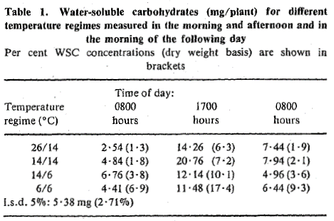
temperature-controlled nutrient baths.
Same shoot environment for all tempeture regimes

Mean day and night air |  |  |  |  |  |  |  |  |  |  |  |  | Dosages sur plantes entières qui sont à des HS différents en fonction température croissance !
t&mperatures were 10.8 and 6.9"C, respectively. Mean photosynthetically active radiation was 12.62 |  |  |  |  |  |  |  |  |  |  |  |  | Ne sait pas si Shoot + roots ou bien uniquement shoot
moles m-2 day-' over the experimental period.

10 | % DM
0.1 | g WSC. g-1 DM
3529.4117647 | µmol C-1 DM
4411.7647059 | µmol C . G-1 mstruct

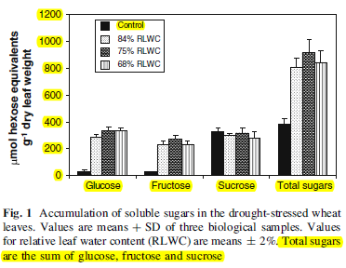
Xue 2008
spring wheat
16/8 h photoperiod at 500 lmol m-2 s-1, temperatures of
14/18C (night/day) and relative humidity at 90/60%
(night/day).

mature flag leaf

400 | µmol hexose. g-1 DM
3000 | µmol C.g-1 mstruct
7.2 | % DM

Engels 1994
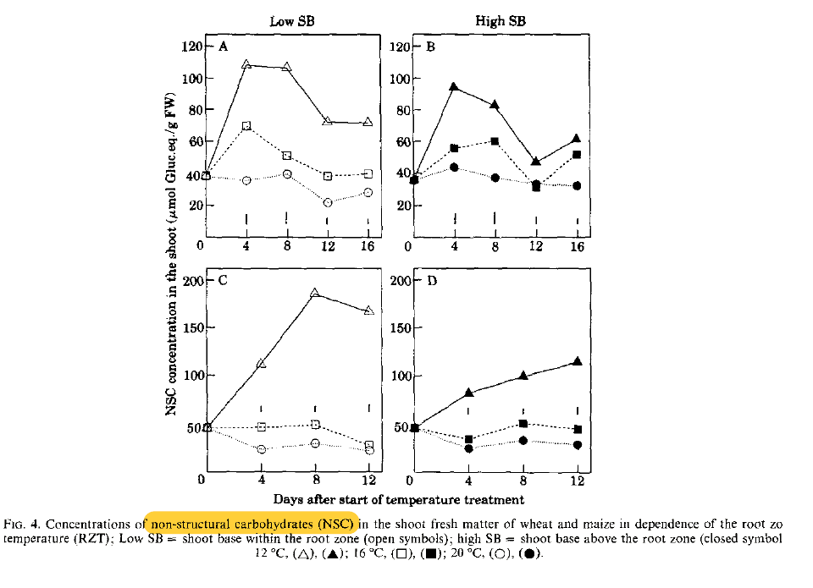
Non Structural carbohydrates
 |  |  |  | MW Glucose
 |  |  |  | 180
 | Shoot | Roots
 | µmol glu . g-1 FW
 | 80 | 4

 | g.g-1 DW
 | 0.144 | 0.0072

Conc HZ
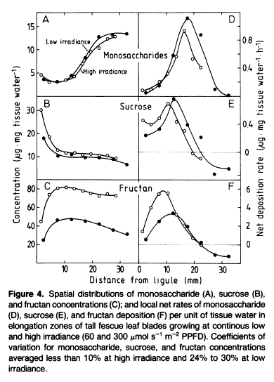
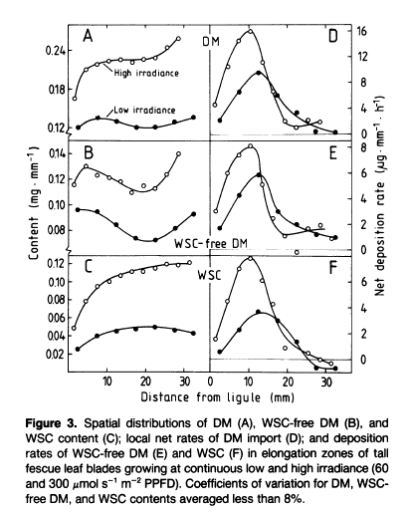
Scnhyder 1989
Tall fescue
 |  |  |  |  | mg DM.mm-1 | 0.15
 | µg.mm-1 | µg.g-1 DM | µmol C . G-1 mstruct | % DM | FW | 1
Monosaccharides | 10 | 66666.7 | 2924.0 | 7 | DW | 0.1
Sucrose | 15 | 100000.0 | 4386.0 | 10 | mstruct | 0.08
Fructanes | 40 | 266666.7 | 11695.9 | 27

 |  | 43 | % DM

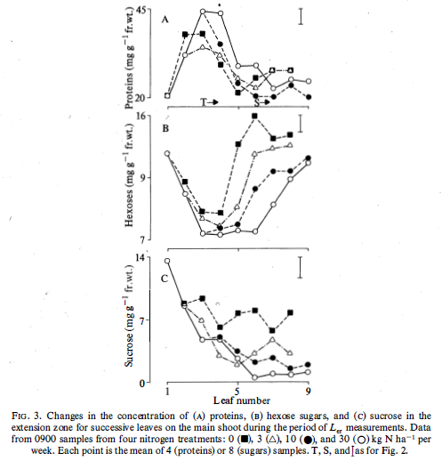
Kemp 1980
Spring Wheat
Pour HZ F3

 | mg.g-1 FW | mg g-1 mstruct | µmol N/C .g-1 mstruct | % DM |  |  | Penning De Vries
Proteins | 35 | 437.5 | 4719 | 35 |  |  | Proteines (specifically in enzymes and membranes) : 0.151 g N.g-1
Hexoses | 8 | 100 | 3333 | 8 |  |  | 0.151
Sucroses | 7 | 87.5 | 3088 | 7
 |  |  |  |  |  |  | MW Glucose
 |  |  |  |  |  |  | 180

 |  |  |  |  |  |  | MW Sucrose
 |  |  |  |  |  |  | 340

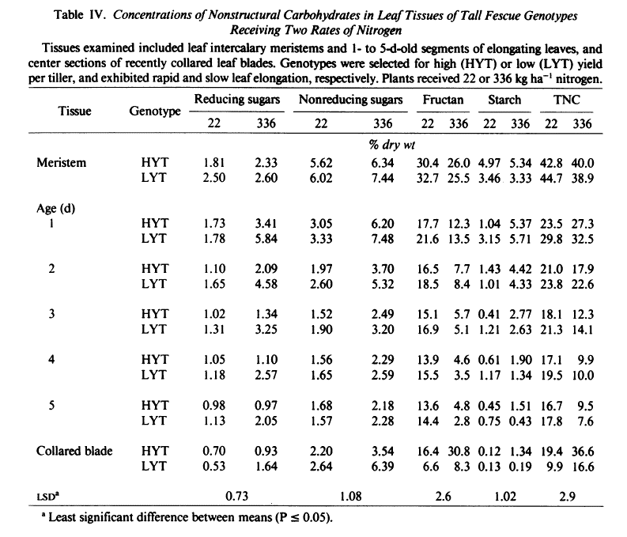
Volenec and Nelson 1984
Tall Fescue

 | % DW | g.g-1 mstruct | µmol C. g-1 mstruct
Fructanes | 15 | 0.1875 | 6617.6470588

