Visit report

D-TI-GR-032 |  | Visit / Inspection report

Report no. |  | 25380-SEA-JNO-PR001-20260305 |  |  |  |  |  | Report rev. |  | 0-0
Location / address |  | Frejasvej 4, 6950 Ringkøbing, Denmark + Mamrelund 9, 6960 Hvide Sande |  |  |  |  |  | Visit date |  | 2026-03-05
Inspector |  | Jelle Nuyens

Project name |  |  | Baltyk II & III
Project ref. no. |  |  | 25380
Contract ref. |  |  | 25380
Smulders contact name |  |  | Ebo Lantiga / Maarten Vanstappen

Scope of supply |  | Follow up inspections Seasight davits - FAT + Visual assessment, hardness testing, coating inspection
Reference docs |  | 08.00.00.25 - NL1Q 25380 HKW VII ITP_Rev02 |  |  |  |  |  |  | Rev. | 2
 |  |  |  |  |  |  |  |  | Rev.
 |  |  |  |  |  |  |  |  | Rev.
 |  |  |  |  |  |  |  |  | Rev.
 |  |  |  |  |  |  |  |  | Rev.
 |  |  |  |  |  |  |  |  | Rev.

Present |  |  |  |  | Representing
 | Jelle Nuyens |  |  |  | Representing |  | Inspector - Smulders/Iemants
 |  |  |  |  | Representing
 |  |  |  |  | Representing
 |  |  |  |  | Representing
 |  |  |  |  | Representing
 |  |  |  |  | Representing

Agenda
 |  |  |  |  | 1. | Health, Safety, Security & Environment
 |  |  |  |  | 2. | Contractual
 |  |  |  |  | 3. | Procurement
 |  |  |  |  | 4. | Work preparation
 |  |  |  |  | 5. | Planning / Progress
 |  |  |  |  | 6. | Daily activity
 |  |  |  |  | 7. | Issues / observations / NCR
 |  |  |  |  | 8. | Risks
 |  |  |  |  | 9. | Any other business
 |  |  |  |  | 10. | Evidence documentation

Result | Accepted with comments

Date of next scheduled visit
Purpose of next scheduled visit

Prepared by |  | Jelle Nuyens |  |  |  | Signature

Visit / Inspection purpose

Follow up inspections Seasight davits - FAT + Visual assessment, hardness testing, coating inspection

1. Health, Safety, Security & Environment

HSSE conditions acc. to requirements
Observations

2. Contractual

Contract / Purchase Order signed by both parties
Advance Payment Bond valid
Performance Bond valid
Warranty Bond valid
Parent Company Guarantee valid
Other

3. Procurement

Materials ordered as required
Deliveries done / confirmed as required
Quality of delivered materials acc. to requirements
Observations

4. Work preparation

Workshop drawings ready / planned as required
Correct revisions available
Correct revisions of drawings used in workshop
Other

5. Planning / Progress

Correct planning available

Progress details |  |  | MACH |  | ASSY & WELD |  | SURF. TREATM |  | AS BUILT |  | TIMING
ITEM |  |  | % | Latest finish | % | Latest finish | % | Latest finish | % | Latest finish
 |  |  | 0% |  | 0% |  | 0% |  | 0%
 |  |  | 0% |  | 0% |  | 0% |  | 0%
 |  |  | 0% |  | 0% |  | 0% |  | 0%
 |  |  | 0% |  | 0% |  | 0% |  | 0%
 |  |  | 0% |  | 0% |  | 0% |  | 0%

Other

6. Daily activity / Inspection visit

Date | 2026-03-04
Welding inspection: heat input verification, hardness testing on cutting surfaces, preheating checks per WPS. Reference observations on other customer flange seams.

Date | 2026-03-05
FAT tests witnessed (cranes 14, 16, 18, 19). Coating inspection on cranes 2, 4, 5, 6 — pinholes found, repair indicated. Holiday Detector planned.

Date

Date

Date

Date

Date

7. Issues /observations / NCR

Description |  |  |  | Improvement proposal |  |  |  |  | Owner | Due | Status
Hardness on cutting surface: 630HV avg — NOT according to procedure (3 measurements) |  |  |  | Grinding/re-machining required. Re-test after correction. |  |  |  |  | Seasight |  | Open
Pinholes in paint coating on cranes 2, 4, 5, 6 |  |  |  | Repair + Holiday Detector final inspection. |  |  |  |  | Seasight |  | Open
Round seam of flange — other customer piece always at least a4 |  |  |  | Review weld sizing against drawing requirements. |  |  |  |  | Smulders |  | Open

8. Risks

Description |  |  |  |  |  |  |  |  | Owner |  | Status

9. Any other business

10. Evidence documentation

Heat input acceptable according to WPS |  |  |  |  |  | Welding acceptable
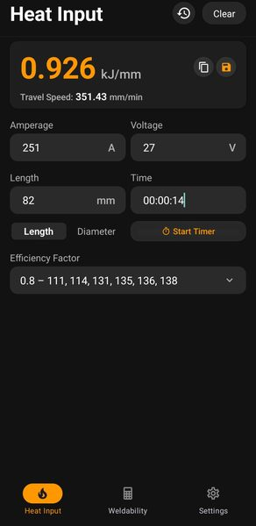 [Picture] |  |  |  |  |  | 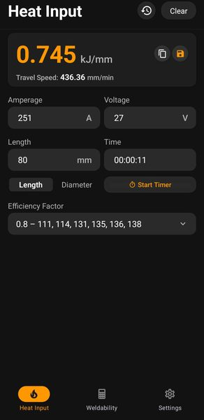 [Picture]

Welding acceptable |  |  |  |  |  | Welding acceptable
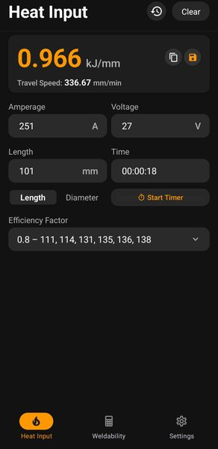 [Picture] |  |  |  |  |  | 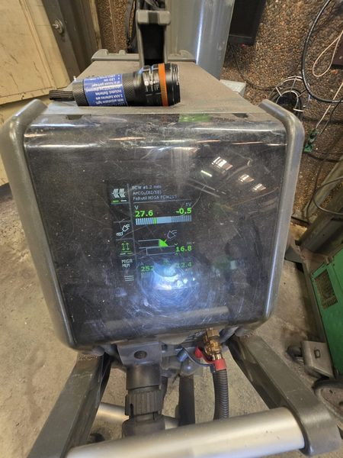 [Picture]

Welding good — preheated according to WPS |  |  |  |  |  | Hardness 630HV — NOT according to procedure
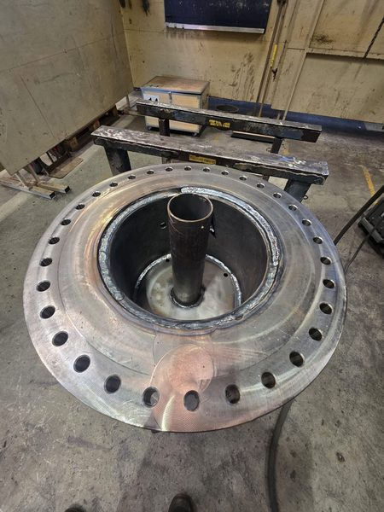 [Picture] |  |  |  |  |  | 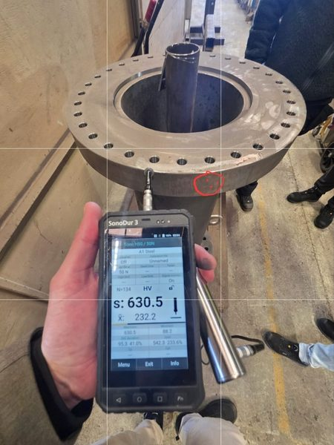 [Picture]

Hardness — NOT according to procedure |  |  |  |  |  | Hardness — NOT according to procedure
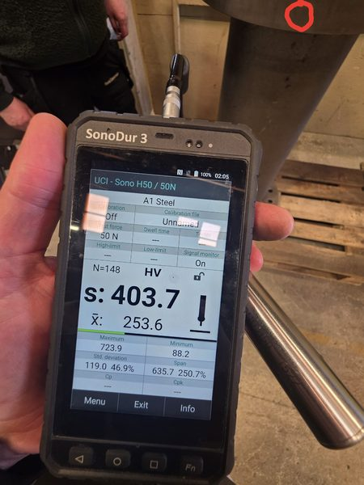 [Picture] |  |  |  |  |  | 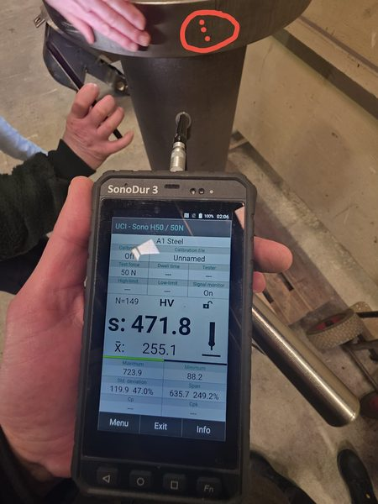 [Picture]

Other customer: flange round seam always at least a4 |  |  |  |  |  | Reference observation flange seam
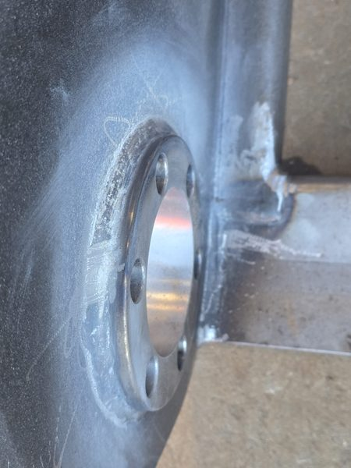 [Picture] |  |  |  |  |  | 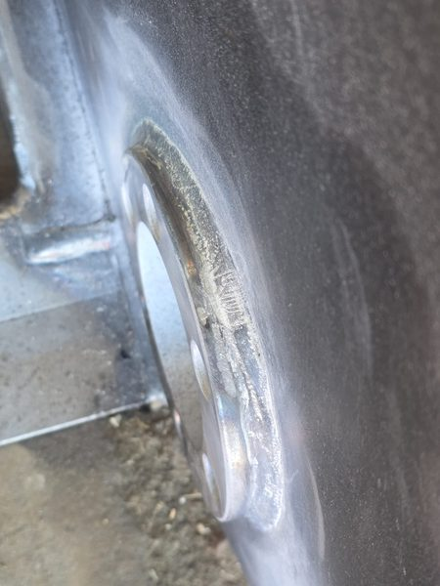 [Picture]

FAT test crane 18 — witnessed and finished |  |  |  |  |  | FAT test crane 16 — witnessed and finished
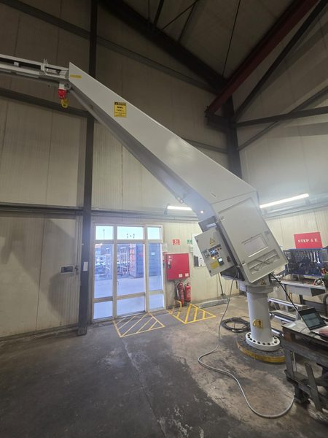 [Picture] |  |  |  |  |  | 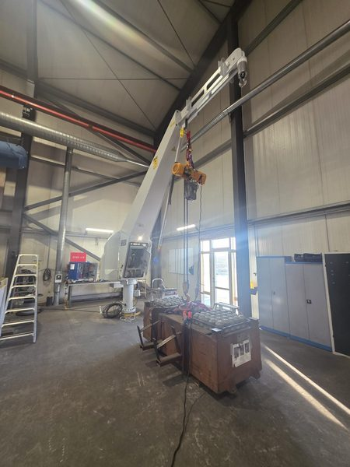 [Picture]

FAT test crane 19 — witnessed and finished |  |  |  |  |  | FAT test crane 14 — witnessed and ongoing
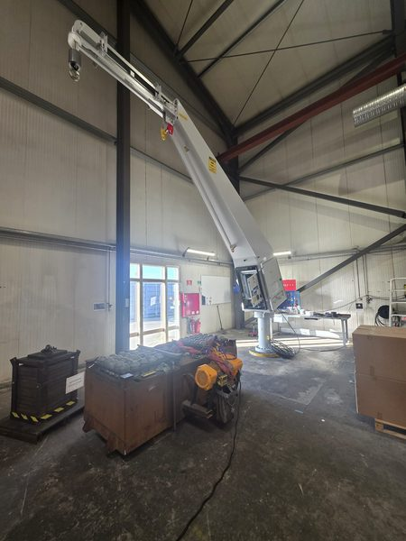 [Picture] |  |  |  |  |  | 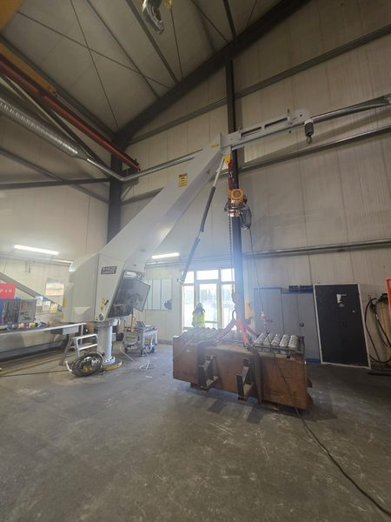 [Picture]

Crane 5: pinholes — repair indicated + Holiday Detector |  |  |  |  |  | Crane 5: pinholes
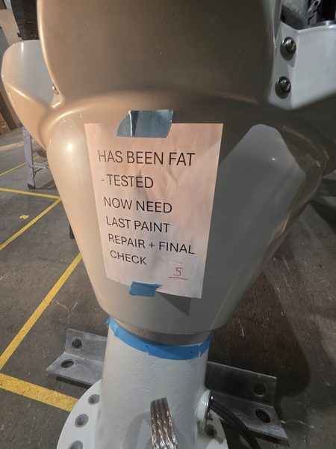 [Picture] |  |  |  |  |  | 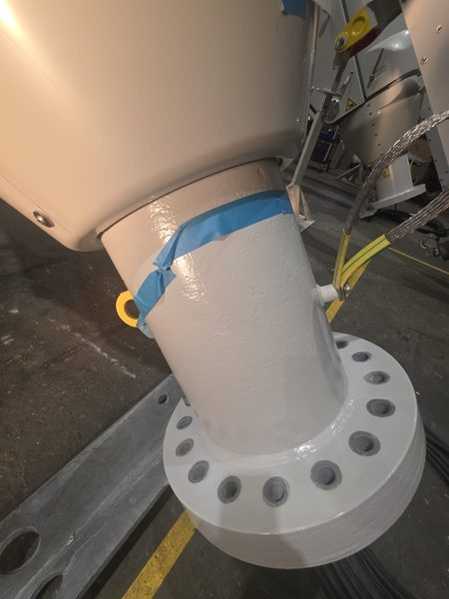 [Picture]

Crane 5: pinholes |  |  |  |  |  | Crane 5: pinholes
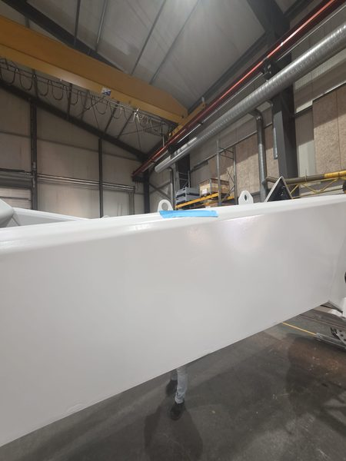 [Picture] |  |  |  |  |  | 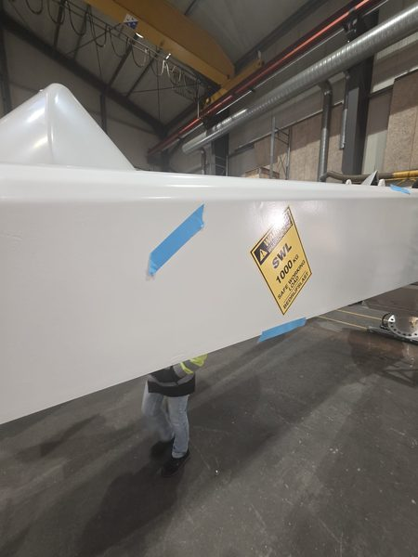 [Picture]

Crane 5: pinholes |  |  |  |  |  | Crane 4: same problem, indicated, ready to finish
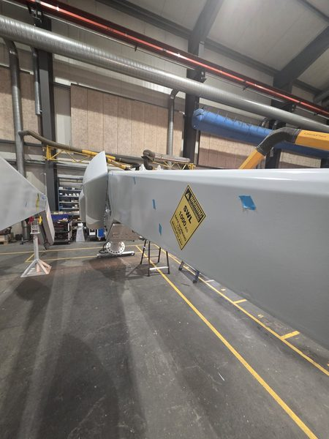 [Picture] |  |  |  |  |  | 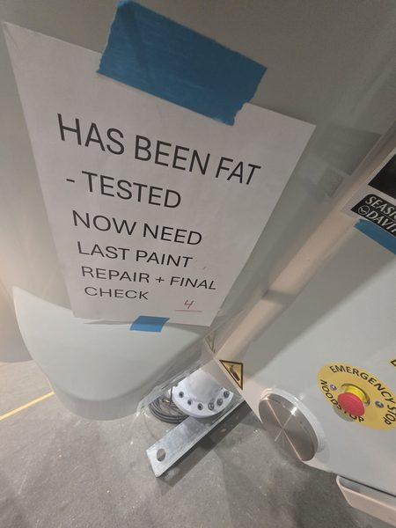 [Picture]

Crane 4: pinholes |  |  |  |  |  | Crane 4: pinholes
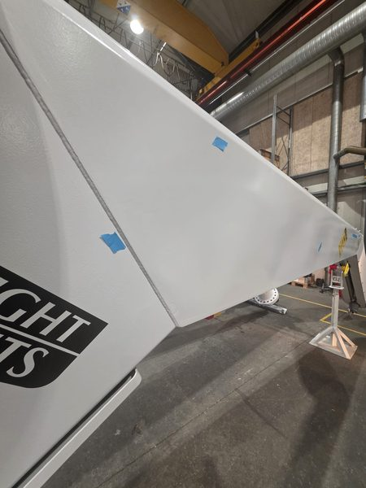 [Picture] |  |  |  |  |  | 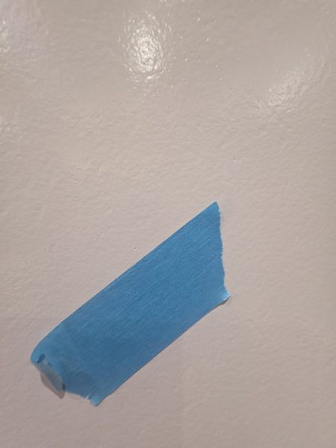 [Picture]

Crane 4: pinholes |  |  |  |  |  | Crane 4: pinholes
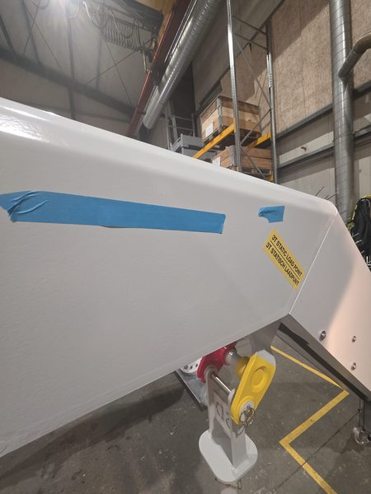 [Picture] |  |  |  |  |  | 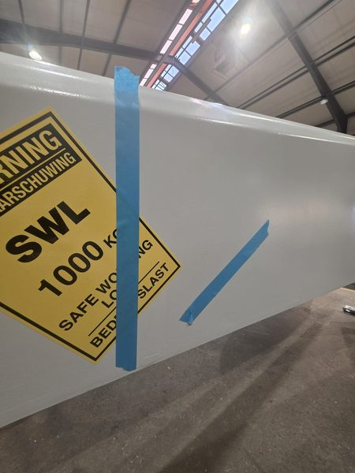 [Picture]

Crane 2: same pinhole problem |  |  |  |  |  | Crane 2: pinholes
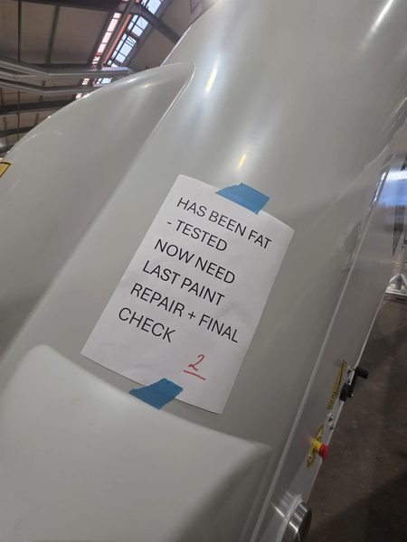 [Picture] |  |  |  |  |  | 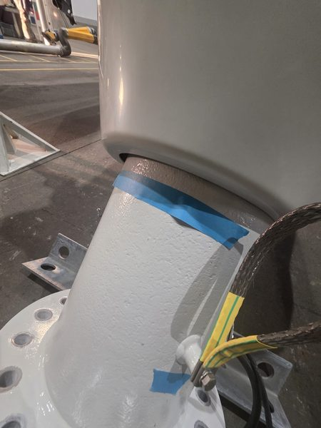 [Picture]

Crane 2: pinholes |  |  |  |  |  | Crane 2: pinholes
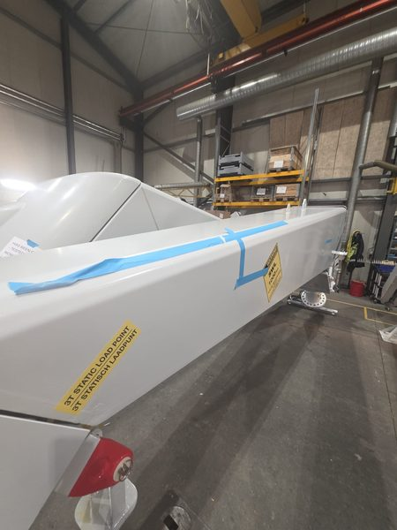 [Picture] |  |  |  |  |  |  [Picture]

Crane 2: pinholes |  |  |  |  |  | Crane 2: pinholes
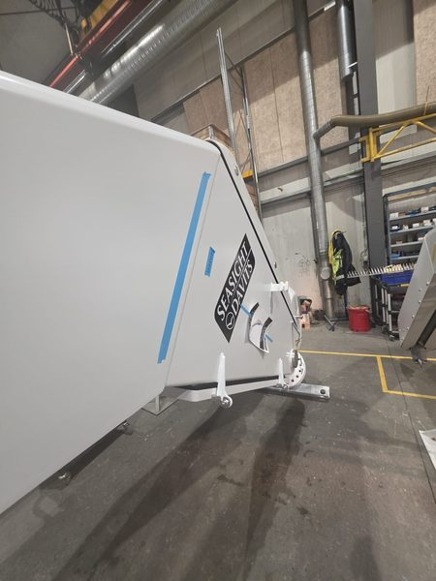 [Picture] |  |  |  |  |  | 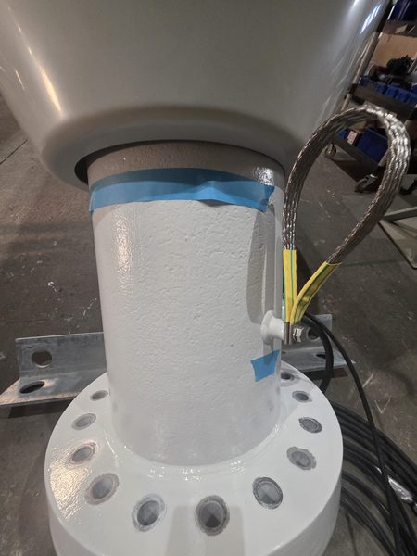 [Picture]

Crane 6: back pinholes — same as other 3 |  |  |  |  |  | Crane 6: pinholes
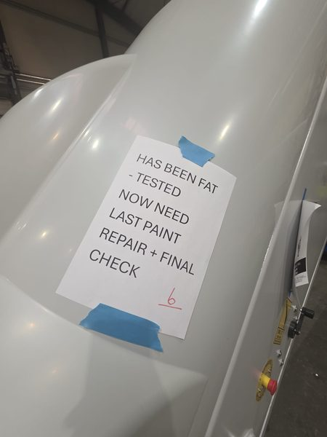 |  |  |  |  |  | 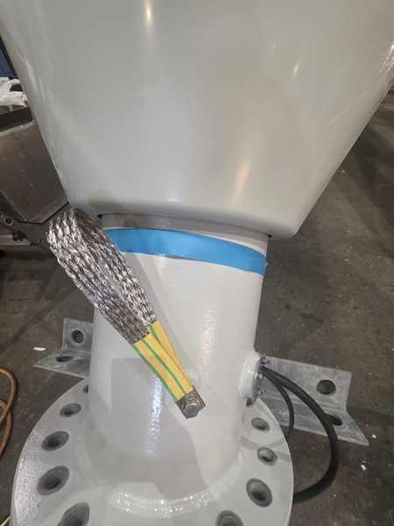

Crane 6: pinholes |  |  |  |  |  | Crane 6: pinholes
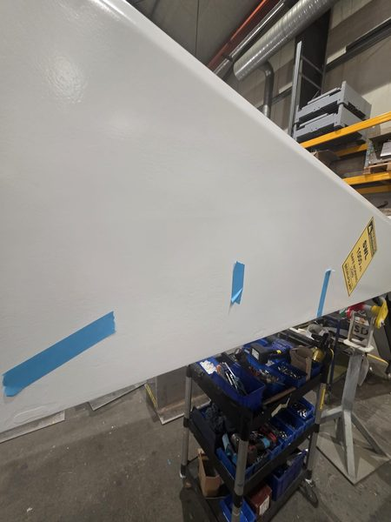 |  |  |  |  |  | 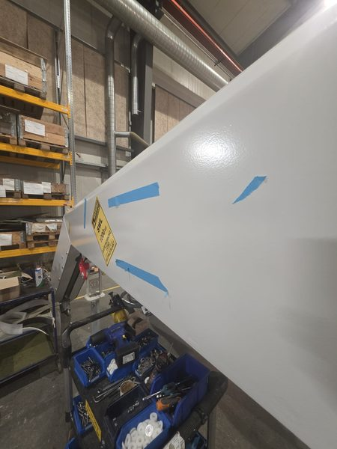

Crane 6: pinholes |  |  |  |  |  | Crane 6: pinholes
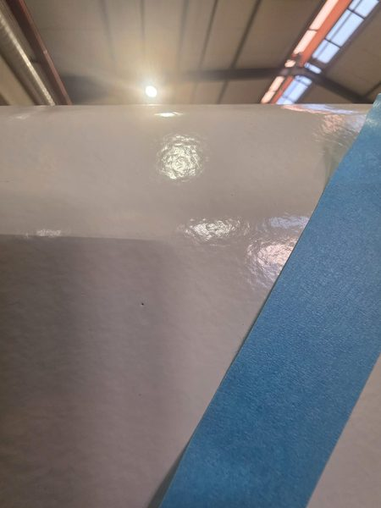 |  |  |  |  |  | 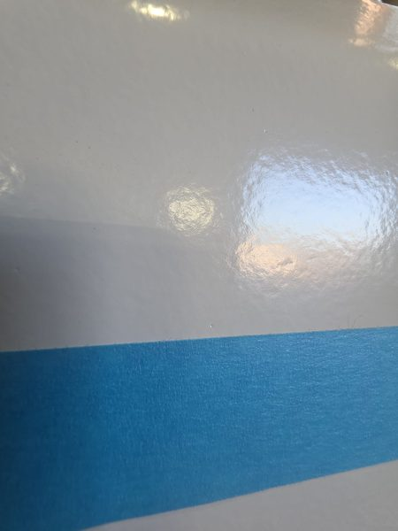

Crane 6: pinholes

