Introduction
Important
These analysis tables include data reported by countries and it is important to note that some of the regional totals may differ from the results presented in the FRA 2020 main report. The reason for this discrepancy is that in some cases, gap-filling was performed for missing values in order to obtain complete time series for the main report. Therefore, it is not always possible to reproduce the global, regional and subregional aggregates presented in the FRA 2020 main report by using the analysis tables.

Guide to the analysis tables
The analysis tables found in this workbook display totals, annual change, and annual change rate in percent by country, regions and sub-regions of a set of FRA 2020 variables. The analysis tables consist of two parts:

1. State analysis refers to the latest reference year for the variable (usually 2020). Only countries reporting a value ≥ 0 for the variable for the latest reference year are included in the totals. Information availability for the variable is expressed in percent of forest area and calculated by dividing the forest area of the countries that reported a value by the total forest area of the region/subregion ((illustration 1).
2. Trend analysis displays the data reported by the countries. It should however be noted that only countries which have reported a complete time series with data for all reporting years are included in the group totals. The information availability is indicated the same way as in the state analysis (but based on countries reporting a complete time series). Further, the annual change in absolute figures and the compound change rates1 are calculated at country, regional/subregional and global levels. (illustration 2)

1Example: Compound change rate (%) forest area 1990-2000, 2000-2015 and 2015-2020.

Illustration 1. State analysis
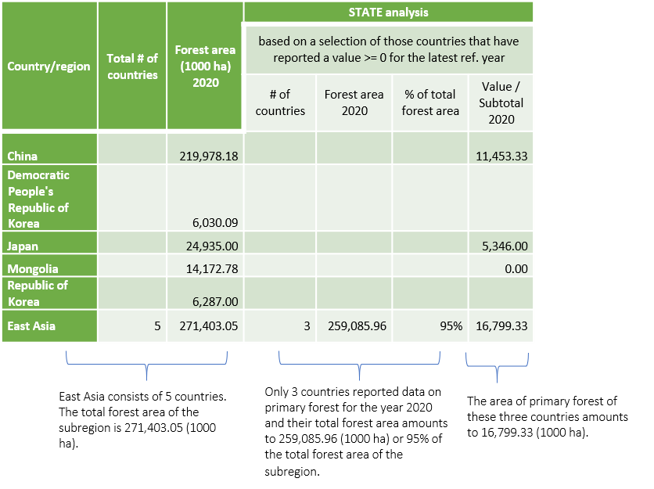

Illustration 2. Trend analysis
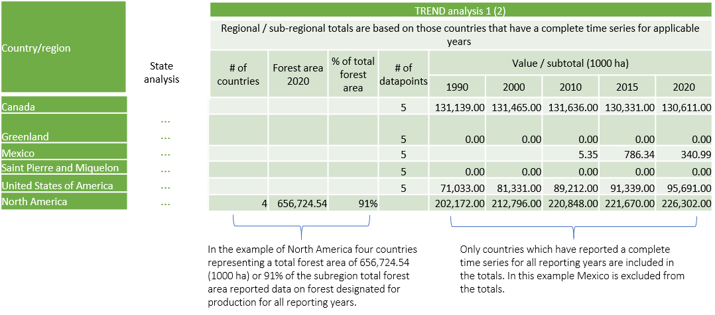

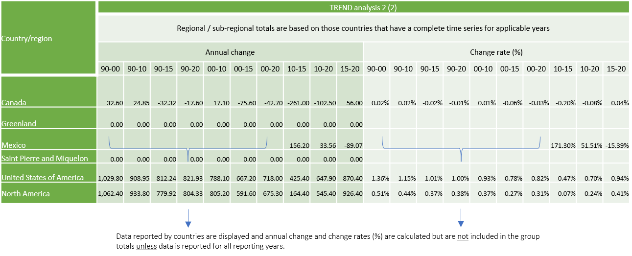

All the worksheets are customized to organize data in groups allowing users to collapse and expand rows at country/regional and annual change and change rate level to create more compact and interpretable views. Users can collapse/expand rows for a particular level by clicking on the level buttons Outline symbols 2 in Excel in the top-left corner of the worksheet.

2Each worksheet has two options of data visualization: country or regional clicking on the horizontal numbering and annual change and change rate aggregation clicking on the vertical numbering.

