Step3
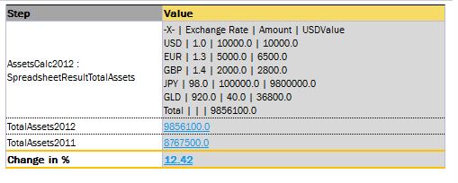
* Custom Spreadsheet Result

 | Step3. Custom Spreadsheet Result

 | There might be situation when you need to have access to any calculated Spreadsheet Table cell of the returned SpreadsheetResult from another Rules Table. The expression <Spreadsheet>.$ColumnName$RowName allows us to do it (like while testing the table; in WebStudio system property Custom Spreadsheet Type should be TRUE.)

 | To understand how it works, let's have a look at the next Spreadsheet Table AssetsCompare, which in the first step calls Spreadsheet Table TotalAssets, then takes Total Assets value from the last step of TotalAssets Table and calculates Change in % of Assets in its last step:

 | Spreadsheet SpreadsheetResult TotalAssets ()
 | Assets | Exchange Rate | Amount | USDValue
 | USD | 1 | 10,000 | = round ($Amount * $Exchange Rate)
 | EUR | 1.3 | 5,000 | = round ($Amount * $Exchange Rate)
 | GBP | 1.4 | 2,000 | = round ($Amount * $Exchange Rate)
 | JPY | 98 | 100,000 | = round ($Amount * $Exchange Rate)
 | GLD | 920 | 40 | = round ($Amount * $Exchange Rate)
 | Total |  |  | = sum($USD:$GLD)

 |  |  | Spreadsheet SpreadsheetResult AssetsCompare ()
 |  |  | properties | state | NY
 |  |  | Step | Value
 |  |  | AssetsCalc2012 : SpreadsheetResultTotalAssets | = TotalAssets()
 |  |  | TotalAssets2012 | = $AssetsCalc2012.$USDValue$Total
 |  |  | TotalAssets2011 | 8,767,500
 |  |  | TotalAs$sets2014 : Integer | 8,767,500
 |  |  | Change in % | = round(($TotalAssets2012 - $TotalAssets2011) / $TotalAssets2011 * 100, 2)

 | Calling TotalAssets and AssetsCompare Tables in WebStudio you'll get the following results:

