Charts
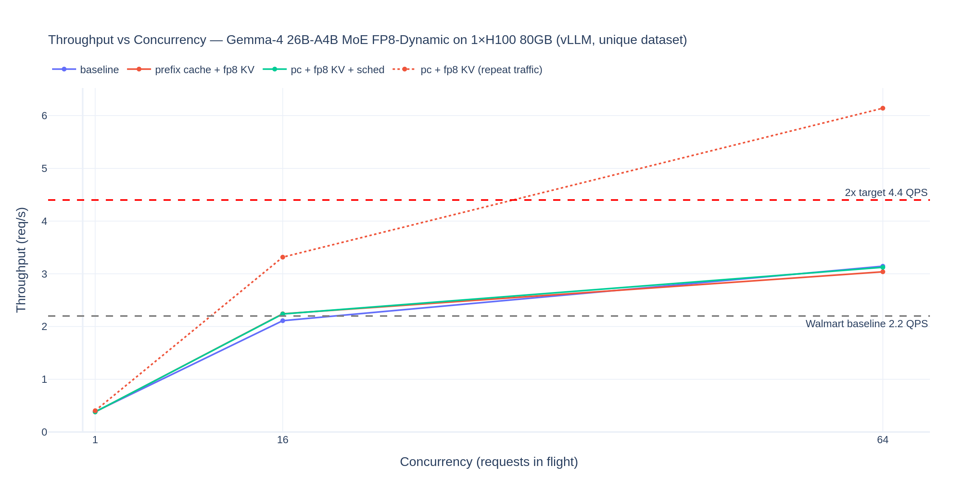
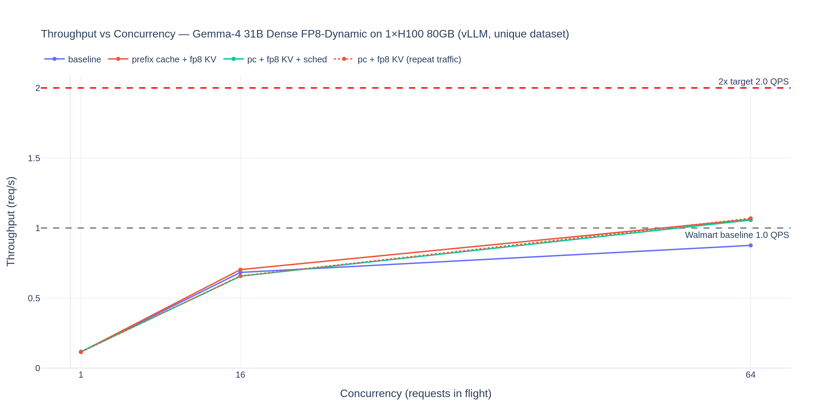
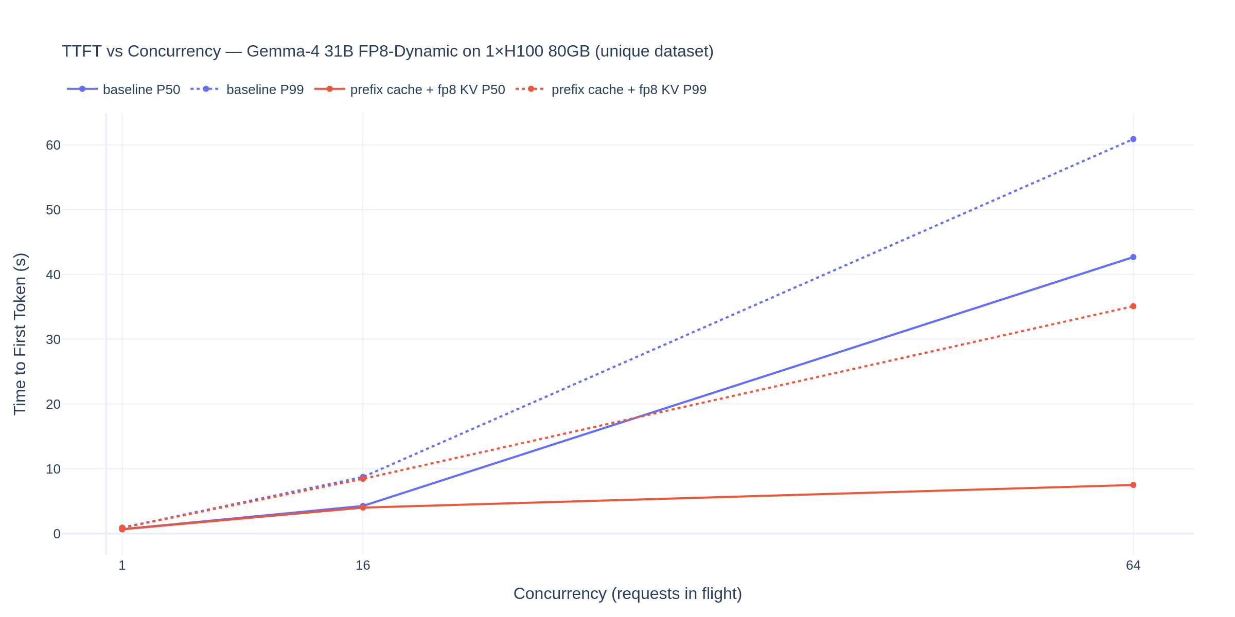
Native charts (render in Excel / Google Sheets / LibreOffice). Static PNG exports at row 60.

Throughput vs Concurrency — Gemma-4 26B-A4B MoE FP8-Dynamic, 1xH100 80GB
 | baseline | prefix cache + fp8 KV | pc + fp8 KV + sched | pc + fp8 KV (repeat traffic) | customer baseline 2.2 | 2x target 4.4
64 | 0.386 | 0.38 | 0.381 | 0.404 | 2.2 | 4.4
 | 2.111 | 2.242 | 2.238 | 3.316 | 2.2 | 4.4
 | 3.144 | 3.039 | 3.123 | 6.141 | 2.2 | 4.4

Throughput vs Concurrency — Gemma-4 31B Dense FP8-Dynamic, 1xH100 80GB
 | baseline | prefix cache + fp8 KV | pc + fp8 KV + sched | pc + fp8 KV (repeat traffic) | customer baseline 1.0 | 2x target 2.0
64 | 0.116 | 0.115 | 0.117 | 0.115 | 1 | 2
 | 0.683 | 0.703 | 0.656 | 0.658 | 1 | 2
 | 0.876 | 1.062 | 1.057 | 1.069 | 1 | 2

TTFT vs Concurrency — Gemma-4 31B FP8-Dynamic (p50 solid-ish, p99 listed)
 | baseline TTFT p50 (s) | baseline TTFT p99 (s) | prefix cache + fp8 KV TTFT p50 (s) | prefix cache + fp8 KV TTFT p99 (s)
64 | 0.65 | 0.89 | 0.63 | 0.87
 | 4.24 | 8.71 | 3.99 | 8.43
 | 42.67 | 60.89 | 7.49 | 35.08

Static exports (may not render in all viewers):

