Figure 1
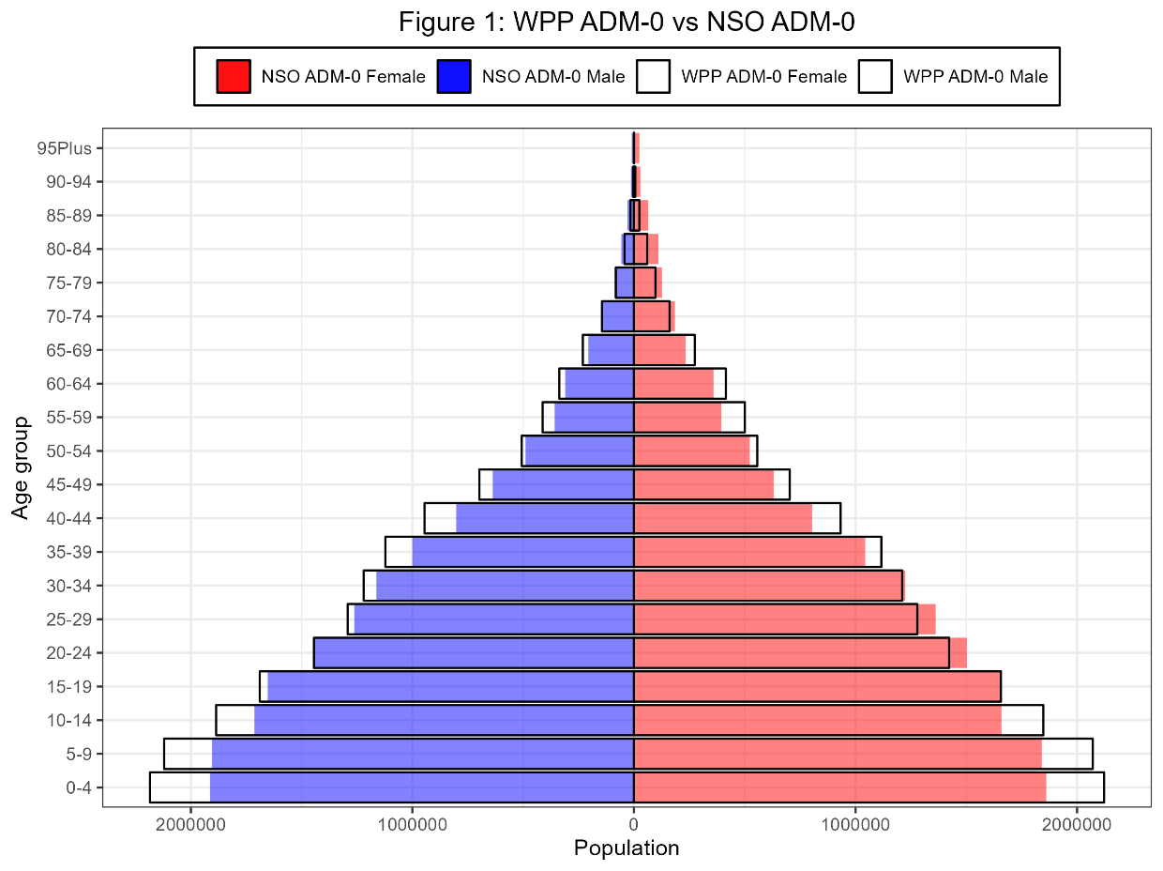
Age | F_NSO_minus_WPP_pct | M_NSO_minus_WPP_pct
0-4 | -12.30156804 | -12.424078712
5-9 | -11.113380651 | -10.226353692
10-14 | -10.239724165 | -9.1617345602
15-19 | 0.088487082154 | -2.0843864538
20-24 | 5.595993531 | -0.1106687515
25-29 | 6.4945888199 | -2.3284213198
30-34 | 1.1347455033 | -4.6895642041
35-39 | -6.4873883336 | -10.834744932
40-44 | -13.868525501 | -15.100171771
45-49 | -10.44542909 | -8.634877554
50-54 | -6.2005563727 | -3.4507179091
55-59 | -21.196806811 | -13.147808537
60-64 | -13.497835185 | -7.8073955113
65-69 | -15.344765695 | -11.036648852
70-74 | 14.810487655 | 3.7137665424
75-79 | 30.907025967 | 5.3062120168
80-84 | 85.557694906 | 35.99570841
85-89 | 159.72598278 | 84.986795091
90-94 | 380.79207921 | 290.2489019
95Plus | 2893.2038835 | 2897.9010495

Figure 2
