Guide
[Official Closed]

Service Level Agreement (SLA)
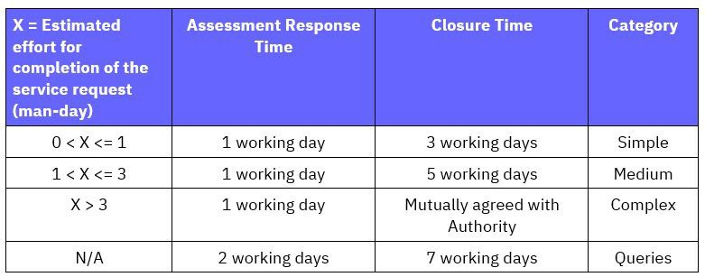

Onboarding Form
Information that is provided in this onboarding form can be added on to or subtracted from as long as the change is clearly stated. Do highlight all the changes that are made on the onboarding form. This would help provide clarity. As much as possible, do not change the structure of the Do note that one onboarding form is for ONE SSO Client ID.

Onboarding Flow
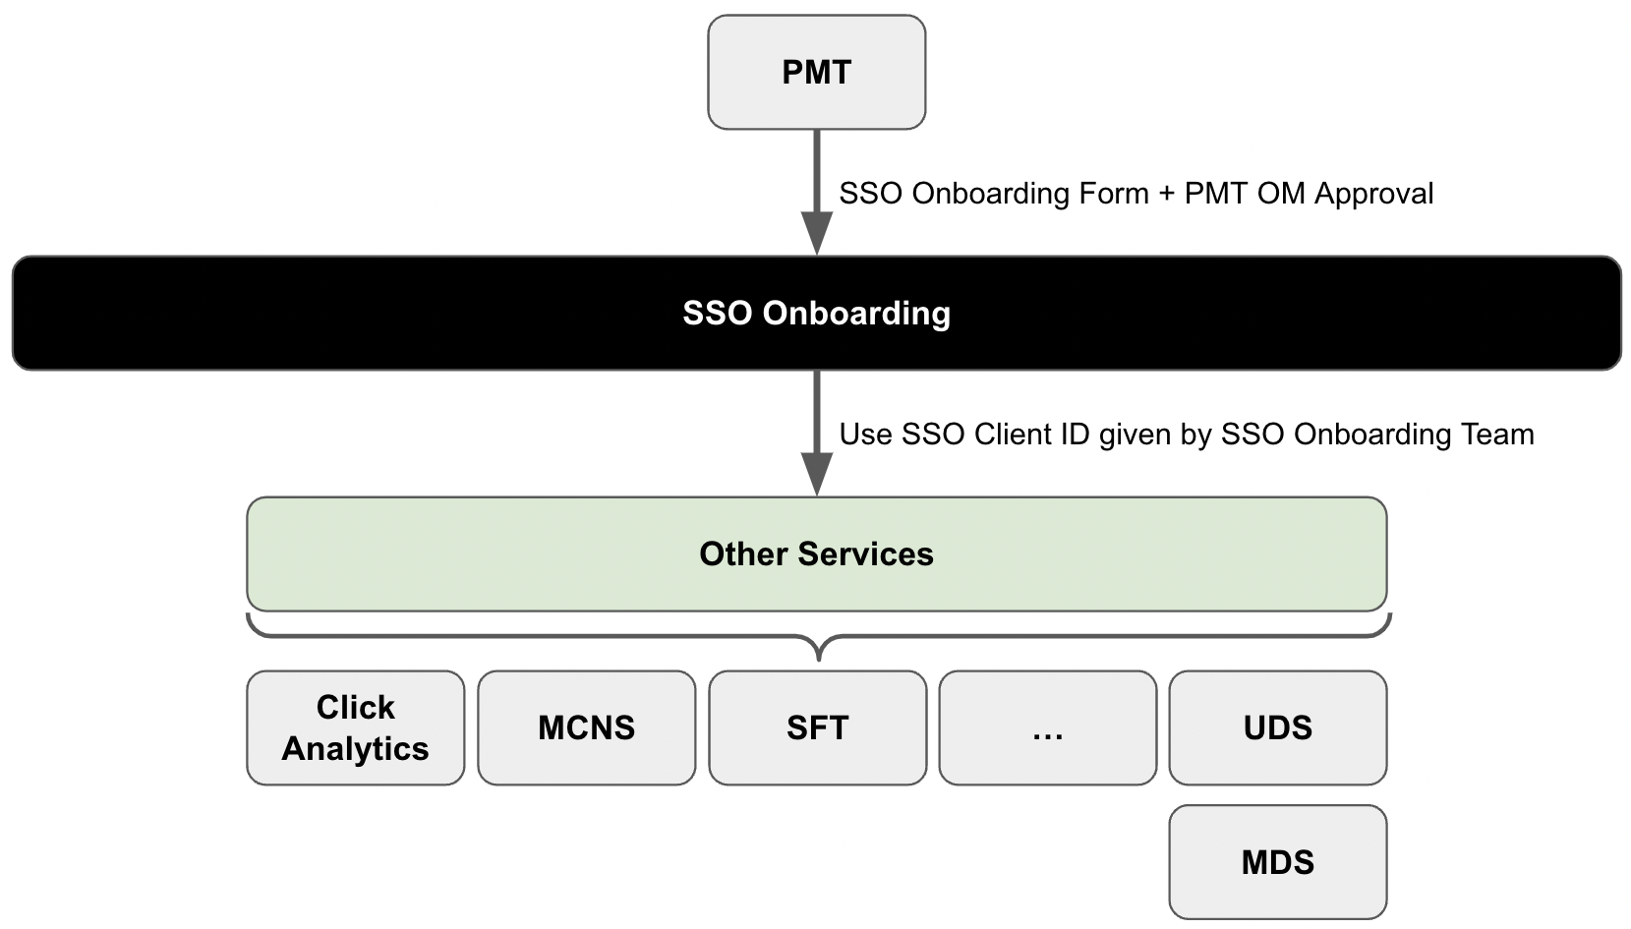
PMT OM approval is required for all request types. CMC approval, SIT Integration Verification & IP Filtering are required for PRE-PROD / PROD onboarding.

SSO
Before onboarding to other services, please onboard to SSO first. Default Account (e.g. app-test-dev; app-test-qa; app-test-sit; app-test): Allows both authorization code flow and client credential flow. Split Account (e.g. app-test-dev & svc-test-dev): App account is used for authorization code flow, while svc account is used for client credential flow. For Auth Code Flow accounts, there are no need for a redirect URL. For Client Cred Flow accounts, there are is a need for a redirect URL. Do make sure that your JWKS URI is available, should confer to RFC7517. If onboarding for the first time, an SSO Client ID will be given to you by the SSO Onboarding Team. Refer to Playbook for more details.

EAI
Make sure that your VPC CIDR range and AD Account are valid. Refer to Playbook for more details.

UDS
An Application Permission Matrix (APM) will be generated for your respective SSO Client ID. Do provide your vpce information as well for onboarding purposes. For non-prod, this APM will be valid indefinitely unless specified. For prod, the APM will be valid for one year and the API key will be renewed every year unless mentioned that UDS is no longer in use. Only applicable to App Team(s) that have been onboarded to UDS. Not applicable to new App Teams. Refer to Playbook for more details.

MDS
Consists of a TWO-step onboarding process: Stage 1: Data Contract Submission with Population and Service requirements Stage 2: Whitelisting Query Template After onboarding Stage 1, go to GraphQL playground and enter your own SSO Client ID as the Role ID to start creating your own query templates. Once you have created your own query templates, to onboard the templates (Stage 2), provide the necessary information required. Do ensure that all dynamic values should have a regex as well. If a regex is not provided, we will give a default regex: [A-Za-z0-9]+ nric_uuid_template and uuid_nric_template are templates that are pre-created that you may onboard. Should you require these two templates, just write "nric_uuid_template" and "uuid_nric_template" in the template id field. Do note that you need to onboard the nric_uuid_main table to your data contract (prerequisite require IT0185) Should you require to make joint queries, you would need to onboard it_main table to your data contract. CUD permissions will be enable to only one of your SSO Client IDs if you require. If you require aggregations, you would need to request as well. By default, aggregations are turned off. By turning on aggregations, it would apply to all of your data contract tables. Refer to Playbook for more details.

MCNS
We have 3 channel types: SMS, Email and Push. You can select it from the dropdown list. There are default email domains and phone numbers for non-prod and prod. Should you require an email domain or phone number outside of the default, you would have to raise a request. Do provide the regex for ALL your dynamic values as we are unable to tell what values you will be using. We will provide a default regex if the regex is absent. The default regex given is: [A-Za-z0-9]+ For Push Notifications, we would require an API key to be provided. MCNS does not allow dynamic values that has a regex that allows all types of characters (including special characters). Bad Example: title: ${title}, template: ${body} Template ID will be provided by the MCNS Onboarding Team after onboarding. Refer to Playbook for more details.

SFT
Maximum File Size: 10MB Currently supported file types are: 1. application/pdf (.pdf) 2. application/msword (.doc) 3. application/vnd.openxmlformats-officedocument.wordprocessingml.document (.docx) 4. application/vnd.ms-excel (.xls) 5. application/vnd.openxmlformats-officedocument.spreadsheetml.sheet (.xlsx) 6. application/vnd.ms-powerpoint (.ppt) 7. application/vnd.openxmlformats-officedocument.presentationml.presentation (.pptx) 8. image/bmp (.bmp) 9. image/jpeg (.jpeg / .jpg) 10. image/png (.png) 11. image/tiff (.tiff) Take note that "image/jpeg" handles both file extensions ".jpeg" and ".jpg". Refer to Playbook for more details.

MyInfo
Do take note if your application authenticates your users as MyInfo will request UIN/FIN on your behalf, although returning uuid. Refer to Playbook for more details.

Survey
User Roles: Manager - View survey related data Deployer - Publish the survey Designer - Create and design the survey Actions: Onboard - Onboarding user for the first time Reset - Resetting of user password Unlock - Unlocking of user account N.A. - No action required to this existing user If a user is already onboarded, do change the user to N.A. to indicate that the user has been onboarded. Your email will be your username. While the SA is responsible to whitelist the RP's domain using the CSP 'frame-ancestor' directory, the PMT is responsible to whitelist the Survey domain using CSP 'frame-src' directory as following: Content-Security-Policy: frame-src 'self' https://<env>.survey-ecs.defcloud.gov.sg/s/<SurveyId>; Refer to Playbook for more details.

Corppass
Onboarding to Corppass is similar to onboarding to SSO. There are no client credentials flow for Corppass onboarding. Default Account only has authentication code flow. Refer to Playbook for more details.

Click Analytics
Each Project Environment can contain multiple applications which will be in their respective management zones. Do make sure to indicate what application type your application belongs to as well (Web or Mobile). Administrators have higher access as compared to members. The administrator and members list will be placed in the mentioned application's management zone. Refer to Playbook for more details.

[Official Closed]

