Parameters
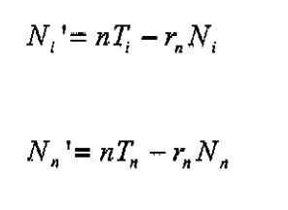
Code Label | Transition Tag | Full Name | Default Value | Sheet Label | Databook Order | Calibrate? | Special Rules | Function | Notes (indicating equivalence to UCL model)
v_rate | svrate | Vaccination Rate (Susceptible -> Vaccinated) |  | sh_pop | 4 | n
i_rate | slrate | Infection Rate (Susceptible -> Latent) |  | sh_epi | -1 | n | avg_contacts_in | ac_prev
b_rate | bsrate | Birth Rate (Births -> Susceptible) |  | sh_pop | 3 | n
vinf_rate | varate | Vaccinated Infection Rate (Vaccinated -> Active) |  | sh_epi | -1 | n |  | i_rate/100
phi_early | larate | Latency Departure Rate (Latent -> Active) |  | sh_epi | 3 | n
cure_rate | lsrate | Latency Cure (Latent -> Susceptible) |  | sh_epi | 4 | n
ds_prop | ddiv | Proportion Infected DS |  | sh_epi | 5 | n
mdr_prop | mdiv | Proportion Infected MDR |  | sh_epi | 8 | n
adtreat_prop | adtreat | Proportion DS Infected on treatment |  | sh_epi | 6 | n
amtreat_prop | amtreat | Proportion MDR Infected on treatment |  | sh_epi | 9 | n
adtomtreat_prop | adtreatfail | Proportion DS Treatment failing and progressing to MDR Treatment |  | sh_epi | 11 | n
adtorec_prop | adsuccess | Proportion DS Successful Treatment |  | sh_epi | 7 | n
amtorec_prop | amsuccess | Proportion MDR Successful Treatment |  | sh_epi | 10 | n
rectoac_prop | rarate | Proportion Recovered Re-infected |  | sh_epi | -1 | n |  | i_rate/50
spddut_rate | death | TB Death Rate |  | sh_pop | 5 | n

