Parameters
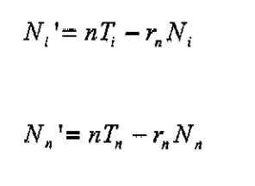
Code Label | Transition Tag | Full Name | Default Value | Sheet Label | Databook Order | Calibrate? | Special Rules | Function | Notes (indicating equivalence to UCL model)
v_rate | svrate | Vaccination Rate (Susceptible -> Vaccinated) | 0.1 | sh_ltreat | 2 | n
i_rate | slrate | Infection Rate (Susceptible -> Latent) |  |  |  | n
b_rate | bsrate | Birth Rate (Births -> Susceptible) |  |  |  | n
vinf_rate | varate | Vaccinated Infection Rate (Vaccinated -> Active) |  |  |  | n
phi_early | larate | Latency Departure Rate (Latent -> Active) | 0.0314157 | sh_lprog | 1 | n
cure_rate | lsrate | Latency Cure (Latent -> Susceptible) | 0.003 | sh_lprog | 2 | n
ds_prop | ddiv | Proportion Infected DS |  |  |  | n
mdr_prop | mdiv | Proportion Infected MDR |  |  |  | n
adtreat_prop | adtreat | Proportion DS Infected on treatment |  |  |  | n
amtreat_prop | amtreat | Proportion MDR Infected on treatment |  |  |  | n
ac | adworse | Proportion DS Fail Treatment |  |  |  | n
 |  |  |  |  |  | n
spddut_rate |  | DS Death Rate (Untreated) | 0.12 | sh_death | 1 | n
spmdut_rate |  | MDR Death Rate (Untreated) | 0.12 | sh_death | 2 | n
spmdot_rate |  | DS Death Rate (On Treatment) | 0.17 | sh_death | 5 | n
spxdot_rate |  | MDR Death Rate (On Treatment) | 0.27 | sh_death | 6 | n

