Cost Benefit Analysis Template
Cost Benefit Analysis Template

Project |  | Project Manager
[Name of Project] |  | [Name of Project Manager]

Costs
Direct Costs |  | First Year | Second Year | Third Year | Fourth Year | Fifth Year | Sixth Year | Total
Labor |  | $1,000 | $1,100 | $1,200 | $1,300 | $1,400 | $1,500 | $7,500
Materials |  | $200 | $220 | $240 | $260 | $280 | $300 | $1,500
 |  | $ | $ | $ | $ | $ | $ | $0
 |  | $ | $ | $ | $ | $ | $ | $0
 |  | $ | $ | $ | $ | $ | $ | $0
Total |  | $1,200.00 | $1,320.00 | $1,440.00 | $1,560.00 | $1,680.00 | $1,800.00 | $9,000.00

Indirect Costs |  | First Year | Second Year | Third Year | Fourth Year | Fifth Year | Sixth Year | Total
Rent |  | $1,000 | $1,100 | $1,200 | $1,300 | $1,400 | $1,500 | $7,500
Utilities |  | $200 | $220 | $240 | $260 | $280 | $300 | $1,500
 |  | $ | $ | $ | $ | $ | $ | $0
 |  | $ | $ | $ | $ | $ | $ | $0
 |  | $ | $ | $ | $ | $ | $ | $0
Total |  | $1,200.00 | $1,320.00 | $1,440.00 | $1,560.00 | $1,680.00 | $1,800.00 | $9,000.00

One-time Costs |  | First Year | Second Year | Third Year | Fourth Year | Fifth Year | Sixth Year | Total
Equipment |  | $500 | $400 | $600 | $800 | $500 | $300 | $3,100
Annual Subscriptions |  | $1,000 | $1,000 | $2,000 | $3,000 | $2,000 | $1,500 | $10,500
 |  | $ | $ | $ | $ | $ | $ | $0
 |  | $ | $ | $ | $ | $ | $ | $0
 |  | $ | $ | $ | $ | $ | $ | $0
Total |  | $1,500.00 | $1,400.00 | $2,600.00 | $3,800.00 | $2,500.00 | $1,800.00 | $13,600.00

Opportunity Costs |  | First Year | Second Year | Third Year | Fourth Year | Fifth Year | Sixth Year | Total
Neglecting one project for another |  | $1,000 | $1,000 | $1,000 | $1,000 | $1,000 | $1,000 | $6,000
 |  | $ | $ | $ | $ | $ | $ | $0
 |  | $ | $ | $ | $ | $ | $ | $0
 |  | $ | $ | $ | $ | $ | $ | $0
 |  | $ | $ | $ | $ | $ | $ | $0
Total |  | $1,000.00 | $1,000.00 | $1,000.00 | $1,000.00 | $1,000.00 | $1,000.00 | $6,000.00

Contingency Costs |  | First Year | Second Year | Third Year | Fourth Year | Fifth Year | Sixth Year | Total
Neglecting one project for another |  | $1,000 | $1,000 | $1,000 | $1,000 | $1,000 | $1,000 | $6,000
 |  | $ | $ | $ | $ | $ | $ | $0
 |  | $ | $ | $ | $ | $ | $ | $0
 |  | $ | $ | $ | $ | $ | $ | $0
 |  | $ | $ | $ | $ | $ | $ | $0
Total |  | $1,000.00 | $1,000.00 | $1,000.00 | $1,000.00 | $1,000.00 | $1,000.00 | $6,000.00

Compliance Costs |  | First Year | Second Year | Third Year | Fourth Year | Fifth Year | Sixth Year | Total
Neglecting one project for another |  | $1,000 | $1,000 | $1,000 | $1,000 | $1,000 | $1,000 | $6,000
 |  | $ | $ | $ | $ | $ | $ | $0
 |  | $ | $ | $ | $ | $ | $ | $0
 |  | $ | $ | $ | $ | $ | $ | $0
 |  | $ | $ | $ | $ | $ | $ | $0
Total |  | $1,000.00 | $1,000.00 | $1,000.00 | $1,000.00 | $1,000.00 | $1,000.00 | $6,000.00

Overall Costs |  | $3,700.00 | $3,720.00 | $5,040.00 | $6,360.00 | $5,180.00 | $4,600.00 | $49,600.00

Tangible or Quantitative Benefits
Financial Benefits |  | First Year | Second Year | Third Year | Fourth Year | Fifth Year | Sixth Year | Total
Increased revenue |  | $10,000 | $10,000 | $15,000 | $15,000 | 20000 | $20,000 | $90,000
New sales |  | $5,000 | $6,000 | $7,000 | $8,000 | $9,000 | $10,000 | $45,000
Cost Savings |  | $ | $ | $ | $ | $ | $ | $0
Tax Incentives |  | $ | $ | $ | $ | $ | $ | $0
 |  | $ | $ | $ | $ | $ | $ | $0
Total |  | $15,000.00 | $19,720.00 | $22,000.00 | $23,000.00 | $29,000.00 | $30,000.00 | $135,000

Intangible or Qualitative Benefits
Benefit Description | Time Frame | Impact Area |  | KPIs |  | Measurement Approach
Improved employee morale | Ongoing | Workforce |  | Employee retention rate |  | Employee engagement surveys
Enhanced customer satisfaction | Medium term | Customer retention |  | Net promoter score |  | Customer feedback
Strengthened brand reputation | Long term | External market |  | Positive sentiment ratio |  | Sentiment analysis
Better regulatory compliance | Immediate | Risk management |  | Compliance audit pass |  | Annual compliance audit
Reduced environmental footprint | Long term | Sustainability |  | CO2 emission reduction % |  | Environmental impact assessment
Increased cross departmental collaboration | Short term | Internal operations |  | Number of projects completed |  | Internal surveys and data
Competitive market position | Long term | Market strategy |  | Market share % |  | Industry analysis reports

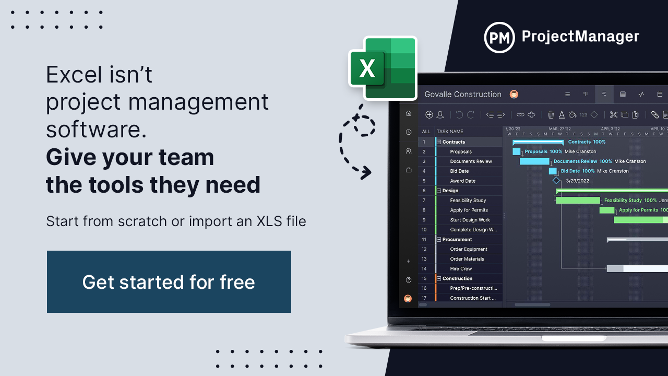
 |  |  |  |  | Related Free Templates
 |  |  |  |  | Project Plan Template
 |  |  |  |  | Project Budget Template
 |  |  |  |  | Production Schedule Template

