66
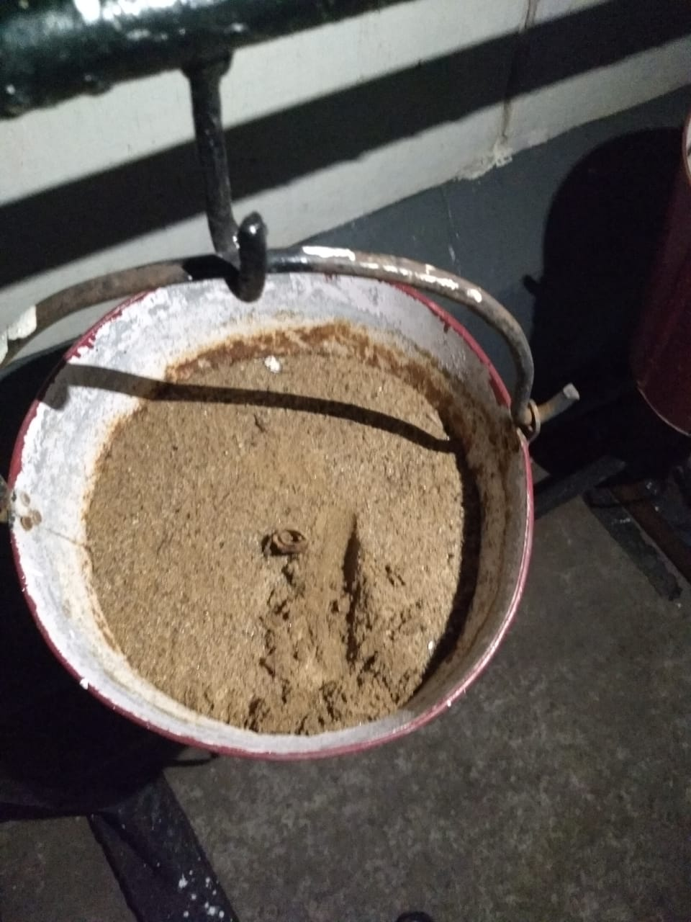
UNIT : HOTEL GREEN PARK - VISAKHAPATNAM

TITLE : WET SAND IN SAND BUCKETS

