68
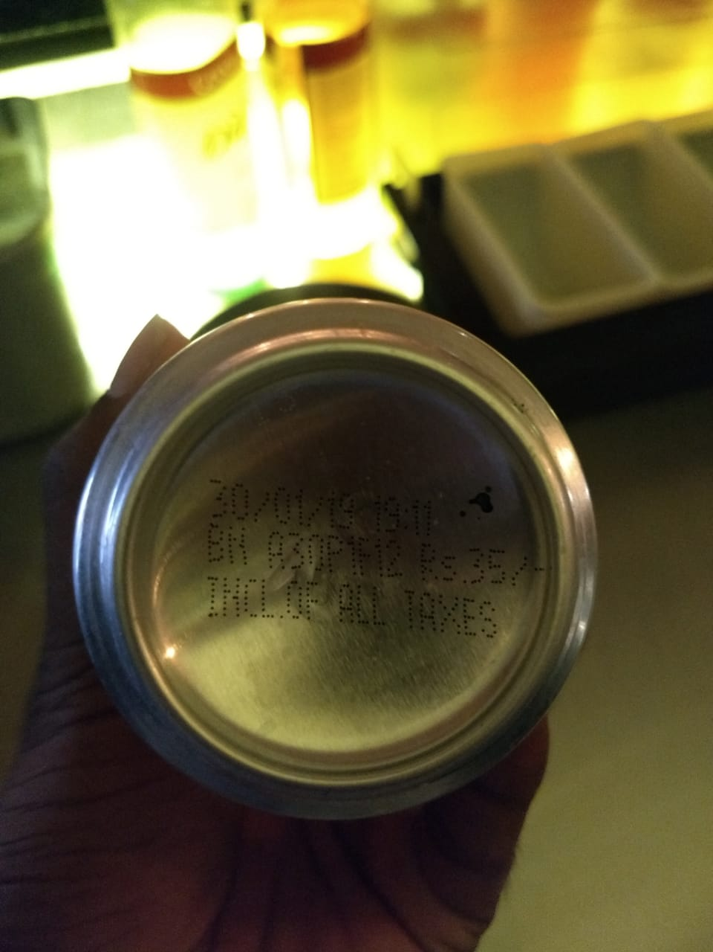
UNIT : HOTEL GREEN PARK - VISAKHAPATNAM

TITLE : EXPIRED COKE IN MUSTANG

