3
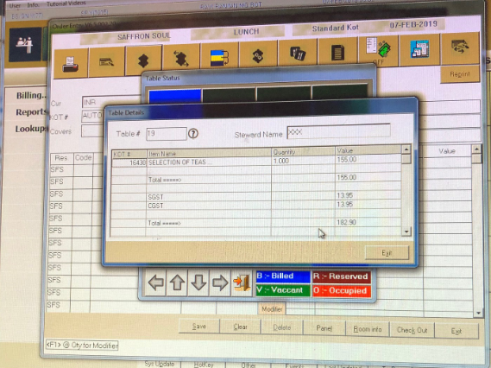
PENDING KOT's AS ON 07-FEB-19 @ 16:05 HRS

Res. & Tbl / Room | Date | Session | KOT No. | Server & Userid | Item Name | Quantity | Amount | Time
SFS / 19 | 7-Feb-19 | LN | 16430 | 6 / RRNJ | SELECTION OF TEAS ... | 1.000 | 155.00 | 11:42

