5
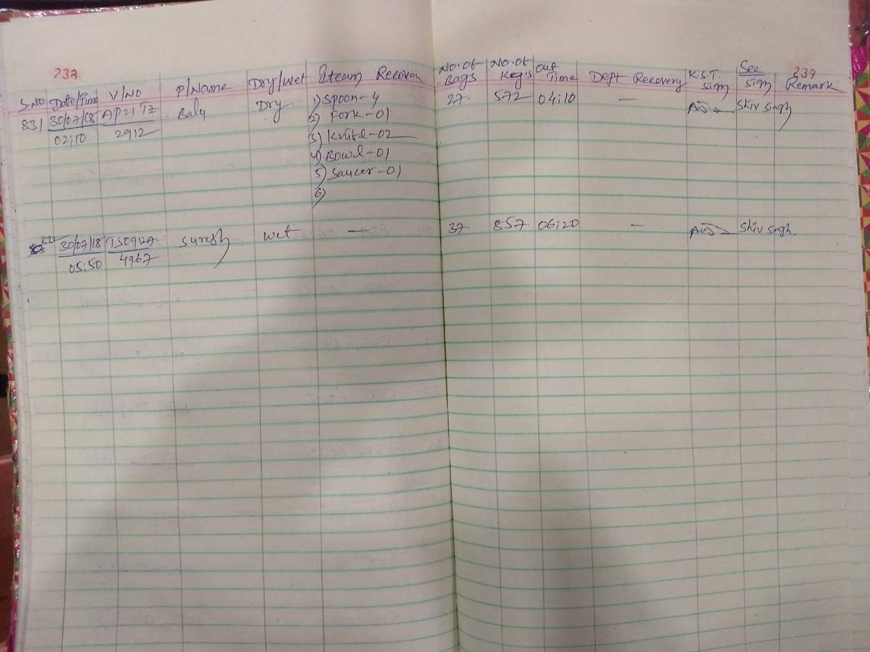
UNIT | : HOTEL AVASA - HYDERABAD, PHYSICAL ROUNDS Q1 18-19

TITLE | : GARBAGE REGISTER NOT UPDATED ON 31-JUL-18

SAMPLE SIZE : |  | AS ON 31-JUL-18

