9
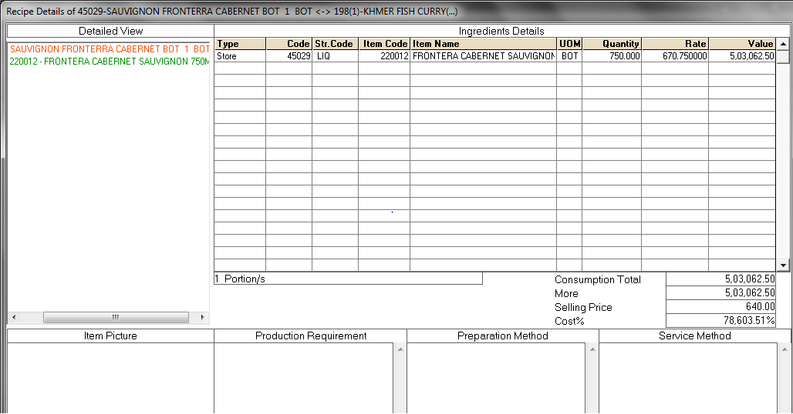
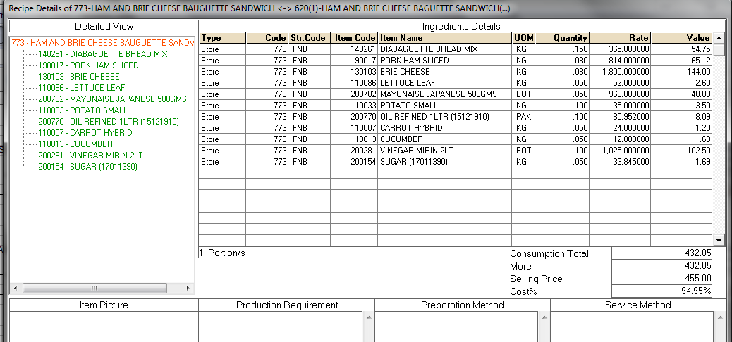
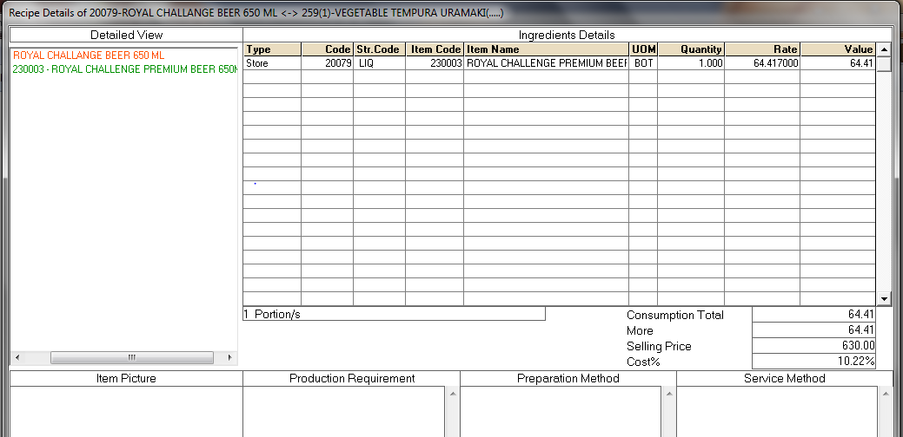
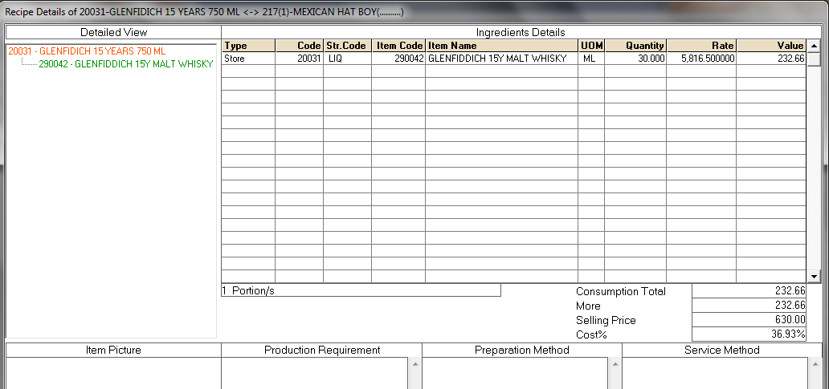
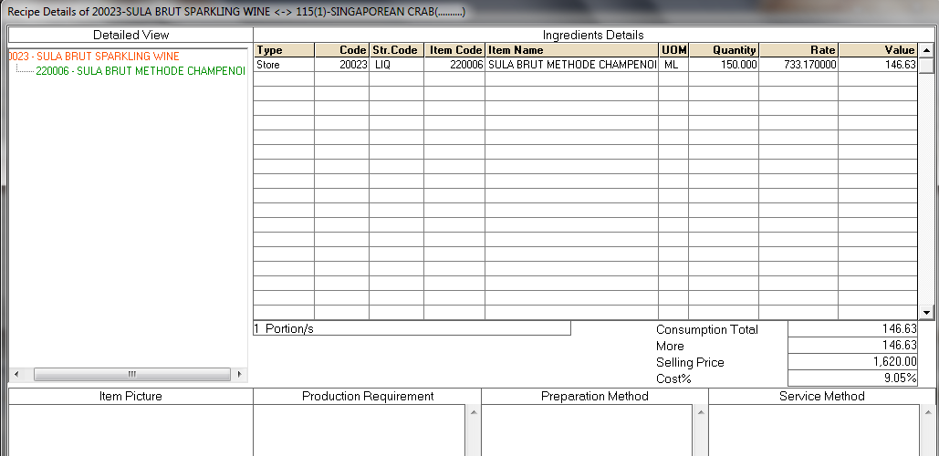
UNIT | : HOTEL MARIGOLD - HYDERABAD, FOOD AND BEVERAGE CONTROLS SPECIAL AUDIT 18-19

TITLE | : INCORRECT RECIPE OR QUANTITY OF THE INGREDIENTS UPDATED IN RECIPE COSTING IN IDS

Receipe Code | Receipe Name | Actual Cost Rs. (A) | Sale Price Rs. (B) | Cost% | Outlet | Quantity Sold
198 | KHMER FISH CURRY(...) | 503062.50 | 640.00 | 786.04 | Mekong | 29
620 | HAM AND BRIE CHEESE BAGUETTE SANDWICH(...) | 434.56 | 455.00 | 0.96 | Safron soul | 12
217 | MEXICAN HAT BOY(..........) | 232.66 | 630.00 | 0.37 | Mekong | 57
259 | VEGETABLE TEMPURA URAMAKI(.....) | 64.42 | 630.00 | 0.10 | Mekong | 335
115 | SINGAPOREAN CRAB(..........) | 146.63 | 1620.00 | 0.09 | Mekong | 78

