11
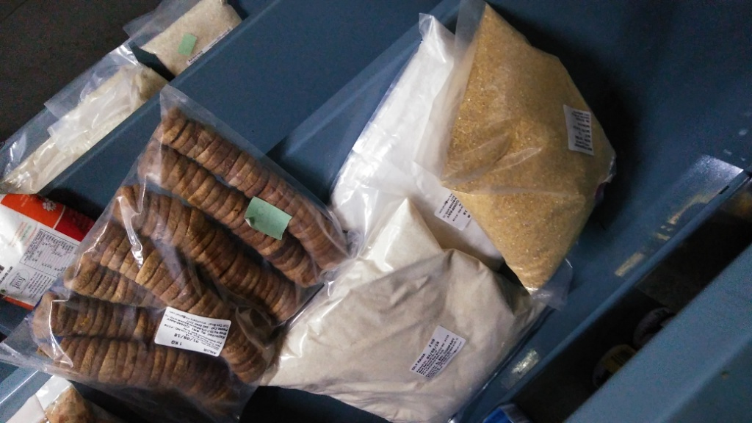
UNIT | : HOTEL MARIGOLD - HYDERABAD, SPECIAL - STORES OPERATIONS, 1st PHASE, 2018-19

TITLE | : NO DESIGNATED PLACE FOR DAMAGE OR EXPIRED STOCK AT STORES

SAMPLE SIZE : AS ON 22-AUG-18
CRITERIA FOR DETERMINATION OF RATING : NATURE OF RISK

