Exhibit-1
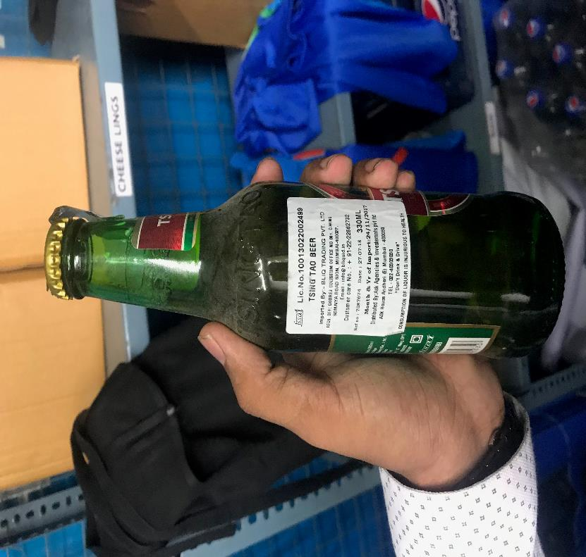
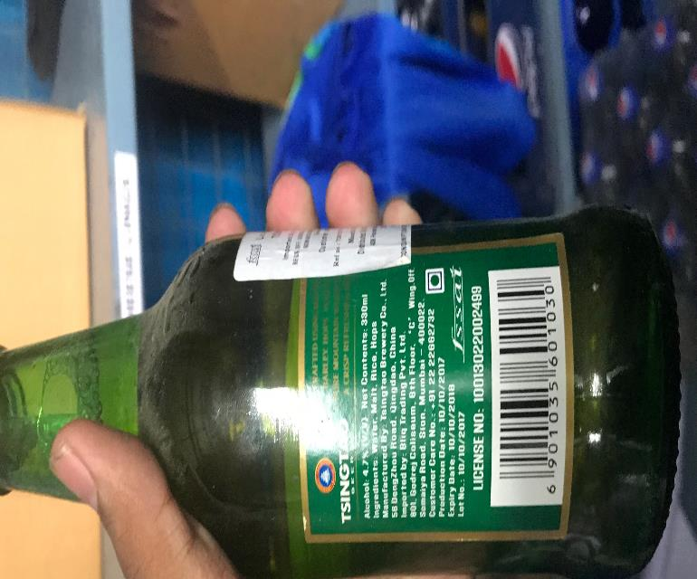
UNIT : HOTEL GREEN PARK - CHENNAI

TITLE : EXPIRED BEER WAS AVAILABLE IN THE STORAGE AREA

